Transformer
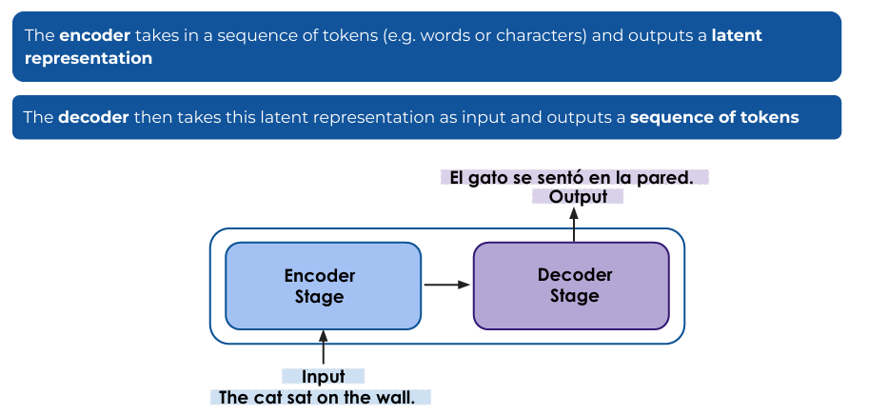
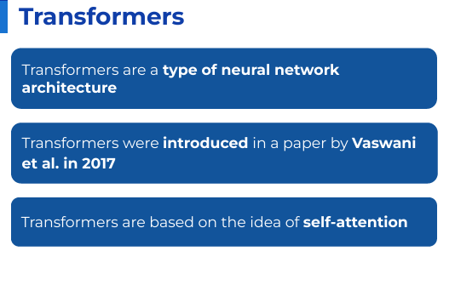
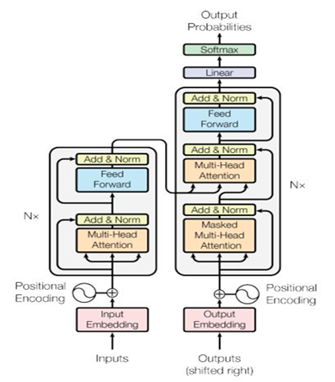

Encoder: Builds context-aware hidden representations of input.

Decoder: Uses those hidden vectors + its own generated outputs to produce the target sequence step by step.

