Bug Reports
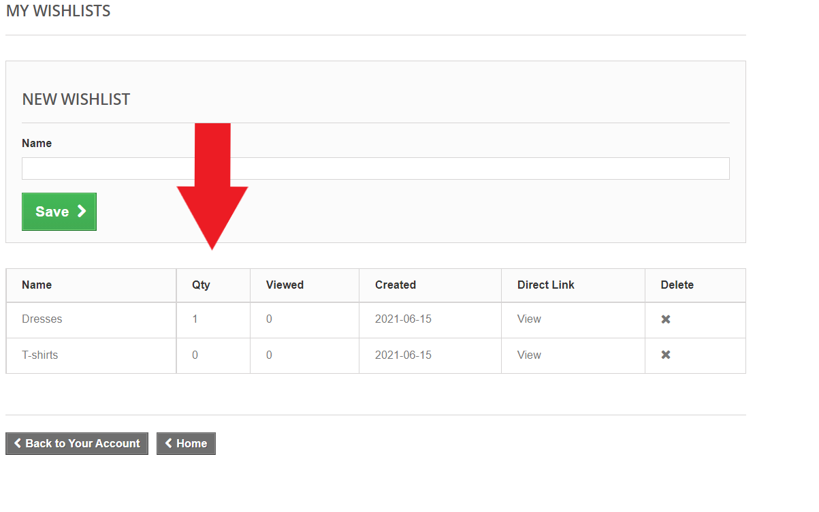
 | BUG REPORTS

Bug ID | 1
Title: | The account can be created with invalid email
Description: | If invalid email is entered in the field "Email address" in the "Create account" section, and the "Create an account" button is clicked, "Create an account" page is open. Data entry can be continued and account can be created.
Pre-conditions: | Navigate to the page: http://automationpractice.com/index.php
 | Click on the "Sign in" button

Repro-steps: |  | Test Data
1 | Enter data in the "Email address" field | romoranka369@gmail.co
2 | Click on "Create an account"

Expected result: |  | "Create an account" page is not open. Notification message about error appears.
Visible text: |  | Invalid email address.
Actual result: |  | "Create an account" page is open. Data entry can be continued and account can be created.
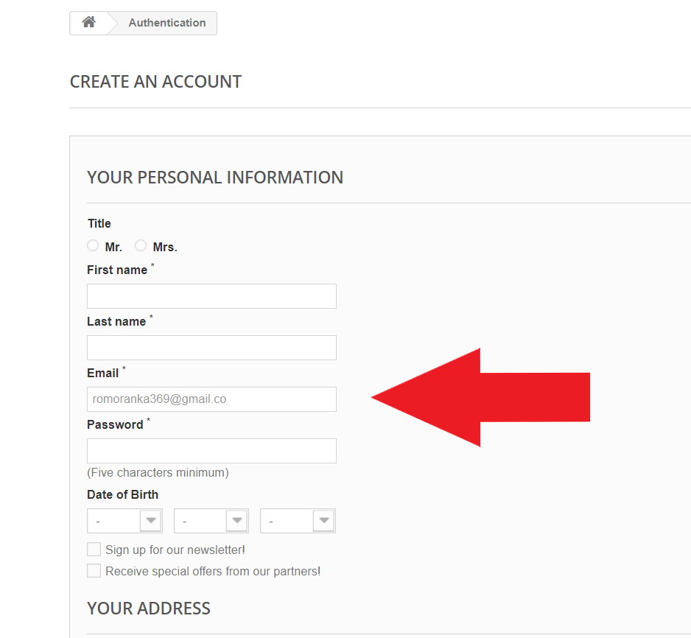
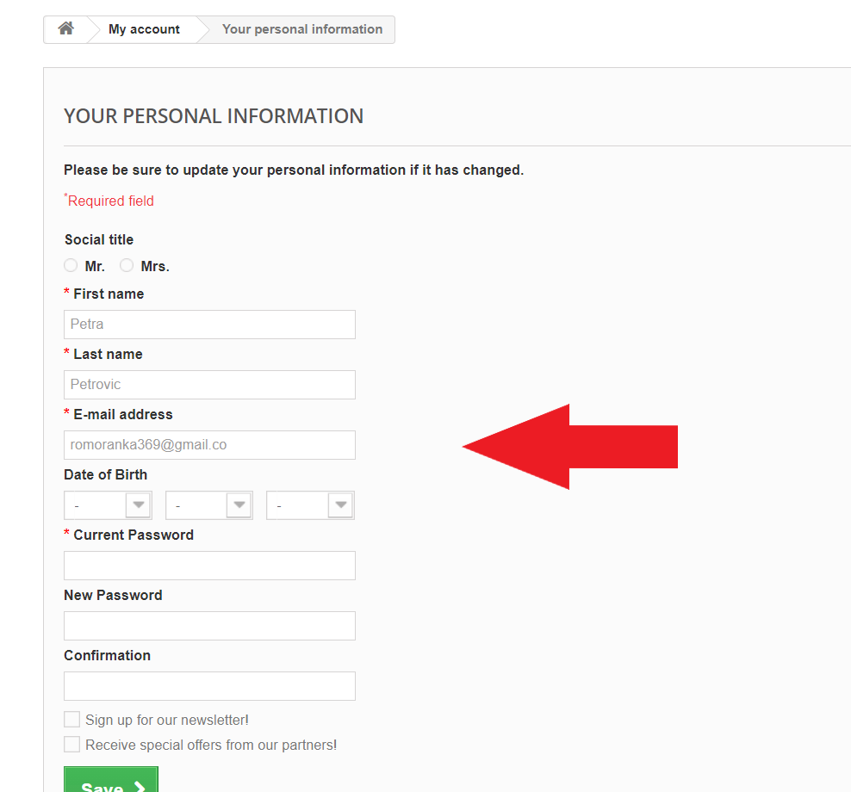
Screenshots:

Bug ID: | 2
Title: | The account can be created with invalid personal input data
Description: | If invalid input data (spaces) are entered in madatory fields, and the "Register" button is clicked, the account is created and visible. Notification message about error does not appear.
Pre-conditions: | Navigate to the page: http://automationpractice.com/index.php
 | Click on the "Sign in" button

Repro-steps: |  | Test Data
1 | Enter data in the "Email address" field in the "Create an account" section | romoranka789@gmail.com
2 | Click on the "Create an account" button
3 | Enter data in the "First name" field in the "Your personal information" section
4 | Enter data in the "Last name" field in the "Your personal information" section
5 | Enter data in the "Email" field in the "Your personal information" section
6 | Enter data in the "Password" field in the "Your personal information" section | happy369
9 | Enter data in the "Address" field in the "Your Address" section
10 | Enter data in the "City" field in the "Your Address" section
11 | Select "State" from the drop-down menu in the "Your Address" section | 2
12 | Enter data in the "Zip/Postal Code" field in the "Your Address" section | 99599
13 | Select "Country" from the drop-down menu in the "Your Address" section | default
14 | Enter data in the "Home phone" field in the "Your Address" section
15 | Enter data in the "Mobile phone" field in the "Your Address" section
 | Enter data in the "Assign an address alias for future reference" field in the "Your Address" section
16 | Click on the "Register" button
Expected result: |  | The account is not created. Notification message about error appears.
Actual result: |  | The account is created. My account page is opened.
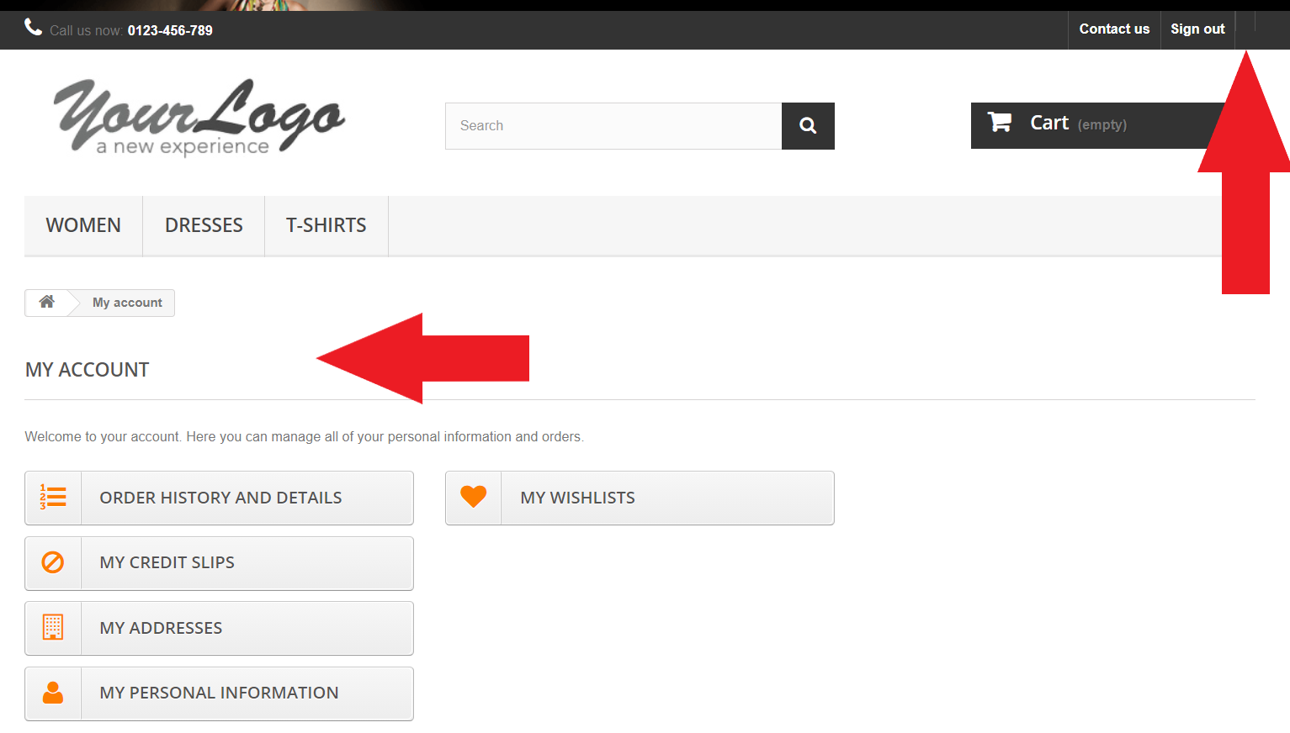
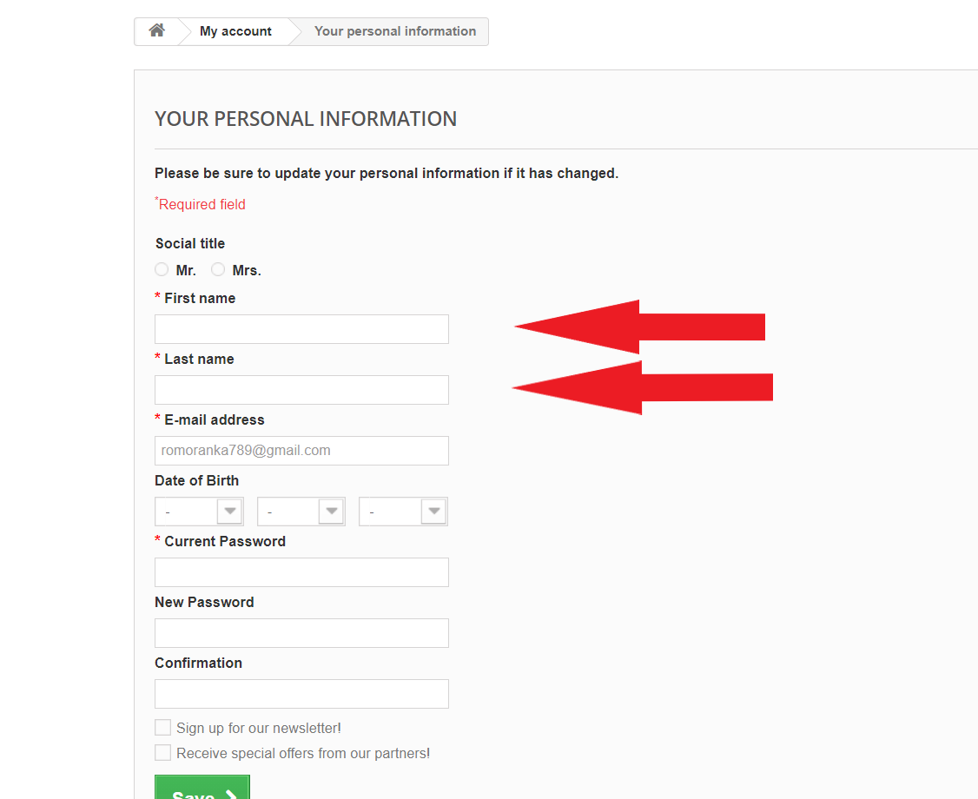
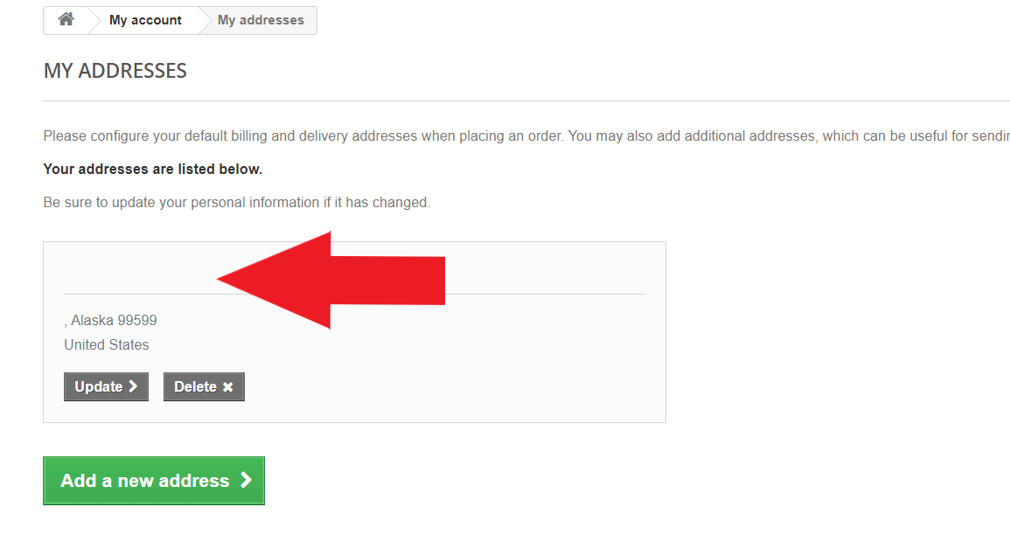
Screenshots:

Bug ID: | 3
Title: | User can log in with correct email and incorrect password
Description: | If space characters are entered before or after valid password in the "Password" field in the "Already registrated" section, the filed is covered with dots as if all entered characters belongs to the password. After clicking on "Sign in" button user is signed in.
Pre-conditions: | Navigate to the page: http://automationpractice.com/index.php
 | Click on the "Sign in" button

Repro-steps: |  | Test Data
1 | Enter data in the "Email address" field in the "Already registrated" section | romoranka369@gmail.com
2 | Enter data in the "Password" field in the "Already registrated" section | ___happy369___
3 | Click on the "Sign in" button
Actual result: |  | User is logged in. My account page is opened.
Expected result: |  | User is not logged in. My account page is not opened. Notification message about error appears.
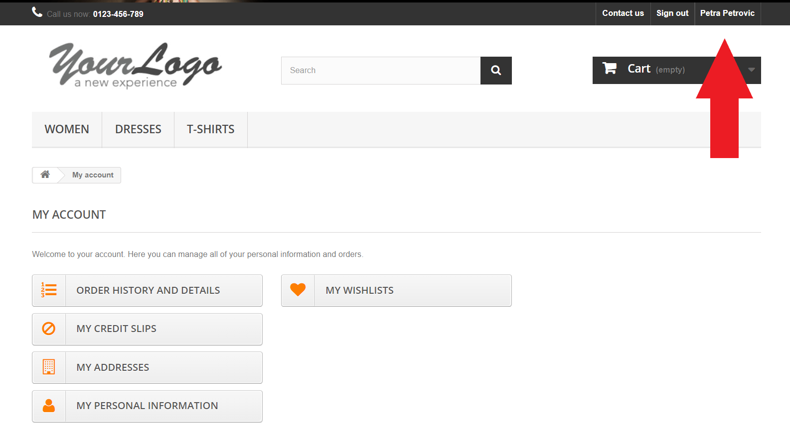
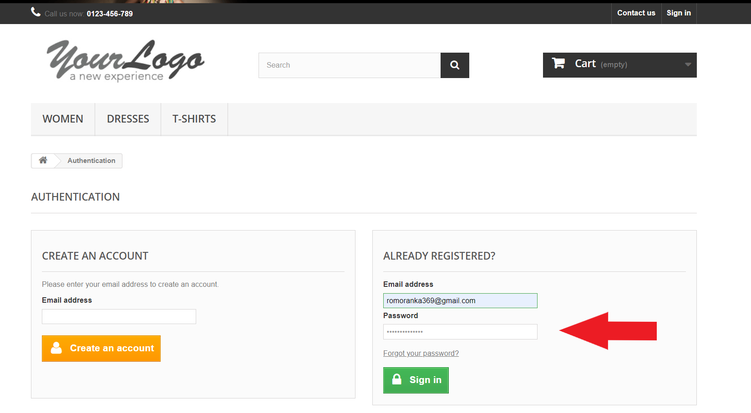
Screenshots:

Bug ID: | 4
Title: | The address can be updated with invalid input data
Description: | If invalid input data are entered in the "Address" and in the "Please assign an address title for future reference" field, and "Save" button is clicked, the address has been updated and visible. Notification message about error does not appear.
Pre-conditions: | Navigate to the page: http://automationpractice.com/index.php
 | User is logged in

Repro-steps: |  | Test Data
1 | Click on the "MY ADDRESSES" button
2 | Enter data in the "Address" field | (Spaces) | Providence Dr.
3 | Enter data in the "Please assign an address title for future reference" field | (Spaces) | ?????
4 | Click on the "Save" button
Expected result: |  | The address has not been updated. Notification message about error appears. | The address has not been updated. Notification message about error appears. | The address has not been updated. Notification message about error appears.
Actual result: |  | The address has been updated and visible. Notification message about error does not appear. | The address has been updated and visible. Notification message about error does not appear. | The address has been updated and visible. Notification message about error does not appear.

Screenshots:
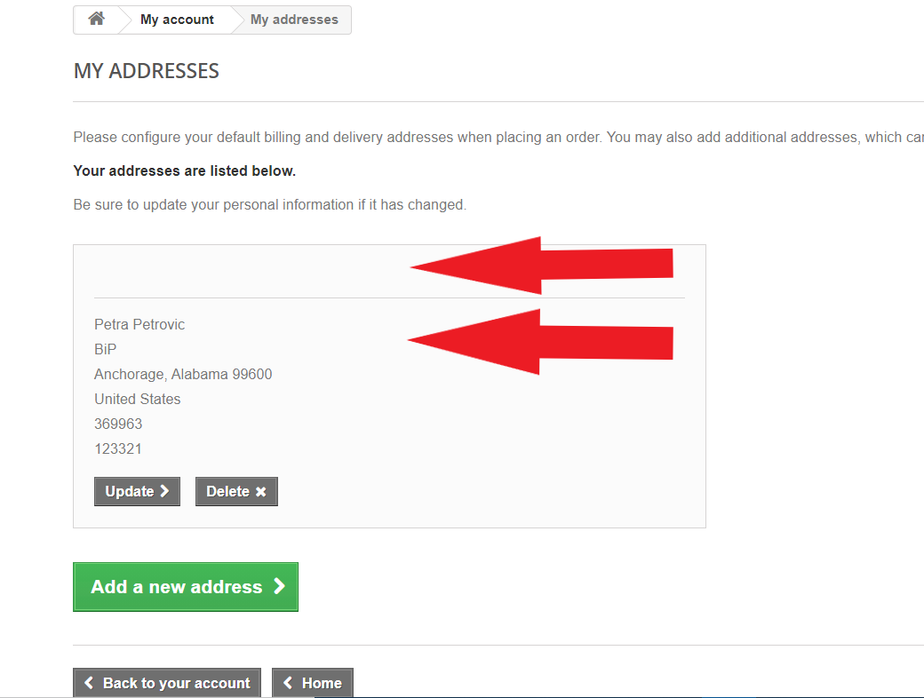
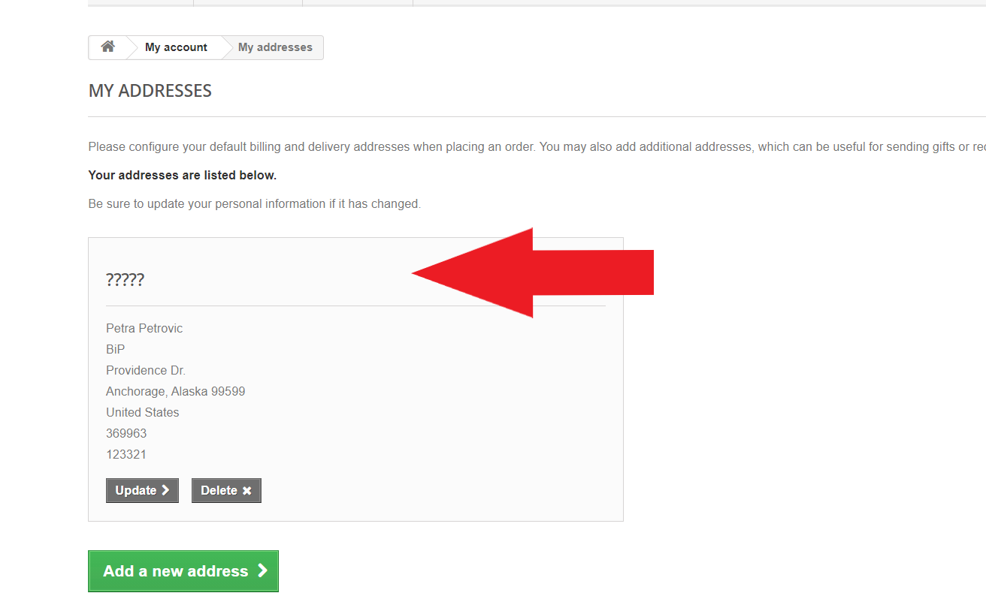
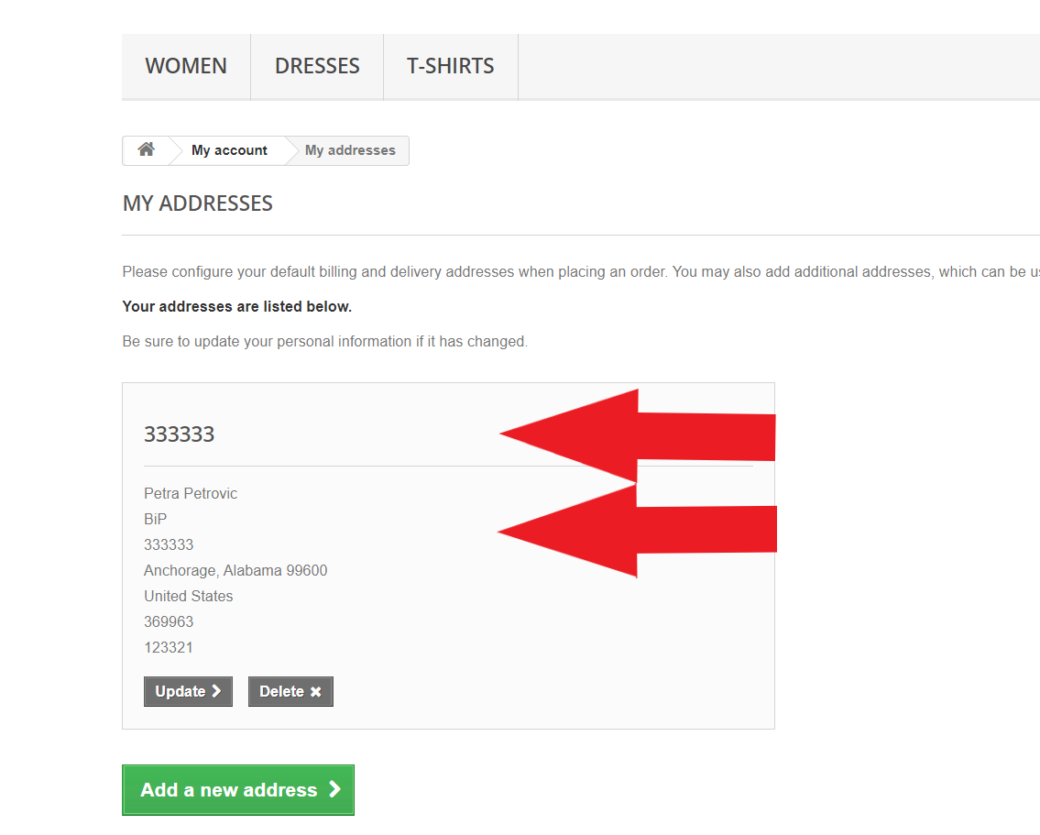

Bug ID: | 5
Title: | The address can be added with invalid input data
Description: | If invalid input data (spaces) are entered in madatory fileds, and "Save" button is clicked, the address has been added and visible.
Pre-conditions: | Navigate to the page: http://automationpractice.com/index.php
 | User is logged in

Repro-steps: |  | Test Data1:
1 | Click on the "MY ADDRESSES" button
2 | Click on the "Add a new address" button
3 | Enter data in the "First name" field | (Spaces)
4 | Enter data in the "Last name" field | (Spaces)
5 | Enter data in the "Address" field | (Spaces)
6 | Enter data in the "City" field | (Spaces)
7 | Select "State" from the drop-down menu | Alaska
8 | Enter data in the "Zip/Postal Code" field in the "Your Address" section | 99600
9 | Select "Country" from the drop-down menu | United States
10 | Enter data in the "Home phone" field | (Spaces)
11 | Enter data in the "Mobile phone" field | (Spaces)
12 | Enter data in the "Please assign an address title for future reference" field | (Spaces)
13 | Click on the "Save" button
Expected result: |  | The new address is not added. Notification message about error appears.
Actual result: |  | The new address is added and visible.
Screenshots:
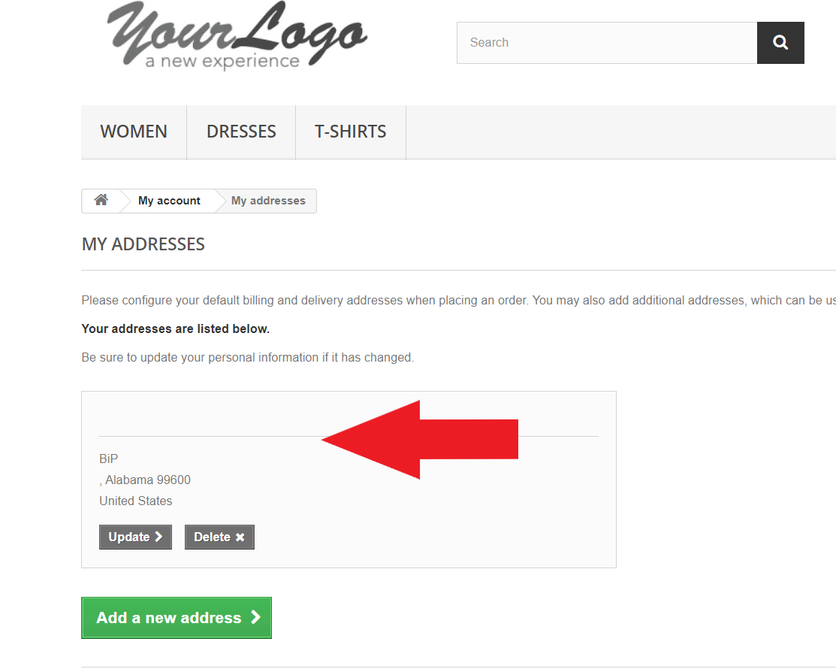

Bug ID | 6
Title: | Personal information can be updated with invalid data
Description: | If invalid input data are entered in madatory fileds, and "Save" button is clicked, personal information has been updated and visible.
Pre-conditions: | Navigate to the page: http://automationpractice.com/index.php
 | User is logged in

Repro-steps: |  | Test Data1: | Test Data2:
1 | Click on the "MY PERSONAL INFORMATION" button
2 | Enter data in the "First name" field | Mara
3 | Enter data in the "Last name" field | Maric
4 | Enter data in the "E-mail address" field | default | default
5 | Select the day from the drop-down menu | 30 | 3
6 | Select the month from the drop-down menu | 2 | 3
7 | Select the day from the drop-down menu | 2000 | 2000
8 | Enter data in the "Password" field | happy369 | happy369
9 | Click on the "Save" button
Expected result: |  | Personal information has not been updated. Notification message about error appears. | Personal information has not been updated. Notification message about error appears.
Actual result: |  | Personal information has been updated. After clicking on "MY PERSONAL INFORMATION" button, the date is emty (see picture) although there was a message "Your personal information has been successfully updated." | Personal information has been updated and visible.
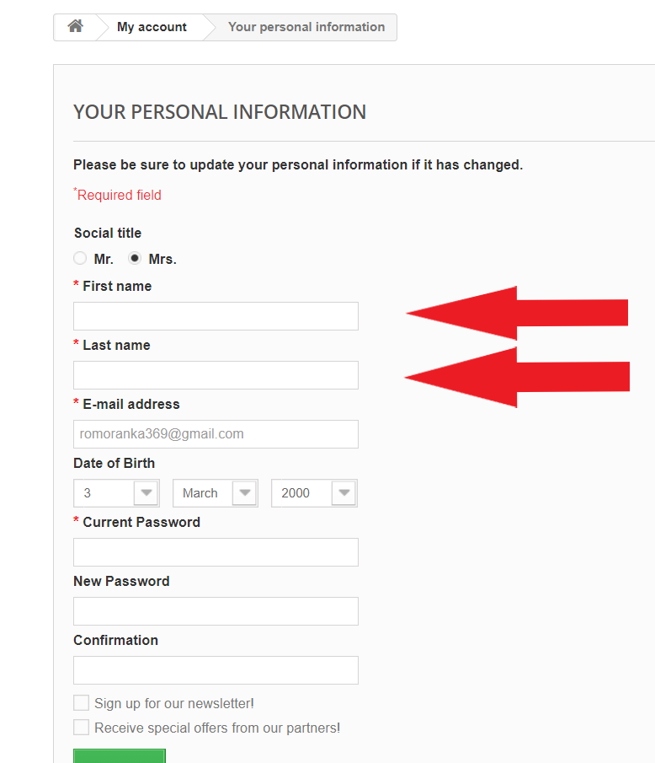
Screenshots:
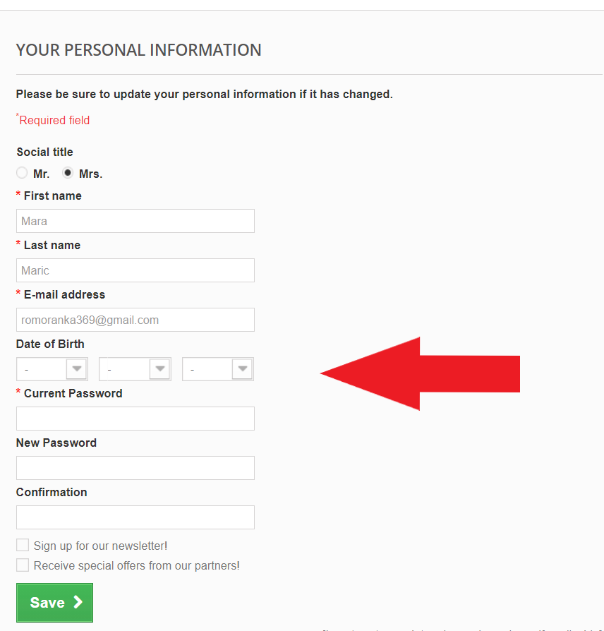

Bug ID | 7
Title: | The item cannot be added to the second wishlist
Description: | When "Add to wishlist" button is clickt, the item is always added to the default wishlist (first one). There is no option to add the item to specific wishlist different from default.
Pre-conditions: | Navigate to the page: http://automationpractice.com/index.php
 | User is logged in

Repro-steps: |  | Test Data1:
1 | Click on the "MY WISHLIST" button
2 | Enter data in the "Name" field | Dresses
3 | Click on the "Save" button
4 | Enter data in the "Name" field | T-Shirts
5 | Click on the "Save" button
6 | Click on the "Women" tab
7 | Click on the item picture | Printed Dress
8 | Click on the "Add to wishlist"
9 | Click on the "X" icon on the pop-up window
10 | Click on the tab with the name of user in main menu
11 | Click on the "MY WISHLIST" button
Expected result: |  | The item is added and visible in the second wishlist.
Actual result: |  | The item is added and visible in the first wishlist. There is no option to add the item to specific wishlist different from default.
Screenshots:

