Bug Reports
BUG REPORTS

Bug 1
Title: | User can log in with incorect email and correct password
Description: | The the "Email address" field in the "Already registrated" section is not case sensitive.
Pre-conditions: | Windows 10 Pro (version: 20H2)
 | Open Chrome Browser (version: 91.0.4472.77)
 | Navigate to the page: http://automationpractice.com/index.php
 | Click on the "Sign in" button

Repro-steps: |  | Test Data
1 | Enter data in the "Email address" field in the "Already registrated" section | romorAnka@gmail.com
2 | Enter data in the "Password" field in the "Already registrated" section | happy369
3 | Click on the "Sign in" button

 |  | User is not logged in. My account page is not opened. Notification message about error appeard.
 |  | Authentication failed.

 |  | User is logged in. My account page is opened

Actual result:
Expected result:

Bug 1
Title: | User can log in with correct email and incorrect password
Description: | If space characters are entered before or after valid password in the "Password" field in the "Already registrated" section, the filed is coverd with dots as if all entered characters belongs to password. After clicking on "Sign in" button user is signed in.

Pre-conditions: | Windows 10 Pro (version: 20H2)
 | Open Chrome Browser (version: 91.0.4472.77)
 | Navigate to the page: http://automationpractice.com/index.php
 | Click on the "Sign in" button

Repro-steps: |  | Test Data
1 | Enter data in the "Email address" field in the "Already registrated" section | romoranka369@gmail.com
2 | Enter data in the "Password" field in the "Already registrated" section | ___happy369___
3 | Click on the "Sign in" button

Actual result: |  | User is logged in. My account page is opened
Expected result: |  | User is not logged in. My account page is not opened. Notification message about error appeard.

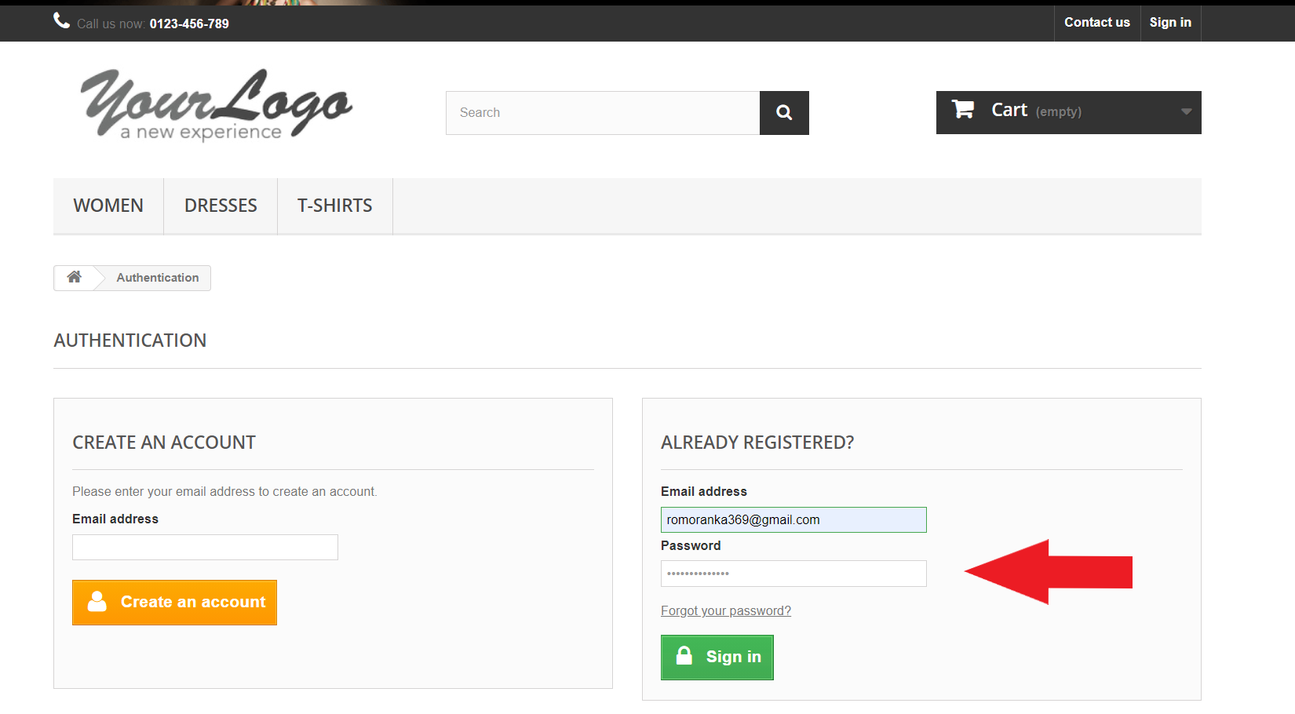
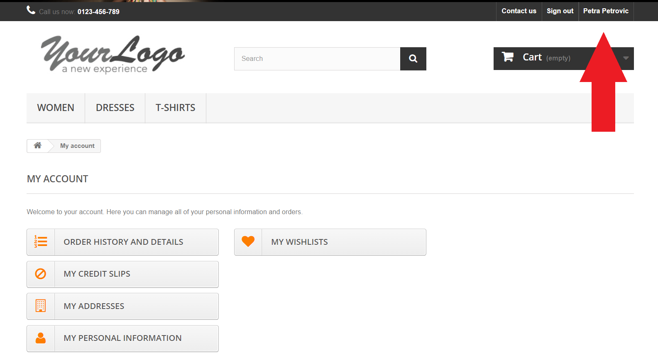
Screenshots:

