Sheet1
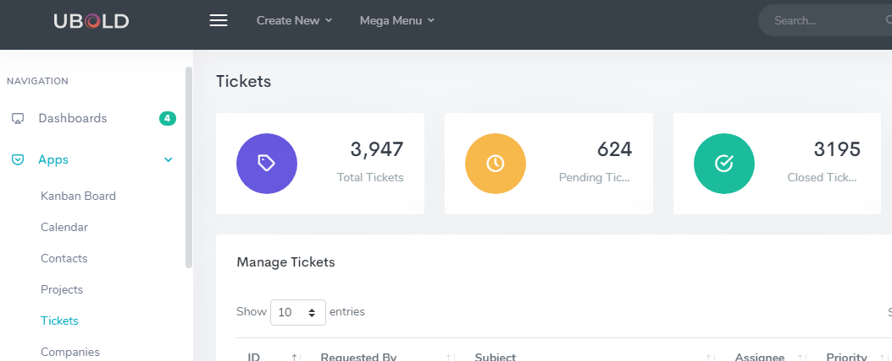
Document Portal

Advanced Search
Company :
Department :
Category :
Keywords:

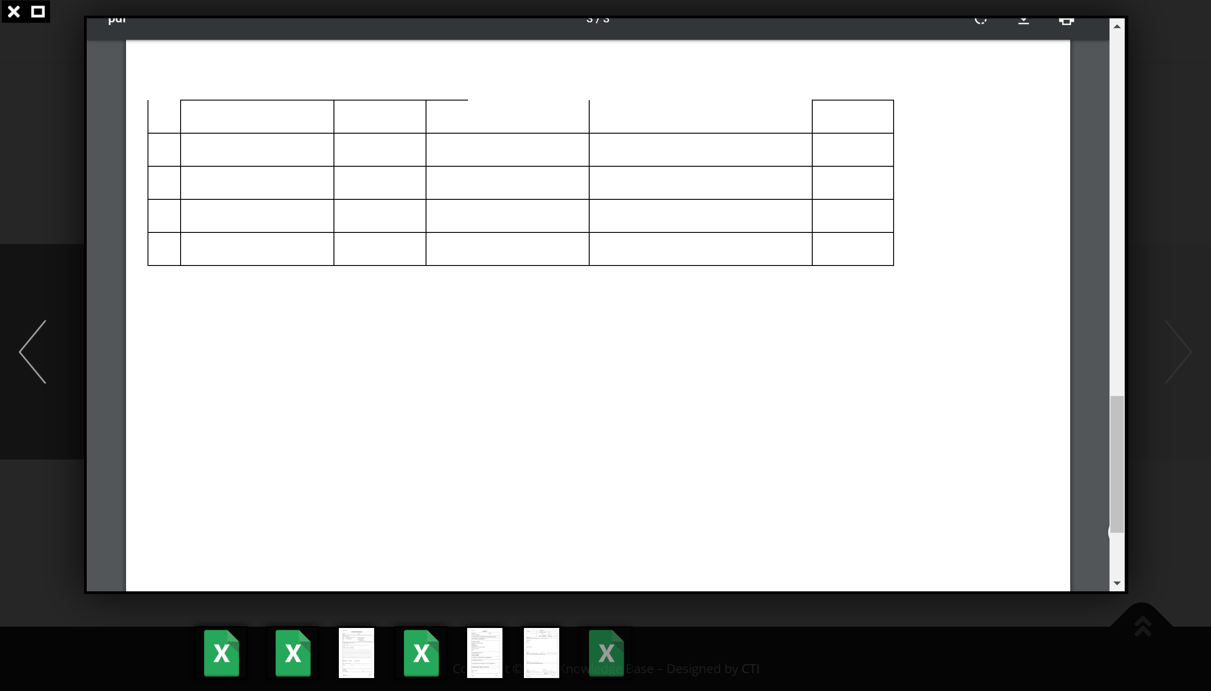
Knowledge Results (? Record Found)
Category | Department | Doc No | Doc Name | Revision No | Download
SOP, Policy, Forms, Others |  | Document Ref | Document Name | Document Revision No | pdf, word, etc, in icon form like this
 |  |  |  | System to keep old revision but allow user to download latest only
 |  |  |  | For each new revision no, user can save the change history of the original document
 |  |  |  | (what is changes by typing manually)
 |  |  |  | when press in revision no, system will pop out screen show previous revision
 |  |  |  | and the change history.

 |  |  |  |  | when click in will preview the file only let user download or print on top right
User can only view files fall on his/her company and departments

Contact (Organization chart)
System allow update PDF file and when user choose company A department A system will show it's organization chart in middle.

Advanced Search
Company :
Department :

Knowledge Results (? Team Members)
 |  |  |  |  |  | Search
Profile picture
Title:
Username:
Full Name:
Email:
Extension:
Mobile No:

Calender
Display of individual company public holidays, available of meeting room(s), function hall and company events.
once HR create company event, system allow to conduct online registration of user for each event and system allow user to download excel file for attendants.
once user make room and function hall reservation, system block the date and time for the user
system show user notification for update
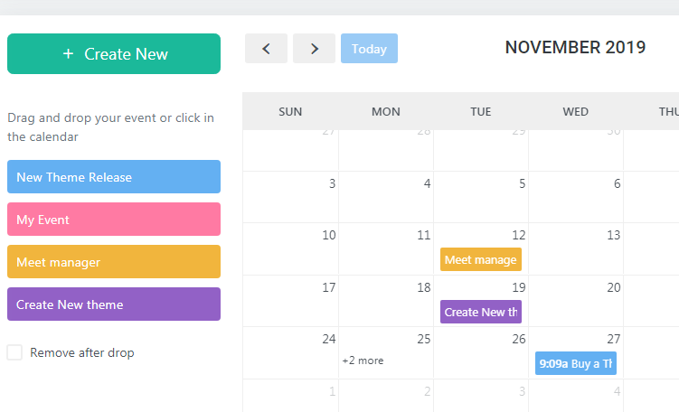
 |  |  |  | Maybe we can have standard like meeting room 1 for 'new theme release' meeting room 2 for 'my event' etc
 |  |  |  | and drag and drop on date and system prompt to insert time and remarks and requested by who.

Ticket (additional)
I found this very useful to have this part and create a form to :
report for case, request for hardware etc as ticketing system for HR department to process. Can you add this for me please?

