Diagram 1
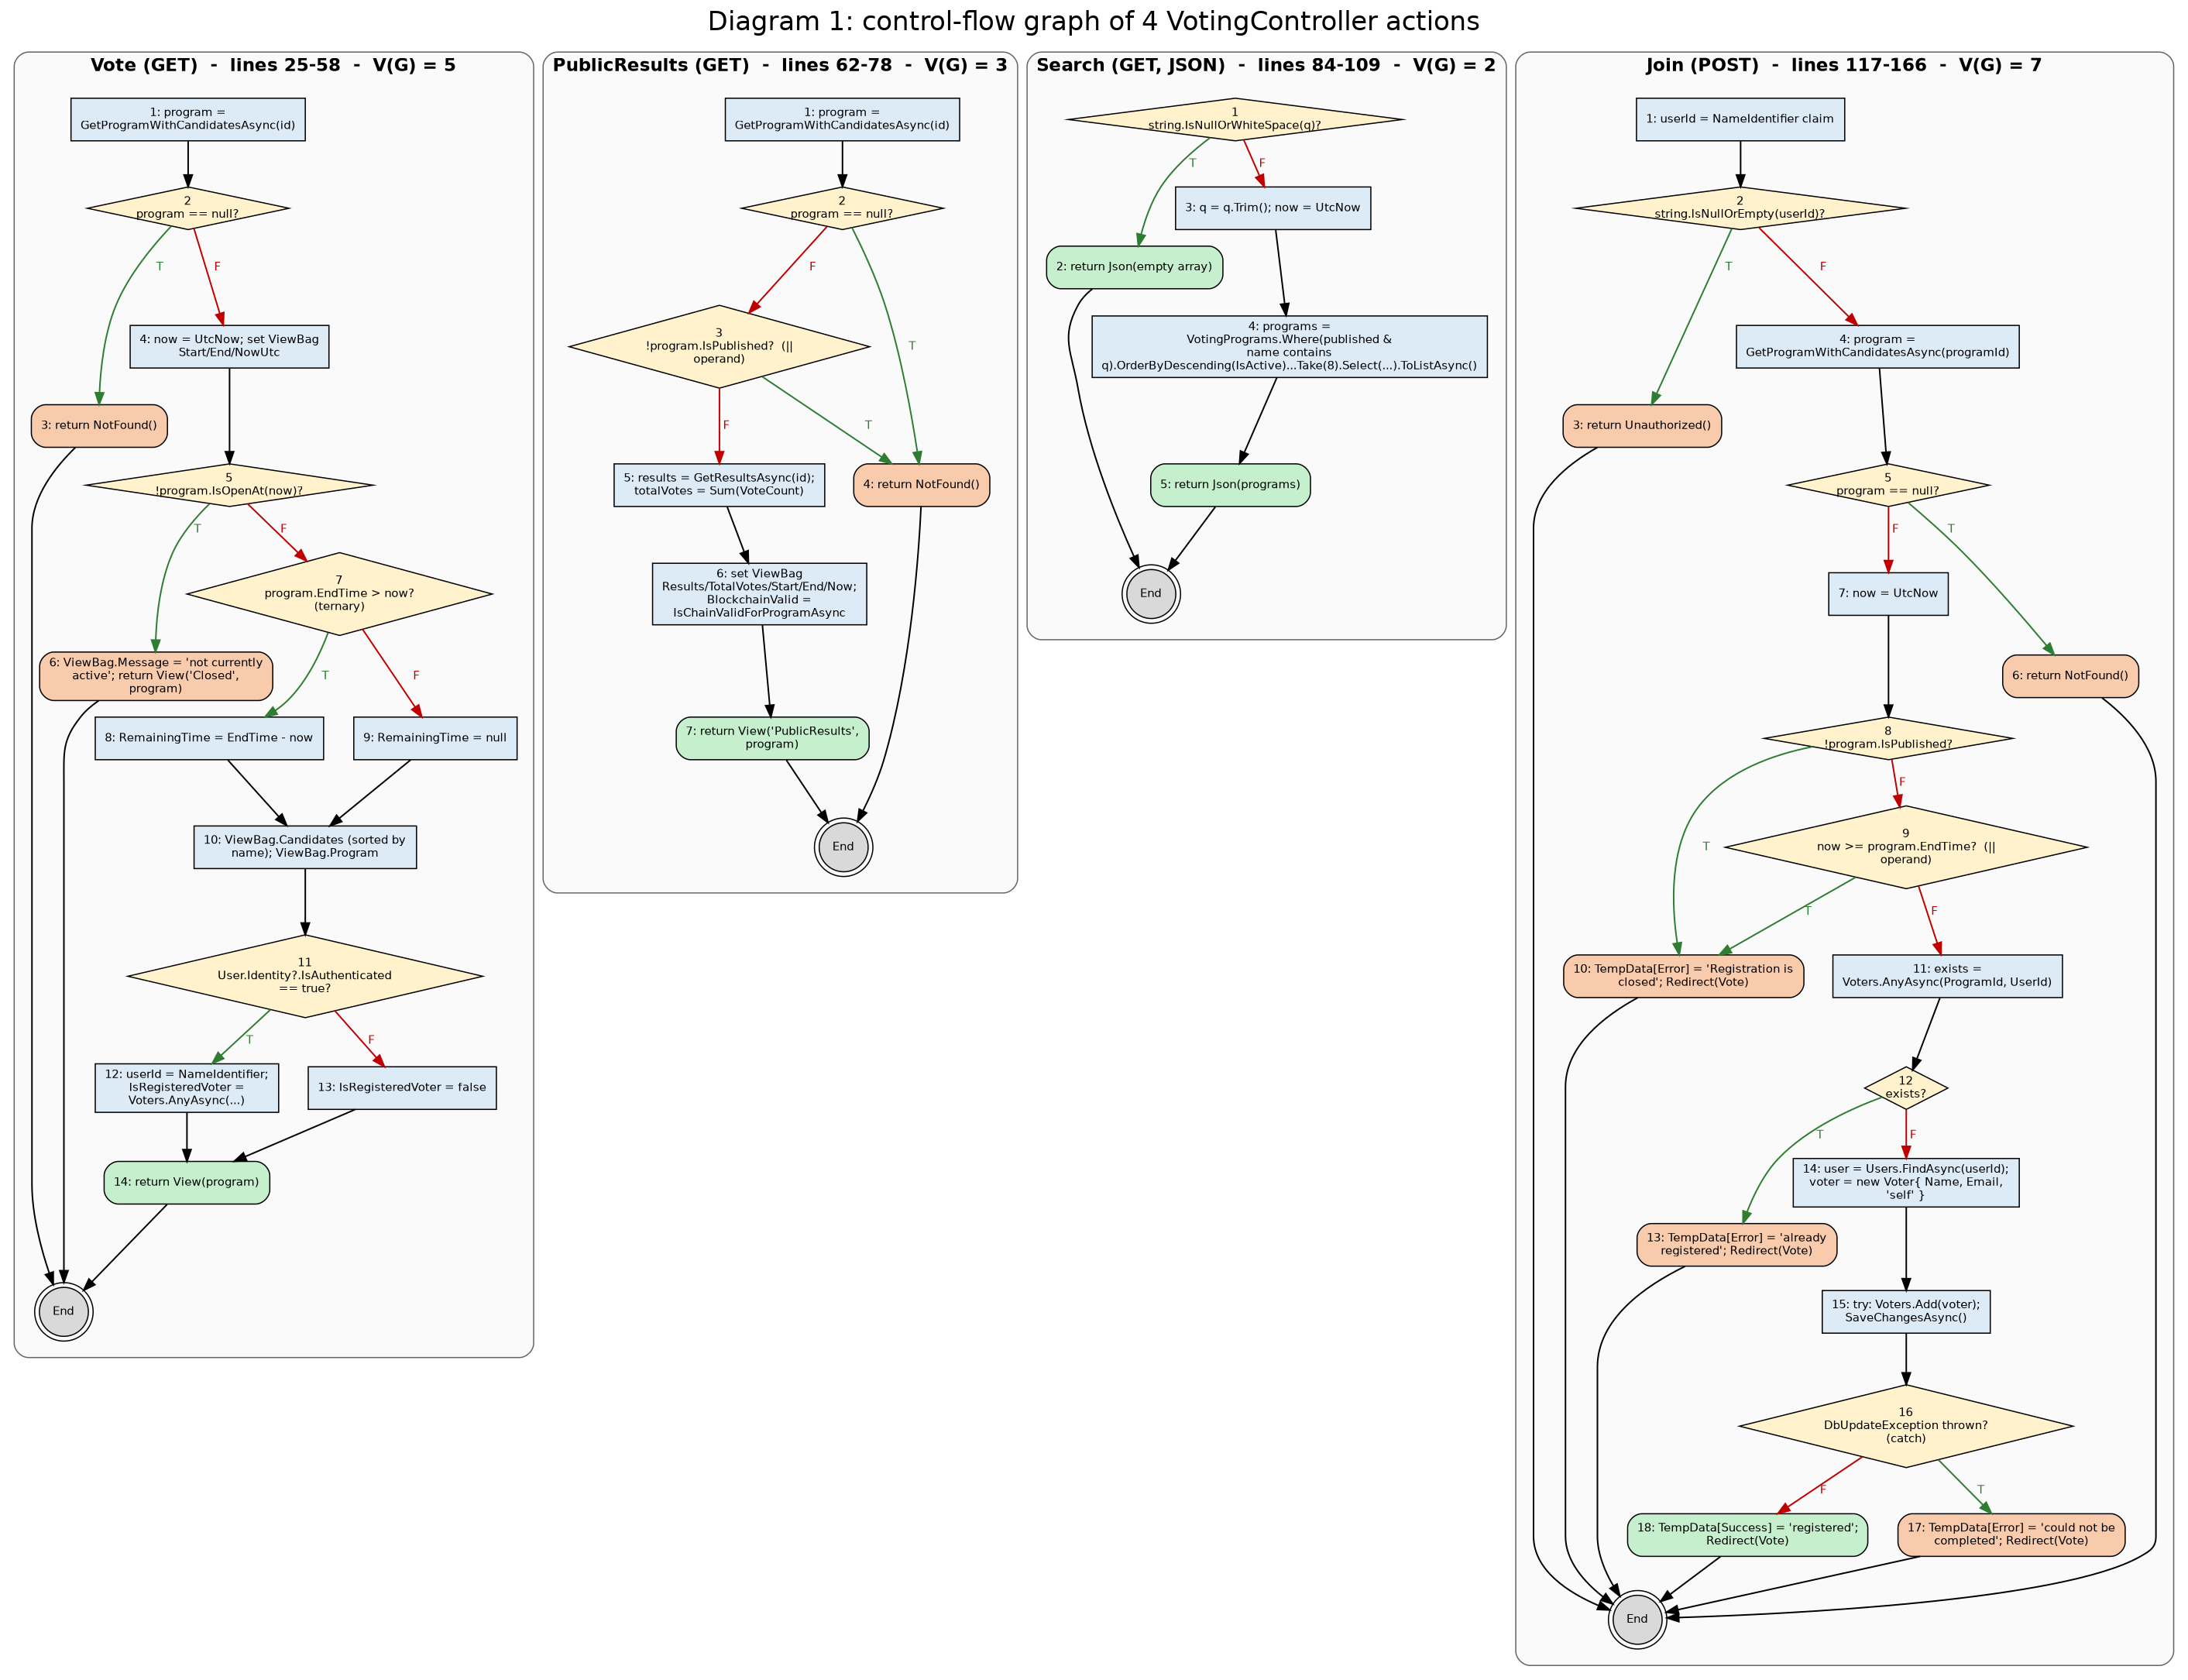
Diagram 1: control-flow graph (green T = condition true, red F = condition false)

Diagram 2
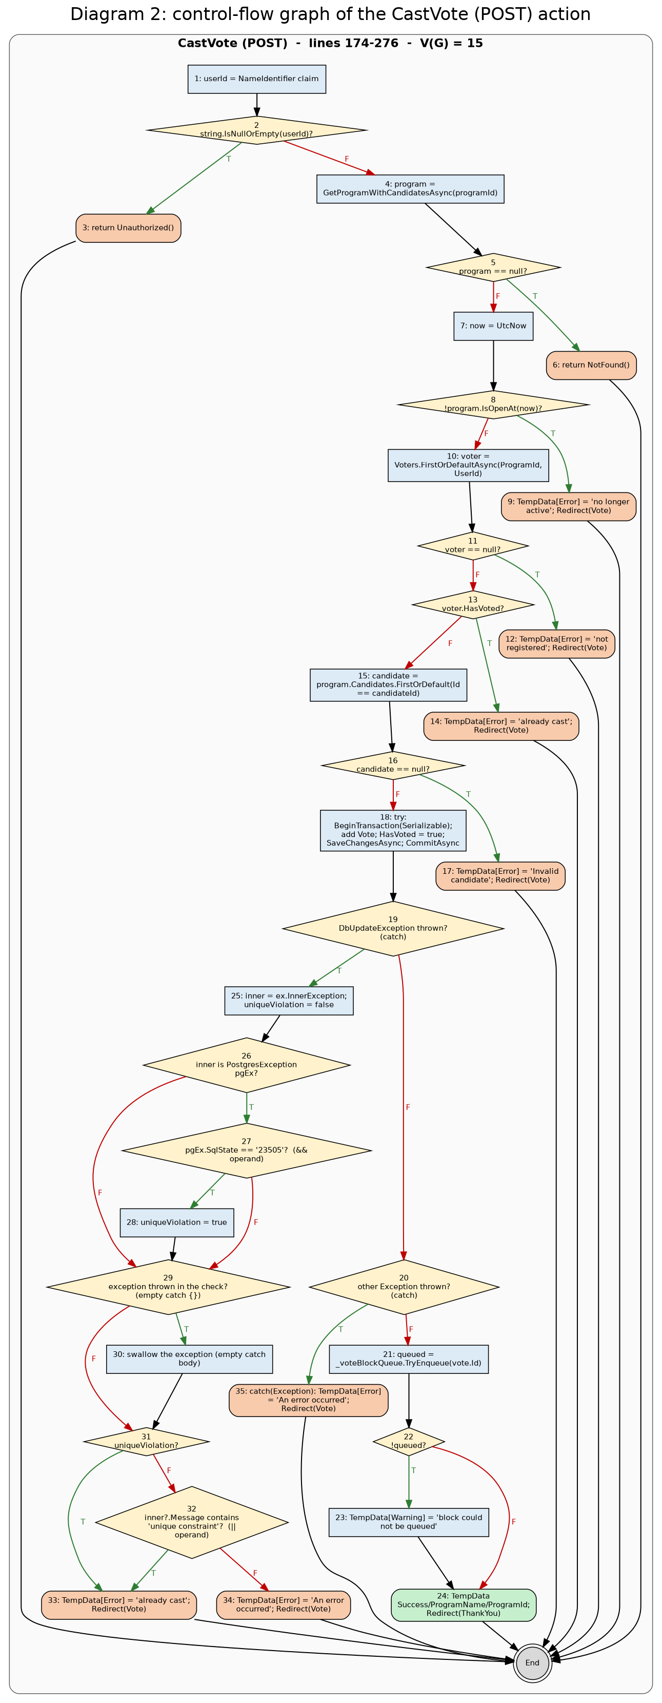
Diagram 2: control-flow graph (green T = condition true, red F = condition false)

