Bug Report
Bug ID | Bug Title | Affected User | Module | Steps to Reproduce | Expected | Actual | Severity | Attachments
BUG_01 | Product images incorrect for problem_user | problem_user | Inventory | 1. Login as problem_user 2. Observe product images on inventory page | Each product shows its own correct image | All products display the same wrong image (dog photo) | High | 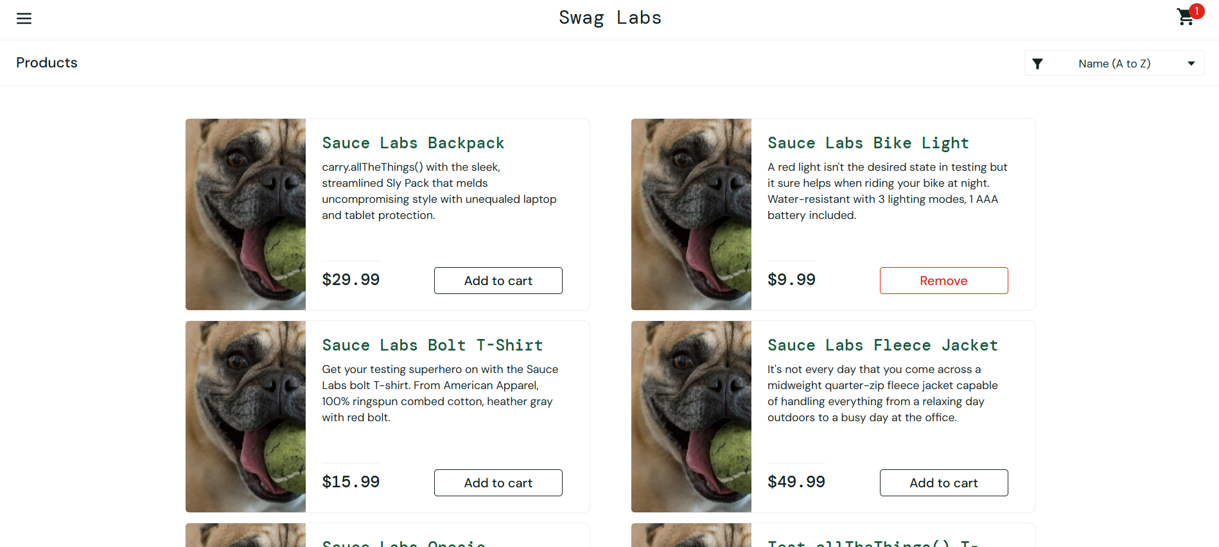
BUG_02 | Sort dropdown does not work for problem_user | problem_user | Inventory | 1. Login as problem_user 2. Click sort dropdown 3. Select any sort option | Products reorder based on selected option | Products remain in original order after sort selection | High
BUG_03 | Some Add to Cart buttons unresponsive for problem_user | problem_user | Inventory | 1. Login as problem_user 2. Try clicking 'Add to cart' on each product | All 6 products can be added to cart | Some products cannot be added – button does not respond | High
BUG_04 | Last name field broken in checkout for problem_user | problem_user | Checkout | 1. Login as problem_user 2. Add product to cart 3. Click Checkout button 4. Fill the form with valid data | Form fills with data successfully | Last name field does not accept input when filling the last name field, first name is overright with letters of last name and cannot proceed the purchase | Critical
BUG_05 | Login is very slow for performance_glitch_user | performance_glitch_user | Login | 1. Open login page 2. Enter performance_glitch_user credentials 3. Click Login and measure time | Login completes within 3 seconds | Login takes 5-7 seconds before redirect occurs | Medium
BUG_06 | Products page loads slowly for performance_glitch_user | performance_glitch_user | Inventory | 1. Login as performance_glitch_user 2. Observe page load time on products page | Products page loads within 3 seconds | Products page takes noticeably longer than standard_user | Medium
BUG_07 | Add to Cart fails for some products for error_user | error_user | Inventory | 1. Login as error_user 2. Click Add to cart on each product 3. Observe cart badge | All products can be added to cart successfully | Add to cart fails for some products | High
BUG_08 | Product images and layout incorrect for visual_user | visual_user | Inventory | 1. Login as visual_user 2. Compare product layout and images with standard_user | UI layout and images identical to standard_user | Visual differences found, mages mismatched inproducts page and layout differs | Low | 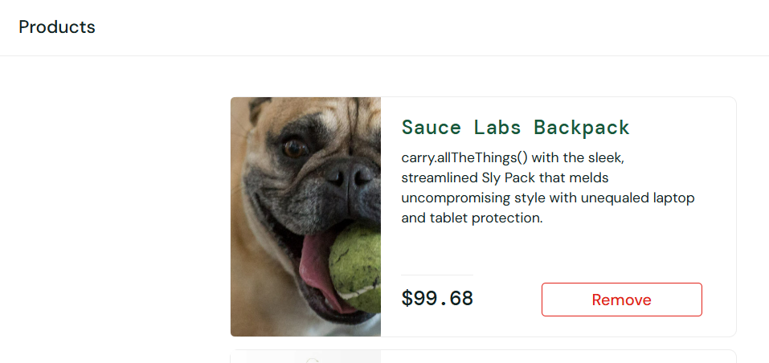
BUG_09 | UI issues in car page for visual_user | visual_user | Cart | 1. Login as visual_user 2. Complete a purchase 3. Compare UI with standard_user | UI layout to standard_user | Checkout button, cart icon alligned incorrectly | Low

