texas grand ranch

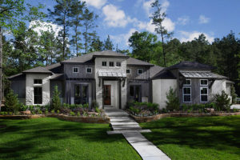

 |  | <<Map animation to address>>

Main Details |  | Hover Message | Source Doc or Link

Builder | Mark Watson |  |  | Building Sf | 4999 SF
Master Builder | Kyle Cox |  |  | Lot SF | 9999 SF
Third Party Inspector | ABC Appraisals
Address | 1015A TX-150, New Waverly, TX 77358 |  |  | Lot/Block/Section | 2/6/1
Community | Texas Grand Ranch
Submarket | Conroe (north Houston)

Financial Assumptions

Lot Cost | 99,000 |  | Lot Value | 108,900
Build Cost | 458,800 |  | Build Value | 873,000
Total Cost | 557,800 |  | Initial Value | 981,900
Build Time | 6 months |  | Value over Cost | 176%

lease Information
FICO Score of Lease Guarantor | 650 |  |  | Lease Monthly | 4,370
Lease Rate | 8% |  |  | Lease Escrow | 26,218

Comparative Market Analysis
Sales Comp 1 | need this
Sales Comp 2 | need this
Sales Comp 3 | need this

Mortgage Assumotions
Lender | First National 1870 |  |  | Interest Rate | 6.0%
LTC | 60% |  |  | Amortization Term | Interest Only

Investor Information

Total Capitalization Needed | 260,000 |  |  | IRR | 83%
Total Capitalization Raised | 260,000 |  |  | Multiple | 1.4 X
 |  |  |  | Hold Period | 21 Months

Tax and Insurance
Expected Taxes | TBD
Expected Insurance | TBD

Entity Details

Entity Name | To be formed |  |  | Date of Incorporation | 2018-01-01
Entity Jursidiction | Texas |  |  | Corporation Type | Texas

