Dashboard
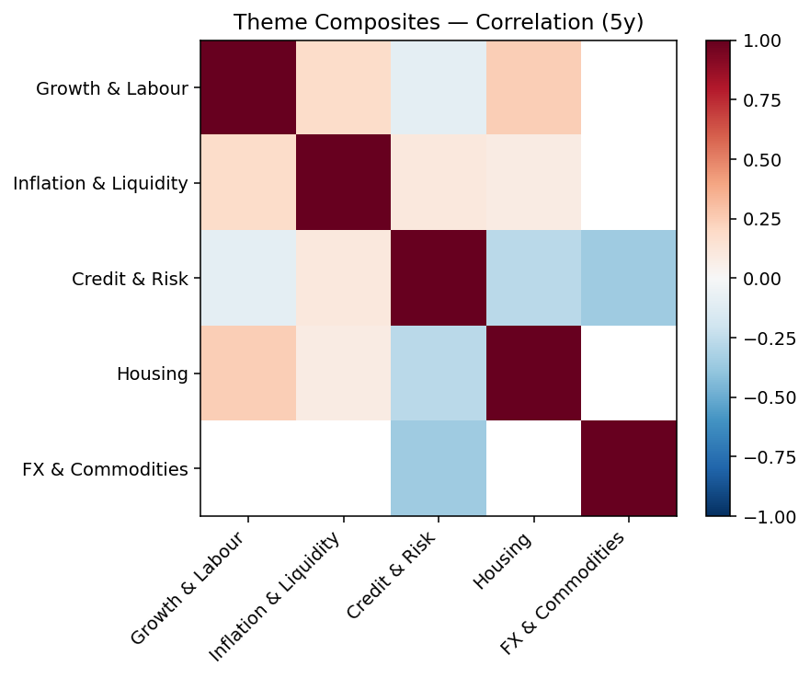

Growth & Labour
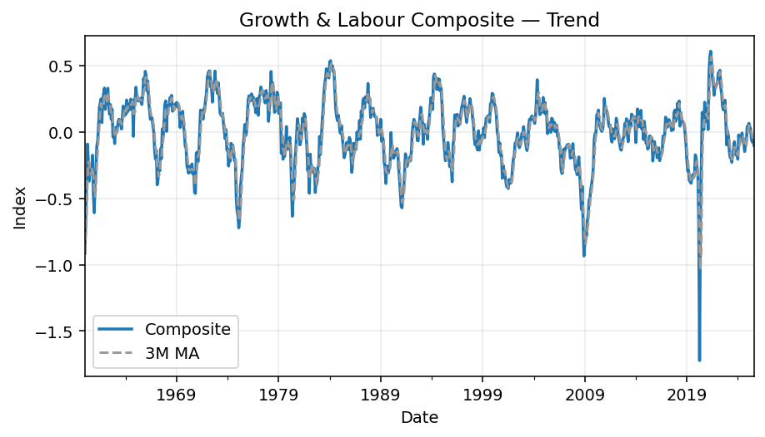
Composite at -0.10; 3m chg -0.04; YoY +16.01%. Momentum over 6m is softening.
 | Date | ThemeComposite | ThemeComposite_3M_MA | ThemeComposite_YoY
 | 1960-01-31 | -0.91484102772 | -0.91484102772
 | 1960-02-29 | -0.64577098474 | -0.78030600623
 | 1960-03-31 | -0.38036635909 | -0.64699279052
 | 1960-04-30 | -0.091138764757 | -0.37242536953
 | 1960-05-31 | -0.2133230365 | -0.22827605345
 | 1960-06-30 | -0.37004863256 | -0.22483681127
 | 1960-07-31 | -0.28150186835 | -0.28829117913
 | 1960-08-31 | -0.3105807114 | -0.3207104041
 | 1960-09-30 | -0.31509977806 | -0.30239411927
 | 1960-10-31 | -0.17497865369 | -0.26688638105
 | 1960-11-30 | -0.47712648698 | -0.32240163958
 | 1960-12-31 | -0.60869762716 | -0.42026758927
 | 1961-01-31 | -0.373437642 | -0.48642058538 | -0.59180050885
 | 1961-02-28 | -0.27214824694 | -0.41809450536 | -0.57856848113
 | 1961-03-31 | -0.10512658665 | -0.25023749186 | -0.72361754888
 | 1961-04-30 | -0.067441740777 | -0.14823885812 | -0.26001037037
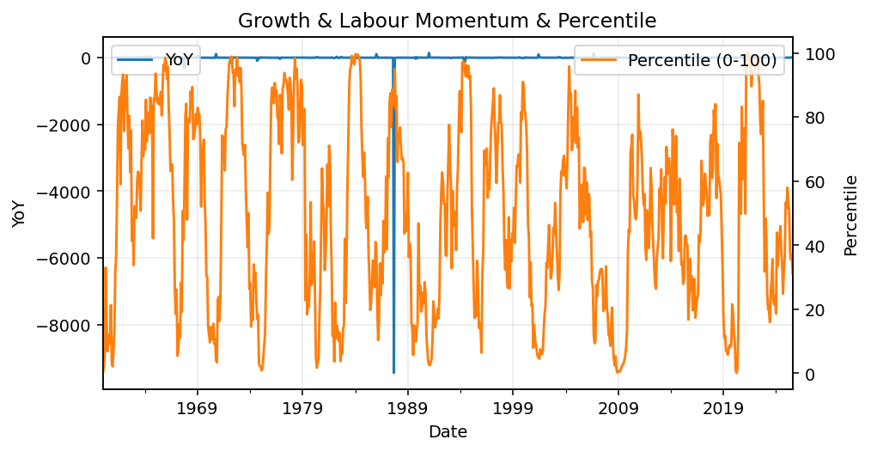
 | 1961-05-31 | 0.044044173463 | -0.042841384654 | -1.2064670285
 | 1961-06-30 | 0.18497366011 | 0.053858697598 | -1.4998631094
 | 1961-07-31 | 0.21618947596 | 0.14840243651 | -1.7679859364
 | 1961-08-31 | 0.24965874746 | 0.21694062784 | -1.8038449855
 | 1961-09-30 | 0.070930610333 | 0.17892627792 | -1.2251052374
 | 1961-10-31 | 0.25111941634 | 0.19056959137 | -2.4351431506
 | 1961-11-30 | 0.29183666551 | 0.20462889739 | -1.6116547152
 | 1961-12-31 | 0.33212008007 | 0.29169205397 | -1.5456240755
 | 1962-01-31 | 0.17130404306 | 0.26508692955 | -1.4587219493
 | 1962-02-28 | 0.29720858619 | 0.26687756978 | -2.0920834124
 | 1962-03-31 | 0.21938318143 | 0.22929860356 | -3.0868477558
 | 1962-04-30 | 0.33015679517 | 0.28224952093 | -5.89543703
 | 1962-05-31 | 0.20048685284 | 0.25000894314 | 3.5519494878
 | 1962-06-30 | 0.13423953145 | 0.22162772648 | -0.27427758435
 | 1962-07-31 | 0.20708295297 | 0.18060311242 | -0.042122878346
 | 1962-08-31 | 0.095686014722 | 0.14566949971 | -0.61673277745
 | 1962-09-30 | 0.17234517732 | 0.15837138167 | 1.4297715261
 | 1962-10-31 | -0.036390605037 | 0.077213529001 | -1.1449135458
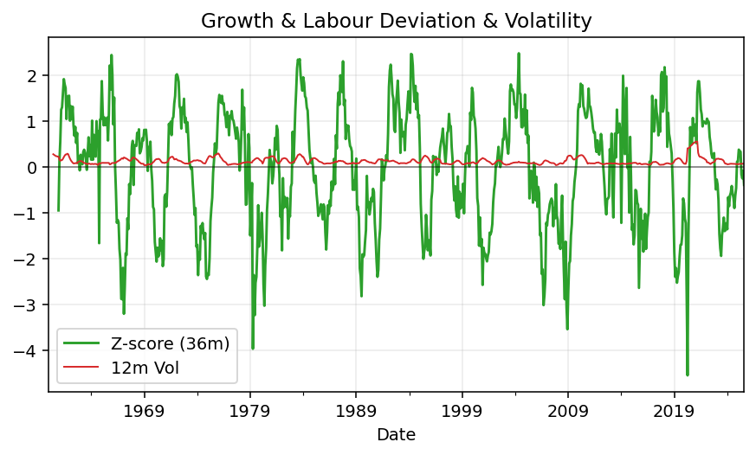
 | 1962-11-30 | 0.0053054781632 | 0.047086683482 | -0.9818203852
 | 1962-12-31 | -0.086875808469 | -0.039320311781 | -1.261579512
 | 1963-01-31 | 0.035024346556 | -0.015515327917 | -0.79554279087
 | 1963-02-28 | 0.0070722848579 | -0.014926392352 | -0.97620430504
 | 1963-03-31 | 0.0059050535593 | 0.016000561658 | -0.97308338077
 | 1963-04-30 | 0.076267007439 | 0.029748115286 | -0.768997614
 | 1963-05-31 | 0.095974134275 | 0.059382065091 | -0.52129462397
 | 1963-06-30 | 0.092491582395 | 0.08824424137 | -0.31099593838
 | 1963-07-31 | 0.064239887287 | 0.084235201319 | -0.68978669482
 | 1963-08-31 | 0.022934252102 | 0.059888573928 | -0.76031761623
 | 1963-09-30 | 0.11218036081 | 0.066451500067 | -0.34909486557
 | 1963-10-31 | 0.19558938509 | 0.110234666 | -6.3747219892
 | 1963-11-30 | 0.12105051608 | 0.14294008733 | 21.816136897
 | 1963-12-31 | 0.17063889356 | 0.16242626491 | -2.964170424
 | 1964-01-31 | 0.13217852384 | 0.14128931116 | 2.773904065
 | 1964-02-29 | 0.24149427836 | 0.18143723192 | 33.146571188
 | 1964-03-31 | 0.15011144798 | 0.17459475006 | 24.420844446
 | 1964-04-30 | 0.21288956357 | 0.20149842997 | 1.7913716654

 | 1964-05-31 | 0.20522428771 | 0.18940843309 | 1.1383291369
 | 1964-06-30 | 0.16777339646 | 0.19529574925 | 0.81393151801
 | 1964-07-31 | 0.24834603152 | 0.2071145719 | 2.8659163646
 | 1964-08-31 | 0.21438555383 | 0.21016832727 | 8.3478327906
 | 1964-09-30 | 0.2285148669 | 0.23041548409 | 1.0370309495
 | 1964-10-31 | -0.032635785756 | 0.13675487833 | -1.1668586756
 | 1964-11-30 | 0.24656983809 | 0.14748297308 | 1.0369168681
 | 1964-12-31 | 0.24140919917 | 0.15178108384 | 0.41473725094
 | 1965-01-31 | 0.33792009375 | 0.27529971034 | 1.5565431049
 | 1965-02-28 | 0.26375845535 | 0.28102924942 | 0.09219339333
 | 1965-03-31 | 0.23585388388 | 0.27917747766 | 0.5711918515
 | 1965-04-30 | 0.24764210366 | 0.2490848143 | 0.16324210313
 | 1965-05-31 | 0.23253601616 | 0.23867733457 | 0.13308234007
 | 1965-06-30 | 0.24354478945 | 0.24124096976 | 0.45162936788
 | 1965-07-31 | 0.25626691191 | 0.24411590584 | 0.03189453173
 | 1965-08-31 | 0.20765882763 | 0.23582350966 | -0.03137676994
 | 1965-09-30 | 0.27314719011 | 0.24569097655 | 0.19531474608
 | 1965-10-31 | 0.40353482808 | 0.29478028194 | -13.364795844

 | 1965-11-30 | 0.35815354464 | 0.34494518761 | 0.45254402326
 | 1965-12-31 | 0.45784179776 | 0.40651005683 | 0.896538323
 | 1966-01-31 | 0.42816292887 | 0.41471942375 | 0.26705377038
 | 1966-02-28 | 0.30984001099 | 0.39861491254 | 0.1747111977
 | 1966-03-31 | 0.38304509897 | 0.37368267961 | 0.6240779786
 | 1966-04-30 | 0.22380827105 | 0.30556446034 | -0.096243055045
 | 1966-05-31 | 0.16779918312 | 0.25821751771 | -0.27839486594
 | 1966-06-30 | 0.096261006385 | 0.16262282018 | -0.60475029417
 | 1966-07-31 | 0.10550743668 | 0.12318920873 | -0.58829083357
 | 1966-08-31 | 0.10657831381 | 0.10278225229 | -0.48676242169
 | 1966-09-30 | 0.041998869377 | 0.084694873289 | -0.84624088807
 | 1966-10-31 | -0.00021359698296 | 0.049454528734 | -1.0005293149
 | 1966-11-30 | -0.14165959102 | -0.033291439543 | -1.3955275416
 | 1966-12-31 | -0.20427585842 | -0.11538301548 | -1.4461712745
 | 1967-01-31 | -0.13798573867 | -0.1613070627 | -1.3222739041
 | 1967-02-28 | -0.39824764569 | -0.24683641426 | -2.285333177
 | 1967-03-31 | -0.36217484722 | -0.29946941052 | -1.9455148968
 | 1967-04-30 | -0.24822776944 | -0.33621675412 | -2.1091090078
 | 1967-05-31 | -0.29227086479 | -0.30089116048 | -2.7417895568
 | 1967-06-30 | -0.12632352959 | -0.22227405461 | -2.3123021911
 | 1967-07-31 | -0.2002781192 | -0.20629083786 | -2.8982369916
 | 1967-08-31 | 0.022849297541 | -0.10125078375 | -0.78561025481
 | 1967-09-30 | -0.03586913469 | -0.071099318784 | -1.8540500071
 | 1967-10-31 | 0.06690737828 | 0.01796251371 | -314.24121415
 | 1967-11-30 | 0.20692558464 | 0.079321276077 | -2.4607241426
 | 1967-12-31 | 0.23502542696 | 0.16961946329 | -2.1505296259
 | 1968-01-31 | 0.0046503727975 | 0.14886712813 | -1.0337018365
 | 1968-02-29 | 0.19973037025 | 0.14646872334 | -1.5015230408
 | 1968-03-31 | 0.20040536394 | 0.13492870233 | -1.5533387133
 | 1968-04-30 | 0.19323571714 | 0.19779048378 | -1.7784613203
 | 1968-05-31 | 0.25872350167 | 0.21745486092 | -1.8852182439
 | 1968-06-30 | 0.23718195854 | 0.22971372578 | -2.8775754549
 | 1968-07-31 | 0.27698185307 | 0.25762910443 | -2.3829860904
 | 1968-08-31 | 0.15711285924 | 0.22375889028 | 5.8760476756
 | 1968-09-30 | 0.16267952051 | 0.19892474427 | -5.5353622806
 | 1968-10-31 | 0.17577791533 | 0.16519009836 | 1.6271828287
 | 1968-11-30 | 0.21070656902 | 0.18305466829 | 0.018272193766
 | 1968-12-31 | 0.18813064321 | 0.19153837585 | -0.19953068209
 | 1969-01-31 | 0.22358176981 | 0.20747299402 | 47.07824653
 | 1969-02-28 | 0.21099029979 | 0.20756757094 | 0.056375650468
 | 1969-03-31 | 0.20950937361 | 0.21469381441 | 0.045427974026
 | 1969-04-30 | 0.1622003389 | 0.19423333744 | -0.16060891172
 | 1969-05-31 | 0.03417469948 | 0.135294804 | -0.86791033957
 | 1969-06-30 | 0.1323999982 | 0.10959167886 | -0.44177879711
 | 1969-07-31 | 0.11864925572 | 0.095074651134 | -0.57163527355
 | 1969-08-31 | 0.1568559083 | 0.13596838741 | -0.0016354545504
 | 1969-09-30 | 0.044376963273 | 0.10662737577 | -0.7272123551
 | 1969-10-31 | -0.0040855093317 | 0.065715787414 | -1.0232424496
 | 1969-11-30 | -0.10902746726 | -0.02291200444 | -1.5174374381
 | 1969-12-31 | -0.11355415695 | -0.075555711183 | -1.6035920306
 | 1970-01-31 | -0.25563010158 | -0.1594039086 | -2.1433405407
 | 1970-02-28 | -0.28005504595 | -0.2164131015 | -2.3273361204
 | 1970-03-31 | -0.31078924653 | -0.28215813136 | -2.4834145183
 | 1970-04-30 | -0.25742132412 | -0.28275520553 | -2.5870578684
 | 1970-05-31 | -0.29209053948 | -0.28676703671 | -9.5469819464
 | 1970-06-30 | -0.30291959914 | -0.28414382091 | -3.2879124113
 | 1970-07-31 | -0.24068035112 | -0.27856349658 | -3.0285028309
 | 1970-08-31 | -0.31776822118 | -0.28712272381 | -3.0258607063
 | 1970-09-30 | -0.29481208772 | -0.28442022001 | -7.6433587604
 | 1970-10-31 | -0.45552581432 | -0.35603537441 | 110.49792531
 | 1970-11-30 | -0.46309156489 | -0.40447648898 | 3.2474761316
 | 1970-12-31 | -0.15855821216 | -0.35905853046 | 0.39632239285
 | 1971-01-31 | -0.15165299663 | -0.25776759122 | -0.40674828321
 | 1971-02-28 | -0.22521248419 | -0.17847456432 | -0.19582779371
 | 1971-03-31 | -0.15617301373 | -0.17767949818 | -0.49749543953
 | 1971-04-30 | -0.0025244856426 | -0.12796999452 | -0.99019317591
 | 1971-05-31 | 0.16567323164 | 0.0023252440909 | -1.5671982117
 | 1971-06-30 | 0.11585902098 | 0.093002588995 | -1.3824744959
 | 1971-07-31 | 0.16220199864 | 0.14791141709 | -1.6739312033
 | 1971-08-31 | 0.096773751249 | 0.12494492362 | -1.3045419422
 | 1971-09-30 | 0.17381194174 | 0.14426256388 | -1.5895685726
 | 1971-10-31 | 0.18212024618 | 0.15090197972 | -1.3998022515
 | 1971-11-30 | 0.24877333666 | 0.20156850819 | -1.5372011834
 | 1971-12-31 | 0.29227418066 | 0.24105592117 | -2.8433241438
 | 1972-01-31 | 0.41298275102 | 0.31801008945 | -3.7232086421
 | 1972-02-29 | 0.44558359312 | 0.38361350827 | -2.9785030778
 | 1972-03-31 | 0.46059150062 | 0.43971928159 | -3.9492387297
 | 1972-04-30 | 0.46060041381 | 0.45559183585 | -183.45317226
 | 1972-05-31 | 0.34170291083 | 0.42096494175 | 1.0625112907
 | 1972-06-30 | 0.33463998647 | 0.3789811037 | 1.8883377714
 | 1972-07-31 | 0.22546967464 | 0.30060419065 | 0.39005484848
 | 1972-08-31 | 0.36406248405 | 0.30805738172 | 2.7619961958
 | 1972-09-30 | 0.34417882987 | 0.31123699619 | 0.9801794193
 | 1972-10-31 | 0.45977365422 | 0.38933832271 | 1.5245609089
 | 1972-11-30 | 0.32283707593 | 0.37559652001 | 0.29771574504
 | 1972-12-31 | 0.37110817723 | 0.38457296913 | 0.2697261742
 | 1973-01-31 | 0.29086762405 | 0.32827095907 | -0.29569062307
 | 1973-02-28 | 0.3706050331 | 0.34419361146 | -0.16827046863
 | 1973-03-31 | 0.26645517329 | 0.30930927681 | -0.42149350795
 | 1973-04-30 | 0.14270847728 | 0.25992289456 | -0.69016858647
 | 1973-05-31 | 0.12878996835 | 0.17931787297 | -0.62309373357
 | 1973-06-30 | 0.12178893446 | 0.13109579336 | -0.63605982733
 | 1973-07-31 | 0.14117403653 | 0.13058431311 | -0.37386685482
 | 1973-08-31 | 0.059603285796 | 0.10752208559 | -0.83628281296
 | 1973-09-30 | 0.0023386585035 | 0.067705326943 | -0.99320510647
 | 1973-10-31 | -0.050551690635 | 0.0037967512216 | -1.1099490807
 | 1973-11-30 | 0.018859404087 | -0.0097845426813 | -0.94158228564
 | 1973-12-31 | -0.13728358957 | -0.056325292039 | -1.3699287647
 | 1974-01-31 | -0.127245546 | -0.081889910493 | -1.4374689222
 | 1974-02-28 | -0.25611974417 | -0.17354962658 | -1.6910854449
 | 1974-03-31 | -0.16521049323 | -0.18285859446 | -1.6200310964
 | 1974-04-30 | -0.2187113921 | -0.21334720983 | -2.5325746323
 | 1974-05-31 | -0.085217906433 | -0.15637993059 | -1.6616812437
 | 1974-06-30 | -0.13212439745 | -0.14535123199 | -2.0848637279
 | 1974-07-31 | -0.10041799331 | -0.10592009906 | -1.7113063831
 | 1974-08-31 | -0.16372555002 | -0.13208931359 | -3.7469215469
 | 1974-09-30 | -0.21703242405 | -0.16039198913 | -93.802101601
 | 1974-10-31 | -0.2068892534 | -0.19588240916 | 3.0926277796
 | 1974-11-30 | -0.50097185674 | -0.30829784473 | -27.563504044
 | 1974-12-31 | -0.59588644281 | -0.43458251765 | 3.3405511517
 | 1975-01-31 | -0.63410493454 | -0.5769877447 | 3.98331733
 | 1975-02-28 | -0.72223705708 | -0.65074281147 | 1.819919485
 | 1975-03-31 | -0.65438290403 | -0.67024163188 | 2.9609040034
 | 1975-04-30 | -0.41373676753 | -0.59678557621 | 0.8917019528
 | 1975-05-31 | -0.33715322932 | -0.46842430029 | 2.9563660201
 | 1975-06-30 | -0.27883765689 | -0.34324255124 | 1.1104176236
 | 1975-07-31 | -0.11449419358 | -0.24349502659 | 0.14017607609
 | 1975-08-31 | -0.044029040943 | -0.1457869638 | -0.73108020747
 | 1975-09-30 | 0.056725573813 | -0.03393255357 | -1.2613691206
 | 1975-10-31 | -0.027651744615 | -0.0049850705816 | -0.86634518632
 | 1975-11-30 | -0.0066235894457 | 0.007483413251 | -0.98677851988
 | 1975-12-31 | 0.12263920524 | 0.029454623726 | -1.205809692
 | 1976-01-31 | 0.24111029855 | 0.11904197145 | -1.3802372217
 | 1976-02-29 | 0.27369702733 | 0.21248217704 | -1.3789573308
 | 1976-03-31 | 0.2543887911 | 0.25639870566 | -1.3887460836
 | 1976-04-30 | 0.23502861367 | 0.25437147737 | -1.5680631554
 | 1976-05-31 | 0.28796356955 | 0.25912699144 | -1.8541029553
 | 1976-06-30 | 0.24988831535 | 0.25762683286 | -1.8961785081
 | 1976-07-31 | 0.26336864334 | 0.26707350941 | -3.3002794736
 | 1976-08-31 | 0.20328653331 | 0.23884783066 | -5.6171010986
 | 1976-09-30 | 0.20095821965 | 0.22253779877 | 2.542638816
 | 1976-10-31 | 0.14504577369 | 0.18309684222 | -6.245447465
 | 1976-11-30 | 0.25198976249 | 0.19933125194 | -39.044290721
 | 1976-12-31 | 0.2118942493 | 0.20297659516 | 0.7277855714
 | 1977-01-31 | 0.12613002064 | 0.19667134414 | -0.47687833577
 | 1977-02-28 | 0.26858804543 | 0.20220410513 | -0.01866655967
 | 1977-03-31 | 0.28114165712 | 0.2252865744 | 0.10516527048
 | 1977-04-30 | 0.34028856218 | 0.29667275491 | 0.44786014291
 | 1977-05-31 | 0.29979762581 | 0.30707594837 | 0.041095671515
 | 1977-06-30 | 0.30824998095 | 0.31611205631 | 0.23355099866
 | 1977-07-31 | 0.28634724143 | 0.29813161607 | 0.087248800035
 | 1977-08-31 | 0.25375156127 | 0.28278292789 | 0.24824579937
 | 1977-09-30 | 0.21975196615 | 0.25328358962 | 0.093520665814
 | 1977-10-31 | 0.31335978889 | 0.26228777211 | 1.1604199896
 | 1977-11-30 | 0.28532675567 | 0.27281283691 | 0.13229502998
 | 1977-12-31 | 0.2396530775 | 0.27944654069 | 0.13100321642
 | 1978-01-31 | 0.080605893905 | 0.20186190903 | -0.36093014577
 | 1978-02-28 | 0.16674200982 | 0.16233366041 | -0.37919050139
 | 1978-03-31 | 0.28807155044 | 0.17847315139 | 0.024649116008
 | 1978-04-30 | 0.45634811946 | 0.30372055991 | 0.3410621754
 | 1978-05-31 | 0.3120611261 | 0.35216026533 | 0.040905928632
 | 1978-06-30 | 0.37004266452 | 0.37948397003 | 0.20046289502
 | 1978-07-31 | 0.27791297831 | 0.32000558964 | -0.029454668673
 | 1978-08-31 | 0.14868035053 | 0.26554533112 | -0.4140711892
 | 1978-09-30 | 0.15549685562 | 0.19403006149 | -0.2923983419
 | 1978-10-31 | 0.21564423016 | 0.1732738121 | -0.31183183738
 | 1978-11-30 | 0.3007765203 | 0.22397253536 | 0.054147619609
 | 1978-12-31 | 0.28161958537 | 0.26601344528 | 0.17511357794
 | 1979-01-31 | 0.14045313802 | 0.2409497479 | 0.74246734596
 | 1979-02-28 | 0.17342049184 | 0.19849773841 | 0.040052785903
 | 1979-03-31 | 0.21980344537 | 0.17789235841 | -0.23698315562
 | 1979-04-30 | -0.16098217775 | 0.07741391982 | -1.3527617862
 | 1979-05-31 | -0.029482059889 | 0.0097797359105 | -1.0944752724
 | 1979-06-30 | -0.20520859952 | -0.13189094572 | -1.5545538912
 | 1979-07-31 | -0.15951328568 | -0.13140131503 | -1.5739684654
 | 1979-08-31 | -0.1835695623 | -0.18276381583 | -2.2346591977
 | 1979-09-30 | -0.1078934411 | -0.15032542969 | -1.6938625265
 | 1979-10-31 | 0.04136704058 | -0.083365320941 | -0.80816996333
 | 1979-11-30 | -0.13103760763 | -0.065854669382 | -1.4356643514
 | 1979-12-31 | -0.12458463092 | -0.071418399321 | -1.4423862451
 | 1980-01-31 | -0.084653443685 | -0.11342522741 | -1.6027166418
 | 1980-02-29 | -0.040025199162 | -0.083087757922 | -1.2307985564
 | 1980-03-31 | -0.1557058101 | -0.093461484317 | -1.7083865762
 | 1980-04-30 | -0.41727890583 | -0.20433663837 | 1.5920813823
 | 1980-05-31 | -0.63456651288 | -0.40251707627 | 20.523818731
 | 1980-06-30 | -0.47741612071 | -0.50975384647 | 1.3264917836
 | 1980-07-31 | -0.41814372029 | -0.51004211796 | 1.6213723736
 | 1980-08-31 | -0.21428459133 | -0.36994814411 | 0.16732092532
 | 1980-09-30 | -0.13310530178 | -0.25517787113 | 0.23367371015
 | 1980-10-31 | -0.010400703396 | -0.11926353217 | -1.2514248844
 | 1980-11-30 | 0.10083868316 | -0.014222440672 | -1.7695400198
 | 1980-12-31 | 0.04145421434 | 0.043964064701 | -1.332739392
 | 1981-01-31 | 0.027181852605 | 0.056491583369 | -1.321095651
 | 1981-02-28 | -0.096938678536 | -0.0094342038636 | 1.4219411912
 | 1981-03-31 | -0.065616821435 | -0.045124549122 | -0.57858463091
 | 1981-04-30 | -0.0090653313739 | -0.057206943782 | -0.97827512667
 | 1981-05-31 | 0.10626766589 | 0.010528504361 | -1.1674649761
 | 1981-06-30 | 0.03591644271 | 0.044372925742 | -1.0752308964
 | 1981-07-31 | 0.13902810419 | 0.093737404264 | -1.332488801
 | 1981-08-31 | 0.1188354766 | 0.097926674501 | -1.5545684637
 | 1981-09-30 | -0.016988166863 | 0.080291804643 | -0.87237047183
 | 1981-10-31 | -0.097504184809 | 0.0014477083106 | 8.3747683302
 | 1981-11-30 | -0.29038799331 | -0.13496011499 | -3.8797281381
 | 1981-12-31 | -0.26129235096 | -0.21639484302 | -7.3031553032
 | 1982-01-31 | -0.46137228748 | -0.33768421058 | -17.97354092
 | 1982-02-28 | -0.16619458218 | -0.29628640687 | 0.71443003648
 | 1982-03-31 | -0.29416919971 | -0.30724535646 | 3.4831369956
 | 1982-04-30 | -0.25549616244 | -0.23861998144 | 27.183874577
 | 1982-05-31 | -0.26986989902 | -0.27317842039 | -3.5395297503
 | 1982-06-30 | -0.30659134519 | -0.27731913555 | -9.5362391721
 | 1982-07-31 | -0.27474636037 | -0.28373586819 | -2.9761929573
 | 1982-08-31 | -0.45611228669 | -0.34581666408 | -4.8381828367
 | 1982-09-30 | -0.35649109119 | -0.36244991275 | 19.984670922
 | 1982-10-31 | -0.38551947141 | -0.3993742831 | 2.9538761559
 | 1982-11-30 | -0.26450004552 | -0.33550353604 | -0.089149511645
 | 1982-12-31 | -0.2539079865 | -0.30130916781 | -0.028260928534
 | 1983-01-31 | -0.0331865623 | -0.18386486477 | -0.92806988369
 | 1983-02-28 | -0.168862723 | -0.15198575727 | 0.016054318916
 | 1983-03-31 | -0.062653514252 | -0.088234266519 | -0.78701538327
 | 1983-04-30 | 0.070966264445 | -0.053516657604 | -1.2777586315
 | 1983-05-31 | 0.16056167147 | 0.056291473888 | -1.5949595418
 | 1983-06-30 | 0.28088498733 | 0.17080430775 | -1.9161543264
 | 1983-07-31 | 0.36103338349 | 0.26749334743 | -2.3140606595
 | 1983-08-31 | 0.39951082555 | 0.34714306546 | -1.8759045463
 | 1983-09-30 | 0.47764700662 | 0.41273040522 | -2.339856783
 | 1983-10-31 | 0.43886915779 | 0.43867566332 | -2.1383838958
 | 1983-11-30 | 0.4180447485 | 0.44485363764 | -2.5805091741
 | 1983-12-31 | 0.40798786177 | 0.42163392269 | -2.6068335124
 | 1984-01-31 | 0.53076617758 | 0.45226626262 | -16.993406391
 | 1984-02-29 | 0.53802755807 | 0.49226053248 | -4.1861831226
 | 1984-03-31 | 0.48378334757 | 0.51752569441 | -8.7215676303
 | 1984-04-30 | 0.50133730501 | 0.50771607022 | 6.0644454648
 | 1984-05-31 | 0.45565623302 | 0.48025896187 | 1.8378891976
 | 1984-06-30 | 0.45344637506 | 0.4701466377 | 0.61434891689
 | 1984-07-31 | 0.31660061478 | 0.40856774095 | -0.12307108081
 | 1984-08-31 | 0.17588715351 | 0.31531138112 | -0.55974371091
 | 1984-09-30 | 0.11812255319 | 0.20353677383 | -0.75269906112
 | 1984-10-31 | 0.08547619812 | 0.12649530161 | -0.80523534953
 | 1984-11-30 | 0.12786306983 | 0.11048727371 | -0.69414023189
 | 1984-12-31 | 0.078428903596 | 0.097256057184 | -0.80776657606
 | 1985-01-31 | -0.00051467679745 | 0.068592432211 | -1.0009696865
 | 1985-02-28 | -0.011502884473 | 0.022137114109 | -1.021379731
 | 1985-03-31 | 0.046938751169 | 0.011640396633 | -0.90297567826
 | 1985-04-30 | -0.059394594203 | -0.0079862425022 | -1.1184723211
 | 1985-05-31 | -0.11618121114 | -0.042879018057 | -1.2549755775
 | 1985-06-30 | -0.19376688192 | -0.12311422909 | -1.4273203902
 | 1985-07-31 | -0.16617456528 | -0.15870755278 | -1.5248712653
 | 1985-08-31 | -0.12004731743 | -0.15999625488 | -1.6825246474
 | 1985-09-30 | -0.077081712982 | -0.12110119856 | -1.6525571189
 | 1985-10-31 | -0.10158721415 | -0.099572081519 | -2.1884854074
 | 1985-11-30 | -0.13355504163 | -0.10407465625 | -2.0445161516
 | 1985-12-31 | -0.040912625873 | -0.092018293884 | -1.5216524011
 | 1986-01-31 | -0.054635122075 | -0.076367596527 | 105.15423572
 | 1986-02-28 | -0.1905697136 | -0.095372487182 | 15.567124015
 | 1986-03-31 | -0.30447217054 | -0.18322566874 | -7.4865843883
 | 1986-04-30 | -0.22790253471 | -0.24098147295 | 2.8370922097
 | 1986-05-31 | -0.084594247798 | -0.20565631768 | -0.27187669184
 | 1986-06-30 | -0.14933168127 | -0.15394282126 | -0.22932298961
 | 1986-07-31 | -0.084046364712 | -0.10599076459 | -0.4942284665
 | 1986-08-31 | -0.12819878162 | -0.1205256092 | 0.067902093682
 | 1986-09-30 | -2.4559802744E-05 | -0.070756568713 | -0.99968137965
 | 1986-10-31 | -0.059255180976 | -0.062492840801 | -0.4167063102
 | 1986-11-30 | -0.04782184843 | -0.035700529736 | -0.6419315374
 | 1986-12-31 | 0.086689367442 | -0.0067958873213 | -3.1188903326
 | 1987-01-31 | -0.053614918436 | -0.004915799808 | -0.018673036691
 | 1987-02-28 | 0.15818595368 | 0.063753467562 | -1.8300686961
 | 1987-03-31 | 0.082239271394 | 0.062270102213 | -1.2701043949
 | 1987-04-30 | 0.23578514892 | 0.15873679133 | -2.0345876548
 | 1987-05-31 | 0.25416778962 | 0.19073073664 | -4.0045516833
 | 1987-06-30 | 0.18118476162 | 0.22371256672 | -2.2133042371
 | 1987-07-31 | 0.26603346265 | 0.23379533796 | -4.1653178999
 | 1987-08-31 | 0.25440600581 | 0.23387474336 | -2.984465083
 | 1987-09-30 | 0.23214403298 | 0.25086116715 | -9453.1945228
 | 1987-10-31 | 0.3660298557 | 0.28419329816 | -7.1771789347
 | 1987-11-30 | 0.22014738746 | 0.27277375871 | -5.6034897163
 | 1987-12-31 | 0.25049275369 | 0.27888999895 | 1.88954414
 | 1988-01-31 | 0.11080227825 | 0.1938141398 | -3.0666314802
 | 1988-02-29 | 0.16950195317 | 0.17693232837 | 0.071536057585
 | 1988-03-31 | 0.15610858694 | 0.14547093945 | 0.89822434337
 | 1988-04-30 | 0.17930028354 | 0.16830360789 | -0.23956074262
 | 1988-05-31 | 0.13498508496 | 0.15679798515 | -0.46891348756
 | 1988-06-30 | 0.11578867084 | 0.14335801311 | -0.3609359319
 | 1988-07-31 | 0.1168363687 | 0.12253670817 | -0.56082077969
 | 1988-08-31 | 0.10830016737 | 0.11364173564 | -0.57430184469
 | 1988-09-30 | -0.026006189293 | 0.066376782261 | -1.1120260941
 | 1988-10-31 | 0.0097209361699 | 0.030671638084 | -0.9734422315
 | 1988-11-30 | -0.017413289012 | -0.011232847378 | -1.0790983223
 | 1988-12-31 | 0.026557328731 | 0.0062883252965 | -0.89397965274
 | 1989-01-31 | 0.095592407595 | 0.034912149105 | -0.13727037831
 | 1989-02-28 | -0.069985307865 | 0.01738814282 | -1.412887914
 | 1989-03-31 | -0.041992928633 | -0.0054619429676 | -1.2689981983
 | 1989-04-30 | -0.060455742631 | -0.057477993043 | -1.3371759455
 | 1989-05-31 | -0.22574066048 | -0.10939644392 | -2.6723378034
 | 1989-06-30 | -0.26830996186 | -0.18483545499 | -3.3172384648
 | 1989-07-31 | -0.3877748613 | -0.29394182788 | -4.3189568078
 | 1989-08-31 | -0.25435671956 | -0.30348051424 | -3.3486272065
 | 1989-09-30 | -0.29101161075 | -0.31104773053 | 10.190090462
 | 1989-10-31 | -0.30766324924 | -0.28434385985 | -32.64954937
 | 1989-11-30 | -0.26880043608 | -0.28915843202 | 14.4365115
 | 1989-12-31 | -0.23846794848 | -0.27164387793 | -9.979365014
 | 1990-01-31 | -0.0039437550241 | -0.17040404653 | -1.0412559441
 | 1990-02-28 | -0.14751911295 | -0.12997693882 | 1.1078583127
 | 1990-03-31 | -0.13161346548 | -0.094358777818 | 2.1341816293
 | 1990-04-30 | -0.19882730362 | -0.15931996068 | 2.2888075635
 | 1990-05-31 | -0.1825328393 | -0.1709912028 | -0.1914046902
 | 1990-06-30 | -0.14595846323 | -0.17577286872 | -0.45600803555
 | 1990-07-31 | -0.16896834513 | -0.16581988255 | -0.56426173538
 | 1990-08-31 | -0.12486704178 | -0.14659795005 | -0.50908691541
 | 1990-09-30 | -0.14555672643 | -0.14646403778 | -0.49982502053
 | 1990-10-31 | -0.27316883927 | -0.18119753583 | -0.11211742074
 | 1990-11-30 | -0.35173001627 | -0.25681852732 | 0.3085172829
 | 1990-12-31 | -0.45421315602 | -0.35970400385 | 0.90471364776
 | 1991-01-31 | -0.56060435951 | -0.45551584393 | 141.14989422
 | 1991-02-28 | -0.57171304074 | -0.52884351875 | 2.875518428
 | 1991-03-31 | -0.46192713648 | -0.53141484557 | 2.5097255041
 | 1991-04-30 | -0.4283797734 | -0.48733998354 | 1.1545319259
 | 1991-05-31 | -0.30555543653 | -0.39862078213 | 0.67397514718
 | 1991-06-30 | -0.1638741879 | -0.29926979927 | 0.12274536381
 | 1991-07-31 | -0.20183316356 | -0.22375426266 | 0.19450281299
 | 1991-08-31 | -0.25895942452 | -0.20822225866 | 1.0738813127
 | 1991-09-30 | -0.22382256373 | -0.2282050506 | 0.53769990035
 | 1991-10-31 | -0.21780475989 | -0.23352891605 | -0.20267348035
 | 1991-11-30 | -0.19011834501 | -0.21058188954 | -0.45947648419
 | 1991-12-31 | -0.21681806668 | -0.20824705719 | -0.5226512843
 | 1992-01-31 | -0.14621540897 | -0.18438394022 | -0.73918253312
 | 1992-02-29 | -0.0047629004059 | -0.12259879202 | -0.9916690716
 | 1992-03-31 | 0.056951973601 | -0.031342111924 | -1.1232921149
 | 1992-04-30 | 0.095645671824 | 0.04927824834 | -1.223273081
 | 1992-05-31 | 0.077889753274 | 0.0768291329 | -1.2549120191
 | 1992-06-30 | 0.040304254243 | 0.071279893114 | -1.2459463248
 | 1992-07-31 | 0.039425081326 | 0.052539696281 | -1.1953350016
 | 1992-08-31 | -0.063970217308 | 0.0052530394203 | -0.75297204407
 | 1992-09-30 | -0.066099743655 | -0.030214959879 | -0.70467792633
 | 1992-10-31 | 0.046367417052 | -0.02790084797 | -1.212885233
 | 1992-11-30 | 0.10856341823 | 0.029610363876 | -1.5710307347
 | 1992-12-31 | 0.18673060876 | 0.11388714801 | -1.8612317766
 | 1993-01-31 | 0.11024179431 | 0.1351786071 | -1.7539683751
 | 1993-02-28 | 0.074659647402 | 0.12387735016 | -16.675248492
 | 1993-03-31 | -0.091407113954 | 0.031164775919 | -2.6049858885
 | 1993-04-30 | 0.058505014773 | 0.013919182741 | -0.3883150836
 | 1993-05-31 | -0.0075058134758 | -0.013469304219 | -1.0963645815
 | 1993-06-30 | -0.0027288988005 | 0.016090100832 | -1.0677074629
 | 1993-07-31 | 0.022322974989 | 0.0040294209043 | -0.43378747137
 | 1993-08-31 | -0.054935586488 | -0.011780503433 | -0.14123182944
 | 1993-09-30 | 0.065467973033 | 0.010951787178 | -1.9904421623
 | 1993-10-31 | 0.10081943457 | 0.037117273704 | 1.1743595175
 | 1993-11-30 | 0.18449147929 | 0.11692629563 | 0.69938900502
 | 1993-12-31 | 0.25895730087 | 0.18142273824 | 0.38679621189
 | 1994-01-31 | 0.1941884218 | 0.21254573398 | 0.76147733276
 | 1994-02-28 | 0.16963184911 | 0.20759252393 | 1.2720687147
 | 1994-03-31 | 0.41565983025 | 0.25982670039 | -5.5473466153
 | 1994-04-30 | 0.43805305515 | 0.3411149115 | 6.4874445694
 | 1994-05-31 | 0.42645623393 | 0.42672303977 | -57.816790785
 | 1994-06-30 | 0.35753958576 | 0.40734962494 | -132.01973063
 | 1994-07-31 | 0.32085542756 | 0.36828374908 | 13.373327378
 | 1994-08-31 | 0.40328071809 | 0.36055857713 | -8.3409741093
 | 1994-09-30 | 0.320447471 | 0.34819453888 | 3.8947211309
 | 1994-10-31 | 0.39803053531 | 0.3739195748 | 2.9479544496
 | 1994-11-30 | 0.31117824742 | 0.34321875124 | 0.68668086254
 | 1994-12-31 | 0.32928141158 | 0.3461633981 | 0.27156643386
 | 1995-01-31 | 0.21541292959 | 0.28529086287 | 0.10929852357
 | 1995-02-28 | 0.027597821175 | 0.19076405412 | -0.83730754974
 | 1995-03-31 | -0.053129251481 | 0.063293833095 | -1.1278190665
 | 1995-04-30 | -0.1322673329 | -0.052599587735 | -1.3019436375
 | 1995-05-31 | -0.21631889661 | -0.13390516033 | -1.5072475893
 | 1995-06-30 | -0.20821917473 | -0.18560180141 | -1.5823667729
 | 1995-07-31 | -0.20952939689 | -0.21135582274 | -1.6530336684
 | 1995-08-31 | -0.079085040323 | -0.16561120398 | -1.1961041944
 | 1995-09-30 | -0.14345143951 | -0.14402195891 | -1.4476597648
 | 1995-10-31 | -0.26069200422 | -0.16107616135 | -1.6549547864
 | 1995-11-30 | -0.23729660422 | -0.21381334932 | -1.762574525
 | 1995-12-31 | -0.26917795627 | -0.25572218824 | -1.8174708526
 | 1996-01-31 | -0.37522131711 | -0.29389862586 | -2.7418699881
 | 1996-02-29 | -0.097517508855 | -0.24730559408 | -4.533522021
 | 1996-03-31 | -0.051491196301 | -0.17474334075 | -0.030831512472
 | 1996-04-30 | 0.13006778878 | -0.0063136387918 | -1.9833704659
 | 1996-05-31 | 0.1056784066 | 0.061418333028 | -1.4885306289
 | 1996-06-30 | 0.10740098032 | 0.1143823919 | -1.515807348
 | 1996-07-31 | 0.1342255007 | 0.11576829587 | -1.6406046249
 | 1996-08-31 | 0.045234792005 | 0.095620424341 | -1.5719765941
 | 1996-09-30 | 0.094907723065 | 0.091456005256 | -1.6616017475
 | 1996-10-31 | 0.060503123585 | 0.066881879552 | -1.2320866103
 | 1996-11-30 | 0.12762131523 | 0.094344053961 | -1.5378134915
 | 1996-12-31 | 0.17883869048 | 0.1223210431 | -1.6643883212
 | 1997-01-31 | 0.20800034452 | 0.17148678341 | -1.5543404253
 | 1997-02-28 | 0.23593792698 | 0.20759232066 | -3.4194416956
 | 1997-03-31 | 0.27036042446 | 0.23809956532 | -6.2506145492
 | 1997-04-30 | 0.18950281273 | 0.23193372139 | 0.45695421217
 | 1997-05-31 | 0.13362593303 | 0.19782972341 | 0.26445824955
 | 1997-06-30 | 0.072495473926 | 0.1318747399 | -0.3250017485
 | 1997-07-31 | 0.12834531681 | 0.11148890792 | -0.043808246973
 | 1997-08-31 | 0.19017752279 | 0.13033943784 | 3.204231176
 | 1997-09-30 | 0.19240982061 | 0.17031088674 | 1.0273357572
 | 1997-10-31 | 0.25198735068 | 0.21152489803 | 3.1648651466
 | 1997-11-30 | 0.19372044213 | 0.21270587114 | 0.51793171683
 | 1997-12-31 | 0.18815996975 | 0.21128925419 | 0.05212115595
 | 1998-01-31 | 0.10433900476 | 0.16207313888 | -0.49837100028
 | 1998-02-28 | 0.057738821041 | 0.11674593185 | -0.75527961197
 | 1998-03-31 | -0.045342727982 | 0.038911699274 | -1.1677121497
 | 1998-04-30 | -0.096525337989 | -0.028043081643 | -1.5093609778
 | 1998-05-31 | -0.035422572564 | -0.059096879512 | -1.2650875602
 | 1998-06-30 | -0.11680568438 | -0.082917864978 | -2.6112134738
 | 1998-07-31 | -0.13596878127 | -0.096065679404 | -2.0593980727
 | 1998-08-31 | 0.0091069451142 | -0.081222506845 | -0.95211345179
 | 1998-09-30 | -0.13615280196 | -0.087671546037 | -1.7076187771
 | 1998-10-31 | -0.034299787693 | -0.053781881511 | -1.1361171011
 | 1998-11-30 | -0.080328222475 | -0.083593604041 | -1.4146605365
 | 1998-12-31 | -0.02246611061 | -0.045698040259 | -1.1193989914
 | 1999-01-31 | -0.034230415964 | -0.04567491635 | -1.3280692205
 | 1999-02-28 | 0.031304761777 | -0.0084639215989 | -0.45782125072
 | 1999-03-31 | -0.041959143941 | -0.014961599376 | -0.074622418896
 | 1999-04-30 | 0.042788174096 | 0.010711263977 | -1.4432843747
 | 1999-05-31 | 0.10553981437 | 0.03545628151 | -3.9794508624
 | 1999-06-30 | 0.10534155298 | 0.084556513818 | -1.9018529667
 | 1999-07-31 | 0.12236038485 | 0.11108058407 | -1.8999152872
 | 1999-08-31 | 0.12347134612 | 0.11705776132 | 12.557932388
 | 1999-09-30 | 0.073753420176 | 0.10652838372 | -1.541695941
 | 1999-10-31 | 0.21404557215 | 0.13709011282 | -7.2404343159
 | 1999-11-30 | 0.19892553442 | 0.16224150892 | -3.4764090165
 | 1999-12-31 | 0.29163320585 | 0.23486810414 | -13.981027776
 | 2000-01-31 | 0.28585053308 | 0.25880309112 | -9.3507759117
 | 2000-02-29 | 0.22191703505 | 0.26646692466 | 6.0889226575
 | 2000-03-31 | 0.20864280022 | 0.23880345612 | -5.9725228073
 | 2000-04-30 | 0.18344038787 | 0.20466674105 | 3.2871749436
 | 2000-05-31 | 0.12492199491 | 0.172335061 | 0.18364804463
 | 2000-06-30 | -0.004221735555 | 0.10138021574 | -1.0400766406
 | 2000-07-31 | -0.030341661032 | 0.030119532775 | -1.2479696437
 | 2000-08-31 | -0.15375401819 | -0.062772471592 | -2.2452607266
 | 2000-09-30 | -0.08297017594 | -0.08902195172 | -2.1249671641
 | 2000-10-31 | -0.17836642711 | -0.13836354041 | -1.8333105204
 | 2000-11-30 | -0.17146265889 | -0.14426642065 | -1.8619439399
 | 2000-12-31 | -0.34839537539 | -0.23274148713 | -2.1946354818
 | 2001-01-31 | -0.25262549635 | -0.25749451021 | -1.8837677986
 | 2001-02-28 | -0.29493660585 | -0.29865249253 | -2.3290399531
 | 2001-03-31 | -0.32140995162 | -0.28965735127 | -2.5404794763
 | 2001-04-30 | -0.36343658085 | -0.32659437944 | -2.9812244461
 | 2001-05-31 | -0.41036353691 | -0.36507002313 | -4.2849582429
 | 2001-06-30 | -0.41409769761 | -0.39596593846 | 97.087076325
 | 2001-07-31 | -0.42581790549 | -0.41675971334 | 13.034100013
 | 2001-08-31 | -0.35706063008 | -0.39899207773 | 1.3222848696
 | 2001-09-30 | -0.38213532386 | -0.38833795315 | 3.6056949926
 | 2001-10-31 | -0.38586169566 | -0.37501921654 | 1.1633089922
 | 2001-11-30 | -0.36424735025 | -0.37741478992 | 1.1243537957
 | 2001-12-31 | -0.2615911651 | -0.33723340367 | -0.24915431266
 | 2002-01-31 | -0.20306493304 | -0.27630114946 | -0.19618195323
 | 2002-02-28 | -0.17836639107 | -0.21434082974 | -0.39523820531
 | 2002-03-31 | -0.083280214559 | -0.15490384622 | -0.74089098941
 | 2002-04-30 | -0.091314323453 | -0.11765364303 | -0.74874757176
 | 2002-05-31 | -0.047179350481 | -0.073924629497 | -0.88503035422
 | 2002-06-30 | -0.005717340742 | -0.048070338225 | -0.98619325639
 | 2002-07-31 | -0.072083000753 | -0.041659897325 | -0.83071871844
 | 2002-08-31 | -0.11803143742 | -0.065277259639 | -0.66943586753
 | 2002-09-30 | -0.10046346838 | -0.096859302184 | -0.73709975994
 | 2002-10-31 | -0.063719206018 | -0.094071370606 | -0.8348651687
 | 2002-11-30 | -0.011017375591 | -0.058400016663 | -0.96975303847
 | 2002-12-31 | -0.029249538948 | -0.034662040186 | -0.88818605958
 | 2003-01-31 | 0.040893745975 | 0.00020894381193 | -1.2013826088
 | 2003-02-28 | -0.020351232777 | -0.0029023419166 | -0.88590208809
 | 2003-03-31 | -0.06180435999 | -0.013753948931 | -0.25787463064
 | 2003-04-30 | -0.10889039023 | -0.063681994333 | 0.19247874938
 | 2003-05-31 | -0.13963712845 | -0.10344395956 | 1.9597085808
 | 2003-06-30 | -0.10528682436 | -0.11793811435 | 17.415348868
 | 2003-07-31 | 0.056169332503 | -0.062918206771 | -1.7792313294
 | 2003-08-31 | 0.096122410953 | 0.015668306365 | -1.8143797369
 | 2003-09-30 | 0.091371287315 | 0.081221010257 | -1.9094976392
 | 2003-10-31 | 0.11305863815 | 0.10018411214 | -2.7743259091
 | 2003-11-30 | 0.12108015413 | 0.10850335986 | -11.989927059
 | 2003-12-31 | 0.091131585609 | 0.10842345929 | -4.1156588749
 | 2004-01-31 | 0.10493710076 | 0.10571628016 | 1.5660916665
 | 2004-02-29 | 0.06484883001 | 0.086972505459 | -4.1864816604
 | 2004-03-31 | 0.1152207887 | 0.095002239824 | -2.8642825316
 | 2004-04-30 | 0.23183927311 | 0.13730296394 | -3.1291068258
 | 2004-05-31 | 0.39435177965 | 0.24713728049 | -3.8241183704
 | 2004-06-30 | 0.2457414389 | 0.29064416389 | -3.3340189088
 | 2004-07-31 | 0.25392984638 | 0.29800768831 | 3.5207915968
 | 2004-08-31 | 0.13176996327 | 0.21048041618 | 0.37085578654
 | 2004-09-30 | 0.13708325672 | 0.17426102212 | 0.50028811833
 | 2004-10-31 | 0.20645978407 | 0.15843766802 | 0.82613011674
 | 2004-11-30 | 0.15532633281 | 0.1662897912 | 0.28283890895
 | 2004-12-31 | 0.26067030762 | 0.20748547484 | 1.8603727882
 | 2005-01-31 | 0.14588430246 | 0.18729364763 | 0.39020709934
 | 2005-02-28 | 0.2237216745 | 0.21009209486 | 2.4498953098
 | 2005-03-31 | 0.13469533552 | 0.16810043749 | 0.16901938473
 | 2005-04-30 | 0.16133006126 | 0.17324902376 | -0.30412971412
 | 2005-05-31 | -0.011779499908 | 0.094748632289 | -1.0298705382
 | 2005-06-30 | 0.031973351937 | 0.060507971095 | -0.86989027134
 | 2005-07-31 | 0.069740644317 | 0.029978165449 | -0.72535467842
 | 2005-08-31 | 0.070194233144 | 0.057302743133 | -0.46729716392
 | 2005-09-30 | -0.0020872470741 | 0.045949210129 | -1.015226127
 | 2005-10-31 | 0.10360735963 | 0.057238115234 | -0.4981717137
 | 2005-11-30 | 0.098085695128 | 0.066535269229 | -0.36851856765
 | 2005-12-31 | 0.016894036424 | 0.072862363728 | -0.93519002384
 | 2006-01-31 | 0.074573024682 | 0.063184252078 | -0.48882077492
 | 2006-02-28 | 0.0035207394586 | 0.031662600188 | -0.98426285935
 | 2006-03-31 | 0.055671432968 | 0.044588399036 | -0.58668625937
 | 2006-04-30 | 0.048626321994 | 0.03593949814 | -0.69859106471
 | 2006-05-31 | -0.031880099713 | 0.024139218416 | 1.7064051923
 | 2006-06-30 | -0.017771151378 | -0.00034164303247 | -1.5558113336
 | 2006-07-31 | -0.12115744883 | -0.056936233306 | -2.7372573771
 | 2006-08-31 | -0.13526704494 | -0.09139854838 | -2.9270392862
 | 2006-09-30 | -0.27963380484 | -0.17868609953 | 132.97254609
 | 2006-10-31 | -0.31214692762 | -0.24234925913 | -4.0127872067
 | 2006-11-30 | -0.30727693426 | -0.2996858889 | -4.132739528
 | 2006-12-31 | -0.13019722811 | -0.24987369666 | -8.7066974903
 | 2007-01-31 | -0.15058049572 | -0.19601821936 | -3.019235459
 | 2007-02-28 | -0.12063396976 | -0.13380389786 | -35.263816217
 | 2007-03-31 | -0.11997539343 | -0.13039661964 | -3.1550620674
 | 2007-04-30 | -0.10004846763 | -0.11355261027 | -3.0574960952
 | 2007-05-31 | -0.093747904609 | -0.10459058856 | 1.9406402569
 | 2007-06-30 | -0.092785568757 | -0.095527313664 | 4.2211343419
 | 2007-07-31 | -0.10825925298 | -0.098264242117 | -0.10645813334
 | 2007-08-31 | -0.19756468243 | -0.13286983473 | 0.46055295676
 | 2007-09-30 | -0.14667674892 | -0.15083356145 | -0.4754684649
 | 2007-10-31 | -0.18804111409 | -0.17742751515 | -0.39758781057
 | 2007-11-30 | -0.087526253405 | -0.14074803881 | -0.71515514623
 | 2007-12-31 | -0.18792839297 | -0.15449858682 | 0.443413164
 | 2008-01-31 | -0.20842312348 | -0.16129258995 | 0.38413094259
 | 2008-02-29 | -0.28370587038 | -0.22668579561 | 1.351790884
 | 2008-03-31 | -0.29116702695 | -0.2610986736 | 1.4268895365
 | 2008-04-30 | -0.32197553106 | -0.29894947613 | 2.2181955276
 | 2008-05-31 | -0.23542126804 | -0.28285460869 | 1.5112163202
 | 2008-06-30 | -0.18770095902 | -0.24836591937 | 1.0229542324
 | 2008-07-31 | -0.32279054642 | -0.24863759116 | 1.9816439475
 | 2008-08-31 | -0.43925448604 | -0.31658199716 | 1.2233451882
 | 2008-09-30 | -0.58356969038 | -0.44853824095 | 2.9786107524
 | 2008-10-31 | -0.40871254158 | -0.477178906 | 1.1735275477
 | 2008-11-30 | -0.69635393334 | -0.56287872176 | 6.9559435741
 | 2008-12-31 | -0.93453435175 | -0.67986694222 | 3.9728214933
 | 2009-01-31 | -0.84262302594 | -0.82450377034 | 3.0428480864
 | 2009-02-28 | -0.75303897316 | -0.84339878362 | 1.6542946473
 | 2009-03-31 | -0.78291605348 | -0.79285935086 | 1.6888898158
 | 2009-04-30 | -0.66979566716 | -0.73525023127 | 1.0802688482
 | 2009-05-31 | -0.62639888579 | -0.69303686881 | 1.6607574201
 | 2009-06-30 | -0.51417745187 | -0.60345733494 | 1.7393437655
 | 2009-07-31 | -0.5025593722 | -0.54771190329 | 0.55692097481
 | 2009-08-31 | -0.4314079252 | -0.48271491642 | -0.01786335959
 | 2009-09-30 | -0.39374938788 | -0.44257222843 | -0.32527443701
 | 2009-10-31 | -0.3416685885 | -0.38894196719 | -0.16403693613
 | 2009-11-30 | -0.26678844634 | -0.33406880757 | -0.61687809379
 | 2009-12-31 | -0.057301519805 | -0.22191951821 | -0.93868441572
 | 2010-01-31 | -0.012629425633 | -0.11223979726 | -0.98501177247
 | 2010-02-28 | -0.020803113132 | -0.03024468619 | -0.97237445355
 | 2010-03-31 | 0.12872868822 | 0.031765383151 | -1.1644220829
 | 2010-04-30 | 0.13639454158 | 0.081440038888 | -1.2036360464
 | 2010-05-31 | 0.16617001874 | 0.14376441618 | -1.2652782796
 | 2010-06-30 | 0.050894249233 | 0.11781960318 | -1.0989818769
 | 2010-07-31 | 0.042496004789 | 0.08652009092 | -1.0845591728
 | 2010-08-31 | 0.016446224649 | 0.036612159557 | -1.0381222126
 | 2010-09-30 | 0.0047221226234 | 0.021221450687 | -1.011992711
 | 2010-10-31 | 0.021491984312 | 0.014220110528 | -1.0629030149
 | 2010-11-30 | 0.079575465573 | 0.035263190836 | -1.298271783
 | 2010-12-31 | 0.25281440279 | 0.11796061756 | -5.4120017
 | 2011-01-31 | 0.15761696231 | 0.16333561023 | -13.480137014
 | 2011-02-28 | 0.17114289597 | 0.19385808703 | -9.2267925423
 | 2011-03-31 | 0.1516754876 | 0.16014511529 | 0.17825707464
 | 2011-04-30 | 0.11649244991 | 0.14643694449 | -0.14591560218
 | 2011-05-31 | 0.059356927126 | 0.10917495488 | -0.64279400353
 | 2011-06-30 | 0.037404417341 | 0.071084598125 | -0.26505611334
 | 2011-07-31 | 0.053172383384 | 0.049977909284 | 0.25123252522
 | 2011-08-31 | -0.051033197552 | 0.013181201058 | -4.1030342003
 | 2011-09-30 | -0.076007688695 | -0.024622834287 | -17.096085332
 | 2011-10-31 | 0.023502284068 | -0.034512867393 | 0.093537187012
 | 2011-11-30 | -0.045178093721 | -0.032561166116 | -1.5677389808
 | 2011-12-31 | -0.051144475303 | -0.024273428319 | -1.2023004811
 | 2012-01-31 | 0.0097206745042 | -0.028867298173 | -0.93832723102
 | 2012-02-29 | 0.10334879351 | 0.020641664238 | -0.39612571748
 | 2012-03-31 | 0.067761645723 | 0.060277037913 | -0.55324590153
 | 2012-04-30 | -0.010836175769 | 0.053424754489 | -1.0930204127
 | 2012-05-31 | -0.048494686244 | 0.0028102612365 | -1.8170012936
 | 2012-06-30 | -0.08769454276 | -0.049008468258 | -3.3444969604
 | 2012-07-31 | -0.12959863714 | -0.088595955381 | -3.4373298485
 | 2012-08-31 | -0.13695370448 | -0.11808229479 | 1.6836198994
 | 2012-09-30 | -0.070759307341 | -0.11243721632 | -0.069050663733
 | 2012-10-31 | -0.050538815911 | -0.086083942577 | -3.1503789064
 | 2012-11-30 | -0.031968759515 | -0.051088960922 | -0.29238361157
 | 2012-12-31 | 0.064848663131 | -0.0058863040983 | -2.2679505019
 | 2013-01-31 | 0.041598466558 | 0.024826123391 | 3.2793806685
 | 2013-02-28 | 0.10015279224 | 0.068866640645 | -0.030924417781
 | 2013-03-31 | -0.015385209115 | 0.042122016563 | -1.2270489294
 | 2013-04-30 | -0.072547902707 | 0.0040732268078 | 5.6949728622
 | 2013-05-31 | 0.029050555821 | -0.019627518667 | -1.5990461651
 | 2013-06-30 | 0.08485333048 | 0.013785327865 | -1.9676010366
 | 2013-07-31 | 0.039723141225 | 0.051209009175 | -1.3065089425
 | 2013-08-31 | 0.13512293076 | 0.086566467489 | -1.9866321709
 | 2013-09-30 | 0.093922683177 | 0.089589585055 | -2.327354474
 | 2013-10-31 | 0.11130834507 | 0.11345131967 | -3.2024327849
 | 2013-11-30 | 0.11675893167 | 0.10732998664 | -4.6522822105
 | 2013-12-31 | 0.086719317883 | 0.10492886488 | 0.337256833
 | 2014-01-31 | -0.079161243954 | 0.041439001866 | -2.9029846652
 | 2014-02-28 | 0.04424552788 | 0.01726786727 | -0.55821972719
 | 2014-03-31 | 0.17392725328 | 0.04633717907 | -12.304835182
 | 2014-04-30 | 0.12889103723 | 0.11568793946 | -2.7766335403
 | 2014-05-31 | 0.03928510443 | 0.11403446498 | 0.35230130097
 | 2014-06-30 | 0.072103143429 | 0.080093095028 | -0.15026148036
 | 2014-07-31 | 0.16360390171 | 0.091664049855 | 3.1186043365
 | 2014-08-31 | 0.021520549127 | 0.08574253142 | -0.84073355273
 | 2014-09-30 | 0.047144829949 | 0.077423093594 | -0.49804638928
 | 2014-10-31 | -0.05666244637 | 0.0040009775687 | -1.5090583849
 | 2014-11-30 | 0.080948729015 | 0.023810370865 | -0.30670204105
 | 2014-12-31 | 0.013050758424 | 0.012445680356 | -0.84950575325
 | 2015-01-31 | -0.085480832922 | 0.0028395515055 | 0.079831855238
 | 2015-02-28 | -0.082137020099 | -0.051522364866 | -2.85639146
 | 2015-03-31 | -0.1291675561 | -0.098928469707 | -1.7426527681
 | 2015-04-30 | -0.11916838985 | -0.11015765535 | -1.9245669242
 | 2015-05-31 | -0.030563200717 | -0.092966382221 | -1.777984459
 | 2015-06-30 | -0.030303528563 | -0.060011706376 | -1.4202802697
 | 2015-07-31 | -0.047702657347 | -0.036189795542 | -1.2915740814
 | 2015-08-31 | -0.046583634108 | -0.041529940006 | -3.164611778
 | 2015-09-30 | -0.21859743886 | -0.10429457677 | -5.636721335
 | 2015-10-31 | -0.14819311596 | -0.13779139631 | 1.6153674162
 | 2015-11-30 | -0.07280683094 | -0.14653246192 | -1.8994190746
 | 2015-12-31 | -0.14406442178 | -0.12168812289 | -12.038777756
 | 2016-01-31 | -0.1128559771 | -0.10990907661 | 0.32024891717
 | 2016-02-29 | -0.19388932718 | -0.15026990869 | 1.3605595497
 | 2016-03-31 | -0.15745918492 | -0.15473482973 | 0.21903045685
 | 2016-04-30 | -0.11909199732 | -0.15681350314 | -0.00064104687054
 | 2016-05-31 | -0.21604626425 | -0.16419914883 | 6.0688363516
 | 2016-06-30 | -0.18161988633 | -0.17225271597 | 4.9933577028
 | 2016-07-31 | -0.15578815593 | -0.18448476884 | 2.2658171387
 | 2016-08-31 | -0.15024144699 | -0.16254982975 | 2.2251980737
 | 2016-09-30 | -0.029561926205 | -0.11186384304 | -0.86476545032
 | 2016-10-31 | -0.041787931064 | -0.073863768087 | -0.71801705636
 | 2016-11-30 | -0.016343697553 | -0.029231184941 | -0.77551972333
 | 2016-12-31 | 0.11236683231 | 0.018078401231 | -1.7799762837
 | 2017-01-31 | 0.0696522912 | 0.055225141986 | -1.6171785756
 | 2017-02-28 | 0.036045367295 | 0.072688163602 | -1.1859069182
 | 2017-03-31 | 0.048369695822 | 0.051355784772 | -1.3071887858
 | 2017-04-30 | 0.094861114416 | 0.059758725844 | -1.7965364302
 | 2017-05-31 | 0.069969425278 | 0.071066745172 | -1.3238631574
 | 2017-06-30 | 0.057983653724 | 0.074271397806 | -1.3192582866
 | 2017-07-31 | 0.010400648798 | 0.046117909267 | -1.066761486
 | 2017-08-31 | 0.032098499159 | 0.033494267227 | -1.2136460997
 | 2017-09-30 | 0.016888133713 | 0.019795760556 | -1.5712798819
 | 2017-10-31 | 0.14873235755 | 0.065906330139 | -4.5592180268
 | 2017-11-30 | 0.16606618299 | 0.11056222475 | -11.160869807
 | 2017-12-31 | 0.081232118931 | 0.13201021982 | -0.27708099214
 | 2018-01-31 | 0.09800490369 | 0.11510106854 | 0.40705929412
 | 2018-02-28 | 0.21741328142 | 0.13221676802 | 5.0316567077
 | 2018-03-31 | 0.19386242802 | 0.16976020438 | 3.0079315101
 | 2018-04-30 | 0.23383236201 | 0.21503602382 | 1.4649969954
 | 2018-05-31 | 0.044480277957 | 0.15739168933 | -0.36428979115
 | 2018-06-30 | 0.14514072738 | 0.14115112245 | 1.5031317976
 | 2018-07-31 | 0.092103018341 | 0.093908007892 | 7.8555070102
 | 2018-08-31 | 0.080939566027 | 0.10606110391 | 1.5215997056
 | 2018-09-30 | 0.06692267297 | 0.079988419113 | 2.9627038789
 | 2018-10-31 | 0.05149752221 | 0.066453253736 | -0.65375710397
 | 2018-11-30 | -0.011920402823 | 0.035499930786 | -1.071781037
 | 2018-12-31 | -0.088291171975 | -0.016238017529 | -2.0868997773
 | 2019-01-31 | -0.21219377668 | -0.10413511716 | -3.165134281
 | 2019-02-28 | -0.29349578232 | -0.19799357699 | -2.3499441267
 | 2019-03-31 | -0.28657668838 | -0.26408874912 | -2.4782477002
 | 2019-04-30 | -0.36752319246 | -0.31586522105 | -2.5717379292
 | 2019-05-31 | -0.37170226 | -0.34193404695 | -9.3565633372
 | 2019-06-30 | -0.38619072253 | -0.375138725 | -3.6608018956
 | 2019-07-31 | -0.34983126682 | -0.36924141645 | -4.7982606121
 | 2019-08-31 | -0.32165892211 | -0.35256030382 | -4.9740628459
 | 2019-09-30 | -0.341774995 | -0.33775506131 | -6.1070135103
 | 2019-10-31 | -0.32130036269 | -0.32824475994 | -7.2391421743
 | 2019-11-30 | -0.1717127094 | -0.27826268903 | 13.404941843
 | 2019-12-31 | -0.20052141918 | -0.23117816376 | 1.2711378125
 | 2020-01-31 | -0.27794989775 | -0.21672800878 | 0.30988713285
 | 2020-02-29 | -0.31211674511 | -0.26352935401 | 0.063445418684
 | 2020-03-31 | -0.70676195824 | -0.43227620036 | 1.466222784
 | 2020-04-30 | -1.7233689054 | -0.91408253624 | 3.6891432725
 | 2020-05-31 | -0.68180701039 | -1.0373126247 | 0.83428266048
 | 2020-06-30 | -0.26913658707 | -0.89143750095 | -0.3030992943
 | 2020-07-31 | 0.14726496053 | -0.26789287897 | -1.4209599727
 | 2020-08-31 | 0.058269557802 | -0.021200689579 | -1.1811532459
 | 2020-09-30 | 0.017948437674 | 0.074494318668 | -1.0525153623
 | 2020-10-31 | 0.22456689452 | 0.10026163 | -1.6989313446
 | 2020-11-30 | 0.080739915554 | 0.10775174925 | -1.4702034918
 | 2020-12-31 | 0.11066806533 | 0.1386582918 | -1.5519014666
 | 2021-01-31 | 0.17602263545 | 0.12247687211 | -1.6332890815
 | 2021-02-28 | 0.018588159422 | 0.10175962007 | -1.0595551495
 | 2021-03-31 | 0.43645424918 | 0.21035501469 | -1.6175406643
 | 2021-04-30 | 0.55887917861 | 0.33797386241 | -1.3242945703
 | 2021-05-31 | 0.60978798055 | 0.53504046945 | -1.8943703589
 | 2021-06-30 | 0.53981096217 | 0.56949270711 | -3.0057137829
 | 2021-07-31 | 0.40978224944 | 0.51979373072 | 1.7826188115
 | 2021-08-31 | 0.3814212186 | 0.44367147674 | 5.5458059574
 | 2021-09-30 | 0.27792804134 | 0.35637716979 | 14.484804103
 | 2021-10-31 | 0.33909395269 | 0.33281440421 | 0.50999083553
 | 2021-11-30 | 0.35043902461 | 0.32248700621 | 3.3403442053
 | 2021-12-31 | 0.35864984719 | 0.34939427483 | 2.2407709137
 | 2022-01-31 | 0.37018008575 | 0.35975631918 | 1.1030254705
 | 2022-02-28 | 0.44713495419 | 0.39198829571 | 23.054826734
 | 2022-03-31 | 0.44969649427 | 0.42233717807 | 0.030340511319
 | 2022-04-30 | 0.46587054739 | 0.45423399862 | -0.16641992542
 | 2022-05-31 | 0.33203958024 | 0.41586887397 | -0.45548356013
 | 2022-06-30 | 0.28428635449 | 0.36073216071 | -0.47335942688
 | 2022-07-31 | 0.19387641985 | 0.27006745153 | -0.52687940946
 | 2022-08-31 | 0.16625566238 | 0.21480614557 | -0.564115329
 | 2022-09-30 | 0.20311154725 | 0.18774787649 | -0.26919375868
 | 2022-10-31 | 0.23986670773 | 0.20307797245 | -0.29262463745
 | 2022-11-30 | 0.04976903918 | 0.16424909805 | -0.85798088773
 | 2022-12-31 | -0.098066118546 | 0.063856542786 | -1.2734313685
 | 2023-01-31 | 0.0056698852794 | -0.014209064696 | -0.98468344058
 | 2023-02-28 | -0.032591054638 | -0.041662429302 | -1.0728886309
 | 2023-03-31 | -0.14835521258 | -0.058425460648 | -1.3299007541
 | 2023-04-30 | -0.19174278582 | -0.12422968435 | -1.4115795405
 | 2023-05-31 | -0.19601402815 | -0.17870400885 | -1.5903333211
 | 2023-06-30 | -0.22818805566 | -0.20531495654 | -1.802669745
 | 2023-07-31 | -0.14513473429 | -0.18977893937 | -1.7485940498
 | 2023-08-31 | -0.12235541316 | -0.16522606771 | -1.7359473441
 | 2023-09-30 | -0.073163487826 | -0.11355121176 | -1.3602133351
 | 2023-10-31 | -0.1636373008 | -0.11971873393 | -1.6822009705
 | 2023-11-30 | -0.17461871221 | -0.13713983361 | -4.5085811398
 | 2023-12-31 | -0.15042000261 | -0.16289200521 | 0.5338631205
 | 2024-01-31 | -0.20422208106 | -0.17642026529 | -37.018732479
 | 2024-02-29 | -0.021709918714 | -0.12545066746 | -0.33386878839
 | 2024-03-31 | -0.08697101366 | -0.10430100448 | -0.41376502959
 | 2024-04-30 | -0.036896039424 | -0.048525657266 | -0.80757534492
 | 2024-05-31 | -0.03179918196 | -0.051888745015 | -0.8377708868
 | 2024-06-30 | -0.0075306054827 | -0.025408608956 | -0.96699824861
 | 2024-07-31 | -0.055178405171 | -0.031502730872 | -0.61981254563
 | 2024-08-31 | -0.086923353758 | -0.049877454804 | -0.2895830964
 | 2024-09-30 | -0.1467424919 | -0.096281416944 | 1.0056792844
 | 2024-10-31 | -0.097303102239 | -0.11032298263 | -0.40537333627
 | 2024-11-30 | -0.069201666767 | -0.10441575364 | -0.60369844738
 | 2024-12-31 | 0.041318984939 | -0.041728594689 | -1.2746907607
 | 2025-01-31 | 0.031130487457 | 0.0010826018763 | -1.1524344836
 | 2025-02-28 | 0.065976267557 | 0.046141913318 | -4.0389919201
 | 2025-03-31 | 0.044025871016 | 0.047044208677 | -1.5062131527
 | 2025-04-30 | 0.021683732538 | 0.04389529037 | -1.5876981073
 | 2025-05-31 | -0.057086115484 | 0.0028744960234 | 0.7952070451
 | 2025-06-30 | -0.075015870806 | -0.036806084584 | 8.9614660438
 | 2025-07-31 | -0.062386735617 | -0.064829573969 | 0.13063680298
 | 2025-08-31 | -0.10084134878 | -0.079414651733 | 0.16011801681

Inflation & Liquidity
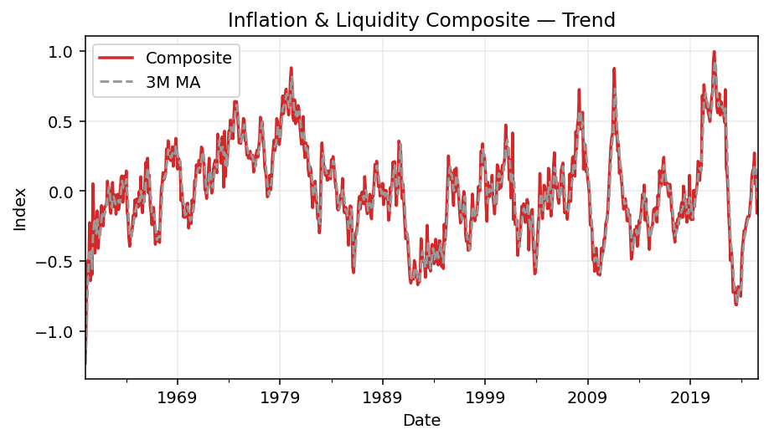
Inflation
 | Composite at -0.16; 3m chg -0.21; YoY -12.34%. Momentum over 6m is softening.
 |  | Date | ThemeComposite | ThemeComposite_3M_MA | ThemeComposite_YoY
 |  | 1960-01-31 | -1.2280238344 | -1.2280238344
 |  | 1960-02-29 | -0.99747513495 | -1.1127494847
 |  | 1960-03-31 | -0.51501097162 | -0.91350331365
 |  | 1960-04-30 | -0.49629804967 | -0.66959471874
 |  | 1960-05-31 | -0.58778324571 | -0.53303075567
 |  | 1960-06-30 | -0.22532861892 | -0.43646997143
 |  | 1960-07-31 | -0.64030711229 | -0.48447299231
 |  | 1960-08-31 | -0.42795637572 | -0.43119736897
 |  | 1960-09-30 | -0.59645096217 | -0.55490481673
 |  | 1960-10-31 | 0.051933896644 | -0.32415781375
 |  | 1960-11-30 | -0.20030647828 | -0.2482745146
 |  | 1960-12-31 | -0.44428878268 | -0.1975537881
 |  | 1961-01-31 | -0.24187112612 | -0.29548879569 | -0.80304036506
 |  | 1961-02-28 | -0.22386831633 | -0.30334274171 | -0.77556501563
 |  | 1961-03-31 | -0.14177666184 | -0.20250536809 | -0.72471137578
 |  | 1961-04-30 | -0.40958776809 | -0.25841091542 | -0.17471412921
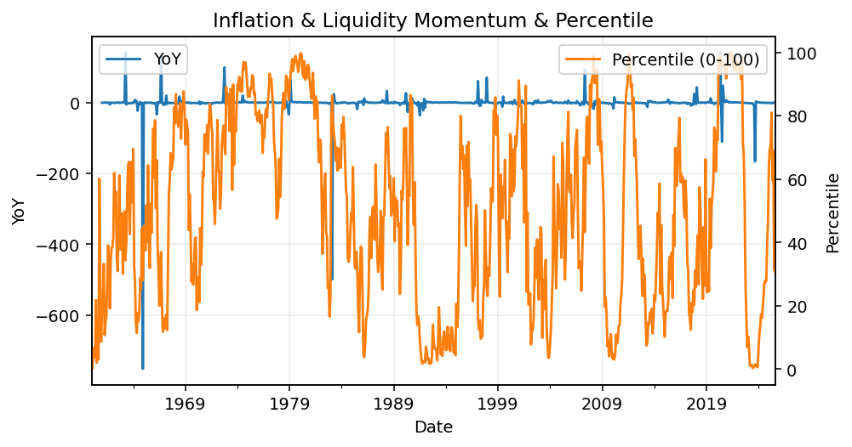
 |  | 1961-05-31 | -0.3243882845 | -0.29191757148 | -0.44811580312
 |  | 1961-06-30 | -0.30206000257 | -0.34534535172 | 0.34053101652
 |  | 1961-07-31 | -0.18682821409 | -0.27109216705 | -0.70822092945
 |  | 1961-08-31 | -0.10379299377 | -0.19756040348 | -0.75746828494
 |  | 1961-09-30 | -0.15114350989 | -0.14725490592 | -0.74659524508
 |  | 1961-10-31 | -0.24922439178 | -0.16805363181 | -5.7988771859
 |  | 1961-11-30 | -0.13327723153 | -0.17788171107 | -0.33463344432
 |  | 1961-12-31 | -0.11033723482 | -0.16427961938 | -0.7516542413
 |  | 1962-01-31 | -0.10596799026 | -0.11652748554 | -0.56188242905
 |  | 1962-02-28 | -0.088264569837 | -0.10152326497 | -0.60572996087
 |  | 1962-03-31 | 0.070816364146 | -0.041138731983 | -1.4994923934
 |  | 1962-04-30 | -0.00092925707248 | -0.0061258209209 | -0.99773123822
 |  | 1962-05-31 | 0.020349291429 | 0.030078799501 | -1.0627312773
 |  | 1962-06-30 | -0.12489139182 | -0.035157119153 | -0.58653449397
 |  | 1962-07-31 | -0.15993996884 | -0.088160689742 | -0.14391961826
 |  | 1962-08-31 | -0.07071994057 | -0.11851710041 | -0.31864437089
 |  | 1962-09-30 | 0.06101898023 | -0.056546976393 | -1.403715517
 |  | 1962-10-31 | -0.11212133164 | -0.040607430658 | -0.55011894769
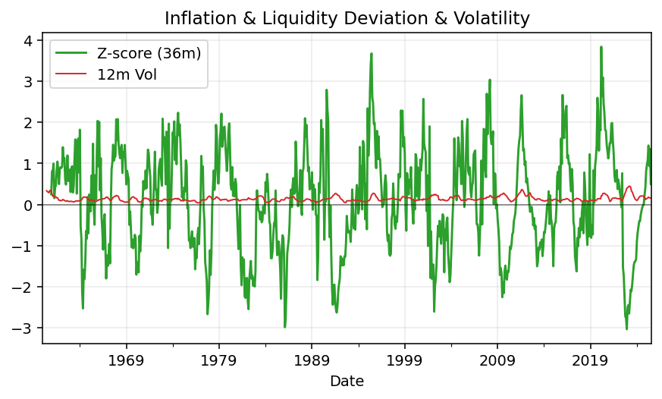
 |  | 1962-11-30 | -0.11188317935 | -0.054328510251 | -0.16052293358
 |  | 1962-12-31 | -0.026952089155 | -0.083652200046 | -0.75572988394
 |  | 1963-01-31 | -0.16587418435 | -0.10156981762 | 0.56532349008
 |  | 1963-02-28 | -0.042406421867 | -0.078410898456 | -0.51955329363
 |  | 1963-03-31 | -0.022316751572 | -0.076865785929 | -1.3151355176
 |  | 1963-04-30 | -0.13231699599 | -0.065680056477 | 141.39008764
 |  | 1963-05-31 | -0.096129406663 | -0.083587718076 | -5.7239682521
 |  | 1963-06-30 | 0.012291524568 | -0.072051626029 | -1.0984177083
 |  | 1963-07-31 | 0.099052824972 | 0.0050716476259 | -1.6193125189
 |  | 1963-08-31 | 0.10819315217 | 0.073179167237 | -2.5298818311
 |  | 1963-09-30 | -0.080549956122 | 0.042232007007 | -2.3200803392
 |  | 1963-10-31 | 0.040346460483 | 0.022663218844 | -1.3598464261
 |  | 1963-11-30 | 0.10727258212 | 0.02235636216 | -1.9587909706
 |  | 1963-12-31 | 0.00024115270401 | 0.049286731768 | -1.0089474587
 |  | 1964-01-31 | 0.14362315973 | 0.083712298184 | -1.8658560119
 |  | 1964-02-29 | -0.14762691221 | -0.0012541999263 | 2.4812395319
 |  | 1964-03-31 | -0.18589962249 | -0.06330112499 | 7.3300484791
 |  | 1964-04-30 | -0.33507564745 | -0.22286739405 | 1.5323704256

 |  | 1964-05-31 | -0.39484056485 | -0.30527194493 | 3.1073858516
 |  | 1964-06-30 | -0.27612389615 | -0.33534670282 | -23.464576678
 |  | 1964-07-31 | -0.31606872968 | -0.32901106356 | -4.1909108071
 |  | 1964-08-31 | -0.27443631877 | -0.28887631487 | -3.5365405598
 |  | 1964-09-30 | -0.1753355162 | -0.25528018822 | 1.1767301268
 |  | 1964-10-31 | -0.19752212303 | -0.21576465267 | -5.8956493499
 |  | 1964-11-30 | -0.06392423969 | -0.14559395964 | -1.5959047357
 |  | 1964-12-31 | -0.18099026612 | -0.14747887628 | -751.52140452
 |  | 1965-01-31 | -0.056822094446 | -0.10057886675 | -1.395633229
 |  | 1965-02-28 | -0.082848262198 | -0.10688687425 | -0.43879973539
 |  | 1965-03-31 | -0.11451511298 | -0.084728489874 | -0.38399491377
 |  | 1965-04-30 | -0.0034286037675 | -0.066930659648 | -0.98976767248
 |  | 1965-05-31 | -0.097424038252 | -0.071789251666 | -0.7532572716
 |  | 1965-06-30 | 0.10247554227 | 0.00054096675159 | -1.3711216005
 |  | 1965-07-31 | -0.10190756491 | -0.03228535363 | -0.67757783247
 |  | 1965-08-31 | -0.15504082719 | -0.051490949943 | -0.43505718236
 |  | 1965-09-30 | -0.00085813223902 | -0.085935508114 | -0.9951057706
 |  | 1965-10-31 | -0.07544346394 | -0.077114141123 | -0.61805056173

 |  | 1965-11-30 | 0.08726144947 | 0.0036532844303 | -2.3650760634
 |  | 1965-12-31 | 0.20483582333 | 0.072217936286 | -2.1317504953
 |  | 1966-01-31 | 0.056968329601 | 0.1163552008 | -2.0025735615
 |  | 1966-02-28 | 0.23483676903 | 0.16554697399 | -3.8345406747
 |  | 1966-03-31 | -0.014294287947 | 0.09250360356 | -0.87517553295
 |  | 1966-04-30 | 0.11249608321 | 0.11101285476 | -33.811048122
 |  | 1966-05-31 | -0.10322914255 | -0.0016757824314 | 0.059585954411
 |  | 1966-06-30 | -0.1583378875 | -0.049690315617 | -2.5451285642
 |  | 1966-07-31 | -0.24076839123 | -0.16744514043 | 1.3626154882
 |  | 1966-08-31 | -0.14312417203 | -0.18074348359 | -0.076861400835
 |  | 1966-09-30 | -0.11670889424 | -0.1668671525 | 135.00339077
 |  | 1966-10-31 | -0.24044397708 | -0.16675901445 | 2.1870749899
 |  | 1966-11-30 | -0.38070357877 | -0.24595215003 | -5.3627922878
 |  | 1966-12-31 | -0.3054955604 | -0.30888103875 | -2.4914166645
 |  | 1967-01-31 | -0.35816862591 | -0.34812258836 | -7.2871533783
 |  | 1967-02-28 | -0.33456142269 | -0.33274186967 | -2.4246551938
 |  | 1967-03-31 | -0.28790623541 | -0.32687876133 | 19.141348521
 |  | 1967-04-30 | -0.36731850442 | -0.32992872084 | -4.2651670525
 |  | 1967-05-31 | -0.13018237618 | -0.261802372 | 0.26110101236
 |  | 1967-06-30 | 0.015996547708 | -0.1605014443 | -1.1010279217
 |  | 1967-07-31 | 0.050843922428 | -0.021113968681 | -1.2111735771
 |  | 1967-08-31 | 0.13215994085 | 0.066333470329 | -1.9233935748
 |  | 1967-09-30 | 0.079935919711 | 0.08764659433 | -1.6849171199
 |  | 1967-10-31 | 0.10357232053 | 0.10522272703 | -1.4307544809
 |  | 1967-11-30 | 0.11745887226 | 0.10032237083 | -1.3085310431
 |  | 1967-12-31 | 0.29919543235 | 0.17340887505 | -1.9793773499
 |  | 1968-01-31 | 0.22777068616 | 0.21480833026 | -1.6359314292
 |  | 1968-02-29 | 0.3589000942 | 0.29528873757 | -2.0727479914
 |  | 1968-03-31 | 0.26267284818 | 0.28311454285 | -1.9123555376
 |  | 1968-04-30 | 0.23189580693 | 0.28448958311 | -1.631320786
 |  | 1968-05-31 | 0.21695532055 | 0.23717465856 | -2.66654909
 |  | 1968-06-30 | 0.27884370456 | 0.24256494401 | 16.431492697
 |  | 1968-07-31 | 0.31642650275 | 0.27074184262 | 5.2234872456
 |  | 1968-08-31 | 0.17625112705 | 0.25717377812 | 0.33361989963
 |  | 1968-09-30 | 0.30290129544 | 0.26519297508 | 2.7893014372
 |  | 1968-10-31 | 0.2941184852 | 0.25775696923 | 1.8397402288
 |  | 1968-11-30 | 0.37611903756 | 0.32437960607 | 2.2021339071
 |  | 1968-12-31 | 0.28179812168 | 0.31734521481 | -0.058146979496
 |  | 1969-01-31 | 0.15632451738 | 0.27141389221 | -0.3136758728
 |  | 1969-02-28 | 0.23531093784 | 0.22447785897 | -0.34435531881
 |  | 1969-03-31 | 0.21742983253 | 0.20302176258 | -0.17224092997
 |  | 1969-04-30 | 0.19922828255 | 0.21732301764 | -0.14087156132
 |  | 1969-05-31 | -0.068736734026 | 0.11597379368 | -1.3168243759
 |  | 1969-06-30 | 0.015247587864 | 0.048579712129 | -0.94531851494
 |  | 1969-07-31 | -0.076556927445 | -0.043348691202 | -1.2419422102
 |  | 1969-08-31 | -0.18567457025 | -0.082327969944 | -2.0534660025
 |  | 1969-09-30 | -0.14252372772 | -0.13491840847 | -1.4705286173
 |  | 1969-10-31 | -0.18911423671 | -0.17243751156 | -1.6429865725
 |  | 1969-11-30 | -0.14966788353 | -0.16043528265 | -1.3979269023
 |  | 1969-12-31 | -0.088564583758 | -0.14244890133 | -1.3142837973
 |  | 1970-01-31 | -0.087164724084 | -0.10846573046 | -1.557588314
 |  | 1970-02-28 | -0.26478458751 | -0.14683796512 | -2.1252540572
 |  | 1970-03-31 | -0.196035218 | -0.18266150987 | -1.9016022122
 |  | 1970-04-30 | -0.17433186357 | -0.21171722303 | -1.8750357196
 |  | 1970-05-31 | -0.23159485045 | -0.20065397734 | 2.3693025095
 |  | 1970-06-30 | -0.06349315949 | -0.15647329117 | -5.1641445229
 |  | 1970-07-31 | -0.14761140583 | -0.14756647192 | 0.9281260463
 |  | 1970-08-31 | -0.087059866937 | -0.099388144086 | -0.53111582906
 |  | 1970-09-30 | 0.074480555085 | -0.053396905894 | -1.5225835465
 |  | 1970-10-31 | 0.059134548586 | 0.015518412245 | -1.3126922098
 |  | 1970-11-30 | 0.18678788109 | 0.10680099492 | -2.2480157846
 |  | 1970-12-31 | 0.14010184898 | 0.12867475955 | -2.5819173199
 |  | 1971-01-31 | 0.14274344377 | 0.15654439128 | -2.6376285851
 |  | 1971-02-28 | 0.21942834549 | 0.16742454608 | -1.828705128
 |  | 1971-03-31 | 0.13194177337 | 0.16470452087 | -1.6730513768
 |  | 1971-04-30 | 0.21821770384 | 0.18986260757 | -2.2517373438
 |  | 1971-05-31 | 0.31469070816 | 0.22161672846 | -2.3587983824
 |  | 1971-06-30 | 0.29839092192 | 0.27709977797 | -5.6995758963
 |  | 1971-07-31 | 0.22546179907 | 0.27951447639 | -2.5274009336
 |  | 1971-08-31 | 0.18878303672 | 0.23754525257 | -3.1684278114
 |  | 1971-09-30 | 0.0074957369017 | 0.1405801909 | -0.89935981421
 |  | 1971-10-31 | 0.0015416216142 | 0.065940131747 | -0.97393027171
 |  | 1971-11-30 | -0.053547771742 | -0.014836804409 | -1.2866769055
 |  | 1971-12-31 | 0.025460741583 | -0.0088484695151 | -0.81826976754
 |  | 1972-01-31 | 0.12971903183 | 0.033877333892 | -0.091243503674
 |  | 1972-02-29 | 0.23520189681 | 0.13012722341 | 0.071884748029
 |  | 1972-03-31 | 0.077307406475 | 0.14740944504 | -0.41407937378
 |  | 1972-04-30 | 0.074164402685 | 0.12889123532 | -0.66013572053
 |  | 1972-05-31 | -0.015213404753 | 0.045419468136 | -1.048343991
 |  | 1972-06-30 | 0.015224268974 | 0.024725088969 | -0.94897877966
 |  | 1972-07-31 | 0.15964687199 | 0.053219245403 | -0.29191165579
 |  | 1972-08-31 | 0.1923874826 | 0.12241954119 | 0.019093060179
 |  | 1972-09-30 | 0.21902910478 | 0.19035448646 | 28.220489948
 |  | 1972-10-31 | 0.15379406962 | 0.18840355234 | 98.761230773
 |  | 1972-11-30 | 0.13024042315 | 0.16768786585 | -3.4322286234
 |  | 1972-12-31 | 0.40641000394 | 0.23014816557 | 14.962221784
 |  | 1973-01-31 | 0.32521790986 | 0.28728944565 | 1.5070947976
 |  | 1973-02-28 | 0.3602444375 | 0.36395745043 | 0.53163916779
 |  | 1973-03-31 | 0.30400109021 | 0.32982114585 | 2.9323669499
 |  | 1973-04-30 | 0.19840891182 | 0.28755147984 | 1.6752580031
 |  | 1973-05-31 | 0.38609245792 | 0.29616748665 | -26.378438568
 |  | 1973-06-30 | 0.36163811357 | 0.31537982777 | 22.754054411
 |  | 1973-07-31 | 0.026937982867 | 0.25822285145 | -0.83126520093
 |  | 1973-08-31 | 0.4274937513 | 0.27202328258 | 1.2220455588
 |  | 1973-09-30 | 0.10257366406 | 0.18566846607 | -0.53168934258
 |  | 1973-10-31 | 0.24040564593 | 0.25682435376 | 0.56316590437
 |  | 1973-11-30 | 0.19289030058 | 0.17862320352 | 0.48103250829
 |  | 1973-12-31 | 0.30516339742 | 0.24615311464 | -0.24912429699
 |  | 1974-01-31 | 0.42788954922 | 0.30864774907 | 0.31570106149
 |  | 1974-02-28 | 0.42371866014 | 0.38559053559 | 0.17619764814
 |  | 1974-03-31 | 0.5075315439 | 0.45304658442 | 0.66950567039
 |  | 1974-04-30 | 0.37618616501 | 0.43581212302 | 0.89601445594
 |  | 1974-05-31 | 0.47126570363 | 0.45166113751 | 0.22060323625
 |  | 1974-06-30 | 0.3744390722 | 0.40729698028 | 0.035397150223
 |  | 1974-07-31 | 0.55196958493 | 0.46589145359 | 19.490382954
 |  | 1974-08-31 | 0.64062664022 | 0.52234509912 | 0.49856375275
 |  | 1974-09-30 | 0.56319514734 | 0.58526379083 | 4.490640824
 |  | 1974-10-31 | 0.63891989667 | 0.61424722808 | 1.657674258
 |  | 1974-11-30 | 0.56966926011 | 0.59059476804 | 1.9533328446
 |  | 1974-12-31 | 0.46412842733 | 0.55757252804 | 0.5209177485
 |  | 1975-01-31 | 0.34359520951 | 0.45913096565 | -0.19700023023
 |  | 1975-02-28 | 0.37059706016 | 0.39277356567 | -0.12536998007
 |  | 1975-03-31 | 0.33914599289 | 0.35111275419 | -0.33177356764
 |  | 1975-04-30 | 0.40236942502 | 0.37070415936 | 0.069601868571
 |  | 1975-05-31 | 0.39335119945 | 0.37828887245 | -0.16533030852
 |  | 1975-06-30 | 0.51817875301 | 0.43796645916 | 0.3838800261
 |  | 1975-07-31 | 0.50985670267 | 0.47379555171 | -0.076295657255
 |  | 1975-08-31 | 0.35871703319 | 0.46225082962 | -0.44005289405
 |  | 1975-09-30 | 0.36979245481 | 0.41278873022 | -0.34340262596
 |  | 1975-10-31 | 0.25679887062 | 0.32843611954 | -0.59807344872
 |  | 1975-11-30 | 0.26768710249 | 0.29809280931 | -0.53010084757
 |  | 1975-12-31 | 0.23381930162 | 0.25276842491 | -0.49621852949
 |  | 1976-01-31 | 0.26704080049 | 0.25618240153 | -0.22280406392
 |  | 1976-02-29 | 0.2843403698 | 0.26173349064 | -0.23275060607
 |  | 1976-03-31 | 0.228876789 | 0.26008598643 | -0.32513786452
 |  | 1976-04-30 | 0.2341402003 | 0.2491191197 | -0.41809644139
 |  | 1976-05-31 | 0.25571619436 | 0.23957772789 | -0.34990361102
 |  | 1976-06-30 | 0.13483896181 | 0.20823178549 | -0.73978292042
 |  | 1976-07-31 | 0.20333855563 | 0.1979645706 | -0.6011848926
 |  | 1976-08-31 | 0.17981974558 | 0.17266575434 | -0.49871422614
 |  | 1976-09-30 | 0.26268368214 | 0.21528066112 | -0.28964564117
 |  | 1976-10-31 | 0.29175839726 | 0.24475394166 | 0.13613582707
 |  | 1976-11-30 | 0.24265080246 | 0.26569762728 | -0.093528226789
 |  | 1976-12-31 | 0.31667163132 | 0.28369361035 | 0.35434341444
 |  | 1977-01-31 | 0.37624505426 | 0.31185582935 | 0.40894220499
 |  | 1977-02-28 | 0.52670184294 | 0.40653950951 | 0.85236392322
 |  | 1977-03-31 | 0.46103837154 | 0.45466175625 | 1.0143517984
 |  | 1977-04-30 | 0.49505426208 | 0.49426482552 | 1.1143496992
 |  | 1977-05-31 | 0.35479011218 | 0.43696091527 | 0.38743701026
 |  | 1977-06-30 | 0.31430606097 | 0.38805014508 | 1.3309736055
 |  | 1977-07-31 | 0.17084946959 | 0.27998188092 | -0.1597782867
 |  | 1977-08-31 | 0.13789576426 | 0.20768376494 | -0.23314448135
 |  | 1977-09-30 | 0.089940515804 | 0.13289524989 | -0.65760904875
 |  | 1977-10-31 | -0.0415050458 | 0.062110411421 | -1.1422582733
 |  | 1977-11-30 | -0.036108678605 | 0.0041089304663 | -1.1488092281
 |  | 1977-12-31 | -0.010108204908 | -0.029240643104 | -1.0319201466
 |  | 1978-01-31 | 0.1137067146 | 0.022496610362 | -0.69778549031
 |  | 1978-02-28 | 0.0077408068766 | 0.037113105522 | -0.98530324703
 |  | 1978-03-31 | 0.072657058144 | 0.06470152654 | -0.84240561604
 |  | 1978-04-30 | 0.23625900578 | 0.10555229027 | -0.52276139429
 |  | 1978-05-31 | 0.31070731028 | 0.20654112474 | -0.12425036772
 |  | 1978-06-30 | 0.3640994293 | 0.30368858179 | 0.15842318844
 |  | 1978-07-31 | 0.28817911756 | 0.32099528571 | 0.68674282833
 |  | 1978-08-31 | 0.3343578845 | 0.32887881045 | 1.4247146843
 |  | 1978-09-30 | 0.51770254582 | 0.3800798493 | 4.7560548902
 |  | 1978-10-31 | 0.49818486159 | 0.45008176397 | -13.002995105
 |  | 1978-11-30 | 0.3810456065 | 0.46564433797 | -11.552743031
 |  | 1978-12-31 | 0.33181188711 | 0.40368078507 | -33.825995331
 |  | 1979-01-31 | 0.37925123123 | 0.36403624161 | 2.3353459606
 |  | 1979-02-28 | 0.51221199374 | 0.40775837069 | 65.170362071
 |  | 1979-03-31 | 0.5700823891 | 0.48718187136 | 6.8462079757
 |  | 1979-04-30 | 0.6792516383 | 0.58718200705 | 1.8750296144
 |  | 1979-05-31 | 0.55129157127 | 0.60020853289 | 0.77431155634
 |  | 1979-06-30 | 0.61516668588 | 0.61523663182 | 0.68955685282
 |  | 1979-07-31 | 0.69073490374 | 0.61906438696 | 1.3968943676
 |  | 1979-08-31 | 0.72807317901 | 0.67799158954 | 1.1775265748
 |  | 1979-09-30 | 0.66175625892 | 0.69352144722 | 0.27825575567
 |  | 1979-10-31 | 0.60879247612 | 0.66620730468 | 0.22202122756
 |  | 1979-11-30 | 0.54323491625 | 0.60459455043 | 0.42564277604
 |  | 1979-12-31 | 0.62845453645 | 0.59349397627 | 0.89400850563
 |  | 1980-01-31 | 0.79483300535 | 0.65550748602 | 1.0957954514
 |  | 1980-02-29 | 0.88000021464 | 0.76776258548 | 0.71803906467
 |  | 1980-03-31 | 0.77326228746 | 0.81603183581 | 0.35640444651
 |  | 1980-04-30 | 0.52474563717 | 0.72600271309 | -0.22746504009
 |  | 1980-05-31 | 0.50119291305 | 0.59973361256 | -0.090875066533
 |  | 1980-06-30 | 0.65162866795 | 0.55918907272 | 0.059271711074
 |  | 1980-07-31 | 0.48015745016 | 0.54432634372 | -0.30486001567
 |  | 1980-08-31 | 0.57003827417 | 0.56727479743 | -0.21705909433
 |  | 1980-09-30 | 0.49805844342 | 0.51608472258 | -0.24736874536
 |  | 1980-10-31 | 0.61091651321 | 0.55967107693 | 0.0034889345418
 |  | 1980-11-30 | 0.59059188835 | 0.56652228166 | 0.087175862007
 |  | 1980-12-31 | 0.47909009678 | 0.56019949945 | -0.23766944306
 |  | 1981-01-31 | 0.3989702782 | 0.48955075444 | -0.49804515474
 |  | 1981-02-28 | 0.33434440185 | 0.40413492561 | -0.62006327239
 |  | 1981-03-31 | 0.40682330666 | 0.38004599557 | -0.4738870455
 |  | 1981-04-30 | 0.53250321418 | 0.42455697423 | 0.014783499773
 |  | 1981-05-31 | 0.31990447516 | 0.41974366533 | -0.36171388934
 |  | 1981-06-30 | 0.238575146 | 0.36366094511 | -0.63387868315
 |  | 1981-07-31 | 0.34400065264 | 0.30082675794 | -0.28356697885
 |  | 1981-08-31 | 0.28434164297 | 0.28897248054 | -0.50118850636
 |  | 1981-09-30 | 0.32181945754 | 0.31672058438 | -0.3538520192
 |  | 1981-10-31 | 0.1472909196 | 0.25115067337 | -0.75890172157
 |  | 1981-11-30 | 0.10660043229 | 0.19190360314 | -0.81950237652
 |  | 1981-12-31 | 0.17394946301 | 0.14261360497 | -0.63691701377
 |  | 1982-01-31 | 0.15722230658 | 0.14592406729 | -0.60592977681
 |  | 1982-02-28 | -0.00069105740394 | 0.1101602374 | -1.0020669029
 |  | 1982-03-31 | -0.11907007323 | 0.012487058648 | -1.2926825265
 |  | 1982-04-30 | 0.0077012738374 | -0.037353285599 | -0.98553760122
 |  | 1982-05-31 | 0.033675246715 | -0.025897850893 | -0.89473343035
 |  | 1982-06-30 | 0.070405018232 | 0.037260512928 | -0.7048937435
 |  | 1982-07-31 | -0.072992380864 | 0.010362628028 | -1.2121867511
 |  | 1982-08-31 | -0.086299786254 | -0.029629049629 | -1.3035073771
 |  | 1982-09-30 | -0.19714811168 | -0.11881342626 | -1.6126046983
 |  | 1982-10-31 | -0.18811858449 | -0.15718882747 | -2.2771906442
 |  | 1982-11-30 | -0.29909148682 | -0.22811939433 | -3.8057248962
 |  | 1982-12-31 | -0.22042123363 | -0.23587710165 | -2.2671567351
 |  | 1983-01-31 | 0.22888762977 | -0.096875030225 | 0.45582159907
 |  | 1983-02-28 | 0.34419655163 | 0.11755431593 | -499.07230147
 |  | 1983-03-31 | 0.23377669618 | 0.26895362586 | -2.9633539297
 |  | 1983-04-30 | 0.18792114669 | 0.2552981315 | 23.401306934
 |  | 1983-05-31 | 0.16929497312 | 0.19699760533 | 4.0272823404
 |  | 1983-06-30 | 0.11202426633 | 0.15641346205 | 0.59114036389
 |  | 1983-07-31 | 0.14747257459 | 0.14293060468 | -3.0203831255
 |  | 1983-08-31 | 0.07737729019 | 0.11229137704 | -1.89661045
 |  | 1983-09-30 | 0.079707690934 | 0.10151918524 | -1.4043035982
 |  | 1983-10-31 | 0.1437283543 | 0.10027111181 | -1.7640305964
 |  | 1983-11-30 | 0.098803288414 | 0.10741311121 | -1.3303447031
 |  | 1983-12-31 | 0.086352673944 | 0.10962810555 | -1.3917620482
 |  | 1984-01-31 | 0.22351929356 | 0.13622508531 | -0.023454025088
 |  | 1984-02-29 | 0.17682852565 | 0.16223349772 | -0.486257126
 |  | 1984-03-31 | 0.24593497069 | 0.21542759664 | 0.052008068853
 |  | 1984-04-30 | 0.18497508511 | 0.20257952715 | -0.015677115803
 |  | 1984-05-31 | 0.10568004721 | 0.17886336767 | -0.37576382062
 |  | 1984-06-30 | 0.025894646797 | 0.10551659304 | -0.76884787872
 |  | 1984-07-31 | 0.0093000341327 | 0.046958242713 | -0.93693719555
 |  | 1984-08-31 | -0.12622326445 | -0.030342861174 | -2.6312701587
 |  | 1984-09-30 | -0.13599561387 | -0.084306281395 | -2.7061793194
 |  | 1984-10-31 | -0.12180655156 | -0.12800847663 | -1.847477536
 |  | 1984-11-30 | -0.067833160897 | -0.10854510877 | -1.6865476037
 |  | 1984-12-31 | -0.026570338304 | -0.07207001692 | -1.3076956056
 |  | 1985-01-31 | -0.042975619271 | -0.045793039491 | -1.1922680525
 |  | 1985-02-28 | 0.089737258501 | 0.0067304336419 | -0.49251819994
 |  | 1985-03-31 | -0.048199458491 | -0.000479273087 | -1.195984566
 |  | 1985-04-30 | -0.15206577169 | -0.036842657226 | -1.822087859
 |  | 1985-05-31 | -0.15682875985 | -0.11903133001 | -2.4839959291
 |  | 1985-06-30 | -0.11635528374 | -0.14174993842 | -5.493410729
 |  | 1985-07-31 | -0.16413558714 | -0.14577321024 | -18.64892309
 |  | 1985-08-31 | -0.24595617248 | -0.17548234779 | 0.94858034729
 |  | 1985-09-30 | -0.38690229654 | -0.26566468539 | 1.8449615803
 |  | 1985-10-31 | -0.16935125008 | -0.2674032397 | 0.39032956695
 |  | 1985-11-30 | -0.10576346579 | -0.22067233747 | 0.55917053536
 |  | 1985-12-31 | -0.11070119637 | -0.12860530408 | 3.1663450087
 |  | 1986-01-31 | -0.20494261203 | -0.1404690914 | 3.7688111422
 |  | 1986-02-28 | -0.54613207688 | -0.28725862842 | -7.0859010627
 |  | 1986-03-31 | -0.58329171264 | -0.44478880051 | 11.101623771
 |  | 1986-04-30 | -0.48064676074 | -0.53669018342 | 2.1607820445
 |  | 1986-05-31 | -0.31578872932 | -0.45990906756 | 1.0135894056
 |  | 1986-06-30 | -0.29224250764 | -0.3628926659 | 1.5116393364
 |  | 1986-07-31 | -0.26461230907 | -0.29088118201 | 0.61215683738
 |  | 1986-08-31 | -0.20471649623 | -0.25385710431 | -0.16767083269
 |  | 1986-09-30 | -0.074584065903 | -0.1813042904 | -0.80722764747
 |  | 1986-10-31 | -0.037211053742 | -0.10550387196 | -0.78027293141
 |  | 1986-11-30 | -0.12796296237 | -0.079919360672 | 0.20989758998
 |  | 1986-12-31 | -0.028095667747 | -0.064423227953 | -0.74620267289
 |  | 1987-01-31 | -0.0067113796215 | -0.054256669913 | -0.96725239541
 |  | 1987-02-28 | -0.086459230479 | -0.040422092616 | -0.84168805653
 |  | 1987-03-31 | -0.091875877183 | -0.061682162428 | -0.84248725776
 |  | 1987-04-30 | 0.10349203514 | -0.024947690841 | -1.2153182828
 |  | 1987-05-31 | 0.004111961244 | 0.0052427064002 | -1.0130212413
 |  | 1987-06-30 | -0.12333514935 | -0.0052437176563 | -0.57796984994
 |  | 1987-07-31 | -0.16246267195 | -0.093895286686 | -0.38603509216
 |  | 1987-08-31 | -0.13561740523 | -0.14047174218 | -0.33753552974
 |  | 1987-09-30 | -0.10165389817 | -0.13324465845 | 0.36294390687
 |  | 1987-10-31 | -0.022239929674 | -0.086503744359 | -0.40233002194
 |  | 1987-11-30 | -0.16695954373 | -0.09695112386 | 0.30474897299
 |  | 1987-12-31 | -0.19882651365 | -0.12934199569 | 6.0767676868
 |  | 1988-01-31 | -0.038023767935 | -0.13460327511 | 4.665566557
 |  | 1988-02-29 | -0.033348205142 | -0.090066162243 | -0.61428982242
 |  | 1988-03-31 | 0.059497660445 | -0.0039581042106 | -1.6475874002
 |  | 1988-04-30 | 0.19008475624 | 0.072078070516 | 0.83670903743
 |  | 1988-05-31 | 0.13657649247 | 0.12871963639 | 32.214440595
 |  | 1988-06-30 | 0.21302344539 | 0.17989489803 | -2.7271916928
 |  | 1988-07-31 | 0.12499406845 | 0.1581980021 | -1.7693710004
 |  | 1988-08-31 | 0.031608595835 | 0.12320870322 | -1.2330718228
 |  | 1988-09-30 | 0.059837815605 | 0.072146826628 | -1.5886426067
 |  | 1988-10-31 | -0.035157156528 | 0.018763084971 | 0.58081239658
 |  | 1988-11-30 | -0.0039288469743 | 0.0069172707009 | -0.97646826958
 |  | 1988-12-31 | -0.023211249264 | -0.020765750922 | -0.88325878255
 |  | 1989-01-31 | 0.054213768443 | 0.0090245574015 | -2.4257863275
 |  | 1989-02-28 | -0.097394542229 | -0.02213067435 | 1.9205332585
 |  | 1989-03-31 | 0.0077285192829 | -0.011817418168 | -0.87010381207
 |  | 1989-04-30 | -0.018559302723 | -0.036075108556 | -1.0976369862
 |  | 1989-05-31 | 0.0040040163156 | -0.0022755890414 | -0.97068297594
 |  | 1989-06-30 | -0.058157904793 | -0.0242377304 | -1.2730117555
 |  | 1989-07-31 | -0.053298784117 | -0.035817557531 | -1.4264105072
 |  | 1989-08-31 | -0.20874023192 | -0.10673230694 | -7.6039071464
 |  | 1989-09-30 | -0.15896435158 | -0.14033445587 | -3.6565868085
 |  | 1989-10-31 | 0.025796058519 | -0.11396950833 | -1.7337356336
 |  | 1989-11-30 | 0.0048028907561 | -0.042788467436 | -2.222468268
 |  | 1989-12-31 | 0.051704219226 | 0.0274343895 | -3.2275500399
 |  | 1990-01-31 | 0.20660997194 | 0.087705693976 | 2.8110239867
 |  | 1990-02-28 | 0.13596175577 | 0.13142531565 | -2.3959894739
 |  | 1990-03-31 | 0.21037268593 | 0.18431480455 | 26.22030938
 |  | 1990-04-30 | 0.049198489272 | 0.13184431032 | -3.6508802624
 |  | 1990-05-31 | -0.10348717309 | 0.052028000706 | -26.845842006
 |  | 1990-06-30 | 0.018615067814 | -0.011891205333 | -1.3200780338
 |  | 1990-07-31 | 0.012116776744 | -0.024251776176 | -1.2273368323
 |  | 1990-08-31 | 0.35712008193 | 0.12928397549 | -2.7108349389
...

Credit & Risk
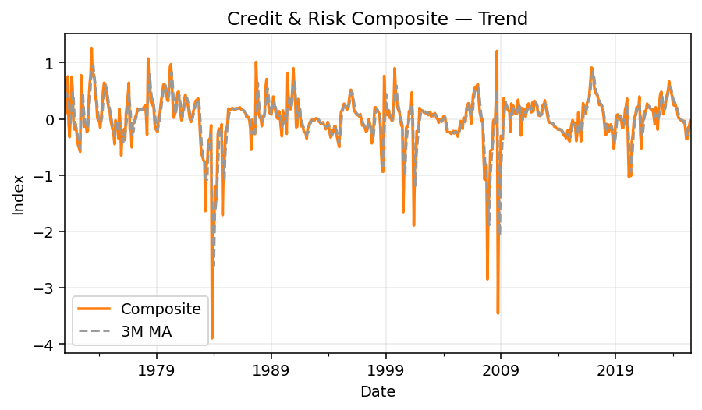
Composite at -0.12; 3m chg +0.04; YoY -2067.77%. Momentum over 6m is firming.
 | Date | ThemeComposite | ThemeComposite_3M_MA | ThemeComposite_YoY
 | 1971-01-31 | 0.69181335728 | 0.69181335728
 | 1971-02-28 | 0.3623923431 | 0.52710285019
 | 1971-03-31 | 0.10803726845 | 0.38741432294
 | 1971-04-30 | 0.75569959538 | 0.40870973564
 | 1971-05-31 | -0.077855239115 | 0.26196054157
 | 1971-06-30 | -0.32053648567 | 0.11910262353
 | 1971-07-31 | 0.094504854002 | -0.1012956236
 | 1971-08-31 | 0.75094232899 | 0.17497023244
 | 1971-09-30 | 0.56630928942 | 0.4705854908
 | 1971-10-31 | -0.026109017113 | 0.4303808671
 | 1971-11-30 | -0.18642100148 | 0.11792642361
 | 1971-12-31 | -0.07584310407 | -0.09612437422
 | 1972-01-31 | -0.18655323271 | -0.14960577942 | -1.2696583273
 | 1972-02-29 | -0.38708899521 | -0.21649511066 | -2.0681489347
 | 1972-03-31 | -0.47549997394 | -0.34971406729 | -5.4012587578
 | 1972-04-30 | -0.52469185095 | -0.46242694003 | -1.6943127324
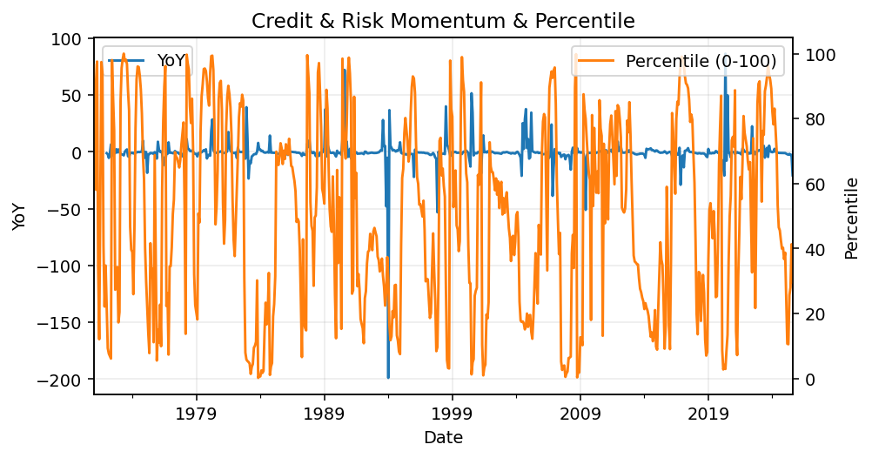
 | 1972-05-31 | -0.58341645427 | -0.52786942639 | 6.4936055801
 | 1972-06-30 | 0.77714683876 | -0.11032048882 | -3.4245191218
 | 1972-07-31 | 0.35221687972 | 0.1819824214 | 2.7269713121
 | 1972-08-31 | 0.22758479815 | 0.45231617221 | -0.69693438582
 | 1972-09-30 | -0.13587881469 | 0.14797428772 | -1.2399374639
 | 1972-10-31 | -0.084859385818 | 0.0022821992113 | 2.2501945765
 | 1972-11-30 | -0.077574261238 | -0.09943748725 | -0.58387595484
 | 1972-12-31 | -0.23457380442 | -0.13233581716 | 2.0928824353
 | 1973-01-31 | -0.20653748035 | -0.172895182 | 0.10712356655
 | 1973-02-28 | 0.33499651653 | -0.035371589414 | -1.865425059
 | 1973-03-31 | 0.61281279898 | 0.24709061172 | -2.2887756731
 | 1973-04-30 | 0.80458543907 | 0.58413158486 | -2.5334437491
 | 1973-05-31 | 1.2612787512 | 0.89289232973 | -3.1618840914
 | 1973-06-30 | 0.75926351371 | 0.94170923464 | -0.023011513589
 | 1973-07-31 | 0.79795946611 | 0.93950057699 | 1.2655344251
 | 1973-08-31 | 0.70045967201 | 0.75256088395 | 2.0777963982
 | 1973-09-30 | 0.39066480054 | 0.62969464622 | -3.8750972064
 | 1973-10-31 | 0.29244937958 | 0.46119128404 | -4.4462820672
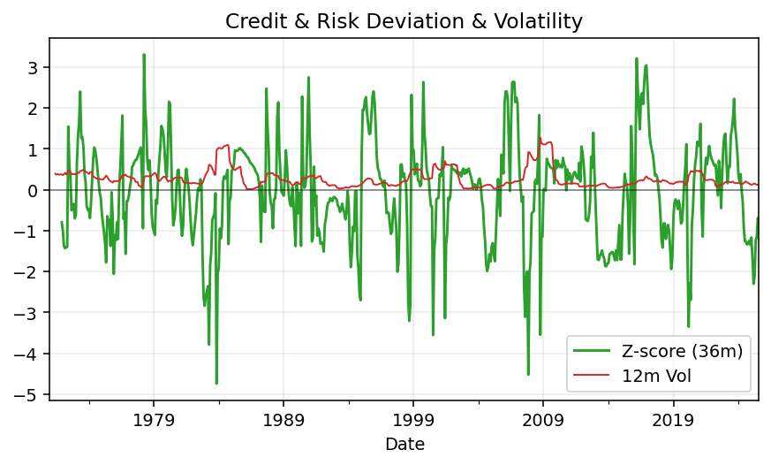
 | 1973-11-30 | 0.01645576471 | 0.23318998161 | -1.2121291837
 | 1973-12-31 | -0.027966399421 | 0.093646248289 | -0.88077782389
 | 1974-01-31 | -0.034836723605 | -0.015449119439 | -0.83132977344
 | 1974-02-28 | -0.15125474838 | -0.071352623802 | -1.4515114066
 | 1974-03-31 | 0.010885577318 | -0.05840196489 | -0.98223670045
 | 1974-04-30 | 0.22988474766 | 0.029838525532 | -0.71428174499
 | 1974-05-31 | 0.4927538783 | 0.24450806776 | -0.60932198545
 | 1974-06-30 | 0.64175668722 | 0.45479843773 | -0.15476422134
 | 1974-07-31 | 0.62481729184 | 0.58644261912 | -0.21698116461
 | 1974-08-31 | 0.52603775945 | 0.59753724617 | -0.24901064192
 | 1974-09-30 | 0.40254502194 | 0.51780002441 | 0.030410268306
 | 1974-10-31 | 0.27836033644 | 0.40231437261 | -0.048176006261
 | 1974-11-30 | 0.17713051213 | 0.28601195683 | 9.7640401553
 | 1974-12-31 | 0.13003567154 | 0.1951755067 | -5.6497108756
 | 1975-01-31 | -0.026806024156 | 0.093453386504 | -0.23052395915
 | 1975-02-28 | -0.11851422742 | -0.0050948600124 | -0.2164594587
 | 1975-03-31 | -0.19037547051 | -0.11189857403 | -18.488780333
 | 1975-04-30 | -0.27679737003 | -0.19522902265 | -2.2040701824

 | 1975-05-31 | -0.44629299334 | -0.30448861129 | -1.9057117823
 | 1975-06-30 | -0.022921213228 | -0.24867052553 | -1.0357163606
 | 1975-07-31 | -0.1049791696 | -0.19139779205 | -1.1680157879
 | 1975-08-31 | -0.081972558767 | -0.069957647198 | -1.15583018
 | 1975-09-30 | -0.34352409294 | -0.17682527377 | -1.8533805518
 | 1975-10-31 | 0.17891225633 | -0.082194798461 | -0.35726383069
 | 1975-11-30 | -0.05401329796 | -0.072875044859 | -1.3049350296
 | 1975-12-31 | -0.64712174109 | -0.17407426091 | -5.9764940145
 | 1976-01-31 | -0.26425776968 | -0.32179760291 | 8.8581486067
 | 1976-02-29 | -0.3439601156 | -0.41844654212 | 1.9022685553
 | 1976-03-31 | -0.17852145047 | -0.26224644525 | -0.062266530504
 | 1976-04-30 | -0.37505401093 | -0.29917852566 | 0.35497678638
 | 1976-05-31 | 0.11032009982 | -0.14775178719 | -1.2471920946
 | 1976-06-30 | 0.2522394383 | -0.0041648242693 | -12.004628585
 | 1976-07-31 | 0.42808118575 | 0.26354690796 | -5.0777726418
 | 1976-08-31 | 0.64444381187 | 0.44158814531 | -8.8617017886
 | 1976-09-30 | -0.184344626 | 0.29606012387 | -0.46337206098
 | 1976-10-31 | -0.14614820279 | 0.10465032769 | -1.816870827

 | 1976-11-30 | -0.50253041644 | -0.27767441508 | 8.3038276761
 | 1976-12-31 | -0.077507287959 | -0.24206196906 | -0.88022765573
 | 1977-01-31 | -0.076647159618 | -0.21889495467 | -0.70995305186
 | 1977-02-28 | -0.026499341762 | -0.06021792978 | -0.92295809729
 | 1977-03-31 | 0.045834722997 | -0.019103926128 | -1.2567463063
 | 1977-04-30 | 0.088235412159 | 0.035856931131 | -1.2352605481
 | 1977-05-31 | 0.18498369678 | 0.10635127731 | 0.67679051305
 | 1977-06-30 | 0.17470638224 | 0.14930849706 | -0.3073788008
 | 1977-07-31 | 0.17353348398 | 0.17774118767 | -0.59462482876
 | 1977-08-31 | 0.16802721695 | 0.17208902772 | -0.7392678557
 | 1977-09-30 | 0.15689630586 | 0.1661523356 | -1.8511032259
 | 1977-10-31 | 0.17146613199 | 0.16546321826 | -2.1732346256
 | 1977-11-30 | 0.19194328196 | 0.17343523993 | -1.3819535608
 | 1977-12-31 | 0.21971010581 | 0.19437317325 | -3.834702537
 | 1978-01-31 | 0.24774936988 | 0.21980091922 | -4.232335955
 | 1978-02-28 | 0.075164524206 | 0.18087466663 | -3.8364675954
 | 1978-03-31 | -0.27990329648 | 0.014336865869 | -7.1067958565
 | 1978-04-30 | 1.0736183129 | 0.28962651354 | 11.167657935
 | 1978-05-31 | 0.7032734512 | 0.49899615587 | 2.8018131513
 | 1978-06-30 | 0.60295715654 | 0.79328297355 | 2.4512600445
 | 1978-07-31 | 0.31268532928 | 0.53963864567 | 0.80187317229
 | 1978-08-31 | 0.24767815816 | 0.38777354799 | 0.47403594882
 | 1978-09-30 | 0.34554490924 | 0.30196946556 | 1.2023775981
 | 1978-10-31 | 0.18585948966 | 0.25969418569 | 0.083942860956
 | 1978-11-30 | -0.097507540183 | 0.14463228624 | -1.5080018388
 | 1978-12-31 | -0.17874490439 | -0.03013098497 | -1.8135488522
 | 1979-01-31 | -0.2072237158 | -0.16115872012 | -1.8364247945
...

Housing
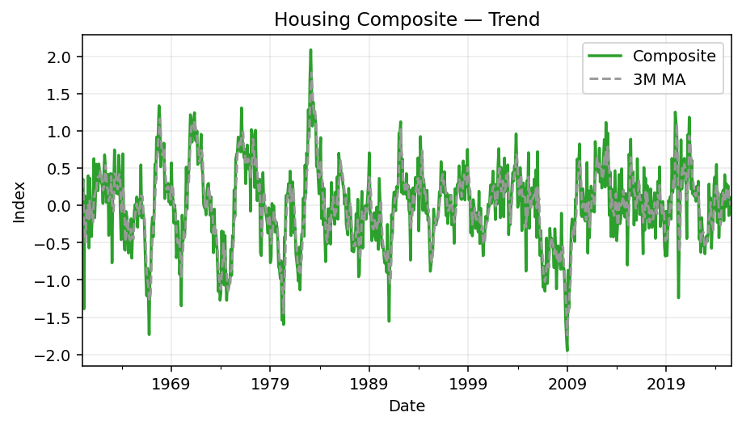
Composite at 0.01; 3m chg +0.14; YoY -95.59%. Momentum over 6m is softening.
 | Date | ThemeComposite | ThemeComposite_3M_MA | ThemeComposite_YoY
 | 1960-01-31 | 0.31527808241 | 0.31527808241
 | 1960-02-29 | 0.34826020566 | 0.33176914404
 | 1960-03-31 | -1.3877330805 | -0.24139826415
 | 1960-04-30 | 0.13158782451 | -0.30262835012
 | 1960-05-31 | -0.22721355397 | -0.49445293666
 | 1960-06-30 | -0.0080100286695 | -0.03454525271
 | 1960-07-31 | -0.37745647856 | -0.20422668707
 | 1960-08-31 | 0.39800713928 | 0.0041802106818
 | 1960-09-30 | -0.5707178809 | -0.1833890734
 | 1960-10-31 | 0.36591053583 | 0.064399931401
 | 1960-11-30 | -0.091387050233 | -0.098731465102
 | 1960-12-31 | -0.41886510597 | -0.048113873458
 | 1961-01-31 | -0.14249962508 | -0.21758392709 | -1.4519807529
 | 1961-02-28 | -0.10959706292 | -0.22365393132 | -1.3146987831
 | 1961-03-31 | 0.62835143766 | 0.12541824989 | -1.4527898387
 | 1961-04-30 | -0.165571829 | 0.11772751525 | -2.2582610102
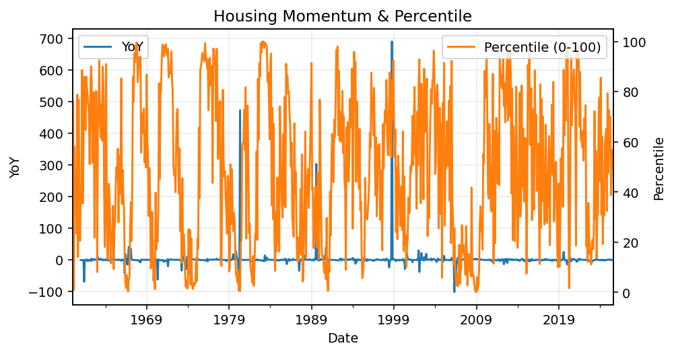
 | 1961-05-31 | 0.13274912318 | 0.19850957728 | -1.5842482584
 | 1961-06-30 | 0.5544732492 | 0.17388351446 | -70.222380103
 | 1961-07-31 | 0.39259538566 | 0.35993925268 | -2.0401076891
 | 1961-08-31 | 0.19742427555 | 0.3814976368 | -0.50396800443
 | 1961-09-30 | 0.55686673345 | 0.38229546488 | -1.9757303075
 | 1961-10-31 | 0.4547383783 | 0.40300979577 | 0.24275836242
 | 1961-11-30 | 0.38789699981 | 0.46650070385 | -5.2445510477
 | 1961-12-31 | 0.30500516119 | 0.38254684643 | -1.7281703748
 | 1962-01-31 | 0.27438718436 | 0.32242978179 | -2.925529167
 | 1962-02-28 | 0.026745415314 | 0.20204592029 | -1.2440340517
 | 1962-03-31 | 0.41340864516 | 0.23818041495 | -0.34207416363
 | 1962-04-30 | 0.67937707763 | 0.37317704603 | -5.1032166024
 | 1962-05-31 | 0.52597457458 | 0.53958676579 | 2.9621698581
 | 1962-06-30 | 0.041948011829 | 0.41576655468 | -0.92434619363
 | 1962-07-31 | 0.15990043159 | 0.24260767266 | -0.59270934548
 | 1962-08-31 | 0.41785766653 | 0.20656870332 | 1.116546536
 | 1962-09-30 | -0.40173140361 | 0.058675564836 | -1.721413903
 | 1962-10-31 | 0.3249005397 | 0.11367560087 | -0.28552206014
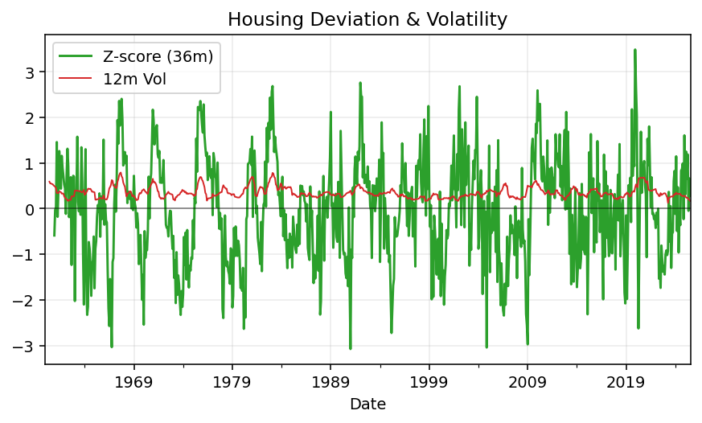
 | 1962-11-30 | 0.42736454349 | 0.11684455986 | 0.10174748372
 | 1962-12-31 | 0.42441333327 | 0.39222613882 | 0.39149557869
 | 1963-01-31 | -0.77028924581 | 0.027162876983 | -3.8073076649
 | 1963-02-28 | 0.24857999999 | -0.03243197085 | 8.2943032319
 | 1963-03-31 | 0.28495699798 | -0.078917415947 | -0.31071350027
 | 1963-04-30 | 0.74560725387 | 0.42638141728 | 0.09748662182
 | 1963-05-31 | 0.23591526386 | 0.42215983857 | -0.55147021309
 | 1963-06-30 | 0.1658155041 | 0.38244600727 | 2.9528811228
 | 1963-07-31 | 0.32795524487 | 0.24322867094 | 1.050996621
 | 1963-08-31 | 0.15353710879 | 0.21576928592 | -0.63256122577
 | 1963-09-30 | 0.67475008226 | 0.38541414531 | -2.6796050202
 | 1963-10-31 | 0.42913007615 | 0.41913908907 | 0.32080444231
 | 1963-11-30 | -0.085015894297 | 0.33962142137 | -1.1989306216
 | 1963-12-31 | -0.45934578433 | -0.038410534158 | -2.0823076193
 | 1964-01-31 | 0.25304788306 | -0.097104598521 | -1.3285102115
 | 1964-02-29 | 0.69363675208 | 0.1624462836 | 1.7903964603
 | 1964-03-31 | -0.25704283186 | 0.22988060109 | -1.902040777
 | 1964-04-30 | -0.58949565094 | -0.050967243575 | -1.7906248871

 | 1964-05-31 | -0.6003370865 | -0.48229185644 | -3.5447148976
 | 1964-06-30 | -0.081292027522 | -0.42370825499 | -1.4902558899
 | 1964-07-31 | -0.15564169108 | -0.27909026837 | -1.4745821069
 | 1964-08-31 | -0.30250601473 | -0.17981324444 | -2.9702469137
 | 1964-09-30 | -0.63947664054 | -0.36587478212 | -1.9477236941
 | 1964-10-31 | -0.37110509203 | -0.43769591577 | -1.8647846251
 | 1964-11-30 | -0.3929352688 | -0.46783900046 | 3.6219036105
 | 1964-12-31 | -0.1791059925 | -0.31438211778 | -0.61008460596
 | 1965-01-31 | -0.7072866231 | -0.42644262814 | -3.7950703027
 | 1965-02-28 | -0.34947363167 | -0.41195541576 | -1.5038280204
 | 1965-03-31 | -0.29411347809 | -0.45029124429 | 0.14421972385
 | 1965-04-30 | -0.082994202496 | -0.24219377075 | -0.8592115101
 | 1965-05-31 | 0.013179224605 | -0.12130948533 | -1.0219530409
 | 1965-06-30 | -0.051949402835 | -0.040588126909 | -0.3609532888
 | 1965-07-31 | 0.11399988832 | 0.025076570031 | -1.7324508461
 | 1965-08-31 | -0.29240806259 | -0.076785859033 | -0.033380996261
 | 1965-09-30 | 0.078131902524 | -0.033425423913 | -1.1221810111
 | 1965-10-31 | -0.1335690043 | -0.11594838812 | -0.64007768374

 | 1965-11-30 | -0.021620214804 | -0.025685772193 | -0.94497766803
 | 1965-12-31 | 0.54431102159 | 0.1297072675 | -4.039044166
 | 1966-01-31 | -0.16654056555 | 0.11871674708 | -0.76453596023
 | 1966-02-28 | -0.0045828368776 | 0.12439587305 | -0.98688645877
 | 1966-03-31 | -0.14638139511 | -0.10583493251 | -0.50229620194
 | 1966-04-30 | -0.18429646079 | -0.11175356426 | 1.2205943939
 | 1966-05-31 | -0.56644882874 | -0.29904222821 | -43.98043669
 | 1966-06-30 | -0.94551659566 | -0.5654206284 | 17.200721164
 | 1966-07-31 | -1.2126826935 | -0.9082160393 | -11.637577908
 | 1966-08-31 | -0.84152827327 | -0.99990918747 | 1.8779243152
 | 1966-09-30 | -1.19454473 | -1.0829185656 | -16.288821741
 | 1966-10-31 | -1.7340440801 | -1.2567056945 | 11.982383819
 | 1966-11-30 | -0.89223431054 | -1.2736077069 | 40.268522012
 | 1966-12-31 | -0.87292729184 | -1.1664018942 | -2.6037288558
 | 1967-01-31 | -0.31648431375 | -0.69388197205 | 0.90034369524
 | 1967-02-28 | -0.15953150734 | -0.44964770431 | 33.810644934
 | 1967-03-31 | -0.42165204525 | -0.29922262211 | 1.880502983
 | 1967-04-30 | -0.099648360823 | -0.22694397114 | -0.459303991
 | 1967-05-31 | 0.55287179294 | 0.010523795621 | -1.976031311
 | 1967-06-30 | 0.34067603647 | 0.2646331562 | -1.3603067763
 | 1967-07-31 | 0.91576357731 | 0.60310380224 | -1.7551551467
 | 1967-08-31 | 0.71230982574 | 0.65624981317 | -1.8464478834
 | 1967-09-30 | 0.98756517657 | 0.87187952654 | -1.8267293403
 | 1967-10-31 | 1.3381107129 | 1.0126619051 | -1.7716705292
 | 1967-11-30 | 1.1617656035 | 1.1624804977 | -2.3020857747
 | 1967-12-31 | 0.51913646315 | 1.0063375932 | -1.5947075638
 | 1968-01-31 | 0.68789860549 | 0.78960022404 | -3.1735630349
...

FX & Commodities
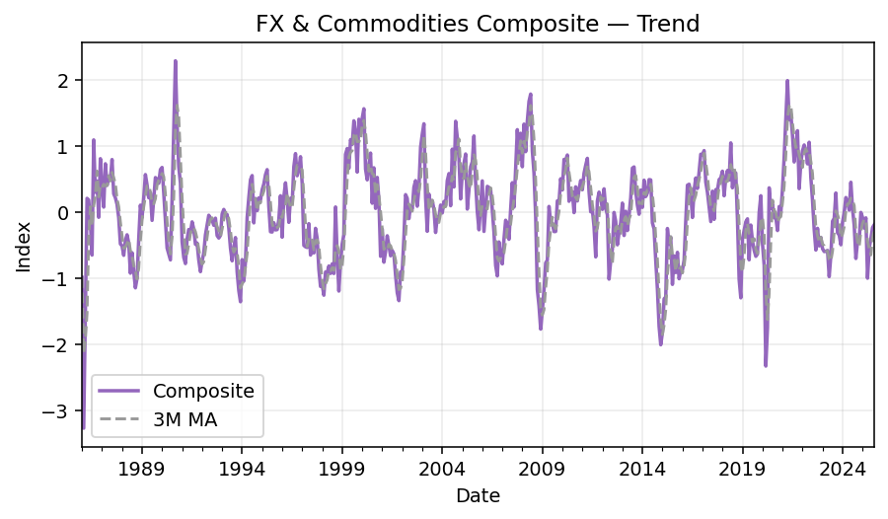
Composite at -0.19; 3m chg +0.35; YoY -3.73%. Momentum over 6m is firming.
 | Date | ThemeComposite | ThemeComposite_3M_MA | ThemeComposite_YoY
 | 1986-01-31 | -0.98720780765 | -0.98720780765
 | 1986-02-28 | -3.2665604251 | -2.1268841164
 | 1986-03-31 | -1.5393736165 | -1.9310472831
 | 1986-04-30 | 0.20598763676 | -1.5333154683
 | 1986-05-31 | 0.18156545688 | -0.38394017429
 | 1986-06-30 | -0.15224504317 | 0.078436016823
 | 1986-07-31 | -0.65051310355 | -0.20706422995
 | 1986-08-31 | 1.0893058586 | 0.095515903954
 | 1986-09-30 | 0.29895639574 | 0.24591638359
 | 1986-10-31 | 0.46831051298 | 0.6188575891
 | 1986-11-30 | -0.079935110372 | 0.22911059945
 | 1986-12-31 | 0.80578434621 | 0.39805324961
 | 1987-01-31 | 0.37938299381 | 0.36841074322 | -1.3842990208
 | 1987-02-28 | 0.074075775164 | 0.41974770506 | -1.0226769952
 | 1987-03-31 | 0.72887800417 | 0.39411225771 | -1.4734899938
 | 1987-04-30 | 0.40268491665 | 0.40187956533 | 0.95489847351
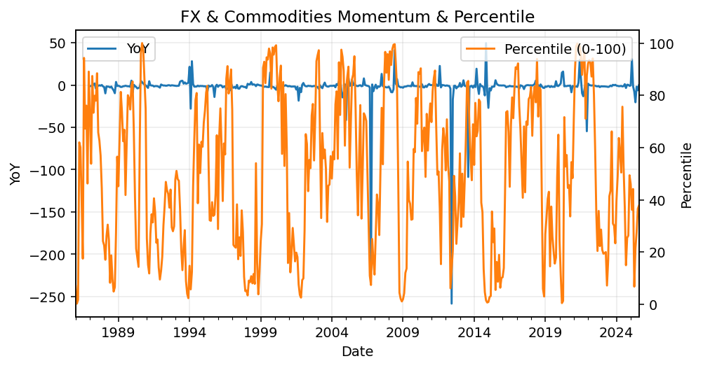
 | 1987-05-31 | 0.51790865 | 0.54982385694 | 1.8524624612
 | 1987-06-30 | 0.48559894865 | 0.46873083844 | -4.1895879075
 | 1987-07-31 | 0.79252062813 | 0.59867607559 | -2.2183007903
 | 1987-08-31 | 0.27442692465 | 0.51751550048 | -0.74807174451
 | 1987-09-30 | 0.2150140872 | 0.42732054666 | -0.28078445464
 | 1987-10-31 | 0.11554302619 | 0.20166134601 | -0.75327689004
 | 1987-11-30 | -0.086938095432 | 0.081206339319 | 0.087608374178
 | 1987-12-31 | -0.4821456433 | -0.15118023751 | -1.5983556836
 | 1988-01-31 | -0.5114596043 | -0.36018111434 | -2.348135295
 | 1988-02-29 | -0.65462556369 | -0.54941027043 | -9.8372421651
 | 1988-03-31 | -0.42807361377 | -0.53138626059 | -1.5873048869
 | 1988-04-30 | -0.3439917966 | -0.47556365802 | -1.8542455463
 | 1988-05-31 | -0.47043052204 | -0.4141653108 | -1.9083272157
 | 1988-06-30 | -0.92443316264 | -0.57961849376 | -2.9036967959
 | 1988-07-31 | -0.61507494931 | -0.66997954466 | -1.7760996086
 | 1988-08-31 | -0.89517923269 | -0.81156244822 | -4.2619949148
 | 1988-09-30 | -1.1463136819 | -0.88552262129 | -6.3313422241
 | 1988-10-31 | -1.0001547888 | -1.0138825678 | -9.656124232
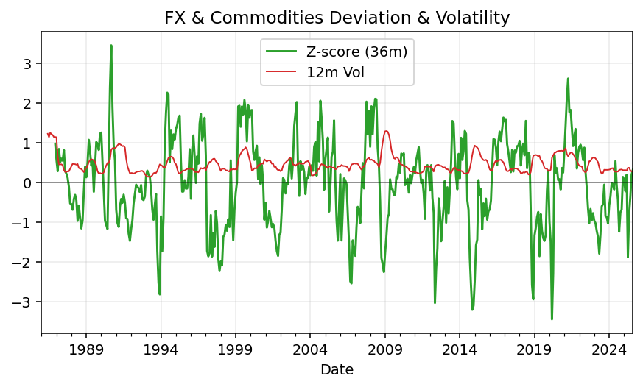
 | 1988-11-30 | -0.40641585002 | -0.85096144024 | 3.6747728715
 | 1988-12-31 | 0.10345291876 | -0.43437257337 | -1.2145677768
 | 1989-01-31 | -0.082851022666 | -0.12860465131 | -0.83801062299
 | 1989-02-28 | 0.21617588642 | 0.078925927506 | -1.3302282991
 | 1989-03-31 | 0.56568757558 | 0.23300414645 | -2.3214726565
 | 1989-04-30 | 0.40806611668 | 0.39664319289 | -2.1862670003
 | 1989-05-31 | 0.21472820708 | 0.39616063311 | -1.4564504151
 | 1989-06-30 | 0.2907087682 | 0.30450103065 | -1.3144724572
 | 1989-07-31 | -0.12629862436 | 0.1263794503 | -0.79466140752
 | 1989-08-31 | 0.20564531475 | 0.12335181953 | -1.2297252966
 | 1989-09-30 | 0.52011191618 | 0.19981953552 | -1.4537256463
 | 1989-10-31 | 0.49729106039 | 0.40768276377 | -1.4972140972
 | 1989-11-30 | 0.43431445391 | 0.48390581016 | -2.0686454622
 | 1989-12-31 | 0.64136770906 | 0.52432440779 | 5.1996096075
 | 1990-01-31 | 0.6729948281 | 0.58289233036 | -9.1229513704
 | 1990-02-28 | 0.28846333507 | 0.53427529074 | 0.33439182252
 | 1990-03-31 | -0.14176111885 | 0.27323234811 | -1.2505996684
 | 1990-04-30 | -0.54511188629 | -0.13280322335 | -2.3358420707

 | 1990-05-31 | -0.63489877001 | -0.44059059172 | -3.9567553264
 | 1990-06-30 | -0.72402471965 | -0.63467845865 | -3.4905499898
 | 1990-07-31 | 0.20153036953 | -0.38579770671 | -2.5956655945
 | 1990-08-31 | 1.220432682 | 0.23264611062 | 4.9346486131
 | 1990-09-30 | 2.2849211993 | 1.2356280836 | 3.393133724
 | 1990-10-31 | 1.3326037556 | 1.6126525456 | 1.6797259427
 | 1990-11-30 | 0.68275643487 | 1.4334271299 | 0.57203249563
 | 1990-12-31 | 0.43629129511 | 0.81721716186 | -0.31974857957
 | 1991-01-31 | -0.44854123723 | 0.22350216425 | -1.6664854149
 | 1991-02-28 | -0.6863895289 | -0.23287982367 | -3.3794688802
 | 1991-03-31 | -0.77950980548 | -0.6381468572 | 4.4987560185
 | 1991-04-30 | -0.40850986514 | -0.6248030665 | -0.25059446434
 | 1991-05-31 | -0.2641337749 | -0.4840511485 | -0.58397497779
 | 1991-06-30 | -0.31034349793 | -0.32766237932 | -0.57136339478
 | 1991-07-31 | -0.14871890967 | -0.24106539416 | -1.7379478836
 | 1991-08-31 | -0.2588589583 | -0.23930712197 | -1.2121042497
 | 1991-09-30 | -0.48880145666 | -0.29879310821 | -1.2139248639
 | 1991-10-31 | -0.46880981502 | -0.40549007666 | -1.3517998603

 | 1991-11-30 | -0.72445232898 | -0.56068786688 | -2.0610699394
 | 1991-12-31 | -0.90168080887 | -0.69831431762 | -3.0666944745
 | 1992-01-31 | -0.73859828808 | -0.78824380865 | 0.64666752302
 | 1992-02-29 | -0.6193785681 | -0.75321922168 | -0.097628180472
 | 1992-03-31 | -0.34681446345 | -0.56826377321 | -0.55508646458
 | 1992-04-30 | -0.19689547144 | -0.38769616766 | -0.51801538166
 | 1992-05-31 | -0.048870968395 | -0.19752696776 | -0.81497645118
 | 1992-06-30 | -0.093399597645 | -0.11305534583 | -0.69904445149
 | 1992-07-31 | -0.12161810938 | -0.087962891808 | -0.18222834168
 | 1992-08-31 | -0.20087965355 | -0.13863245353 | -0.22398029078
 | 1992-09-30 | -0.092988499884 | -0.13849542094 | -0.80976222837
 | 1992-10-31 | -0.35605146047 | -0.2166398713 | -0.24052046467
 | 1992-11-30 | -0.39360707179 | -0.28088234405 | -0.4566832681
 | 1992-12-31 | -0.35458524369 | -0.36808125865 | -0.60675081447
 | 1993-01-31 | -0.03186164438 | -0.26001798662 | -0.95686201161
 | 1993-02-28 | 0.038781778128 | -0.11588836998 | -1.0626140137
 | 1993-03-31 | -0.02578925646 | -0.0062897075703 | -0.92563961663
 | 1993-04-30 | -0.039272024404 | -0.0087598342452 | -0.80054379048
 | 1993-05-31 | -0.23904120452 | -0.10136749513 | 3.8912721065
 | 1993-06-30 | -0.54650887863 | -0.27494070252 | 4.8512979971
 | 1993-07-31 | -0.73787131754 | -0.50780713356 | 5.0671171528
 | 1993-08-31 | -0.53126494633 | -0.6052150475 | 1.6446926652
 | 1993-09-30 | -0.38592325349 | -0.55168650579 | 3.1502256083
 | 1993-10-31 | -0.90689154291 | -0.60802658091 | 1.547079969
 | 1993-11-30 | -1.1884327442 | -0.82708251354 | 2.0193378864
 | 1993-12-31 | -1.3558192023 | -1.1503811632 | 2.8236763274
 | 1994-01-31 | -0.71985948156 | -1.0880371427 | 21.593293459
...

