Qn_4
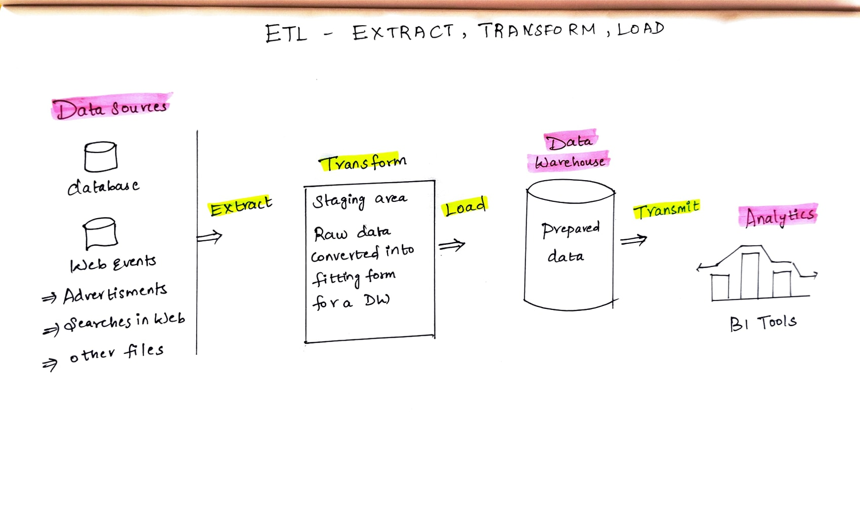
4. Mechanism of ETL

