Day_1 plan
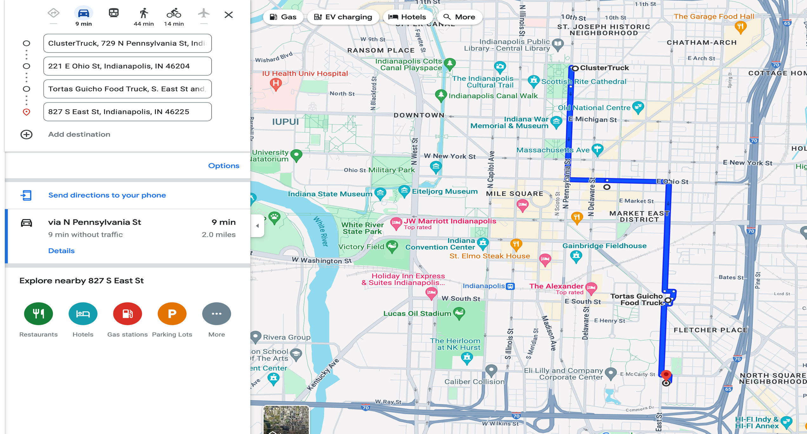
Time | Name | Address | Cuisine | Travel Distance(Miles) | Travel Time(min) | Transportation Type
9 | Cluster Truck | 729 North Pennsylvania Street Indianapolis, IN 46204 | American | N/A | N/A | N/A
13 | Spice Box | 222 East Market Street Booth 3 Indianapolis 46204 | Indian | 1.67 | 3 | Car
11 | Tortas Guicho Food Truck | S. East St and, Fletcher Ave, Indianapolis, IN , 46204 | Mexican | 0.23 | 4 | Walk
15 | General American Donut company | 827 South East Street Indianapolis, IN 46225 | American | 1.25 | 2 | Car

Day_2 plan
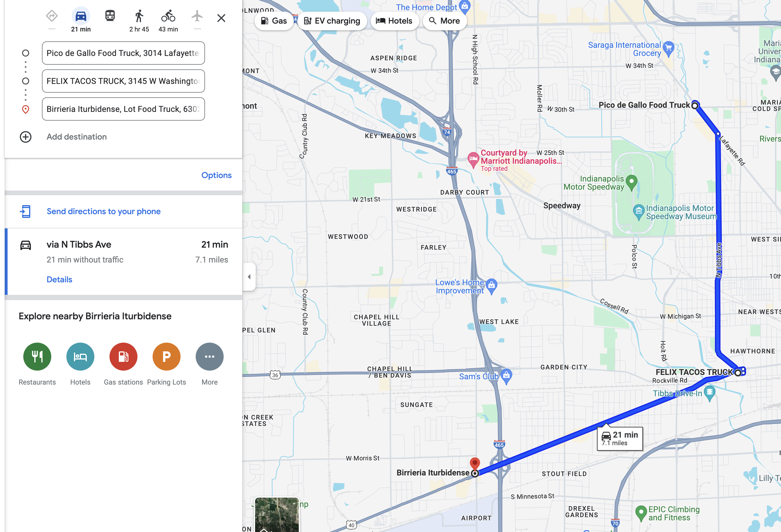
Time | Name | Address | Cuisine | Travel Distance(Miles) | Travel Time(mins) | Transportation Type
16 | Pico de Gallo | 3014 Lafayette Rd #3000, Indianapolis, IN 46222 | Mexican | N/A | N/A | N/A
18 | Felix Tacos Truck | 3145 W Washington St, Indianapolis, IN 46222 | Mex(Tacos) | 3.24 | 9 | Car
20 | Birrieria Iturbidense | Lot Food Truck, 6302 W Washington St, Indianapolis, IN 46241 | Mexican | 3.26 | 11 | Car

