Random Forest detail log
1 | 2 | 3 | 4 | 5 | 6 | 7 | 8 | 9

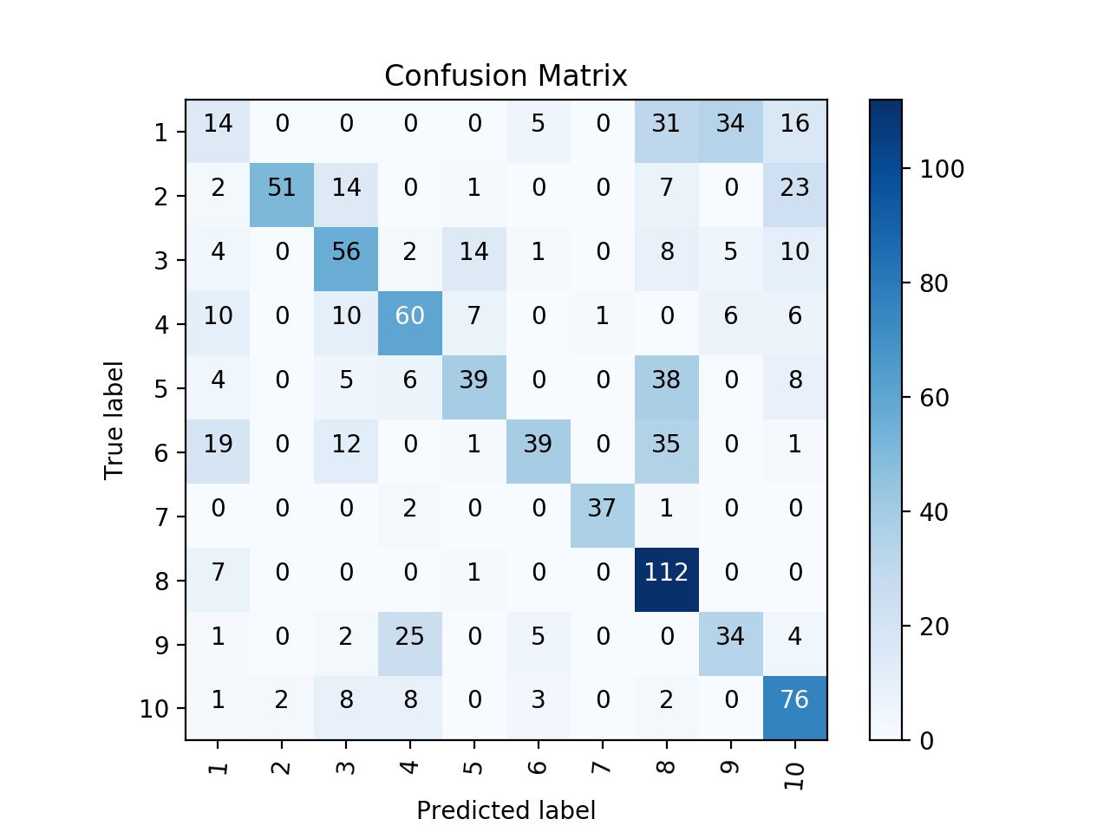
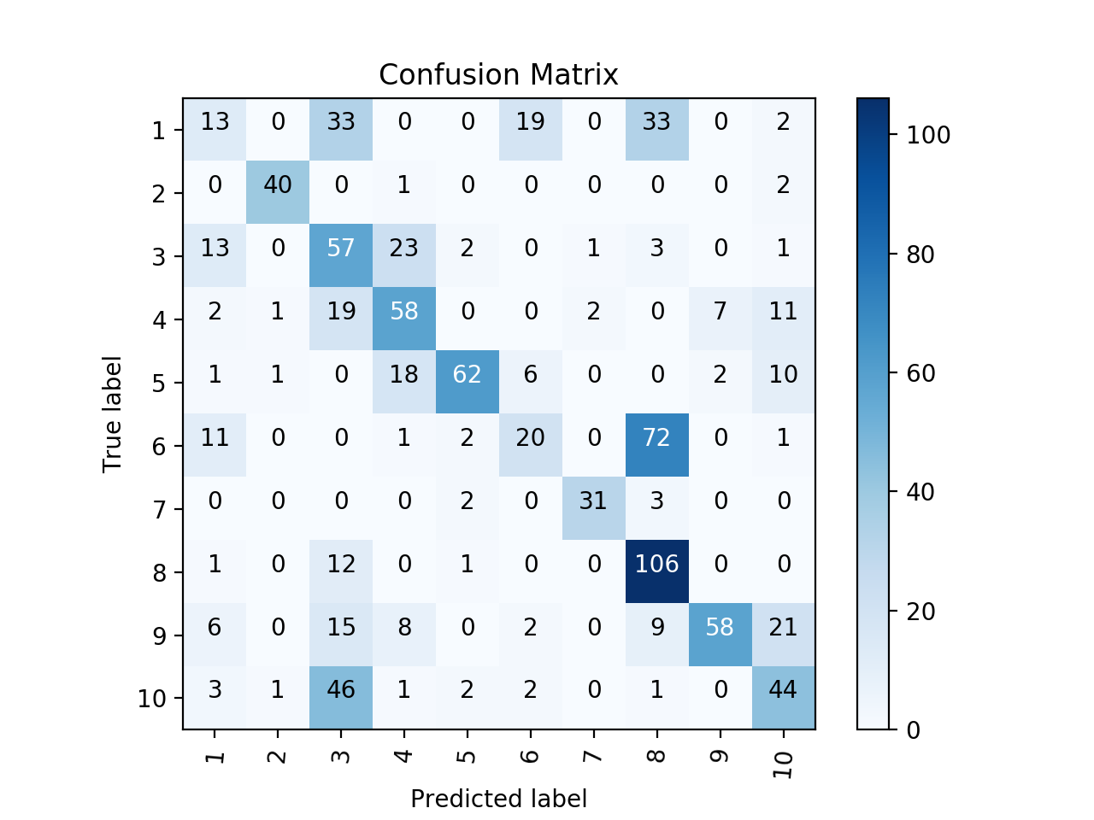
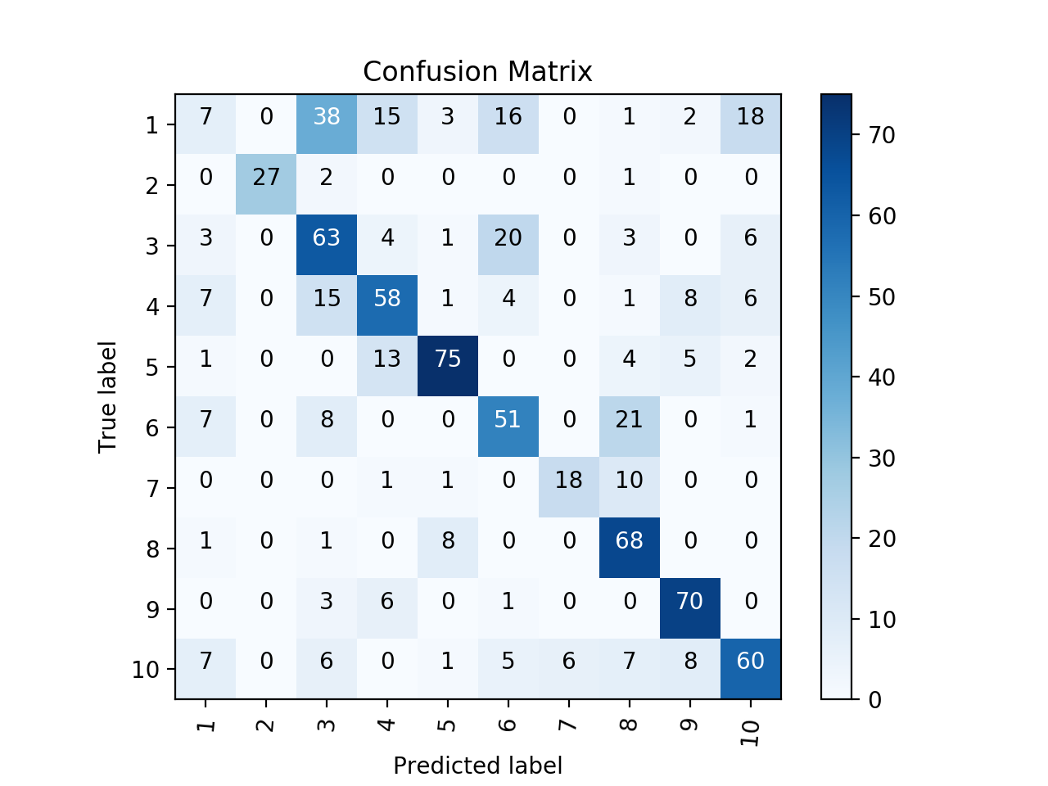
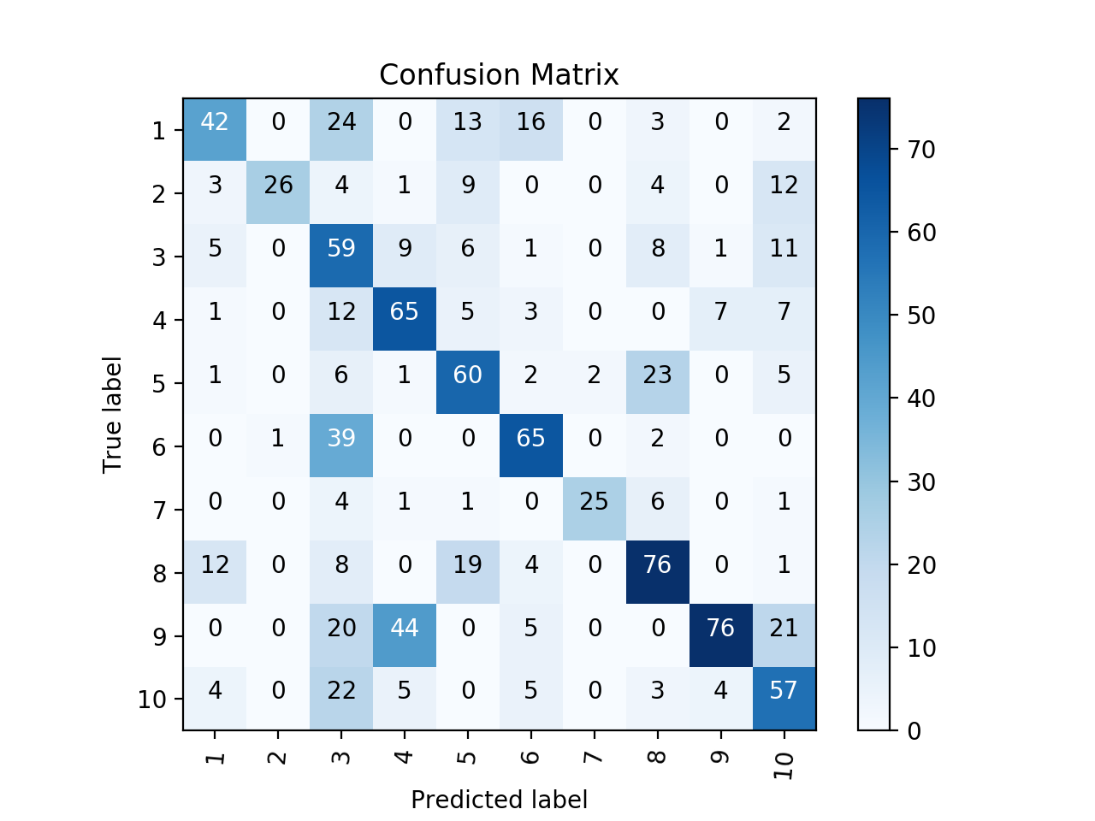
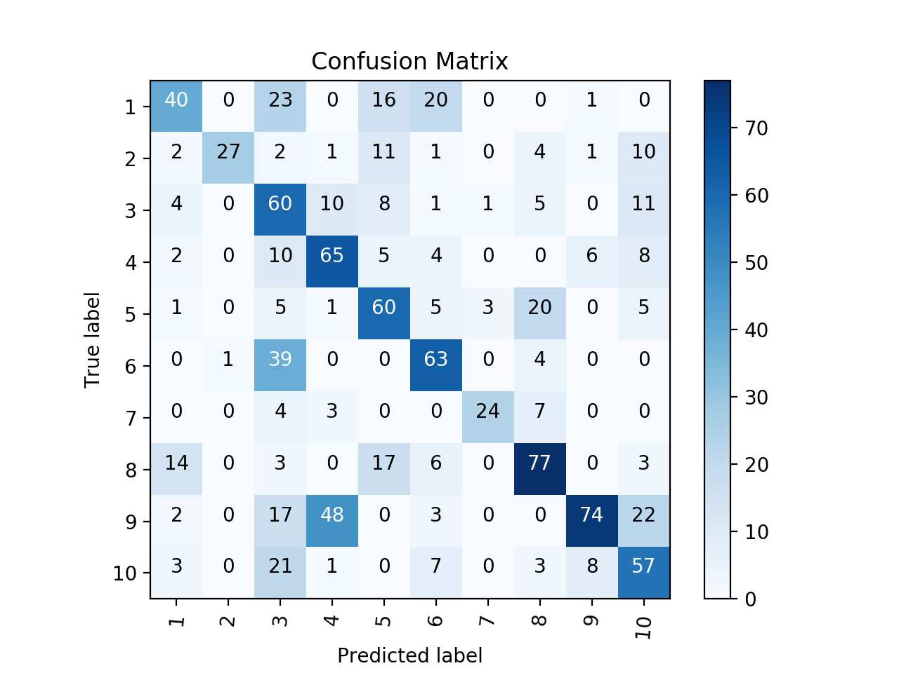
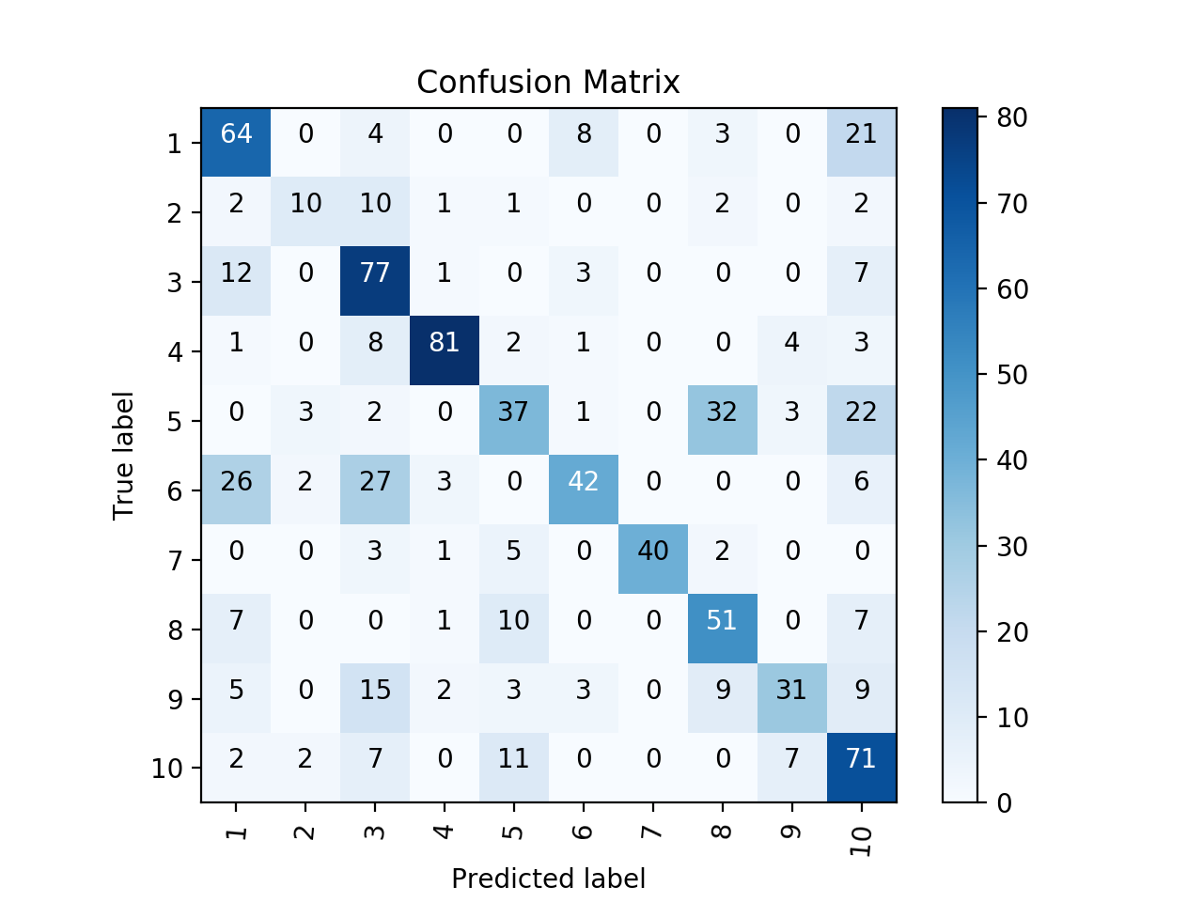
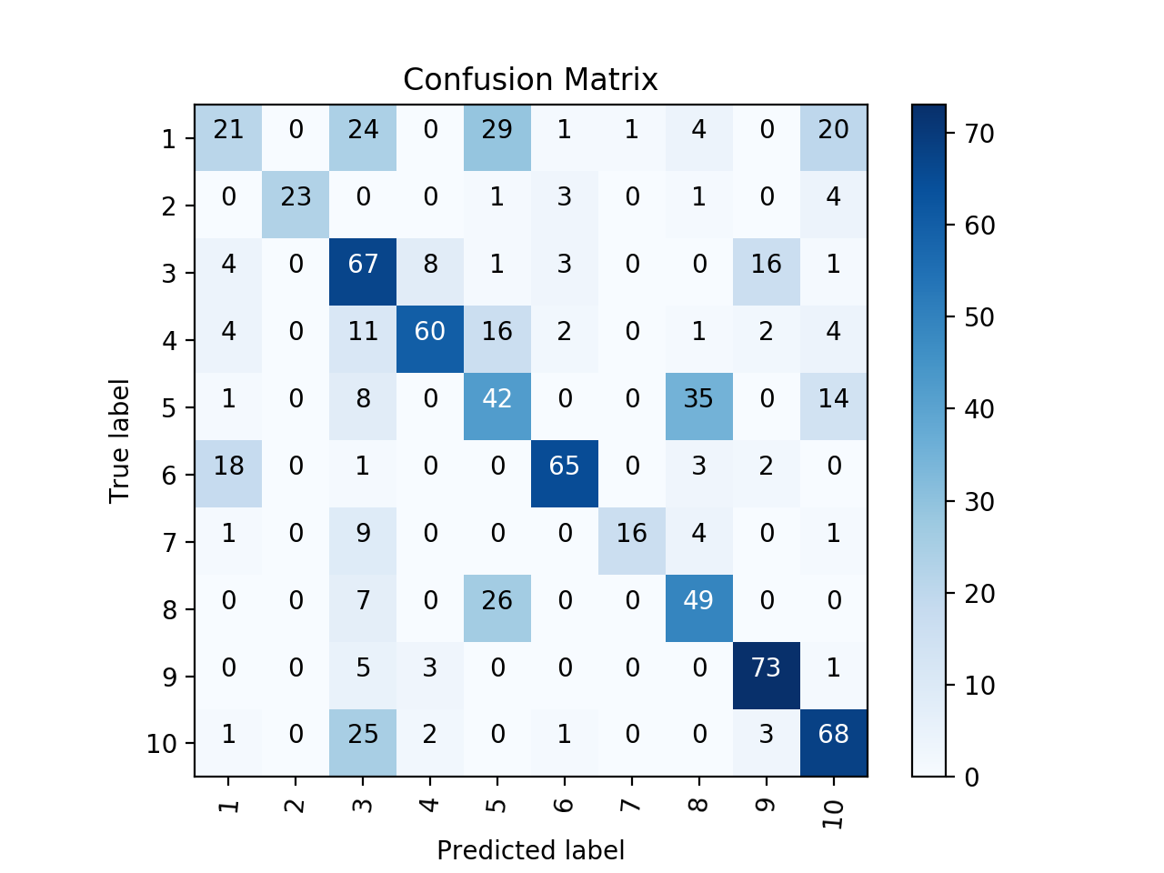
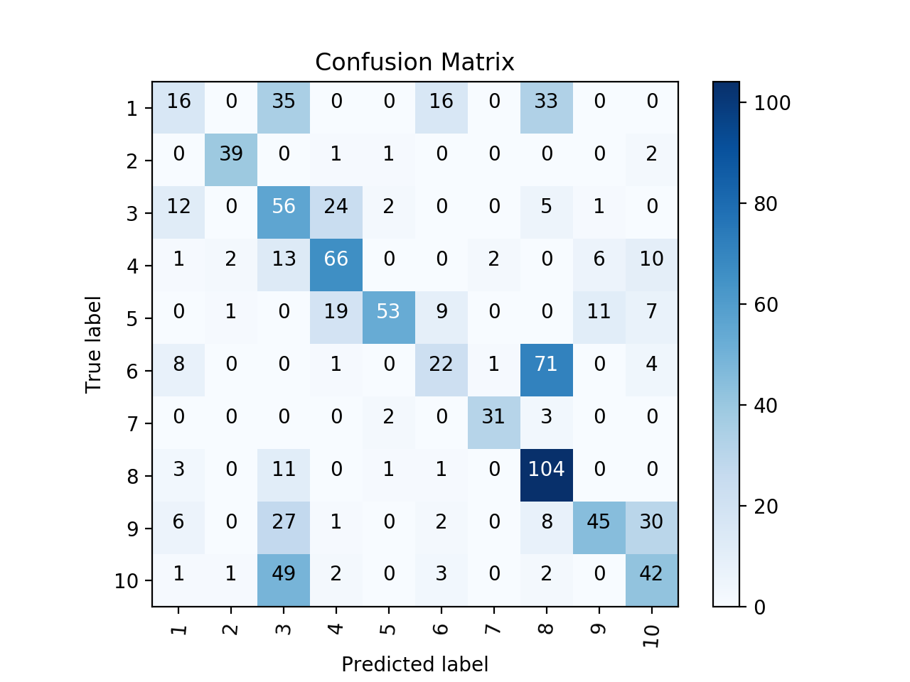
loaded training data: ../../../data193features/features_mean_fold2.pkl , shape: (888, 193) | loaded training data: ../../../data193features/features_mean_fold1.pkl , shape: (873, 193) | loaded training data: ../../../data193features/features_mean_fold1.pkl , shape: (873, 193) | loaded training data: ../../../data193features/features_mean_fold1.pkl , shape: (873, 193) | loaded training data: ../../../data193features/features_mean_fold1.pkl , shape: (873, 193) | loaded training data: ../../../data193features/features_mean_fold1.pkl , shape: (873, 193) | loaded training data: ../../../data193features/features_mean_fold1.pkl , shape: (873, 193) | loaded training data: ../../../data193features/features_mean_fold1.pkl , shape: (873, 193) | loaded training data: ../../../data193features/features_mean_fold1.pkl , shape: (873, 193)
loaded training data: ../../../data193features/features_mean_fold3.pkl , shape: (1813, 193) | loaded training data: ../../../data193features/features_mean_fold2.pkl , shape: (1761, 193) | loaded training data: ../../../data193features/features_mean_fold2.pkl , shape: (1761, 193) | loaded training data: ../../../data193features/features_mean_fold2.pkl , shape: (1761, 193) | loaded training data: ../../../data193features/features_mean_fold2.pkl , shape: (1761, 193) | loaded training data: ../../../data193features/features_mean_fold2.pkl , shape: (1761, 193) | loaded training data: ../../../data193features/features_mean_fold2.pkl , shape: (1761, 193) | loaded training data: ../../../data193features/features_mean_fold2.pkl , shape: (1761, 193) | loaded training data: ../../../data193features/features_mean_fold2.pkl , shape: (1761, 193)
loaded training data: ../../../data193features/features_mean_fold4.pkl , shape: (2803, 193) | loaded training data: ../../../data193features/features_mean_fold3.pkl , shape: (2686, 193) | loaded training data: ../../../data193features/features_mean_fold4.pkl , shape: (2751, 193) | loaded training data: ../../../data193features/features_mean_fold3.pkl , shape: (2686, 193) | loaded training data: ../../../data193features/features_mean_fold3.pkl , shape: (2686, 193) | loaded training data: ../../../data193features/features_mean_fold3.pkl , shape: (2686, 193) | loaded training data: ../../../data193features/features_mean_fold3.pkl , shape: (2686, 193) | loaded training data: ../../../data193features/features_mean_fold3.pkl , shape: (2686, 193) | loaded training data: ../../../data193features/features_mean_fold4.pkl , shape: (2751, 193)
loaded training data: ../../../data193features/features_mean_fold5.pkl , shape: (3739, 193) | loaded training data: ../../../data193features/features_mean_fold4.pkl , shape: (3676, 193) | loaded training data: ../../../data193features/features_mean_fold5.pkl , shape: (3687, 193) | loaded training data: ../../../data193features/features_mean_fold4.pkl , shape: (3676, 193) | loaded training data: ../../../data193features/features_mean_fold4.pkl , shape: (3676, 193) | loaded training data: ../../../data193features/features_mean_fold5.pkl , shape: (3622, 193) | loaded training data: ../../../data193features/features_mean_fold5.pkl , shape: (3622, 193) | loaded training data: ../../../data193features/features_mean_fold4.pkl , shape: (3676, 193) | loaded training data: ../../../data193features/features_mean_fold5.pkl , shape: (3687, 193)
loaded training data: ../../../data193features/features_mean_fold6.pkl , shape: (4562, 193) | loaded training data: ../../../data193features/features_mean_fold6.pkl , shape: (4499, 193) | loaded training data: ../../../data193features/features_mean_fold6.pkl , shape: (4510, 193) | loaded training data: ../../../data193features/features_mean_fold5.pkl , shape: (4612, 193) | loaded training data: ../../../data193features/features_mean_fold5.pkl , shape: (4612, 193) | loaded training data: ../../../data193features/features_mean_fold6.pkl , shape: (4445, 193) | loaded training data: ../../../data193features/features_mean_fold6.pkl , shape: (4445, 193) | loaded training data: ../../../data193features/features_mean_fold5.pkl , shape: (4612, 193) | loaded training data: ../../../data193features/features_mean_fold6.pkl , shape: (4510, 193)
loaded training data: ../../../data193features/features_mean_fold7.pkl , shape: (5400, 193) | loaded training data: ../../../data193features/features_mean_fold7.pkl , shape: (5337, 193) | loaded training data: ../../../data193features/features_mean_fold7.pkl , shape: (5348, 193) | loaded training data: ../../../data193features/features_mean_fold6.pkl , shape: (5435, 193) | loaded training data: ../../../data193features/features_mean_fold6.pkl , shape: (5435, 193) | loaded training data: ../../../data193features/features_mean_fold7.pkl , shape: (5283, 193) | loaded training data: ../../../data193features/features_mean_fold7.pkl , shape: (5283, 193) | loaded training data: ../../../data193features/features_mean_fold6.pkl , shape: (5435, 193) | loaded training data: ../../../data193features/features_mean_fold7.pkl , shape: (5348, 193)
loaded training data: ../../../data193features/features_mean_fold8.pkl , shape: (6206, 193) | loaded training data: ../../../data193features/features_mean_fold8.pkl , shape: (6143, 193) | loaded training data: ../../../data193features/features_mean_fold8.pkl , shape: (6154, 193) | loaded training data: ../../../data193features/features_mean_fold7.pkl , shape: (6273, 193) | loaded training data: ../../../data193features/features_mean_fold7.pkl , shape: (6273, 193) | loaded training data: ../../../data193features/features_mean_fold8.pkl , shape: (6089, 193) | loaded training data: ../../../data193features/features_mean_fold8.pkl , shape: (6089, 193) | loaded training data: ../../../data193features/features_mean_fold8.pkl , shape: (6241, 193) | loaded training data: ../../../data193features/features_mean_fold8.pkl , shape: (6154, 193)
loaded training data: ../../../data193features/features_mean_fold9.pkl , shape: (7022, 193) | loaded training data: ../../../data193features/features_mean_fold9.pkl , shape: (6959, 193) | loaded training data: ../../../data193features/features_mean_fold9.pkl , shape: (6970, 193) | loaded training data: ../../../data193features/features_mean_fold9.pkl , shape: (7089, 193) | loaded training data: ../../../data193features/features_mean_fold8.pkl , shape: (7079, 193) | loaded training data: ../../../data193features/features_mean_fold9.pkl , shape: (6905, 193) | loaded training data: ../../../data193features/features_mean_fold9.pkl , shape: (6905, 193) | loaded training data: ../../../data193features/features_mean_fold9.pkl , shape: (7057, 193) | loaded training data: ../../../data193features/features_mean_fold9.pkl , shape: (6970, 193)
loaded training data: ../../../data193features/features_mean_fold10.pkl , shape: (7859, 193) | loaded training data: ../../../data193features/features_mean_fold10.pkl , shape: (7796, 193) | loaded training data: ../../../data193features/features_mean_fold10.pkl , shape: (7807, 193) | loaded training data: ../../../data193features/features_mean_fold10.pkl , shape: (7926, 193) | loaded training data: ../../../data193features/features_mean_fold10.pkl , shape: (7916, 193) | loaded training data: ../../../data193features/features_mean_fold10.pkl , shape: (7742, 193) | loaded training data: ../../../data193features/features_mean_fold10.pkl , shape: (7742, 193) | loaded training data: ../../../data193features/features_mean_fold10.pkl , shape: (7894, 193) | loaded training data: ../../../data193features/features_mean_fold10.pkl , shape: (7807, 193)
loaded training label: ../../../data193features/labels_mean_fold2.pkl , shape: (888, 10) | loaded training label: ../../../data193features/labels_mean_fold1.pkl , shape: (873, 10) | loaded training label: ../../../data193features/labels_mean_fold1.pkl , shape: (873, 10) | loaded training label: ../../../data193features/labels_mean_fold1.pkl , shape: (873, 10) | loaded training label: ../../../data193features/labels_mean_fold1.pkl , shape: (873, 10) | loaded training label: ../../../data193features/labels_mean_fold1.pkl , shape: (873, 10) | loaded training label: ../../../data193features/labels_mean_fold1.pkl , shape: (873, 10) | loaded training label: ../../../data193features/labels_mean_fold1.pkl , shape: (873, 10) | loaded training label: ../../../data193features/labels_mean_fold1.pkl , shape: (873, 10)
loaded training label: ../../../data193features/labels_mean_fold3.pkl , shape: (1813, 10) | loaded training label: ../../../data193features/labels_mean_fold2.pkl , shape: (1761, 10) | loaded training label: ../../../data193features/labels_mean_fold2.pkl , shape: (1761, 10) | loaded training label: ../../../data193features/labels_mean_fold2.pkl , shape: (1761, 10) | loaded training label: ../../../data193features/labels_mean_fold2.pkl , shape: (1761, 10) | loaded training label: ../../../data193features/labels_mean_fold2.pkl , shape: (1761, 10) | loaded training label: ../../../data193features/labels_mean_fold2.pkl , shape: (1761, 10) | loaded training label: ../../../data193features/labels_mean_fold2.pkl , shape: (1761, 10) | loaded training label: ../../../data193features/labels_mean_fold2.pkl , shape: (1761, 10)
loaded training label: ../../../data193features/labels_mean_fold4.pkl , shape: (2803, 10) | loaded training label: ../../../data193features/labels_mean_fold3.pkl , shape: (2686, 10) | loaded training label: ../../../data193features/labels_mean_fold4.pkl , shape: (2751, 10) | loaded training label: ../../../data193features/labels_mean_fold3.pkl , shape: (2686, 10) | loaded training label: ../../../data193features/labels_mean_fold3.pkl , shape: (2686, 10) | loaded training label: ../../../data193features/labels_mean_fold3.pkl , shape: (2686, 10) | loaded training label: ../../../data193features/labels_mean_fold3.pkl , shape: (2686, 10) | loaded training label: ../../../data193features/labels_mean_fold3.pkl , shape: (2686, 10) | loaded training label: ../../../data193features/labels_mean_fold4.pkl , shape: (2751, 10)
loaded training label: ../../../data193features/labels_mean_fold5.pkl , shape: (3739, 10) | loaded training label: ../../../data193features/labels_mean_fold4.pkl , shape: (3676, 10) | loaded training label: ../../../data193features/labels_mean_fold5.pkl , shape: (3687, 10) | loaded training label: ../../../data193features/labels_mean_fold4.pkl , shape: (3676, 10) | loaded training label: ../../../data193features/labels_mean_fold4.pkl , shape: (3676, 10) | loaded training label: ../../../data193features/labels_mean_fold5.pkl , shape: (3622, 10) | loaded training label: ../../../data193features/labels_mean_fold5.pkl , shape: (3622, 10) | loaded training label: ../../../data193features/labels_mean_fold4.pkl , shape: (3676, 10) | loaded training label: ../../../data193features/labels_mean_fold5.pkl , shape: (3687, 10)
loaded training label: ../../../data193features/labels_mean_fold6.pkl , shape: (4562, 10) | loaded training label: ../../../data193features/labels_mean_fold6.pkl , shape: (4499, 10) | loaded training label: ../../../data193features/labels_mean_fold6.pkl , shape: (4510, 10) | loaded training label: ../../../data193features/labels_mean_fold5.pkl , shape: (4612, 10) | loaded training label: ../../../data193features/labels_mean_fold5.pkl , shape: (4612, 10) | loaded training label: ../../../data193features/labels_mean_fold6.pkl , shape: (4445, 10) | loaded training label: ../../../data193features/labels_mean_fold6.pkl , shape: (4445, 10) | loaded training label: ../../../data193features/labels_mean_fold5.pkl , shape: (4612, 10) | loaded training label: ../../../data193features/labels_mean_fold6.pkl , shape: (4510, 10)
loaded training label: ../../../data193features/labels_mean_fold7.pkl , shape: (5400, 10) | loaded training label: ../../../data193features/labels_mean_fold7.pkl , shape: (5337, 10) | loaded training label: ../../../data193features/labels_mean_fold7.pkl , shape: (5348, 10) | loaded training label: ../../../data193features/labels_mean_fold6.pkl , shape: (5435, 10) | loaded training label: ../../../data193features/labels_mean_fold6.pkl , shape: (5435, 10) | loaded training label: ../../../data193features/labels_mean_fold7.pkl , shape: (5283, 10) | loaded training label: ../../../data193features/labels_mean_fold7.pkl , shape: (5283, 10) | loaded training label: ../../../data193features/labels_mean_fold6.pkl , shape: (5435, 10) | loaded training label: ../../../data193features/labels_mean_fold7.pkl , shape: (5348, 10)
loaded training label: ../../../data193features/labels_mean_fold8.pkl , shape: (6206, 10) | loaded training label: ../../../data193features/labels_mean_fold8.pkl , shape: (6143, 10) | loaded training label: ../../../data193features/labels_mean_fold8.pkl , shape: (6154, 10) | loaded training label: ../../../data193features/labels_mean_fold7.pkl , shape: (6273, 10) | loaded training label: ../../../data193features/labels_mean_fold7.pkl , shape: (6273, 10) | loaded training label: ../../../data193features/labels_mean_fold8.pkl , shape: (6089, 10) | loaded training label: ../../../data193features/labels_mean_fold8.pkl , shape: (6089, 10) | loaded training label: ../../../data193features/labels_mean_fold8.pkl , shape: (6241, 10) | loaded training label: ../../../data193features/labels_mean_fold8.pkl , shape: (6154, 10)
loaded training label: ../../../data193features/labels_mean_fold9.pkl , shape: (7022, 10) | loaded training label: ../../../data193features/labels_mean_fold9.pkl , shape: (6959, 10) | loaded training label: ../../../data193features/labels_mean_fold9.pkl , shape: (6970, 10) | loaded training label: ../../../data193features/labels_mean_fold9.pkl , shape: (7089, 10) | loaded training label: ../../../data193features/labels_mean_fold8.pkl , shape: (7079, 10) | loaded training label: ../../../data193features/labels_mean_fold9.pkl , shape: (6905, 10) | loaded training label: ../../../data193features/labels_mean_fold9.pkl , shape: (6905, 10) | loaded training label: ../../../data193features/labels_mean_fold9.pkl , shape: (7057, 10) | loaded training label: ../../../data193features/labels_mean_fold9.pkl , shape: (6970, 10)
loaded training label: ../../../data193features/labels_mean_fold10.pkl , shape: (7859, 10) | loaded training label: ../../../data193features/labels_mean_fold10.pkl , shape: (7796, 10) | loaded training label: ../../../data193features/labels_mean_fold10.pkl , shape: (7807, 10) | loaded training label: ../../../data193features/labels_mean_fold10.pkl , shape: (7926, 10) | loaded training label: ../../../data193features/labels_mean_fold10.pkl , shape: (7916, 10) | loaded training label: ../../../data193features/labels_mean_fold10.pkl , shape: (7742, 10) | loaded training label: ../../../data193features/labels_mean_fold10.pkl , shape: (7742, 10) | loaded training label: ../../../data193features/labels_mean_fold10.pkl , shape: (7894, 10) | loaded training label: ../../../data193features/labels_mean_fold10.pkl , shape: (7807, 10)
loaded testing data: ../../../data193features/features_mean_fold1.pkl , shape: (873, 193) | loaded testing data: ../../../data193features/features_mean_fold5.pkl , shape: (936, 193) | loaded testing data: ../../../data193features/features_mean_fold3.pkl , shape: (925, 193) | loaded testing data: ../../../data193features/features_mean_fold8.pkl , shape: (806, 193) | loaded testing data: ../../../data193features/features_mean_fold9.pkl , shape: (816, 193) | loaded testing data: ../../../data193features/features_mean_fold4.pkl , shape: (990, 193) | loaded testing data: ../../../data193features/features_mean_fold4.pkl , shape: (990, 193) | loaded testing data: ../../../data193features/features_mean_fold7.pkl , shape: (838, 193) | loaded testing data: ../../../data193features/features_mean_fold3.pkl , shape: (925, 193)
loaded testing label: ../../../data193features/labels_mean_fold1.pkl , shape: (873, 10) | loaded testing label: ../../../data193features/labels_mean_fold5.pkl , shape: (936, 10) | loaded testing label: ../../../data193features/labels_mean_fold3.pkl , shape: (925, 10) | loaded testing label: ../../../data193features/labels_mean_fold8.pkl , shape: (806, 10) | loaded testing label: ../../../data193features/labels_mean_fold9.pkl , shape: (816, 10) | loaded testing label: ../../../data193features/labels_mean_fold4.pkl , shape: (990, 10) | loaded testing label: ../../../data193features/labels_mean_fold4.pkl , shape: (990, 10) | loaded testing label: ../../../data193features/labels_mean_fold7.pkl , shape: (838, 10) | loaded testing label: ../../../data193features/labels_mean_fold3.pkl , shape: (925, 10)
forest model fit start: 2018-04-13 03:48:03 | forest model fit start: 2018-04-13 03:54:46 | forest model fit start: 2018-04-13 04:16:07 | forest model fit start: 2018-04-13 04:16:52 | forest model fit start: 2018-04-13 04:23:33 | forest model fit start: 2018-04-13 04:40:36 | forest model fit start: 2018-04-13 04:41:22 | forest model fit start: 2018-04-13 04:51:30 | forest model fit start: 2018-04-13 04:52:19
Parameters: n_estimator = 100 , max_depth = 6 , min_samples_leaf = 30 | Parameters: n_estimator = 100 , max_depth = 6 , min_samples_leaf = 30 | Parameters: n_estimator = 100 , max_depth = 6 , min_samples_leaf = 30 | Parameters: n_estimator = 100 , max_depth = 6 , min_samples_leaf = 30 | Parameters: n_estimator = 100 , max_depth = 6 , min_samples_leaf = 30 | Parameters: n_estimator = 100 , max_depth = 6 , min_samples_leaf = 30 | Parameters: n_estimator = 100 , max_depth = 6 , min_samples_leaf = 30 | Parameters: n_estimator = 100 , max_depth = 6 , min_samples_leaf = 30 | Parameters: n_estimator = 100 , max_depth = 6 , min_samples_leaf = 30
forest model fit start: 2018-04-13 03:48:03 | forest model fit start: 2018-04-13 03:54:46 | forest model fit start: 2018-04-13 04:16:07 | forest model fit start: 2018-04-13 04:16:52 | forest model fit start: 2018-04-13 04:23:33 | forest model fit start: 2018-04-13 04:40:36 | forest model fit start: 2018-04-13 04:41:22 | forest model fit start: 2018-04-13 04:51:30 | forest model fit start: 2018-04-13 04:52:19
forest model fit end: 2018-04-13 03:48:48 | forest model fit end: 2018-04-13 03:55:29 | forest model fit end: 2018-04-13 04:16:51 | forest model fit end: 2018-04-13 04:17:39 | forest model fit end: 2018-04-13 04:24:21 | forest model fit end: 2018-04-13 04:41:21 | forest model fit end: 2018-04-13 04:42:08 | forest model fit end: 2018-04-13 04:52:19 | forest model fit end: 2018-04-13 04:53:05
forest model predict start: 2018-04-13 03:48:48 | forest model predict start: 2018-04-13 03:55:29 | forest model predict start: 2018-04-13 04:16:51 | forest model predict start: 2018-04-13 04:17:39 | forest model predict start: 2018-04-13 04:24:21 | forest model predict start: 2018-04-13 04:41:21 | forest model predict start: 2018-04-13 04:42:08 | forest model predict start: 2018-04-13 04:52:19 | forest model predict start: 2018-04-13 04:53:05
forest model predict end: 2018-04-13 03:48:48 | forest model predict end: 2018-04-13 03:55:29 | forest model predict end: 2018-04-13 04:16:52 | forest model predict end: 2018-04-13 04:17:39 | forest model predict end: 2018-04-13 04:24:21 | forest model predict end: 2018-04-13 04:41:21 | forest model predict end: 2018-04-13 04:42:09 | forest model predict end: 2018-04-13 04:52:19 | forest model predict end: 2018-04-13 04:53:05
accuracy: 0.5372279495990836 469 / 873 | accuracy: 0.5534188034188035 518 / 936 | accuracy: 0.5286486486486487 489 / 925 | accuracy: 0.6166253101736973 497 / 806 | accuracy: 0.5931372549019608 484 / 816 | accuracy: 0.5565656565656566 551 / 990 | accuracy: 0.5525252525252525 547 / 990 | accuracy: 0.6014319809069213 504 / 838 | accuracy: 0.5124324324324324 474 / 925
Testing folds: [1.] | Testing folds: [5.] | Testing folds: [3.] | Testing folds: [8.] | Testing folds: [9.] | Testing folds: [4.] | Testing folds: [4.] | Testing folds: [7.] | Testing folds: [3.]
Training folds: [2, 3, 4, 5, 6, 7, 8, 9, 10] | Training folds: [1, 2, 3, 4, 6, 7, 8, 9, 10] | Training folds: [1, 2, 4, 5, 6, 7, 8, 9, 10] | Training folds: [1, 2, 3, 4, 5, 6, 7, 9, 10] | Training folds: [1, 2, 3, 4, 5, 6, 7, 8, 10] | Training folds: [1, 2, 3, 5, 6, 7, 8, 9, 10] | Training folds: [1, 2, 3, 5, 6, 7, 8, 9, 10] | Training folds: [1, 2, 3, 4, 5, 6, 8, 9, 10] | Training folds: [1, 2, 4, 5, 6, 7, 8, 9, 10]
Confusion Matrix | Confusion Matrix | Confusion Matrix | Confusion Matrix | Confusion Matrix | Confusion Matrix | Confusion Matrix | Confusion Matrix | Confusion Matrix
confusion matrix: | confusion matrix: | confusion matrix: | confusion matrix: | confusion matrix: | confusion matrix: | confusion matrix: | confusion matrix: | confusion matrix:
[[12 0 32 0 0 23 0 3 0 30] | [[ 14 0 0 0 0 5 0 31 34 16] | [[ 13 0 33 0 0 19 0 33 0 2] | [[ 7 0 38 15 3 16 0 1 2 18] | [[21 0 24 0 29 1 1 4 0 20] | [[42 0 24 0 13 16 0 3 0 2] | [[40 0 23 0 16 20 0 0 1 0] | [[64 0 4 0 0 8 0 3 0 21] | [[ 16 0 35 0 0 16 0 33 0 0]
[ 0 28 0 0 1 1 0 1 0 5] | [ 2 51 14 0 1 0 0 7 0 23] | [ 0 40 0 1 0 0 0 0 0 2] | [ 0 27 2 0 0 0 0 1 0 0] | [ 0 23 0 0 1 3 0 1 0 4] | [ 3 26 4 1 9 0 0 4 0 12] | [ 2 27 2 1 11 1 0 4 1 10] | [ 2 10 10 1 1 0 0 2 0 2] | [ 0 39 0 1 1 0 0 0 0 2]
[ 3 0 60 8 8 1 0 0 9 11] | [ 4 0 56 2 14 1 0 8 5 10] | [ 13 0 57 23 2 0 1 3 0 1] | [ 3 0 63 4 1 20 0 3 0 6] | [ 4 0 67 8 1 3 0 0 16 1] | [ 5 0 59 9 6 1 0 8 1 11] | [ 4 0 60 10 8 1 1 5 0 11] | [12 0 77 1 0 3 0 0 0 7] | [ 12 0 56 24 2 0 0 5 1 0]
[ 1 4 13 62 7 3 0 0 5 5] | [ 10 0 10 60 7 0 1 0 6 6] | [ 2 1 19 58 0 0 2 0 7 11] | [ 7 0 15 58 1 4 0 1 8 6] | [ 4 0 11 60 16 2 0 1 2 4] | [ 1 0 12 65 5 3 0 0 7 7] | [ 2 0 10 65 5 4 0 0 6 8] | [ 1 0 8 81 2 1 0 0 4 3] | [ 1 2 13 66 0 0 2 0 6 10]
[ 7 2 18 3 61 0 0 5 1 3] | [ 4 0 5 6 39 0 0 38 0 8] | [ 1 1 0 18 62 6 0 0 2 10] | [ 1 0 0 13 75 0 0 4 5 2] | [ 1 0 8 0 42 0 0 35 0 14] | [ 1 0 6 1 60 2 2 23 0 5] | [ 1 0 5 1 60 5 3 20 0 5] | [ 0 3 2 0 37 1 0 32 3 22] | [ 0 1 0 19 53 9 0 0 11 7]
[13 0 0 31 0 44 0 8 0 0] | [ 19 0 12 0 1 39 0 35 0 1] | [ 11 0 0 1 2 20 0 72 0 1] | [ 7 0 8 0 0 51 0 21 0 1] | [18 0 1 0 0 65 0 3 2 0] | [ 0 1 39 0 0 65 0 2 0 0] | [ 0 1 39 0 0 63 0 4 0 0] | [26 2 27 3 0 42 0 0 0 6] | [ 8 0 0 1 0 22 1 71 0 4]
[ 8 0 3 3 9 4 7 1 0 0] | [ 0 0 0 2 0 0 37 1 0 0] | [ 0 0 0 0 2 0 31 3 0 0] | [ 0 0 0 1 1 0 18 10 0 0] | [ 1 0 9 0 0 0 16 4 0 1] | [ 0 0 4 1 1 0 25 6 0 1] | [ 0 0 4 3 0 0 24 7 0 0] | [ 0 0 3 1 5 0 40 2 0 0] | [ 0 0 0 0 2 0 31 3 0 0]
[11 0 0 0 33 0 3 71 0 2] | [ 7 0 0 0 1 0 0 112 0 0] | [ 1 0 12 0 1 0 0 106 0 0] | [ 1 0 1 0 8 0 0 68 0 0] | [ 0 0 7 0 26 0 0 49 0 0] | [12 0 8 0 19 4 0 76 0 1] | [14 0 3 0 17 6 0 77 0 3] | [ 7 0 0 1 10 0 0 51 0 7] | [ 3 0 11 0 1 1 0 104 0 0]
[ 0 0 10 0 1 6 0 0 67 2] | [ 1 0 2 25 0 5 0 0 34 4] | [ 6 0 15 8 0 2 0 9 58 21] | [ 0 0 3 6 0 1 0 0 70 0] | [ 0 0 5 3 0 0 0 0 73 1] | [ 0 0 20 44 0 5 0 0 76 21] | [ 2 0 17 48 0 3 0 0 74 22] | [ 5 0 15 2 3 3 0 9 31 9] | [ 6 0 27 1 0 2 0 8 45 30]
[ 3 0 19 1 7 1 1 4 7 57]] | [ 1 2 8 8 0 3 0 2 0 76]] | [ 3 1 46 1 2 2 0 1 0 44]] | [ 7 0 6 0 1 5 6 7 8 60]] | [ 1 0 25 2 0 1 0 0 3 68]] | [ 4 0 22 5 0 5 0 3 4 57]] | [ 3 0 21 1 0 7 0 3 8 57]] | [ 2 2 7 0 11 0 0 0 7 71]] | [ 1 1 49 2 0 3 0 2 0 42]]
precision recall f1-score support | precision recall f1-score support | precision recall f1-score support | precision recall f1-score support | precision recall f1-score support | precision recall f1-score support | precision recall f1-score support | precision recall f1-score support | precision recall f1-score support
1 0.21 0.12 0.15 100 | 1 0.23 0.14 0.17 100
2 0.82 0.78 0.80 36 | 2 0.96 0.52 0.68 98 | 1 0.26 0.13 0.17 100 | 1 0.21 0.07 0.11 100 | 1 0.42 0.21 0.28 100 | 1 0.62 0.42 0.50 100 | 1 0.59 0.40 0.48 100 | 1 0.54 0.64 0.58 100 | 1 0.34 0.16 0.22 100
3 0.39 0.60 0.47 100 | 3 0.52 0.56 0.54 100 | 2 0.93 0.93 0.93 43 | 2 1.00 0.90 0.95 30 | 2 1.00 0.72 0.84 32 | 2 0.96 0.44 0.60 59 | 2 0.96 0.46 0.62 59 | 2 0.59 0.36 0.44 28 | 2 0.91 0.91 0.91 43
4 0.57 0.62 0.60 100 | 4 0.58 0.60 0.59 100 | 3 0.31 0.57 0.40 100 | 3 0.46 0.63 0.53 100 | 3 0.43 0.67 0.52 100 | 3 0.30 0.59 0.40 100 | 3 0.33 0.60 0.42 100 | 3 0.50 0.77 0.61 100 | 3 0.29 0.56 0.38 100
5 0.48 0.61 0.54 100 | 5 0.62 0.39 0.48 100 | 4 0.53 0.58 0.55 100 | 4 0.60 0.58 0.59 100 | 4 0.82 0.60 0.69 100 | 4 0.52 0.65 0.58 100 | 4 0.50 0.65 0.57 100 | 4 0.90 0.81 0.85 100 | 4 0.58 0.66 0.62 100
6 0.53 0.46 0.49 96 | 6 0.74 0.36 0.49 107 | 5 0.87 0.62 0.73 100 | 5 0.83 0.75 0.79 100 | 5 0.37 0.42 0.39 100 | 5 0.53 0.60 0.56 100 | 5 0.51 0.60 0.55 100 | 5 0.54 0.37 0.44 100 | 5 0.90 0.53 0.67 100
7 0.64 0.20 0.30 35 | 7 0.97 0.93 0.95 40 | 6 0.41 0.19 0.26 107 | 6 0.53 0.58 0.55 88 | 6 0.87 0.73 0.79 89 | 6 0.64 0.61 0.62 107 | 6 0.57 0.59 0.58 107 | 6 0.72 0.40 0.51 106 | 6 0.42 0.21 0.28 107
8 0.76 0.59 0.67 120 | 8 0.48 0.93 0.63 120 | 7 0.91 0.86 0.89 36 | 7 0.75 0.60 0.67 30 | 7 0.94 0.52 0.67 31 | 7 0.93 0.66 0.77 38 | 7 0.86 0.63 0.73 38 | 7 1.00 0.78 0.88 51 | 7 0.91 0.86 0.89 36
9 0.75 0.78 0.77 86 | 9 0.43 0.48 0.45 71 | 8 0.47 0.88 0.61 120 | 8 0.59 0.87 0.70 78 | 8 0.51 0.60 0.55 82 | 8 0.61 0.63 0.62 120 | 8 0.64 0.64 0.64 120 | 8 0.52 0.67 0.58 76 | 8 0.46 0.87 0.60 120
10 0.50 0.57 0.53 100 | 10 0.53 0.76 0.62 100 | 9 0.87 0.49 0.62 119 | 9 0.75 0.88 0.81 80 | 9 0.76 0.89 0.82 82 | 9 0.86 0.46 0.60 166 | 9 0.82 0.45 0.58 166 | 9 0.69 0.40 0.51 77 | 9 0.71 0.38 0.49 119
avg / total 0.54 0.54 0.53 873 | avg / total 0.59 0.55 0.54 936 | 10 0.48 0.44 0.46 100 | 10 0.65 0.60 0.62 100 | 10 0.60 0.68 0.64 100 | 10 0.49 0.57 0.53 100 | 10 0.49 0.57 0.53 100 | 10 0.48 0.71 0.57 100 | 10 0.44 0.42 0.43 100

 |  | avg / total 0.56 0.53 0.52 925 | avg / total 0.60 0.62 0.60 806 | avg / total 0.62 0.59 0.59 816 | avg / total 0.63 0.56 0.57 990 | avg / total 0.61 0.55 0.56 990 | avg / total 0.63 0.60 0.60 838 | avg / total 0.55 0.51 0.50 925

