Sheet2
Total Revenue by year

Row Labels | Sum of Total Revenue
2011 | 27175555.5
2012 | 30025762.5
2013 | 40952156.5
2014 | 36465342
Grand Total | 134618816.5

Revenue by year and region
 | Central | East | South | West | (blank)
2011 | 7116926 | 8501227.5 | 4944251 | 6613151
2012 | 3036822 | 12018454.5 | 8219804 | 6750682
2013 | 10708526.5 | 14182663 | 7537412 | 8523555
2014 | 6222245 | 10455047 | 10251585.5 | 9536464.5
Sum of Total Revenue | Column Labels
Row Labels | Central | East | South | West | (blank) | Grand Total
2011 | 7116926 | 8501227.5 | 4944251 | 6613151 |  | 27175555.5
2012 | 3036822 | 12018454.5 | 8219804 | 6750682 |  | 30025762.5
2013 | 10708526.5 | 14182663 | 7537412 | 8523555 |  | 40952156.5
2014 | 6222245 | 10455047 | 10251585.5 | 9536464.5 |  | 36465342
Grand Total | 27084519.5 | 45157392 | 30953052.5 | 31423852.5 |  | 134618816.5

Sheet3
Revenue and cost by region
 | Sum of Total Revenue | Sum of cost
Central | 27084519.5 | 31774480.5
East | 45157392 | 44501373
South | 30953052.5 | 24217357.5
West | 31397432.5 | 34157975.5
(blank)

Row Labels | Sum of Total Revenue | Sum of cost
Central | 27084519.5 | 31774480.5
East | 45157392 | 44501373
South | 30953052.5 | 24217357.5
West | 31397432.5 | 34157975.5
(blank)
Grand Total | 134592396.5 | 134651186.5

Revenue by segment
 | Total
Consumer | 76970465
Corporate | 34507983.5
Home Office | 23113948
(blank)

Row Labels | Sum of Total Revenue
Consumer | 76970465
Corporate | 34507983.5
Home Office | 23113948
(blank)
Grand Total | 134592396.5

Sheet4
Total Revenue by State
 | Total
Alabama | 271735
Arizona | 2125763
Arkansas | 718383
California | 23100027.5
Colorado | 1065280
Connecticut | 1300390
Delaware | 232221
District of Columbia | 87224
Florida | 8568759.5
Georgia | 6752914
Idaho | 59288
Illinois | 9800696.5
Indiana | 2160336
Iowa
Kansas
Kentucky | 1719725
Louisiana | 26060
Maine
Maryland | 1177713
Massachusetts | 82643
Michigan | 1691595
Minnesota | 501984
Mississippi | 727728
Missouri | 298641
Montana
Nebraska | 724850
Nevada | 839936
New Hampshire | 1647410
New Jersey | 3399416
New Mexico
New York | 22026506
North Carolina | 3297216
North Dakota
Ohio | 7148133
Oklahoma | 609825
Oregon | 1662126
Pennsylvania | 7531284
Rhode Island | 419650
South Carolina
South Dakota
Tennessee | 4216493
Texas | 8520261
Utah
Vermont | 104802
Virginia | 4654039
Washington | 2545012
West Virginia
Wisconsin | 2776331
Wyoming
(blank)
Row Labels | Sum of Total Revenue
Alabama | 271735
Arizona | 2125763
Arkansas | 718383
California | 23100027.5
Colorado | 1065280
Connecticut | 1300390
Delaware | 232221
District of Columbia | 87224
Florida | 8568759.5
Georgia | 6752914
Idaho | 59288
Illinois | 9800696.5
Indiana | 2160336
Iowa
Total Revenue by subcategory
 | Total
Accessories | 8089382.5
Appliances | 5034985
Art | 10847142
Binders | 20557295.5
Bookcases | 1939150
Chairs | 10473788.5
Copiers | 90204
Envelopes | 4855321
Fasteners | 3221833
Furnishings | 17652847.5
Labels | 4087385.5
Machines | 2488562
Paper | 15388686.5
Phones | 13211827
Storage | 8229235.5
Supplies | 2281757
Tables | 6142994
(blank)
Kansas |  | Row Labels | Sum of Total Revenue
Kentucky | 1719725 | Accessories | 8089382.5
Louisiana | 26060 | Appliances | 5034985
Maine |  | Art | 10847142
Maryland | 1177713 | Binders | 20557295.5
Massachusetts | 82643 | Bookcases | 1939150
Michigan | 1691595 | Chairs | 10473788.5
Minnesota | 501984 | Copiers | 90204
Mississippi | 727728 | Envelopes | 4855321
Missouri | 298641 | Fasteners | 3221833
Montana |  | Furnishings | 17652847.5
Nebraska | 724850 | Labels | 4087385.5
Nevada | 839936 | Machines | 2488562
New Hampshire | 1647410 | Paper | 15388686.5
New Jersey | 3399416 | Phones | 13211827
New Mexico |  | Storage | 8229235.5
New York | 22026506 | Supplies | 2281757
North Carolina | 3297216 | Tables | 6142994
North Dakota |  | (blank)
Ohio | 7148133 | Grand Total | 134592396.5
Oklahoma | 609825
Oregon | 1662126
Pennsylvania | 7531284
Rhode Island | 419650
South Carolina
South Dakota
Tennessee | 4216493
Texas | 8520261
Utah
Vermont | 104802
Virginia | 4654039
Washington | 2545012
West Virginia
Wisconsin | 2776331
Wyoming
(blank)
Grand Total | 134592396.5

Sheet5
Excel Revenue Dashboard On Sales
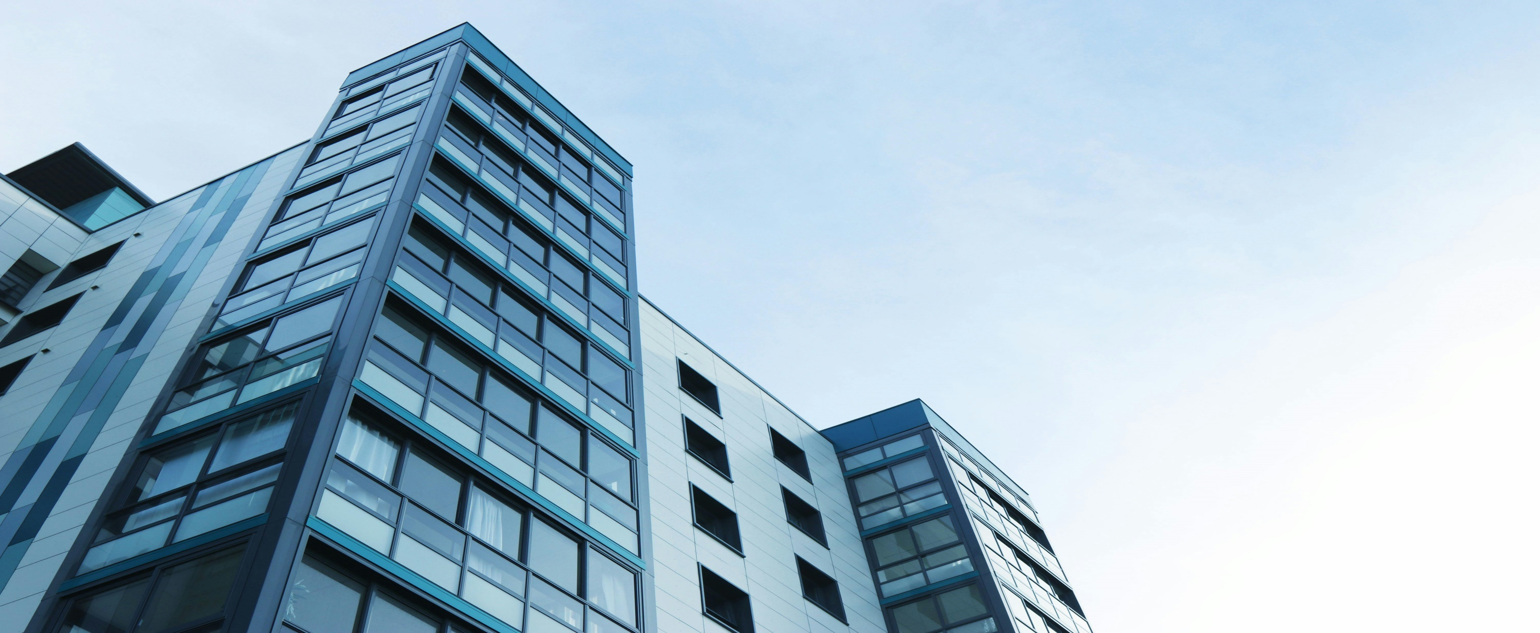

Total Revenue by year
 | Total
2011 | 27175555.5
2012 | 30025762.5
2013 | 40952156.5
2014 | 36465342
Revenue by year and region
 | Central | East | South | West | (blank)
2011 | 7116926 | 8501227.5 | 4944251 | 6613151
2012 | 3036822 | 12018454.5 | 8219804 | 6750682
2013 | 10708526.5 | 14182663 | 7537412 | 8523555
2014 | 6222245 | 10455047 | 10251585.5 | 9536464.5
Total Revenue by subcategory
 | Total
Accessories | 8089382.5
Appliances | 5034985
Art | 10847142
Binders | 20557295.5
Bookcases | 1939150
Chairs | 10473788.5
Copiers | 90204
Envelopes | 4855321
Fasteners | 3221833
Furnishings | 17652847.5
Labels | 4087385.5
Machines | 2488562
Paper | 15388686.5
Phones | 13211827
Storage | 8229235.5
Supplies | 2281757
Tables | 6142994
(blank)

Revenue and cost by region
 | Sum of Total Revenue | Sum of cost
Central | 27084519.5 | 31774480.5
East | 45157392 | 44501373
South | 30953052.5 | 24217357.5
West | 31397432.5 | 34157975.5
(blank)
Revenue by segment
 | Total
Consumer | 76970465
Corporate | 34507983.5
Home Office | 23113948
(blank)

Total Revenue by State
 | Total
Alabama | 271735
Arizona | 2125763
Arkansas | 718383
California | 23100027.5
Colorado | 1065280
Connecticut | 1300390
Delaware | 232221
District of Columbia | 87224
Florida | 8568759.5
Georgia | 6752914
Idaho | 59288
Illinois | 9800696.5
Indiana | 2160336
Iowa
Kansas
Kentucky | 1719725
Louisiana | 26060
Maine
Maryland | 1177713
Massachusetts | 82643
Michigan | 1691595
Minnesota | 501984
Mississippi | 727728
Missouri | 298641
Montana
Nebraska | 724850
Nevada | 839936
New Hampshire | 1647410
New Jersey | 3399416
New Mexico
New York | 22026506
North Carolina | 3297216
North Dakota
Ohio | 7148133
Oklahoma | 609825
Oregon | 1662126
Pennsylvania | 7531284
Rhode Island | 419650
South Carolina
South Dakota
Tennessee | 4216493
Texas | 8520261
Utah
Vermont | 104802
Virginia | 4654039
Washington | 2545012
West Virginia
Wisconsin | 2776331
Wyoming
(blank)

