Kinematik
Vorwärts Kinematik
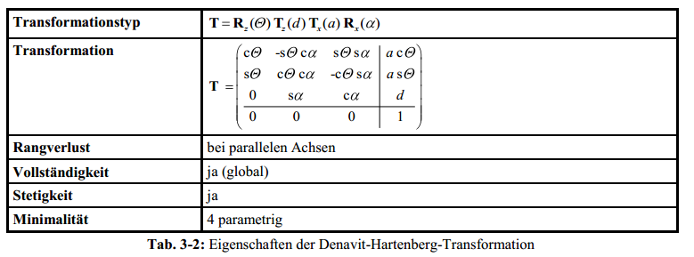
Top view WCP
 |  |  |  |  | WCP | 209.7
 |  |  |  |  |  | 3.7
 |  |  |  |  |  | 582.4

 |  |  |  |  | TCP | 258.9 | -135.3
 |  |  |  |  |  | 4.8 | -75.9
 |  |  |  |  |  | 573.7 | -44.3
 |  |  |  |  |  |  |  |  |  |  |  |  |  |  |  |  | Achtung: in Excel ARCTAN2(x;y) entspricht ARCTAN(y/x) (falschrum!)

Joint Angles |  |  | Inverse Kinematics
 |  |  | looking forward |  |  |  | looking backward
q0 | 1.0 ° | 0.02 RAD |  | 1.0 ° |  |  |  | -179.0 ° | switch direction when necessary to make it stetig
q1 | 2.0 ° | 0.03 RAD | 2.0 ° | 71.2 ° |  |  | -71.2 ° | -2.0 ° |  |  |  |  |  |  |  |  |  |  |  |  | Ursprung
q2 | 3.0 ° | 0.05 RAD | 3.0 ° | -183.0 ° |  |  | 3.0 ° | -183.0 ° |  |  |  |  |  |  |  |  |  |  |  |  | 0
q3 | 4.0 ° | 0.07 RAD |  |  | 4.0 ° | -176.0 ° |  |  |  |  |  |  |  |  |  |  |  |  |  |  | 0
q4 | 5.0 ° | 0.09 RAD |  |  | 5.0 ° | -5.0 ° |  |  |  |  |  |  |  |  |  |  |  |  |  |  | 0
q5 | 6.0 ° | 0.10 RAD |  |  | 6.0 ° | -174.0 ° |  |  |  |  |  |  |  |  |  |  |  |  |  |  | 1

$$T_{0}^{1}=\left(\begin{matrix}\cos{θ_{0}} & 0 & −\sin{θ_{0}} & 0 \\ \sin{θ_{0}} & 0 & \cos{θ_{0}} & 0 \\ 0 & −1 & 0 & d_{5} \\ 0 & 0 & 0 & 1\end{matrix}\right)$$
 |  | a[°] | a[RAD] | a[mm] | d[mm] | q[°] | q[RAD] |  |  |  |  |  | Transformationsmatrixi i+1 |  |  |  | Transformationsmatrix0 n |  |  |  | Gelenkpunkt | RAD | °
Hüfte (T0-1) |  | -90 | -1.571 | 0 | 300 | 1 | 0.017 |  |  |  |  |  | 0.99985 | 0.00000 | -0.01745 | 0.00000 | 1.0 | -0.0 | -0.0 | - | - | -1.57 RAD | -90.0 °
 |  |  |  |  |  |  |  |  |  |  |  |  | 0.01745 | 0.00000 | 0.99985 | 0.00000 | 0.0 | 0.0 | 1.0 | - | - | 0.00 RAD | 0.0 °
 |  |  |  |  |  |  |  |  |  |  |  |  | 0.00000 | -1.00000 | 0.00000 | 300.00000 | - | -1.0 | 0.0 | 300.0 | 300.0 | 0.02 RAD | 1.0 °
 |  |  |  |  |  |  |  |  |  |  |  |  | 0.00000 | 0.00000 | 0.00000 | 1.00000 | - | - | - | 1.0 | 1.0

$$T_{1}^{2}=\left(\begin{matrix}\cos{θ_{1}} & −\sin{θ_{1}} & 0 & a_{1} \cos{θ_{1}} \\ \sin{θ_{1}} & \cos{θ_{1}} & 0 & a_{1} \sin{θ_{1}} \\ 0 & 1 & 0 & 0 \\ 0 & 0 & 0 & 1\end{matrix}\right)$$
Oberarm (T1-2) |  | 0 | 0.000 | 300 | 0 | -88 | -1.536 |  |  |  |  |  | 0.0349 | 0.9994 | 0.0000 | 10.4698 | 0.0349 | 0.9992 | -0.0175 | 10.4683 | 10.5 | -1.57 RAD | -90.0 °
 |  |  |  |  |  |  |  |  |  |  |  |  | -0.9994 | 0.0349 | 0.0000 | -299.8172 | 0.0006 | 0.0174 | 0.9998 | 0.1827 | 0.2 | -1.54 RAD | -88.0 °
 |  |  |  |  |  |  |  |  |  |  |  |  | 0.0000 | 0.0000 | 1.0000 | 0.0000 | 0.9994 | -0.0349 | 0.0000 | 599.8172 | 599.8 | 0.02 RAD | 1.0 °
 |  |  |  |  |  |  |  |  |  |  |  |  | 0.0000 | 0.0000 | 0.0000 | 1.0000 | - | - | - | 1.0000 | 1.0
$$T_{2}^{3}=\left(\begin{matrix}\cos{θ_{2}} & 0 & −\sin{θ_{2}} & 0 \\ \sin{θ_{2}} & 0 & \cos{θ_{2}} & 0 \\ 0 & −1 & 0 & 0 \\ 0 & 0 & 0 & 1\end{matrix}\right)$$
Ellbogen (T2-3) |  | -90 | -1.571 | 0 | 0 | 3 | 0.052 |  |  |  |  |  | 1.00 | 0.00 | -0.05 | 0.00 | 0.087 | 0.017 | 0.996 | 10.468 | 10.5 | -3.14 RAD | -180.0 °
 |  |  |  |  |  |  |  |  |  |  |  |  | 0.05 | 0.00 | 1.00 | 0.00 | 0.002 | -1.000 | 0.017 | 0.183 | 0.2 | -1.48 RAD | -85.0 °
 |  |  |  |  |  |  |  |  |  |  |  |  | 0.00 | -1.00 | 0.00 | 0.00 | 0.996 | -0.000 | -0.087 | 599.817 | 599.8 | 0.02 RAD | 1.0 °
 |  |  |  |  |  |  |  |  |  |  |  |  | 0.00 | 0.00 | 0.00 | 1.00 | - | - | - | 1.000 | 1.0

$$T_{3}^{4}=\left(\begin{matrix}\cos{θ_{3}} & 0 & \sin{θ_{3}} & 0 \\ \sin{θ_{3}} & 0 & −cos{θ_{3}} & 0 \\ 0 & 1 & 0 & d_{3} \\ 0 & 0 & 0 & 1\end{matrix}\right)$$
Unterarm (T3-4) |  | 90 | 1.571 | 0 | 200 | 4 | 0.070 |  |  |  |  |  | 1.00 | 0.00 | 0.07 | 0.00 | 0.1 | 1.0 | -0.0 | 209.7 | 209.7 | -0.90 RAD | -51.4
 |  |  |  |  |  |  |  |  |  |  |  |  | 0.07 | 0.00 | -1.00 | 0.00 | -0.1 | 0.0 | 1.0 | 3.7 | 3.7 | -1.46 RAD | -83.6
 |  |  |  |  |  |  |  |  |  |  |  |  | 0.00 | 1.00 | 0.00 | 200.00 | 1.0 | -0.1 | 0.1 | 582.4 | 582.4 | -0.66 RAD | -37.7 °
 |  |  |  |  |  |  |  |  |  |  |  |  | 0.00 | 0.00 | 0.00 | 1.00 | - | - | - | 1.0 | 1
$$T_{4}^{5}=\left(\begin{matrix}\cos{θ_{4}} & 0 & −sin{θ_{4}} & 0 \\ \sin{θ_{4}} & 0 & \cos{θ_{4}} & 0 \\ 0 & −1 & 0 & 0 \\ 0 & 0 & 0 & 1\end{matrix}\right)$$
Handgelenk (T4-5) |  | -90 | -1.571 | 0 | 0 | 5 | 0.087 |  |  |  |  |  | 1.00 | 0.00 | -0.09 | 0.00 | 0.2 | 0.0 | 1.0 | 209.7 | 209.7 | -2.76 RAD | -158.2
 |  |  |  |  |  |  |  |  |  |  |  |  | 0.09 | 0.00 | 1.00 | 0.00 | -0.1 | -1.0 | 0.0 | 3.7 | 3.7 | -1.38 RAD | -79.2
 |  |  |  |  |  |  |  |  |  |  |  |  | 0.00 | -1.00 | 0.00 | 0.00 | 1.0 | -0.1 | -0.2 | 582.4 | 582.4 | -0.36 RAD | -20.8 °
 |  |  |  |  |  |  |  |  |  |  |  |  | 0.00 | 0.00 | 0.00 | 1.00 | - | - | - | 1.0 | 1
$$T_{5}^{6}=\left(\begin{matrix}\cos{θ_{5}} & −\sin{θ_{5}} & 0 & 0 \\ \sin{θ_{5}} & \cos{θ_{5}} & 0 & 0 \\ 0 & 0 & 1 & d_{5} \\ 0 & 0 & 0 & 1\end{matrix}\right)$$
Hand (T5-6) |  | 0 | 0.000 | 0 | 50 | 6 | 0.105 |  |  |  |  |  | 0.99 | -0.10 | 0.00 | 0.00 | 0.175 | -0.007 | 0.985 | 258.905 | 258.9 | -2.36 RAD | -135.3
 |  |  |  |  |  |  |  |  |  |  |  |  | 0.10 | 0.99 | 0.00 | 0.00 | -0.170 | -0.985 | 0.023 | 4.823 | 4.8 | -1.32 RAD | -75.9
 |  |  |  |  |  |  |  |  |  |  |  |  | 0.00 | 0.00 | 1.00 | 50.00 | 0.970 | -0.172 | -0.173 | 573.714 | 573.7 | -0.77 RAD | -44.3 °
 |  |  |  |  |  |  |  |  |  |  |  |  | 0.00 | 0.00 | 0.00 | 1.00 | - | - | - | 1.000 | 1.0

Inverse Kinematik
 |  | Punkt
TCP |  | 258.9 | -135.3 ° | -2.36 RAD
 |  | 4.8 | -75.9 ° | -1.32 RAD
 |  | 573.7 | -44.3 ° | -0.77 RAD
 |  | 1.0

Berechnung WCP
WCP und TCP unterscheiden sich nur durch Translation von d5. Also kann aus TCP WCP direkt errechnet werden

$\left(\begin{matrix}0 \\ 0 \\ d_{5} \\ 1\end{matrix}\right)$ =
WCPTCP (WCP aus Perspektive von TCP) = |  |  |  |  | 0
 |  |  |  |  | 0
 |  |  |  |  | -50
 |  |  |  |  | 1
WCP = TCP+WCPTCP=T0-6*WCPTCP
TCP = T0-6 | => | WCP = T0-6 * WCPTCP

${\left(T_{5}^{6}\right)}^{I}$=
 | 0.17 | -0.17 | 0.97 | -600.80
 | -0.01 | -0.99 | -0.17 | 105.12
 | 0.98 | 0.02 | -0.17 | -155.52
 | - | - | - | 1.00
Berechnung q0
two variants, look forward and look backward
$θ_{0}=atan2({WCP}_{x};{WCP}_{y})$ =
 | 209.7 |  |  | => |  |  | 0.02 RAD | 1.0 °
WCP | 3.7 |  |  |  |  |  | -3.12 RAD | -179.0 °
 | 582.4 |  |  | Look forward |  | 0.02 RAD | 1.0 ° | OK
 | 1.0 |  |  | Look backward |  | -3.12 RAD | -179.0 ° | NOT OK!
forward/back | 1

Berechnung q1,q2
$$a^{2}=b^{2}+c^{2}−2b c cos{a}$$
Build Triangle of joint 1,2/3,WCP, compute angles with cosine sentence

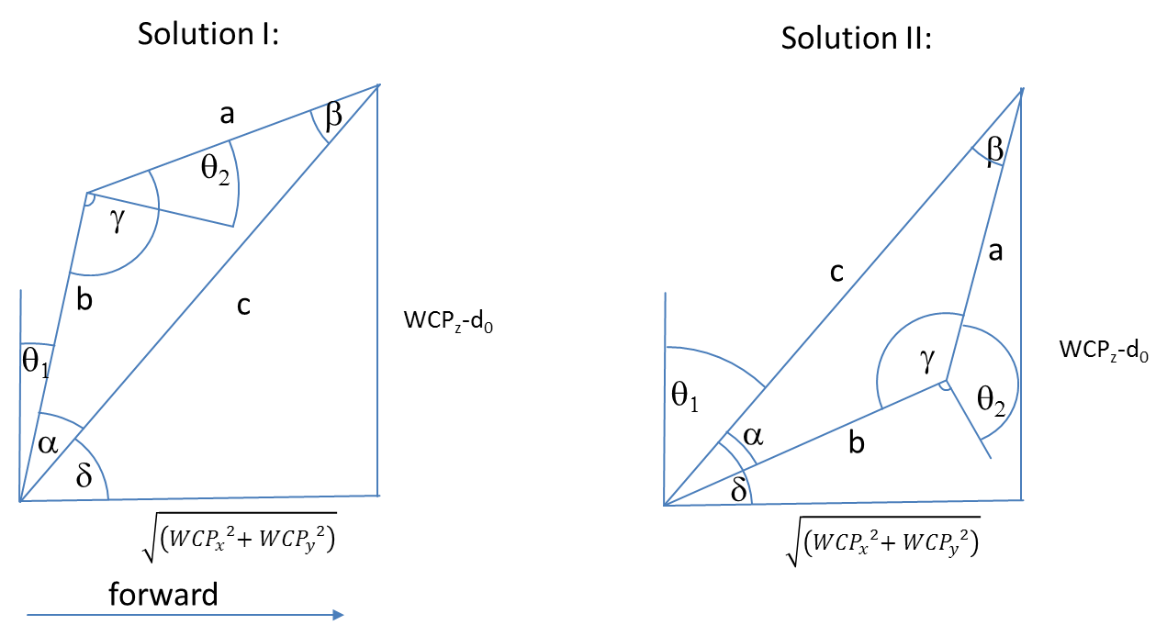

 |  |  |  |  |  |  |  |  | Diagramm | 0 | 209.70878863
 |  |  |  |  |  |  |  |  |  | 0 | 282.4

$${WCP}_{z}−d_{0}$$

$$a= \cos^{−1}\left(\frac{a^{2}−b^{2}−c^{2}}{−2bc}\right)=$$
 |  |  |  | 282.4 |  |  |  |  |  |  |  | 0.60 RAD | 34.6 °
$$\sqrt{\left({{WCP}_{x}}^{2}{{+ WCP}_{y}}^{2}\right)}$$
$c^{2}=a^{2}+b^{2}−2a b cos{γ} \underset{⇒}{} γ=\cos^{−1}\left(\frac{c^{2}−a^{2}−b^{2}}{−2ab}\right)=$
 |  |  |  | 209.7 |  |  |  |  |  |  |  | 1.52 RAD | 87.0 °

$$δ=ARCTAN2\left(WCPz,\sqrt{\left({{WCP}_{x}}^{2}{{+ WCP}_{y}}^{2}\right)}\right)=$$
 |  |  |  |  |  |  |  |  |  |  |  | Look Forward |  |  |  | Look Backward
 | triangle side c |  |  | 351.7 |  |  |  |  |  |  | RolloverFlag | 1 |  |  |  | -1
 | triangle side b |  |  | 300.0 |  |  |  |  |  |  | choose between solution I and II | 0.93 RAD | 53.4 ° |  |  | 2.21 RAD | 126.6 °
 | triangle side a |  |  | 200.0

$$θ_{1}=90° −(γ+ a)=$$
$$θ_{2}=90° −γ=$$
 |  |  |  | Solution I |  |  |  |  |  |  |  | 0.03 RAD | 2.0 ° | OK |  | -1.24 RAD | -71.2 ° | OK
 |  |  |  |  |  |  |  |  |  |  |  | 0.05 RAD | 3.0 ° | OK |  | 0.05 RAD | 3.0 ° | OK

$$θ_{1}=90° −(γ−a)=$$
$$θ_{2}= 270° −γ =$$
 |  |  |  | Solution II |  |  |  |  |  |  |  | 1.24 RAD | 71.2 ° | NOT OK! |  | -0.03 RAD | -2.0 ° | NOT OK!
 |  |  |  |  |  |  |  |  |  |  |  | -3.19 RAD | -183.0 ° | NOT OK! |  | -3.19 RAD | -183.0 ° | NOT OK!

$$R_{3}^{6}=\left(\begin{matrix}\cos{θ_{3}\cos{θ_{4}}\cos{θ_{4}−}}\sin{θ_{3}\sin{θ_{5}}} & −\cos{θ_{3}\cos{θ_{4}}\sin{θ_{5}}}−\sin{θ_{3}}\cos{θ_{5}} & −cos{θ_{3}}sin{θ_{4}} \\ \sin{θ_{3}\cos{θ_{4}}\cos{θ_{5}+}}\cos{θ_{3}}\sin{θ_{5}} & −\sin{θ_{3}}\cos{θ_{4}}\sin{θ_{5}}+\cos{θ_{3}\cos{θ_{5}}} & −{\sin{θ_{3}}\sin{θ_{4}}} \\ \sin{θ_{4}}\cos{θ_{5}} & −\sin{θ_{4}}\sin{θ_{5}} & \cos{θ_{4}}\end{matrix}\right)$$
Berechnung q3,q4,q5
 |  |  |  |  |  |  |  |  | Ist |  |  | Soll
 |  |  |  |  |  |  |  |  | 0.98103 | -0.17325 | -0.08694 | 0.98103 | -0.17325 | -0.08694
 |  |  |  |  |  |  |  |  | 0.17338 | 0.98484 | -0.00608 | 0.17338 | 0.98484 | -0.00608
 |  |  |  |  |  |  |  |  | 0.08668 | -0.00911 | 0.99619 | 0.08668 | -0.00911 | 0.99619

$R_{0}^{3}=$
${\left(R_{0}^{3}\right)}^{−1}={\left(R_{0}^{3}\right)}^{T}=$
$R_{0}^{6}=$
$\left(R_{3}^{6}\right)={\left(R_{0}^{3}\right)}^{−1}R_{0}^{6}=$
 | 0.0871 | 0.0175 | 0.9960 |  |  |  | 0.0871 | 0.0015 | 0.9962 |  |  | 0.17485 | -0.00698 | 0.98457 |  |  |  | 0.98103 | -0.17325 | -0.08694
 | 0.0015 | -0.9998 | 0.0174 |  |  |  | 0.0175 | -0.9998 | 0.0000 |  |  | -0.17036 | -0.98511 | 0.02327 |  |  |  | 0.17338 | 0.98484 | -0.00608
 | 0.9962 | 0.0000 | -0.0872 |  |  |  | 0.9960 | 0.0174 | -0.0872 |  |  | 0.96974 | -0.17180 | -0.17344 |  |  |  | 0.08668 | -0.00911 | 0.99619
$\left(R_{3}^{6}\right)={\left(R_{0}^{3}\right)}^{−1}R_{0}^{6}$

$\cos{θ_{4}}={\left(R_{0}^{3}\right) }_{33}$=
$$θ_{4}=$$
$$θ_{5}=$$
$$θ_{3}=$$
$$−\sin{θ_{4}}\sin{θ_{5}}= {\left(R_{0}^{3}\right) }_{32}$$
 |  |  | 0.9962 |  |  | 0.09 RAD | 5.0 ° |  | 0.10 RAD | 6.0 ° |  |  | 0.06981317008 | 4.0 °
 |  |  |  |  |  | -0.09 RAD | -5.0 ° |  | -3.04 RAD | -174.0 ° |  |  | -3.0717794835 | -176.0 °
 |  |  | -0.00911
$$\sin{θ_{4}}\cos{θ_{5}}= {\left(R_{0}^{3}\right) }_{31}$$
 |  |  | 0.08668
$$−{\sin{θ_{3}}\sin{θ_{4}}}= {\left(R_{0}^{3}\right) }_{23}$$
 |  |  | -0.00608
$$−cos{θ_{3}}sin{θ_{4}}= {\left(R_{0}^{3}\right) }_{13}$$
 |  |  | -0.08694

 |  |  | =

Theorie
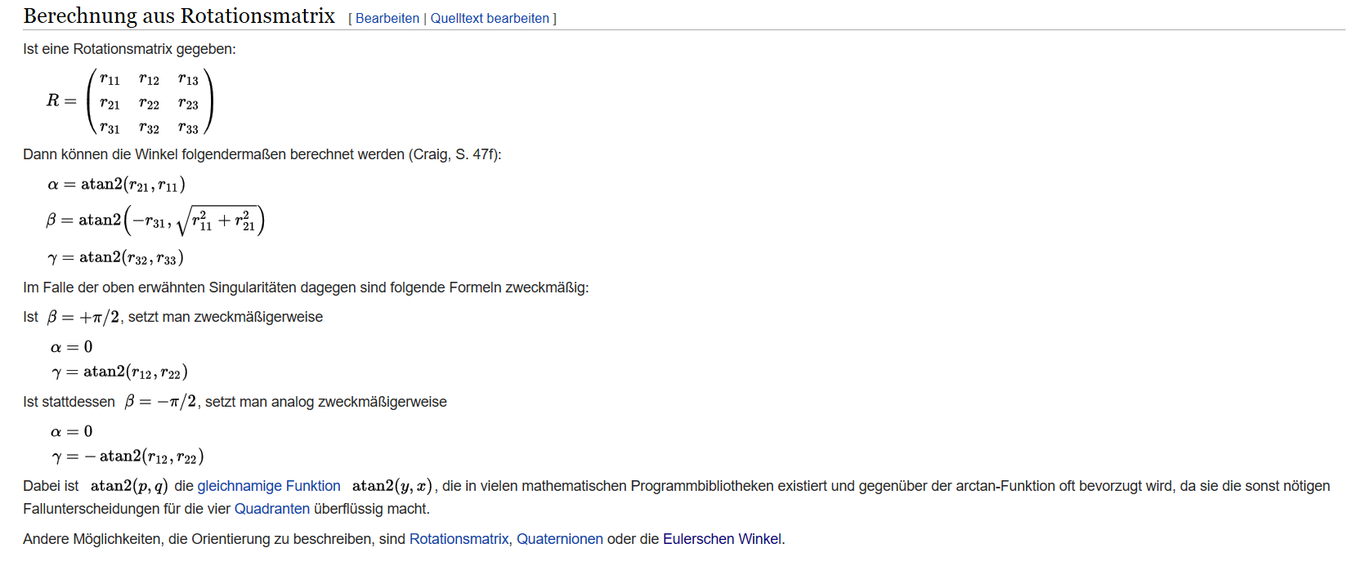
Rotation und Translation von homogenen Koordinaten | Denavit Hartenberg Transformation
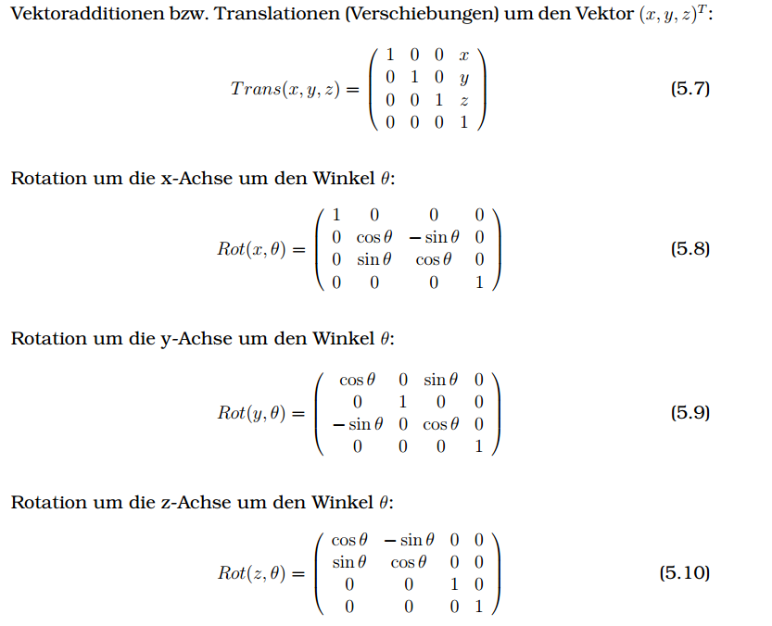

 | https://de.wikipedia.org/wiki/Roll-Nick-Gier-Winkel

