Kinematik
Vorwärts Kinematik
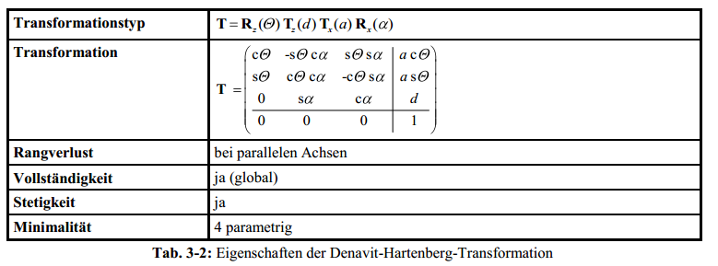
Top view WCP
 |  |  |  |  | WCP | 209.7
 |  |  |  |  |  | 3.7
 |  |  |  |  |  | 582.4

 |  |  |  |  | TCP | 205.4 | -4.1
 |  |  |  |  |  | -0.7 | 5.8
 |  |  |  |  |  | 632.0 | -169.9
 |  |  |  |  |  |  |  |  |  |  |  |  |  |  |  |  | Achtung: in Excel ARCTAN2(x;y) entspricht ARCTAN(y/x) (falschrum!)

Joint Angles |  |  | Inverse Kinematics
 |  |  | looking forward |  |  |  | looking backward
q0 | 1.0 ° | 0.02 RAD |  | 1.0 ° |  |  |  | -179.0 ° | switch direction when necessary to make it stetig
q1 | 2.0 ° | 0.03 RAD | 2.0 ° | 71.2 ° |  |  | -71.2 ° | -2.0 ° |  |  |  |  |  |  |  |  |  |  |  |  | Ursprung
q2 | 3.0 ° | 0.05 RAD | 3.0 ° | -183.0 ° |  |  | 3.0 ° | -183.0 ° |  |  |  |  |  |  |  |  |  |  |  |  | 0
q3 | 5.0 ° | 0.09 RAD |  |  | -175.0 ° | 5.0 ° |  |  |  |  |  |  |  |  |  |  |  |  |  |  | 0
q4 | -100.0 ° | -1.75 RAD |  |  | 100.0 ° | -100.0 ° |  |  |  |  |  |  |  |  |  |  |  |  |  |  | 0
q5 | 10.0 ° | 0.17 RAD |  |  | -170.0 ° | 10.0 ° |  |  |  |  |  |  |  |  |  |  |  |  |  |  | 1

$$T_{0}^{1}=\left(\begin{matrix}\cos{θ_{0}} & 0 & −\sin{θ_{0}} & 0 \\ \sin{θ_{0}} & 0 & \cos{θ_{0}} & 0 \\ 0 & −1 & 0 & d_{5} \\ 0 & 0 & 0 & 1\end{matrix}\right)$$
 |  | a[°] | a[RAD] | a[mm] | d[mm] | q[°] | q[RAD] |  |  |  |  |  | Transformationsmatrixi i+1 |  |  |  | Transformationsmatrix0 n |  |  |  | Gelenkpunkt | RAD | °
Hüfte (T0-1) |  | -90 | -1.571 | 0 | 300 | 1 | 0.017 |  |  |  |  |  | 1.00 | 0.00 | -0.02 | 0.00 | 1.0 | -0.0 | -0.0 | - | - | -1.57 RAD | -90.0 °
 |  |  |  |  |  |  |  |  |  |  |  |  | 0.02 | 0.00 | 1.00 | 0.00 | 0.0 | 0.0 | 1.0 | - | - | 0.00 RAD | 0.0 °
 |  |  |  |  |  |  |  |  |  |  |  |  | 0.00 | -1.00 | 0.00 | 300.00 | - | -1.0 | 0.0 | 300.0 | 300.0 | 0.02 RAD | 1.0 °
 |  |  |  |  |  |  |  |  |  |  |  |  | 0.00 | 0.00 | 0.00 | 1.00 | - | - | - | 1.0 | 1.0

$$T_{1}^{2}=\left(\begin{matrix}\cos{θ_{1}} & −\sin{θ_{1}} & 0 & a_{1} \cos{θ_{1}} \\ \sin{θ_{1}} & \cos{θ_{1}} & 0 & a_{1} \sin{θ_{1}} \\ 0 & 1 & 0 & 0 \\ 0 & 0 & 0 & 1\end{matrix}\right)$$
Oberarm (T1-2) |  | 0 | 0.000 | 300 | 0 | -88 | -1.536 |  |  |  |  |  | 0.03 | 1.00 | 0.00 | 10.47 | 0.03 | 1.00 | -0.02 | 10.47 | 10.5 | -1.57 RAD | -90.0 °
 |  |  |  |  |  |  |  |  |  |  |  |  | -1.00 | 0.03 | 0.00 | -299.82 | 0.00 | 0.02 | 1.00 | 0.18 | 0.2 | -1.54 RAD | -88.0 °
 |  |  |  |  |  |  |  |  |  |  |  |  | 0.00 | 0.00 | 1.00 | 0.00 | 1.00 | -0.03 | 0.00 | 599.82 | 599.8 | 0.02 RAD | 1.0 °
 |  |  |  |  |  |  |  |  |  |  |  |  | 0.00 | 0.00 | 0.00 | 1.00 | - | - | - | 1.00 | 1.0
$$T_{2}^{3}=\left(\begin{matrix}\cos{θ_{2}} & 0 & −\sin{θ_{2}} & 0 \\ \sin{θ_{2}} & 0 & \cos{θ_{2}} & 0 \\ 0 & −1 & 0 & 0 \\ 0 & 0 & 0 & 1\end{matrix}\right)$$
Ellbogen (T2-3) |  | -90 | -1.571 | 0 | 0 | 3 | 0.052 |  |  |  |  |  | 1.00 | 0.00 | -0.05 | 0.00 | 0.087 | 0.017 | 0.996 | 10.468 | 10.5 | -3.14 RAD | -180.0 °
 |  |  |  |  |  |  |  |  |  |  |  |  | 0.05 | 0.00 | 1.00 | 0.00 | 0.002 | -1.000 | 0.017 | 0.183 | 0.2 | -1.48 RAD | -85.0 °
 |  |  |  |  |  |  |  |  |  |  |  |  | 0.00 | -1.00 | 0.00 | 0.00 | 0.996 | -0.000 | -0.087 | 599.817 | 599.8 | 0.02 RAD | 1.0 °
 |  |  |  |  |  |  |  |  |  |  |  |  | 0.00 | 0.00 | 0.00 | 1.00 | - | - | - | 1.000 | 1.0

$$T_{3}^{4}=\left(\begin{matrix}\cos{θ_{3}} & 0 & \sin{θ_{3}} & 0 \\ \sin{θ_{3}} & 0 & −cos{θ_{3}} & 0 \\ 0 & 1 & 0 & d_{3} \\ 0 & 0 & 0 & 1\end{matrix}\right)$$
Unterarm (T3-4) |  | 90 | 1.571 | 0 | 200 | 5 | 0.087 |  |  |  |  |  | 1.00 | 0.00 | 0.09 | 0.00 | 0.1 | 1.0 | -0.0 | 209.7 | 209.7 | -0.79 RAD | -45.1
 |  |  |  |  |  |  |  |  |  |  |  |  | 0.09 | 0.00 | -1.00 | 0.00 | -0.1 | 0.0 | 1.0 | 3.7 | 3.7 | -1.45 RAD | -82.9
 |  |  |  |  |  |  |  |  |  |  |  |  | 0.00 | 1.00 | 0.00 | 200.00 | 1.0 | -0.1 | 0.1 | 582.4 | 582.4 | -0.77 RAD | -44.1 °
 |  |  |  |  |  |  |  |  |  |  |  |  | 0.00 | 0.00 | 0.00 | 1.00 | - | - | - | 1.0 | 1
$$T_{4}^{5}=\left(\begin{matrix}\cos{θ_{4}} & 0 & −sin{θ_{4}} & 0 \\ \sin{θ_{4}} & 0 & \cos{θ_{4}} & 0 \\ 0 & −1 & 0 & 0 \\ 0 & 0 & 0 & 1\end{matrix}\right)$$
Handgelenk (T4-5) |  | -90 | -1.571 | 0 | 0 | -100 | -1.745 |  |  |  |  |  | -0.17 | 0.00 | 0.98 | 0.00 | -1.0 | 0.0 | -0.1 | 209.7 | 209.7 | -0.09 RAD | -5.0
 |  |  |  |  |  |  |  |  |  |  |  |  | -0.98 | 0.00 | -0.17 | 0.00 | -0.0 | -1.0 | -0.1 | 3.7 | 3.7 | 0.09 RAD | 5.0
 |  |  |  |  |  |  |  |  |  |  |  |  | 0.00 | -1.00 | 0.00 | 0.00 | -0.1 | -0.1 | 1.0 | 582.4 | 582.4 | -3.14 RAD | -179.9 °
 |  |  |  |  |  |  |  |  |  |  |  |  | 0.00 | 0.00 | 0.00 | 1.00 | - | - | - | 1.0 | 1
$$T_{5}^{6}=\left(\begin{matrix}\cos{θ_{5}} & −\sin{θ_{5}} & 0 & 0 \\ \sin{θ_{5}} & \cos{θ_{5}} & 0 & 0 \\ 0 & 0 & 1 & d_{5} \\ 0 & 0 & 0 & 1\end{matrix}\right)$$
Hand (T5-6) |  | 0 | 0.000 | 0 | 50 | 10 | 0.175 |  |  |  |  |  | 0.98 | -0.17 | 0.00 | 0.00 | -0.979 | 0.183 | -0.086 | 205.378 | 205.4 | -0.07 RAD | -4.1
 |  |  |  |  |  |  |  |  |  |  |  |  | 0.17 | 0.98 | 0.00 | 0.00 | -0.175 | -0.981 | -0.087 | -0.707 | -0.7 | 0.10 RAD | 5.8
 |  |  |  |  |  |  |  |  |  |  |  |  | 0.00 | 0.00 | 1.00 | 50.00 | -0.100 | -0.070 | 0.992 | 632.009 | 632.0 | -2.96 RAD | -169.9 °
 |  |  |  |  |  |  |  |  |  |  |  |  | 0.00 | 0.00 | 0.00 | 1.00 | - | - | - | 1.000 | 1.0

Inverse Kinematik
 |  | Punkt
TCP |  | 205.4 | -4.1 ° | -0.07 RAD
 |  | -0.7 | 5.8 ° | 0.10 RAD
 |  | 632.0 | -169.9 ° | -2.96 RAD
 |  | 1.0

Berechnung WCP
WCP und TCP unterscheiden sich nur durch Translation von d5. Also kann aus TCP WCP direkt errechnet werden

$\left(\begin{matrix}0 \\ 0 \\ d_{5} \\ 1\end{matrix}\right)$ =
WCPTCP (WCP aus Perspektive von TCP) = |  |  |  |  | 0
 |  |  |  |  | 0
 |  |  |  |  | -50
 |  |  |  |  | 1
WCP = TCP+WCPTCP=T0-6*WCPTCP
TCP = T0-6 | => | WCP = T0-6 * WCPTCP

${\left(T_{5}^{6}\right)}^{I}$=
 | -0.98 | -0.18 | -0.10 | 264.39
 | 0.18 | -0.98 | -0.07 | 6.34
 | -0.09 | -0.09 | 0.99 | -609.65
 | - | - | - | 1.00
Berechnung q0
two variants, look forward and look backward
$θ_{0}=atan2({WCP}_{x};{WCP}_{y})$ =
 | 209.7 |  |  | => |  |  | 0.02 RAD | 1.0 °
WCP | 3.7 |  |  |  |  |  | -3.12 RAD | -179.0 °
 | 582.4 |  |  | Look forward |  | 0.02 RAD | 1.0 ° | OK
 | 1.0 |  |  | Look backward |  | -3.12 RAD | -179.0 ° | NOT OK!
forward/back | 1

Berechnung q1,q2
$$a^{2}=b^{2}+c^{2}−2b c cos{a}$$
Build Triangle of joint 1,2/3,WCP, compute angles with cosine sentence

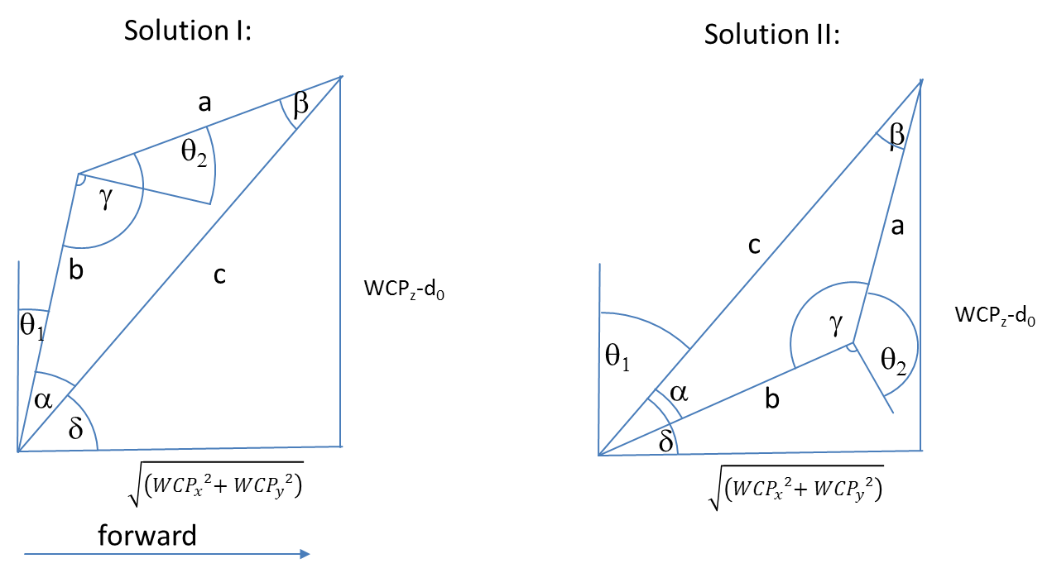

 |  |  |  |  |  |  |  |  | Diagramm | 0 | 209.70878863
 |  |  |  |  |  |  |  |  |  | 0 | 282.4

$${WCP}_{z}−d_{0}$$

$$a= \cos^{−1}\left(\frac{a^{2}−b^{2}−c^{2}}{−2bc}\right)=$$
 |  |  |  | 282.4 |  |  |  |  |  |  |  | 0.60 RAD | 34.6 °
$$\sqrt{\left({{WCP}_{x}}^{2}{{+ WCP}_{y}}^{2}\right)}$$
$c^{2}=a^{2}+b^{2}−2a b cos{γ} \underset{⇒}{} γ=\cos^{−1}\left(\frac{c^{2}−a^{2}−b^{2}}{−2ab}\right)=$
 |  |  |  | 209.7 |  |  |  |  |  |  |  | 1.52 RAD | 87.0 °

$$δ=ARCTAN2\left(WCPz,\sqrt{\left({{WCP}_{x}}^{2}{{+ WCP}_{y}}^{2}\right)}\right)=$$
 |  |  |  |  |  |  |  |  |  |  |  | Look Forward |  |  |  | Look Backward
 | triangle side c |  |  | 351.7 |  |  |  |  |  |  | RolloverFlag | 1 |  |  |  | -1
 | triangle side b |  |  | 300.0 |  |  |  |  |  |  | choose between solution I and II | 0.93 RAD | 53.4 ° |  |  | 2.21 RAD | 126.6 °
 | triangle side a |  |  | 200.0

$$θ_{1}=90° −(γ+ a)=$$
$$θ_{2}=90° −γ=$$
 |  |  |  | Solution I |  |  |  |  |  |  |  | 0.03 RAD | 2.0 ° | OK |  | -1.24 RAD | -71.2 ° | OK
 |  |  |  |  |  |  |  |  |  |  |  | 0.05 RAD | 3.0 ° | OK |  | 0.05 RAD | 3.0 ° | OK

$$θ_{1}=90° −(γ−a)=$$
$$θ_{2}= 270° −γ =$$
 |  |  |  | Solution II |  |  |  |  |  |  |  | 1.24 RAD | 71.2 ° | NOT OK! |  | -0.03 RAD | -2.0 ° | NOT OK!
 |  |  |  |  |  |  |  |  |  |  |  | -3.19 RAD | -183.0 ° | NOT OK! |  | -3.19 RAD | -183.0 ° | NOT OK!

$$R_{3}^{6}=\left(\begin{matrix}\cos{θ_{3}\cos{θ_{4}}\cos{θ_{4}−}}\sin{θ_{3}\sin{θ_{5}}} & −\cos{θ_{3}\cos{θ_{4}}\sin{θ_{5}}}−\sin{θ_{3}}\cos{θ_{5}} & −cos{θ_{3}}sin{θ_{4}} \\ \sin{θ_{3}\cos{θ_{4}}\cos{θ_{5}+}}\cos{θ_{3}}\sin{θ_{5}} & −\sin{θ_{3}}\cos{θ_{4}}\sin{θ_{5}}+\cos{θ_{3}\cos{θ_{5}}} & −{\sin{θ_{3}}\sin{θ_{4}}} \\ \sin{θ_{4}}\cos{θ_{5}} & −\sin{θ_{4}}\sin{θ_{5}} & \cos{θ_{4}}\end{matrix}\right)$$
Berechnung q3,q4,q5
 |  |  |  |  |  |  |  |  | Ist |  |  | Soll
 |  |  |  |  |  |  |  |  | -0.18549 | -0.05579 | 0.98106 | -0.18549 | -0.05579 | 0.98106
 |  |  |  |  |  |  |  |  | 0.15808 | 0.98369 | 0.08583 | 0.15808 | 0.98369 | 0.08583
 |  |  |  |  |  |  |  |  | -0.96985 | 0.17101 | -0.17365 | -0.96985 | 0.17101 | -0.17365

$R_{0}^{3}=$
${\left(R_{0}^{3}\right)}^{−1}={\left(R_{0}^{3}\right)}^{T}=$
$R_{0}^{6}=$
$\left(R_{3}^{6}\right)={\left(R_{0}^{3}\right)}^{−1}R_{0}^{6}=$
 | 0.0871 | 0.0175 | 0.9960 |  |  |  | 0.0871 | 0.0015 | 0.9962 |  |  | -0.97941 | 0.18264 | -0.08597 |  |  |  | -0.18549 | -0.05579 | 0.98106
 | 0.0015 | -0.9998 | 0.0174 |  |  |  | 0.0175 | -0.9998 | 0.0000 |  |  | -0.17520 | -0.98065 | -0.08735 |  |  |  | 0.15808 | 0.98369 | 0.08583
 | 0.9962 | 0.0000 | -0.0872 |  |  |  | 0.9960 | 0.0174 | -0.0872 |  |  | -0.10026 | -0.07048 | 0.99246 |  |  |  | -0.96985 | 0.17101 | -0.17365
$\left(R_{3}^{6}\right)={\left(R_{0}^{3}\right)}^{−1}R_{0}^{6}$

$\cos{θ_{4}}={\left(R_{0}^{3}\right) }_{33}$=
$$θ_{4}=$$
$$θ_{5}=$$
$$θ_{3}=$$
$$−\sin{θ_{4}}\sin{θ_{5}}= {\left(R_{0}^{3}\right) }_{32}$$
 |  |  | -0.1736 |  |  | 1.75 RAD | 100.0 ° |  | -2.97 RAD | -170.0 ° |  |  | -3.054326191 | -175.0 °
 |  |  |  |  |  | -1.75 RAD | -100.0 ° |  | 0.17 RAD | 10.0 ° |  |  | 0.0872664626 | 5.0 °
 |  |  | 0.17101
$$\sin{θ_{4}}\cos{θ_{5}}= {\left(R_{0}^{3}\right) }_{31}$$
 |  |  | -0.96985
$$−{\sin{θ_{3}}\sin{θ_{4}}}= {\left(R_{0}^{3}\right) }_{23}$$
 |  |  | 0.08583
$$−cos{θ_{3}}sin{θ_{4}}= {\left(R_{0}^{3}\right) }_{13}$$
 |  |  | 0.98106

 |  |  | =

Theorie
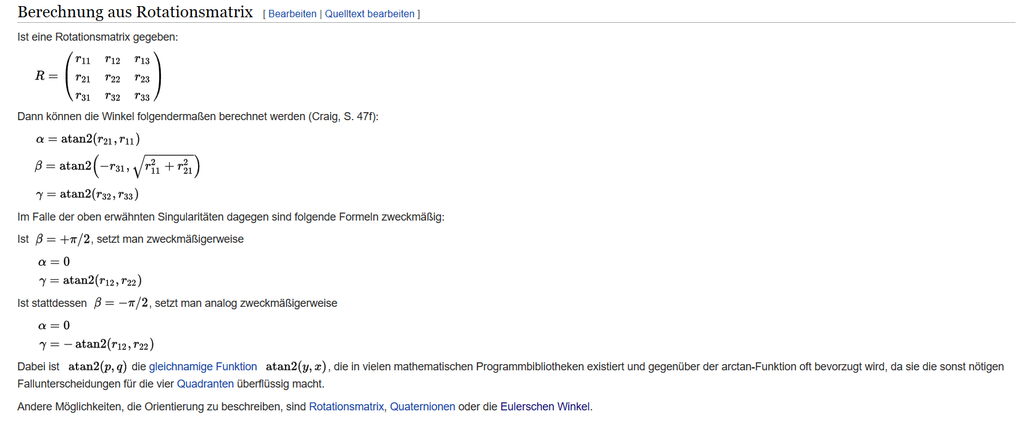
Rotation und Translation von homogenen Koordinaten | Denavit Hartenberg Transformation
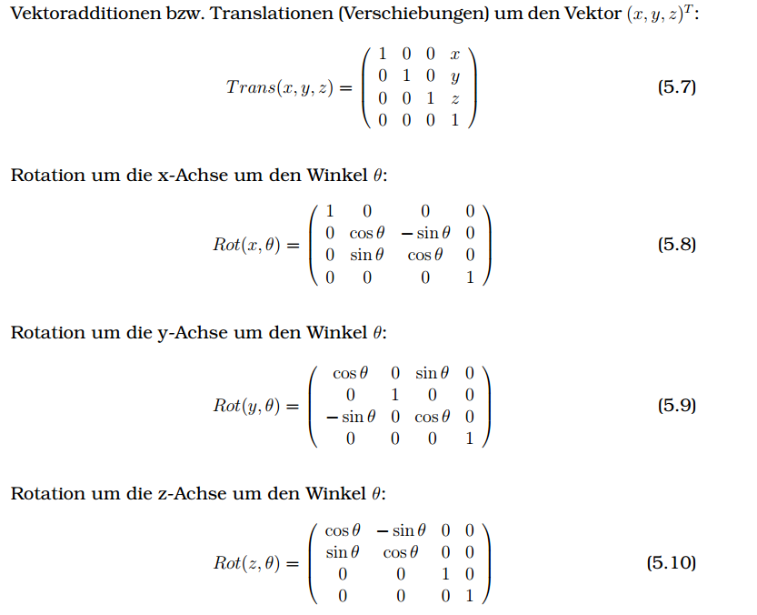

 | https://de.wikipedia.org/wiki/Roll-Nick-Gier-Winkel

