Kinematik
Vorwärts Kinematik
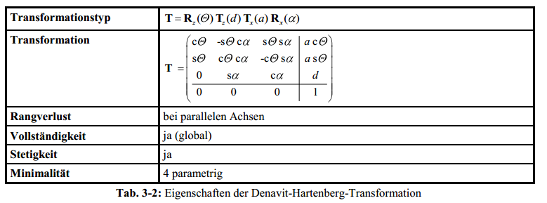
Top view WCP
 |  |  |  |  | WCP | 200.0
 |  |  |  |  |  | 0.0
 |  |  |  |  |  | 400.0

 |  |  |  |  | TCP | 340.00 | -90.0 | 60.0
 |  |  |  |  |  | 0.00 | -30.0 | 0.0
 |  |  |  |  |  | 400.00 | -90.0 | 0.0
 |  |  |  |  |  |  |  |  |  |  |  |  |  |  |  |  | Achtung: in Excel ARCTAN2(x;y) entspricht ARCTAN(y/x) (falschrum!)

Joint Angles |  |  | Inverse Kinematics
 |  |  | looking forward |  |  |  | looking backward
q0 | 0.0 ° | 0.00 RAD |  | 0.0 ° |  |  |  | 180.0 ° | switch direction when necessary to make it stetig
q1 | 0.0 ° | 0.00 RAD | 0.00 ° | 67.38 ° |  |  | -67.38 ° | 0.00 ° |  |  |  |  |  |  |  |  |  |  |  |  | Ursprung
q2 | 0.0 ° | 0.00 RAD | 0.00 ° | -180.00 ° |  |  | 0.00 ° | -180.00 ° |  |  |  |  |  |  |  |  |  |  |  |  | 0
q3 | 0.0 ° | 0.00 RAD |  |  | 165.00 ° | 165.00 ° |  |  |  |  |  |  |  |  |  |  |  |  |  |  | 0
q4 | 0.0 ° | 0.00 RAD |  |  | 0.00 ° | 0.00 ° |  |  |  |  |  |  |  |  |  |  |  |  |  |  | 0
q5 | 60.0 ° | 1.05 RAD |  |  | -105.00 ° | -105.00 ° |  |  |  |  |  |  |  |  |  |  |  |  |  |  | 1

$$T_{0}^{1}=\left(\begin{matrix}\cos{θ_{0}} & 0 & −\sin{θ_{0}} & 0 \\ \sin{θ_{0}} & 0 & \cos{θ_{0}} & 0 \\ 0 & −1 & 0 & d_{5} \\ 0 & 0 & 0 & 1\end{matrix}\right)$$
 |  | a[°] | a[RAD] | a[mm] | d[mm] | q[°] | q[RAD] |  |  |  |  |  | Transformationsmatrixi i+1 |  |  |  | Transformationsmatrix0 n |  |  |  | Gelenkpunkt | RAD | Euler ° (zyx Konvention)
Hüfte (T0-1) |  | -90 | -1.571 | 0 | 100 | 0 | 0.000 |  |  |  |  |  | 1.00000 | 0.00000 | 0.00000 | 0.00000 | 1.0000 | - | - | - | - | -1.57 RAD | -90.0 °
 |  |  |  |  |  |  |  |  |  |  |  |  | 0.00000 | 0.00000 | 1.00000 | 0.00000 | - | 0.0000 | 1.0000 | - | - | 0.00 RAD | 0.0 °
 |  |  |  |  |  |  |  |  |  |  |  |  | 0.00000 | -1.00000 | 0.00000 | 100.00000 | - | -1.0000 | 0.0000 | 100.0000 | 100.0 | 0.00 RAD | 0.0 °
 |  |  |  |  |  |  |  |  |  |  |  |  | 0.00000 | 0.00000 | 0.00000 | 1.00000 | - | - | - | 1.0000 | 1.0

$$T_{1}^{2}=\left(\begin{matrix}\cos{θ_{1}} & −\sin{θ_{1}} & 0 & a_{1} \cos{θ_{1}} \\ \sin{θ_{1}} & \cos{θ_{1}} & 0 & a_{1} \sin{θ_{1}} \\ 0 & 1 & 0 & 0 \\ 0 & 0 & 0 & 1\end{matrix}\right)$$
Oberarm (T1-2) |  | 0 | 0.000 | 300 | 0 | -90 | -1.571 |  |  |  |  |  | 0.0000 | 1.0000 | 0.0000 | 0.0000 | 0.0000 | 1.0000 | - | 0.0000 | 0.0 | -1.57 RAD | -90.0 °
 |  |  |  |  |  |  |  |  |  |  |  |  | -1.0000 | 0.0000 | 0.0000 | -300.0000 | -0.0000 | 0.0000 | 1.0000 | -0.0000 | -0.0 | -1.57 RAD | -90.0 °
 |  |  |  |  |  |  |  |  |  |  |  |  | 0.0000 | 0.0000 | 1.0000 | 0.0000 | 1.0000 | -0.0000 | 0.0000 | 400.0000 | 400.0 | 0.00 RAD | 0.0 °
 |  |  |  |  |  |  |  |  |  |  |  |  | 0.0000 | 0.0000 | 0.0000 | 1.0000 | - | - | - | 1.0000 | 1.0
$$T_{2}^{3}=\left(\begin{matrix}\cos{θ_{2}} & 0 & −\sin{θ_{2}} & 0 \\ \sin{θ_{2}} & 0 & \cos{θ_{2}} & 0 \\ 0 & −1 & 0 & 0 \\ 0 & 0 & 0 & 1\end{matrix}\right)$$
Unterarm (T2-3) |  | -90 | -1.571 | 0 | 0 | 0 | 0.000 |  |  |  |  |  | 1.00000 | 0.00000 | 0.00000 | 0.00000 | 0.000 | 0.000 | 1.000 | 0.000 | 0.0 | -3.14 RAD | -180.0 °
 |  |  |  |  |  |  |  |  |  |  |  |  | 0.00000 | 0.00000 | 1.00000 | 0.00000 | -0.000 | -1.000 | 0.000 | -0.000 | -0.0 | -1.57 RAD | -90.0 °
 |  |  |  |  |  |  |  |  |  |  |  |  | 0.00000 | -1.00000 | 0.00000 | 0.00000 | 1.000 | -0.000 | -0.000 | 400.000 | 400.0 | 0.00 RAD | 0.0 °
 |  |  |  |  |  |  |  |  |  |  |  |  | 0.00000 | 0.00000 | 0.00000 | 1.00000 | - | - | - | 1.000 | 1.0

$$T_{3}^{4}=\left(\begin{matrix}\cos{θ_{3}} & 0 & \sin{θ_{3}} & 0 \\ \sin{θ_{3}} & 0 & −cos{θ_{3}} & 0 \\ 0 & 1 & 0 & d_{3} \\ 0 & 0 & 0 & 1\end{matrix}\right)$$
Ellbogen (T3-4) |  | 90 | 1.571 | 0 | 200 | 0 | 0.000 |  |  |  |  |  | 1.00 | 0.00 | 0.00 | 0.00 | 0.000 | 1.000 | - | 200.000 | 200.0 | -1.57 RAD | -90.0 °
 |  |  |  |  |  |  |  |  |  |  |  |  | 0.00 | 0.00 | -1.00 | 0.00 | -0.000 | - | 1.000 | -0.000 | -0.0 | -1.57 RAD | -90.0 °
 |  |  |  |  |  |  |  |  |  |  |  |  | 0.00 | 1.00 | 0.00 | 200.00 | 1.000 | -0.000 | 0.000 | 400.000 | 400.0 | 0.00 RAD | 0.0 °
 |  |  |  |  |  |  |  |  |  |  |  |  | 0.00 | 0.00 | 0.00 | 1.00 | - | - | - | 1.000 | 1
$$T_{4}^{5}=\left(\begin{matrix}\cos{θ_{4}} & 0 & −sin{θ_{4}} & 0 \\ \sin{θ_{4}} & 0 & \cos{θ_{4}} & 0 \\ 0 & −1 & 0 & 0 \\ 0 & 0 & 0 & 1\end{matrix}\right)$$
Handgelenk (T4-5) |  | -90 | -1.571 | 0 | 0 | 0.0 ° | 0.000 |  |  |  |  |  | 1.00 | 0.00 | 0.00 | 0.00 | 0.000 | 0.000 | 1.000 | 200.000 | 200.0 | -3.14 RAD | -180.0 °
 |  |  |  |  |  |  |  |  |  |  |  |  | 0.00 | 0.00 | 1.00 | 0.00 | -0.000 | -1.000 | 0.000 | -0.000 | -0.0 | -1.57 RAD | -90.0 °
 |  |  |  |  |  |  |  |  |  |  |  |  | 0.00 | -1.00 | 0.00 | 0.00 | 1.000 | -0.000 | -0.000 | 400.000 | 400.0 | 0.00 RAD | 0.0 °
 |  |  |  |  |  |  |  |  |  |  |  |  | 0.00 | 0.00 | 0.00 | 1.00 | - | - | - | 1.000 | 1
$$T_{5}^{6}=\left(\begin{matrix}\cos{θ_{5}} & −\sin{θ_{5}} & 0 & 0 \\ \sin{θ_{5}} & \cos{θ_{5}} & 0 & 0 \\ 0 & 0 & 1 & d_{5} \\ 0 & 0 & 0 & 1\end{matrix}\right)$$
Hand (T5-6) |  | 0 | 0.000 | 0 | 140 | 60.0 | 1.047 |  |  |  |  |  | 0.50 | -0.87 | 0.00 | 0.00 | 0.00000 | -0.00000 | 1.00000 | 340.0000 | 340.0 | -1.571 RAD | -90.0 ° | g | Roll
 |  |  |  |  |  |  |  |  |  |  |  |  | 0.87 | 0.50 | 0.00 | 0.00 | -0.86603 | -0.50000 | 0.00000 | 0.0000 | 0.0 | -0.524 RAD | -30.0 ° | b | Nick/pitch
 |  |  |  |  |  |  |  |  |  |  |  |  | 0.00 | 0.00 | 1.00 | 140.00 | 0.50000 | -0.86603 | -0.00000 | 400.0000 | 400.0 | -1.571 RAD | -90.0 ° | a | Gier
 |  |  |  |  |  |  |  |  |  |  |  |  | 0.00 | 0.00 | 0.00 | 1.00 | - | - | - | 1.0000 | 1.0
 |  | x | A | y | B | z | C
$$T_{V}{=T}_{6}^{7}=\left(\begin{matrix}\cos{θ_{5}} & −\sin{θ_{5}} & 0 & 0 \\ \sin{θ_{5}} & \cos{θ_{5}} & 0 & 0 \\ 0 & 0 & 1 & d_{5} \\ 0 & 0 & 0 & 1\end{matrix}\right)$$
 |  | -90 | -1.571 | -90 | -1.571 | -90 | -1.571 |  |  |  |  |  | 0.00 | 0.00 | 1.00 | 0.00 | 1.00000 | -0.00000 | 0.00000 | 340.0000 | 340.0 | 1.047 RAD | 60.0 ° | g | Roll
 |  |  |  |  |  |  |  |  |  |  |  |  | 0.00 | -1.00 | 0.00 | 0.00 | 0.00000 | 0.50000 | -0.86603 | 0.0000 | 0.0 | 0.000 RAD | 0.0 ° | b | Nick/pitch
 |  |  |  |  |  |  |  |  |  |  |  |  | 1.00 | 0.00 | 0.00 | 0.00 | -0.00000 | 0.86603 | 0.50000 | 400.0000 | 400.0 | 0.000 RAD | 0.0 ° | a | Gier
 |  |  |  |  |  |  |  |  |  |  |  |  | 0.00 | 0.00 | 0.00 | 1.00 | - | - | - | 1.0000 | 1.0

 |  |  |  |  |  |  |  |  |  |  |  |  | 0.00 | 0.00 | 1.00 | 0.00
 |  |  |  |  |  |  |  |  |  |  |  |  | 0.00 | -1.00 | 0.00 | 0.00
 |  |  |  |  |  |  |  |  |  |  |  |  | 1.00 | 0.00 | 0.00 | 0.00
Inverse Kinematik |  |  |  |  |  |  |  |  |  |  |  |  | 0 | 0 | 0 | 1.00

 |  | Punkt | Orientierung aus Sicht TCP |  |  | Orientierung aus Sicht World
TCP |  | 340.0 | -1.57 RAD | -90.0 ° | 1.57 RAD | 1.57 RAD | 90.0 ° |  |  |  |  |  | 340 | 1.0471975512
 |  | 0.0 | -0.52 RAD | -30.0 ° | 1.05 RAD | 1.05 RAD | 60.0 ° |  |  |  |  |  | 2.4502969098E-15 | 8.2069384775E-18
 |  | 400.0 | -1.57 RAD | -90.0 ° | -1.57 RAD | -1.57 RAD | -90.0 ° |  |  |  |  |  | 400 | 9.1886134118E-17
 |  | 1.0 |  |  |  |  |  |  |  |  |  |  | 1

$\left(T_{0}^{6}\right)$=
$\left(T_{0}^{6}\right)$=
$\left(T_{0}^{6}\right)$=
$\left(T_{0}^{6}\right)$=
$\left(T_{0}^{6}\right)$=
$\left(T_{0}^{6}\right)$=
Modell zy'x'' |  |  |  |  | Orientierung aus Sicht TCP |  |  | Orientierung aus Sicht World
 | 0.000000 | 0.000000 | 1.000000 | 340.0000 | -1.571 RAD | -90.0 | 1.57 RAD | 1.57 RAD | 90.0 ° |  |  | 1.000000 | -0.000000 | 0.000000 | 340.0000 | 0.00000 | 0.00000 | 1.00000 | 340.00000
 | -0.866025 | -0.500000 | 0.000000 | 0.0000 | -0.524 RAD | -30.0 | 1.05 RAD | 1.05 RAD | 60.0 ° |  |  | 0.000000 | 0.500000 | -0.866025 | 0.0000 | -0.86603 | -0.50000 | 0.00000 | 0.00000
 | 0.500000 | -0.866025 | 0.000000 | 400.0000 | -1.571 RAD | -90.0 | -1.57 RAD | -1.57 RAD | -90.0 ° |  |  | -0.000000 | 0.866025 | 0.500000 | 400.0000 | 0.50000 | -0.86603 | 0.00000 | 400.00000
 | - | - | - | 1.0000 |  |  |  |  |  |  |  | - | - | - | 1.0000 | 0.00000 | 0.00000 | 0.00000 | 1.00000
Berechnung WCP
WCP und TCP unterscheiden sich nur durch Translation von d5. Also kann aus TCP WCP direkt errechnet werden

$\left(\begin{matrix}0 \\ 0 \\ d_{5} \\ 1\end{matrix}\right)$ =
$\left(T_{0}^{6}\right) {WCP}_{TCP}$=
WCPTCP (WCP aus Perspektive von TCP) = |  |  |  |  | 0 |  |  | 200.0 | 200.0 | 200.0 | 200.0
 |  |  |  |  | 0 |  |  | -0.0 | -0.0 | -0.0 | -0.0
 |  |  |  |  | -140 |  |  | 400.0 | 400.0 | 400.0 | 400.0
 |  |  |  |  | 1 |  |  | 1.0 | 1.0 | 1.0 | 1.0
WCP = TCP+WCPTCP=T0-6*WCPTCP
TCP = T0-6 | => | WCP = T0-6 * WCPTCP

Berechnung q0
two variants, look forward and look backward
$θ_{0}=atan2({WCP}_{x};{WCP}_{y})$ =
 | 200.00000 |  |  | => |  |  | 0.00 RAD | 0.0 °
WCP | 0.0000 |  |  |  |  |  | 3.14 RAD | 180.0 °
 | 400.0000 |  |  | Look forward |  | 0.00 RAD | 0.0 ° | OK
 | 1 |  |  | Look backward |  | 3.14 RAD | 180.0 ° | NOT OK!
forward/back | 1

Berechnung q1,q2
$$a^{2}=b^{2}+c^{2}−2b c cos{a}$$
Build Triangle of joint 1,2/3,WCP, compute angles with cosine sentence

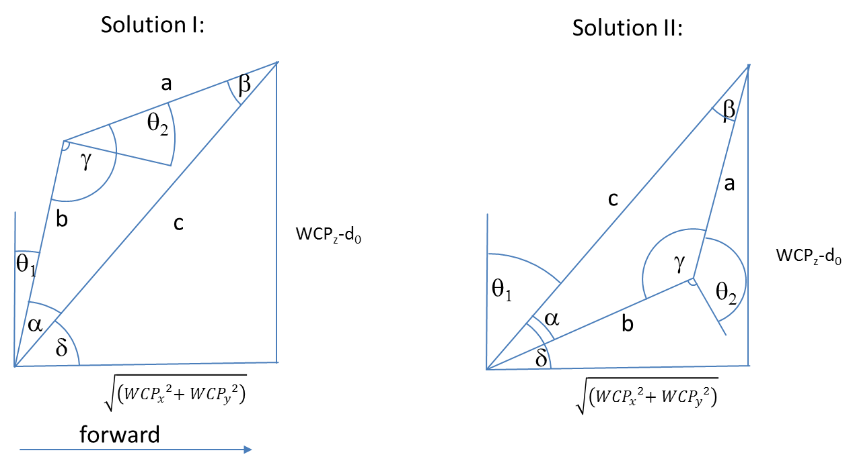

 |  |  |  |  |  |  |  |  | Diagramm | 0 | 200
 |  |  |  |  |  |  |  |  |  | 0 | 300.0

$${WCP}_{z}−d_{0}$$

$$a= \cos^{−1}\left(\frac{a^{2}−b^{2}−c^{2}}{−2bc}\right)=$$
 |  |  |  | 300.0 |  |  |  |  |  |  |  | 0.588 RAD | 33.7 °
$$\sqrt{\left({{WCP}_{x}}^{2}{{+ WCP}_{y}}^{2}\right)}$$
$c^{2}=a^{2}+b^{2}−2a b cos{γ} \underset{⇒}{} γ=\cos^{−1}\left(\frac{c^{2}−a^{2}−b^{2}}{−2ab}\right)=$
 |  |  |  | 200.0 |  |  |  |  |  |  |  | 1.57080 RAD | 90.0 °

$$δ=ARCTAN2\left(WCPz,\sqrt{\left({{WCP}_{x}}^{2}{{+ WCP}_{y}}^{2}\right)}\right)=$$
 |  |  |  |  |  |  |  |  |  |  |  | Look Forward |  |  |  | Look Backward
 | triangle side c |  |  | 360.6 |  |  |  |  |  |  | FlipFlag | 1 |  |  |  | -1
 | triangle side b |  |  | 300.0 |  |  |  |  |  |  | choose between solution I and II | 0.982794 RAD | 56.3 ° |  |  | 2.16 RAD | 123.7 °
 | triangle side a |  |  | 200.0

$$θ_{1}=90° −(γ+ a)=$$
$$θ_{2}=90° −γ=$$
 |  |  |  | Solution I |  |  |  |  |  |  |  | 0.000000 RAD | 0.0 ° | OK |  | -1.18 RAD | -67.4 ° | OK
 |  |  |  |  |  |  |  |  |  |  |  | 0.00 RAD | 0.0 ° | OK |  | 0.00 RAD | 0.0 ° | OK

$$θ_{1}=90° −(γ−a)=$$
$$θ_{2}= 270° −γ =$$
 |  |  |  | Solution II |  |  |  |  |  |  |  | 1.18 RAD | 67.4 ° | NOT OK! |  | 0.00 RAD | 0.0 ° | NOT OK!
 |  |  |  |  |  |  |  |  |  |  |  | -3.14 RAD | -180.0 ° | NOT OK! |  | -3.14 RAD | -180.0 ° | NOT OK!

$$R_{3}^{6}=\left(\begin{matrix}\cos{θ_{3}\cos{θ_{4}}\cos{θ_{4}−}}\sin{θ_{3}\sin{θ_{5}}} & −\cos{θ_{3}\cos{θ_{4}}\sin{θ_{5}}}−\sin{θ_{3}}\cos{θ_{5}} & −cos{θ_{3}}sin{θ_{4}} \\ \sin{θ_{3}\cos{θ_{4}}\cos{θ_{5}+}}\cos{θ_{3}}\sin{θ_{5}} & −\sin{θ_{3}}\cos{θ_{4}}\sin{θ_{5}}+\cos{θ_{3}\cos{θ_{5}}} & −{\sin{θ_{3}}\sin{θ_{4}}} \\ \sin{θ_{4}}\cos{θ_{5}} & −\sin{θ_{4}}\sin{θ_{5}} & \cos{θ_{4}}\end{matrix}\right)$$
Berechnung q3,q4,q5
 |  |  |  |  |  |  |  |  | Ist |  |  | Soll
 |  |  |  |  |  |  |  |  | 0.50000 | -0.86603 | 0.00000 | 0.50000 | -0.86603 | 0.00000
 |  |  |  |  |  |  |  |  | 0.86603 | 0.50000 | 0.00000 | 0.86603 | 0.50000 | 0.00000
 |  |  |  |  |  |  |  |  | 0.00000 | 0.00000 | 1.00000 | 0.00000 | 0.00000 | 1.00000

$R_{0}^{3}=$
${\left(R_{0}^{3}\right)}^{−1}={\left(R_{0}^{3}\right)}^{T}=$
$R_{0}^{6}=$
$\left(R_{3}^{6}\right)={\left(R_{0}^{3}\right)}^{−1}R_{0}^{6}=$
 | 0.00000 | 0.00000 | 1.00000 |  |  |  | 0.00000 | 0.00000 | 1.00000 |  |  | 0.00000 | 0.00000 | 1.00000 |  |  |  | 0.5000000000 | -0.8660254038 | 0.0000000000
 | 0.00000 | -1.00000 | 0.00000 |  |  |  | 0.00000 | -1.00000 | 0.00000 |  |  | -0.86603 | -0.50000 | 0.00000 |  |  |  | 0.8660254038 | 0.5000000000 | 0.0000000000
 | 1.00000 | 0.00000 | 0.00000 |  |  |  | 1.00000 | 0.00000 | 0.00000 |  |  | 0.50000 | -0.86603 | 0.00000 |  |  |  | 0.0000000000 | 0.0000000000 | 1.0000000000
$\left(R_{3}^{6}\right)={\left(R_{0}^{3}\right)}^{−1}R_{0}^{6}$

$\cos{θ_{4}}={\left(R_{0}^{3}\right) }_{33}$=
$$θ_{4}=$$
$$θ_{5}=$$
$$θ_{5}=$$
$$θ_{5}=$$
$$θ_{3}=$$
$$θ_{3}=$$
$$θ_{3}=$$
$$−\sin{θ_{4}}\sin{θ_{5}}= {\left(R_{0}^{3}\right) }_{32}$$
 |  |  | 1.000000000 |  |  | 0.00 RAD | 0.0 ° |  | -1.83 RAD | -105.0 ° |  |  | 2.8797932658 | 165.0 °
 |  |  |  |  |  | 0.00 RAD | 0.0 ° |  | -1.83 RAD | -105.0 ° |  |  | 2.8797932658 | 165.0 °
 |  |  | 0.000000000
$$\sin{θ_{4}}\cos{θ_{5}}= {\left(R_{0}^{3}\right) }_{31}$$
 |  |  | 0.000000000
$$−{\sin{θ_{3}}\sin{θ_{4}}}= {\left(R_{0}^{3}\right) }_{23}$$
 |  |  | 0.000000000
$$−cos{θ_{3}}sin{θ_{4}}= {\left(R_{0}^{3}\right) }_{13}$$
 |  |  | 0.000000000

 |  |  | =

Theorie
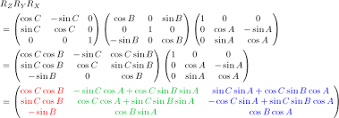
Rotation und Translation von homogenen Koordinaten | Denavit Hartenberg Transformation
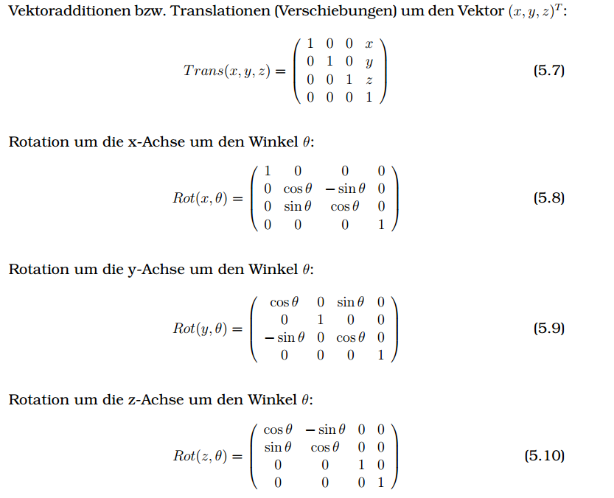

 | https://de.wikipedia.org/wiki/Roll-Nick-Gier-Winkel
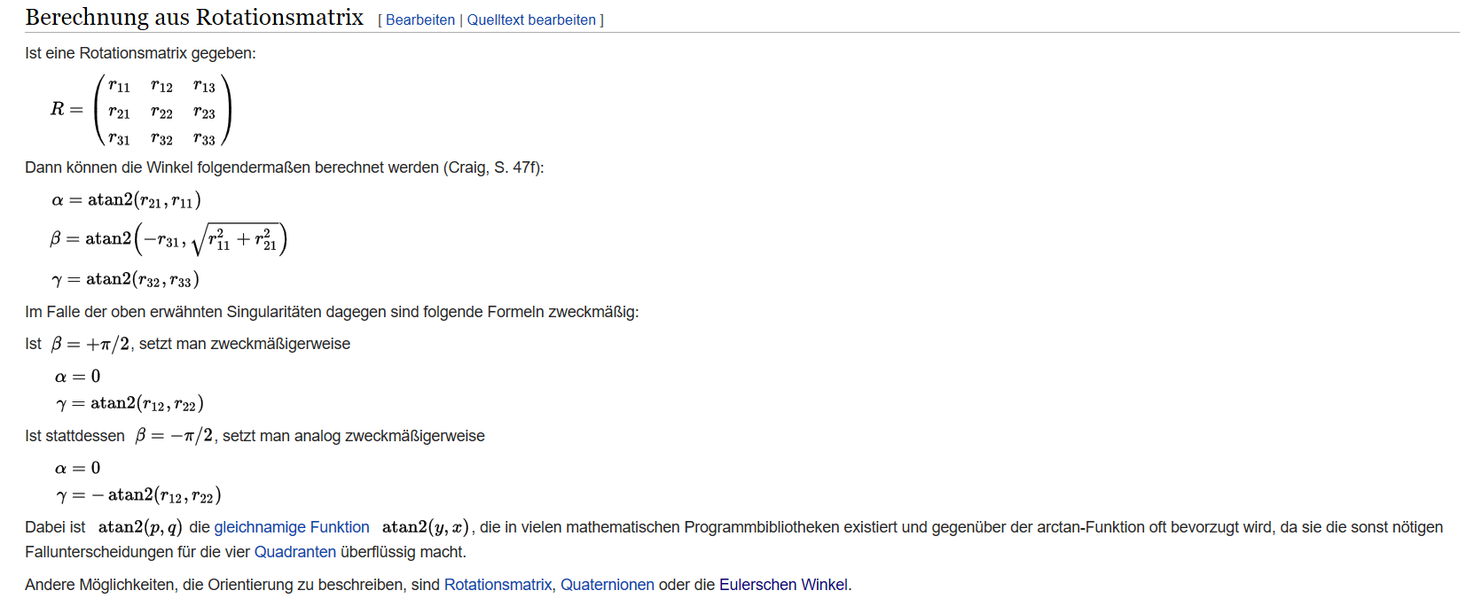

 | a | Gier
http://kos.informatik.uni-osnabrueck.de/download/diplom/node26.html | b | Nick
 | g | Roll
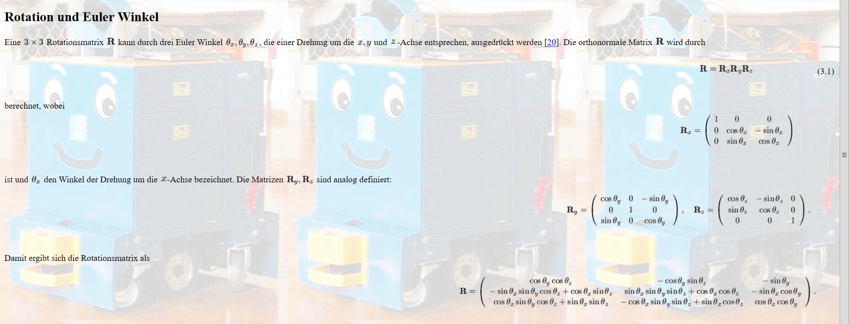

http://www-home.htwg-konstanz.de/~bittel/ain_robo/Vorlesung/02_PositionUndOrientierung.pdf

