Kinematik
Vorwärts Kinematik
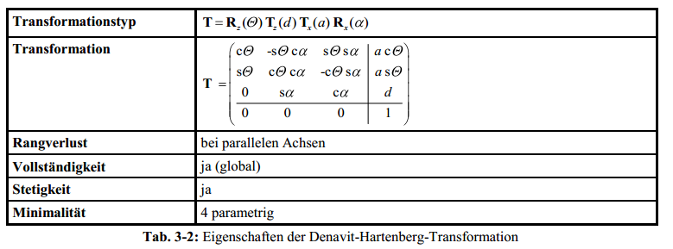
Top view WCP
 |  |  |  |  | WCP | 199.7
 |  |  |  |  |  | 10.5
 |  |  |  |  |  | 400.0

 |  |  |  |  | TCP | 339.53 | -90.0 | 30.0
 |  |  |  |  |  | 17.79 | -60.0 | 0.0
 |  |  |  |  |  | 400.00 | -87.0 | 3.0
 |  |  |  |  |  |  |  |  |  |  |  |  |  |  |  |  | Achtung: in Excel ARCTAN2(x;y) entspricht ARCTAN(y/x) (falschrum!)

Joint Angles |  |  | Inverse Kinematics
 |  |  | looking forward |  |  |  | looking backward
q0 | 3.0 ° | 0.05 RAD |  | 3.0 ° |  |  |  | -177.0 ° | switch direction when necessary to make it stetig
q1 | 0.0 ° | 0.00 RAD | 0.00 ° | 67.38 ° |  |  | -67.38 ° | 0.00 ° |  |  |  |  |  |  |  |  |  |  |  |  | Ursprung
q2 | 0.0 ° | 0.00 RAD | 0.00 ° | -180.00 ° |  |  | 0.00 ° | -180.00 ° |  |  |  |  |  |  |  |  |  |  |  |  | 0
q3 | 0.0 ° | 0.00 RAD |  |  | 0.00 ° | -180.00 ° |  |  |  |  |  |  |  |  |  |  |  |  |  |  | 0
q4 | 0.0 ° | 0.00 RAD |  |  | 0.00 ° | 0.00 ° |  |  |  |  |  |  |  |  |  |  |  |  |  |  | 0
q5 | 30.0 ° | 0.52 RAD |  |  | 30.00 ° | -150.00 ° |  |  |  |  |  |  |  |  |  |  |  |  |  |  | 1

$$T_{0}^{1}=\left(\begin{matrix}\cos{θ_{0}} & 0 & −\sin{θ_{0}} & 0 \\ \sin{θ_{0}} & 0 & \cos{θ_{0}} & 0 \\ 0 & −1 & 0 & d_{5} \\ 0 & 0 & 0 & 1\end{matrix}\right)$$
 |  | a[°] | a[RAD] | a[mm] | d[mm] | q[°] | q[RAD] |  |  |  |  |  | Transformationsmatrixi i+1 |  |  |  | Transformationsmatrix0 n |  |  |  | Gelenkpunkt | RAD | Euler ° (zyx Konvention)
Hüfte (T0-1) |  | -90 | -1.571 | 0 | 100 | 3 | 0.052 |  |  |  |  |  | 0.99863 | 0.00000 | -0.05234 | 0.00000 | 0.9986 | -0.0000 | -0.0523 | - | - | -1.57 RAD | -90.0 °
 |  |  |  |  |  |  |  |  |  |  |  |  | 0.05234 | 0.00000 | 0.99863 | 0.00000 | 0.0523 | 0.0000 | 0.9986 | - | - | 0.00 RAD | 0.0 °
 |  |  |  |  |  |  |  |  |  |  |  |  | 0.00000 | -1.00000 | 0.00000 | 100.00000 | - | -1.0000 | 0.0000 | 100.0000 | 100.0 | 0.05 RAD | 3.0 °
 |  |  |  |  |  |  |  |  |  |  |  |  | 0.00000 | 0.00000 | 0.00000 | 1.00000 | - | - | - | 1.0000 | 1.0

$$T_{1}^{2}=\left(\begin{matrix}\cos{θ_{1}} & −\sin{θ_{1}} & 0 & a_{1} \cos{θ_{1}} \\ \sin{θ_{1}} & \cos{θ_{1}} & 0 & a_{1} \sin{θ_{1}} \\ 0 & 1 & 0 & 0 \\ 0 & 0 & 0 & 1\end{matrix}\right)$$
Oberarm (T1-2) |  | 0 | 0.000 | 300 | 0 | -90 | -1.571 |  |  |  |  |  | 0.0000 | 1.0000 | 0.0000 | 0.0000 | 0.0000 | 0.9986 | -0.0523 | 0.0000 | 0.0 | -1.52 RAD | -87.0 °
 |  |  |  |  |  |  |  |  |  |  |  |  | -1.0000 | 0.0000 | 0.0000 | -300.0000 | -0.0000 | 0.0523 | 0.9986 | -0.0000 | -0.0 | -1.57 RAD | -90.0 °
 |  |  |  |  |  |  |  |  |  |  |  |  | 0.0000 | 0.0000 | 1.0000 | 0.0000 | 1.0000 | -0.0000 | 0.0000 | 400.0000 | 400.0 | 0.00 RAD | 0.0 °
 |  |  |  |  |  |  |  |  |  |  |  |  | 0.0000 | 0.0000 | 0.0000 | 1.0000 | - | - | - | 1.0000 | 1.0
$$T_{2}^{3}=\left(\begin{matrix}\cos{θ_{2}} & 0 & −\sin{θ_{2}} & 0 \\ \sin{θ_{2}} & 0 & \cos{θ_{2}} & 0 \\ 0 & −1 & 0 & 0 \\ 0 & 0 & 0 & 1\end{matrix}\right)$$
Unterarm (T2-3) |  | -90 | -1.571 | 0 | 0 | 0 | 0.000 |  |  |  |  |  | 1.00000 | 0.00000 | 0.00000 | 0.00000 | 0.000 | 0.052 | 0.999 | 0.000 | 0.0 | -3.09 RAD | -177.0 °
 |  |  |  |  |  |  |  |  |  |  |  |  | 0.00000 | 0.00000 | 1.00000 | 0.00000 | -0.000 | -0.999 | 0.052 | -0.000 | -0.0 | -1.57 RAD | -90.0 °
 |  |  |  |  |  |  |  |  |  |  |  |  | 0.00000 | -1.00000 | 0.00000 | 0.00000 | 1.000 | -0.000 | -0.000 | 400.000 | 400.0 | 0.00 RAD | 0.0 °
 |  |  |  |  |  |  |  |  |  |  |  |  | 0.00000 | 0.00000 | 0.00000 | 1.00000 | - | - | - | 1.000 | 1.0

$$T_{3}^{4}=\left(\begin{matrix}\cos{θ_{3}} & 0 & \sin{θ_{3}} & 0 \\ \sin{θ_{3}} & 0 & −cos{θ_{3}} & 0 \\ 0 & 1 & 0 & d_{3} \\ 0 & 0 & 0 & 1\end{matrix}\right)$$
Ellbogen (T3-4) |  | 90 | 1.571 | 0 | 200 | 0 | 0.000 |  |  |  |  |  | 1.00 | 0.00 | 0.00 | 0.00 | 0.000 | 0.999 | -0.052 | 199.726 | 199.7 | -1.52 RAD | -87.0 °
 |  |  |  |  |  |  |  |  |  |  |  |  | 0.00 | 0.00 | -1.00 | 0.00 | -0.000 | 0.052 | 0.999 | 10.467 | 10.5 | -1.57 RAD | -90.0 °
 |  |  |  |  |  |  |  |  |  |  |  |  | 0.00 | 1.00 | 0.00 | 200.00 | 1.000 | -0.000 | 0.000 | 400.000 | 400.0 | 0.00 RAD | 0.0 °
 |  |  |  |  |  |  |  |  |  |  |  |  | 0.00 | 0.00 | 0.00 | 1.00 | - | - | - | 1.000 | 1
$$T_{4}^{5}=\left(\begin{matrix}\cos{θ_{4}} & 0 & −sin{θ_{4}} & 0 \\ \sin{θ_{4}} & 0 & \cos{θ_{4}} & 0 \\ 0 & −1 & 0 & 0 \\ 0 & 0 & 0 & 1\end{matrix}\right)$$
Handgelenk (T4-5) |  | -90 | -1.571 | 0 | 0 | 0.0 ° | 0.000 |  |  |  |  |  | 1.00 | 0.00 | 0.00 | 0.00 | 0.000 | 0.052 | 0.999 | 199.726 | 199.7 | -3.14 RAD | -180.0 °
 |  |  |  |  |  |  |  |  |  |  |  |  | 0.00 | 0.00 | 1.00 | 0.00 | 0.000 | -0.999 | 0.052 | 10.467 | 10.5 | -1.57 RAD | -90.0 °
 |  |  |  |  |  |  |  |  |  |  |  |  | 0.00 | -1.00 | 0.00 | 0.00 | 1.000 | -0.000 | -0.000 | 400.000 | 400.0 | 0.05 RAD | 3.0 °
 |  |  |  |  |  |  |  |  |  |  |  |  | 0.00 | 0.00 | 0.00 | 1.00 | - | - | - | 1.000 | 1
$$T_{5}^{6}=\left(\begin{matrix}\cos{θ_{5}} & −\sin{θ_{5}} & 0 & 0 \\ \sin{θ_{5}} & \cos{θ_{5}} & 0 & 0 \\ 0 & 0 & 1 & d_{5} \\ 0 & 0 & 0 & 1\end{matrix}\right)$$
Hand (T5-6) |  | 0 | 0.000 | 0 | 140 | 30.0 | 0.524 |  |  |  |  |  | 0.87 | -0.50 | 0.00 | 0.00 | 0.02617 | 0.04532 | 0.99863 | 339.5340 | 339.5 | -1.571 RAD | -90.0 ° | g | Roll
 |  |  |  |  |  |  |  |  |  |  |  |  | 0.50 | 0.87 | 0.00 | 0.00 | -0.49931 | -0.86484 | 0.05234 | 17.7942 | 17.8 | -1.047 RAD | -60.0 ° | b | Nick/pitch
 |  |  |  |  |  |  |  |  |  |  |  |  | 0.00 | 0.00 | 1.00 | 140.00 | 0.86603 | -0.50000 | -0.00000 | 400.0000 | 400.0 | -1.518 RAD | -87.0 ° | a | Gier
 |  |  |  |  |  |  |  |  |  |  |  |  | 0.00 | 0.00 | 0.00 | 1.00 | - | - | - | 1.0000 | 1.0
 |  | x | A | y | B | z | C
$$T_{V}{=T}_{6}^{7}=\left(\begin{matrix}\cos{θ_{5}} & −\sin{θ_{5}} & 0 & 0 \\ \sin{θ_{5}} & \cos{θ_{5}} & 0 & 0 \\ 0 & 0 & 1 & 0 \\ 0 & 0 & 0 & 1\end{matrix}\right)$$
 |  | -90 | -1.571 | -90 | -1.571 | -90 | -1.571 |  |  |  |  |  | 0.00 | 0.00 | 1.00 | 0.00 | 0.99863 | -0.04532 | 0.02617 | 339.5340 | 339.5 | 0.524 RAD | 30.0 ° | g | Roll
 |  |  |  |  |  |  |  |  |  |  |  |  | 0.00 | -1.00 | 0.00 | 0.00 | 0.05234 | 0.86484 | -0.49931 | 17.7942 | 17.8 | 0.000 RAD | 0.0 ° | b | Nick/pitch
 |  |  |  |  |  |  |  |  |  |  |  |  | 1.00 | 0.00 | 0.00 | 0.00 | -0.00000 | 0.50000 | 0.86603 | 400.0000 | 400.0 | 0.052 RAD | 3.0 ° | a | Gier
 |  |  |  |  |  |  |  |  |  |  |  |  | 0.00 | 0.00 | 0.00 | 1.00 | - | - | - | 1.0000 | 1.0

 |  |  |  |  |  |  |  |  |  |  |  |  | 0.00 | 0.00 | 1.00 | 0.00
 |  |  |  |  |  |  |  |  |  |  |  |  | 0.00 | -1.00 | 0.00 | 0.00
 |  |  |  |  |  |  |  |  |  |  |  |  | 1.00 | 0.00 | 0.00 | 0.00
Inverse Kinematik |  |  |  |  |  |  |  |  |  |  |  |  | 0 | 0 | 0 | 1.00
 |  |  |  |  |  |  |  |  |  |  |  |  |  |  |  |  | 1 |  | 0.97947348333 | 0.97947348333 | 0.97947348333
 |  | Punkt | Orientierung aus Sicht TCP |  |  | Orientierung aus Sicht World |  |  |  |  |  |  |  |  |  |  | 1 |  | 0.41785974741 | 0.41785974741 | 0.41785974741
TCP |  | 339.5 | -1.57 RAD | -90.0 ° | 1.57 RAD | 1.57 RAD | 90.0 ° |  |  |  |  |  | 339.53404182 | 0.5235987756 |  |  | 1 |  | 1.3660252293 | 1.3660252293 | 1.3660252293
 |  | 17.8 | -1.05 RAD | -60.0 ° | 0.52 RAD | 0.52 RAD | 30.0 ° |  |  |  |  |  | 17.794225123 | 1.7453292523E-07 |  |  | 0 |  | 0 | 0 | 0
 |  | 400.0 | -1.52 RAD | -87.0 ° | -1.52 RAD | -1.52 RAD | -87.0 ° |  |  |  |  |  | 399.99997557 | 0.05235987756
 |  | 1.0 |  |  |  |  |  |  |  |  |  |  | 1

$\left(T_{0}^{6}\right)$=
$\left(T_{0}^{6}\right)$=
$\left(T_{0}^{6}\right)$=
$\left(T_{0}^{6}\right)$=
$\left(T_{0}^{6}\right)$=
$\left(T_{0}^{6}\right)$=
Modell zy'x'' |  |  |  |  | Orientierung aus Sicht TCP |  |  | Orientierung aus Sicht World
 | 0.026168 | 0.045324 | 0.998630 | 339.5340 | -1.571 RAD | -90.0 | 1.57 RAD | 1.57 RAD | 90.0 ° |  |  | 0.998630 | -0.045324 | 0.026168 | 339.5340 | 0.02617 | 0.04532 | 0.99863 | 339.53404
 | -0.499315 | -0.864839 | 0.052336 | 17.7942 | -1.047 RAD | -60.0 | 0.52 RAD | 0.52 RAD | 30.0 ° |  |  | 0.052336 | 0.864839 | -0.499315 | 17.7942 | -0.49931 | -0.86484 | 0.05234 | 17.79423
 | 0.866025 | -0.500000 | -0.000000 | 400.0000 | -1.518 RAD | -87.0 | -1.52 RAD | -1.52 RAD | -87.0 ° |  |  | -0.000000 | 0.500000 | 0.866025 | 400.0000 | 0.86603 | -0.50000 | 0.00000 | 399.99998
 | - | - | - | 1.0000 |  |  |  |  |  |  |  | - | - | - | 1.0000 | 0.00000 | 0.00000 | 0.00000 | 1.00000
Berechnung WCP
WCP und TCP unterscheiden sich nur durch Translation von d5. Also kann aus TCP WCP direkt errechnet werden

$\left(\begin{matrix}0 \\ 0 \\ d_{5} \\ 1\end{matrix}\right)$ =
$\left(T_{0}^{6}\right) {WCP}_{TCP}$=
WCPTCP (WCP aus Perspektive von TCP) = |  |  |  |  | 0 |  |  | 199.7 | 199.7 | 199.7 | 199.7
 |  |  |  |  | 0 |  |  | 10.5 | 10.5 | 10.5 | 10.5
 |  |  |  |  | -140 |  |  | 400.0 | 400.0 | 400.0 | 400.0
 |  |  |  |  | 1 |  |  | 1.0 | 1.0 | 1.0 | 1.0
WCP = TCP+WCPTCP=T0-6*WCPTCP
TCP = T0-6 | => | WCP = T0-6 * WCPTCP

Berechnung q0
two variants, look forward and look backward
$θ_{0}=atan2({WCP}_{x};{WCP}_{y})$ =
 | 199.72591 |  |  | => |  |  | 0.05 RAD | 3.0 °
WCP | 10.4672 |  |  |  |  |  | -3.09 RAD | -177.0 °
 | 400.0000 |  |  | Look forward |  | 0.05 RAD | 3.0 ° | OK
 | 1 |  |  | Look backward |  | -3.09 RAD | -177.0 ° | NOT OK!
forward/back | 1

Berechnung q1,q2
$$a^{2}=b^{2}+c^{2}−2b c cos{a}$$
Build Triangle of joint 1,2/3,WCP, compute angles with cosine sentence

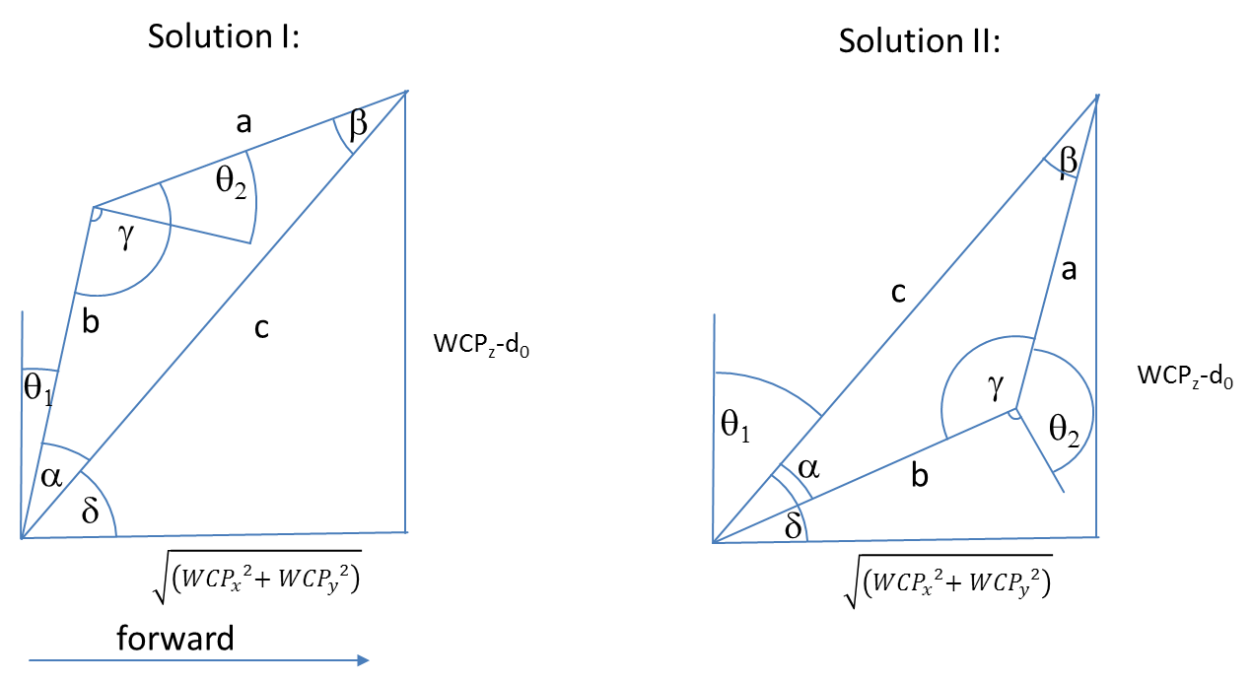

 |  |  |  |  |  |  |  |  | Diagramm | 0 | 200
 |  |  |  |  |  |  |  |  |  | 0 | 300.0

$${WCP}_{z}−d_{0}$$

$$a= \cos^{−1}\left(\frac{a^{2}−b^{2}−c^{2}}{−2bc}\right)=$$
 |  |  |  | 300.0 |  |  |  |  |  |  |  | 0.588 RAD | 33.7 °
$$\sqrt{\left({{WCP}_{x}}^{2}{{+ WCP}_{y}}^{2}\right)}$$
$c^{2}=a^{2}+b^{2}−2a b cos{γ} \underset{⇒}{} γ=\cos^{−1}\left(\frac{c^{2}−a^{2}−b^{2}}{−2ab}\right)=$
 |  |  |  | 200.0 |  |  |  |  |  |  |  | 1.57080 RAD | 90.0 °

$$δ=ARCTAN2\left(WCPz,\sqrt{\left({{WCP}_{x}}^{2}{{+ WCP}_{y}}^{2}\right)}\right)=$$
 |  |  |  |  |  |  |  |  |  |  |  | Look Forward |  |  |  | Look Backward
 | triangle side c |  |  | 360.6 |  |  |  |  |  |  | FlipFlag | 1 |  |  |  | -1
 | triangle side b |  |  | 300.0 |  |  |  |  |  |  | choose between solution I and II | 0.982794 RAD | 56.3 ° |  |  | 2.16 RAD | 123.7 °
 | triangle side a |  |  | 200.0

$$θ_{1}=90° −(γ+ a)=$$
$$θ_{2}=90° −γ=$$
 |  |  |  | Solution I |  |  |  |  |  |  |  | 0.000000 RAD | 0.0 ° | OK |  | -1.18 RAD | -67.4 ° | OK
 |  |  |  |  |  |  |  |  |  |  |  | 0.00 RAD | 0.0 ° | OK |  | 0.00 RAD | 0.0 ° | OK

$$θ_{1}=90° −(γ−a)=$$
$$θ_{2}= 270° −γ =$$
 |  |  |  | Solution II |  |  |  |  |  |  |  | 1.18 RAD | 67.4 ° | NOT OK! |  | 0.00 RAD | 0.0 ° | NOT OK!
 |  |  |  |  |  |  |  |  |  |  |  | -3.14 RAD | -180.0 ° | NOT OK! |  | -3.14 RAD | -180.0 ° | NOT OK!

$$R_{3}^{6}=\left(\begin{matrix}\cos{θ_{3}\cos{θ_{4}}\cos{θ_{4}−}}\sin{θ_{3}\sin{θ_{5}}} & −\cos{θ_{3}\cos{θ_{4}}\sin{θ_{5}}}−\sin{θ_{3}}\cos{θ_{5}} & −cos{θ_{3}}sin{θ_{4}} \\ \sin{θ_{3}\cos{θ_{4}}\cos{θ_{5}+}}\cos{θ_{3}}\sin{θ_{5}} & −\sin{θ_{3}}\cos{θ_{4}}\sin{θ_{5}}+\cos{θ_{3}\cos{θ_{5}}} & −{\sin{θ_{3}}\sin{θ_{4}}} \\ \sin{θ_{4}}\cos{θ_{5}} & −\sin{θ_{4}}\sin{θ_{5}} & \cos{θ_{4}}\end{matrix}\right)$$
Berechnung q3,q4,q5
 |  |  |  |  |  |  |  |  | Ist |  |  | Soll
 |  |  |  |  |  |  |  |  | 0.86603 | -0.50000 | 0.00000 | 0.86603 | -0.50000 | 0.00000
 |  |  |  |  |  |  |  |  | 0.50000 | 0.86603 | 0.00000 | 0.50000 | 0.86603 | 0.00000
 |  |  |  |  |  |  |  |  | 0.00000 | 0.00000 | 1.00000 | 0.00000 | 0.00000 | 1.00000

$R_{0}^{3}=$
${\left(R_{0}^{3}\right)}^{−1}={\left(R_{0}^{3}\right)}^{T}=$
$R_{0}^{6}=$
$\left(R_{3}^{6}\right)={\left(R_{0}^{3}\right)}^{−1}R_{0}^{6}=$
 | 0.00000 | 0.05234 | 0.99863 |  |  |  | 0.00000 | 0.00000 | 1.00000 |  |  | 0.02617 | 0.04532 | 0.99863 |  |  |  | 0.8660254038 | -0.5000000000 | -0.0000001745
 | 0.00000 | -0.99863 | 0.05234 |  |  |  | 0.05234 | -0.99863 | 0.00000 |  |  | -0.49931 | -0.86484 | 0.05234 |  |  |  | 0.5000000000 | 0.8660254038 | 0.0000000000
 | 1.00000 | 0.00000 | 0.00000 |  |  |  | 0.99863 | 0.05234 | 0.00000 |  |  | 0.86603 | -0.50000 | 0.00000 |  |  |  | 0.0000001511 | -0.0000000873 | 1.0000000000
$\left(R_{3}^{6}\right)={\left(R_{0}^{3}\right)}^{−1}R_{0}^{6}$

$\cos{θ_{4}}={\left(R_{0}^{3}\right) }_{33}$=
$$θ_{4}=$$
$$θ_{5}=$$
$$θ_{5}=$$
$$θ_{5}=$$
$$θ_{3}=$$
$$θ_{3}=$$
$$θ_{3}=$$
$$−\sin{θ_{4}}\sin{θ_{5}}= {\left(R_{0}^{3}\right) }_{32}$$
 |  |  | 1.000000000 |  |  | 0.00 RAD | 0.0 ° |  | 0.52 RAD | 30.00 ° |  |  | 1.9878460641E-10 | 0.00 °
 |  |  |  |  |  | 0.00 RAD | 0.0 ° |  | -2.62 RAD | -150.00 ° |  |  | -3.1415926534 | -180.00 °
 |  |  | -0.000000087
$$\sin{θ_{4}}\cos{θ_{5}}= {\left(R_{0}^{3}\right) }_{31}$$
 |  |  | 0.000000151
$$−{\sin{θ_{3}}\sin{θ_{4}}}= {\left(R_{0}^{3}\right) }_{23}$$
 |  |  | 0.000000000
$$−cos{θ_{3}}sin{θ_{4}}= {\left(R_{0}^{3}\right) }_{13}$$
 |  |  | -0.000000175

 |  |  | =

Theory Sources
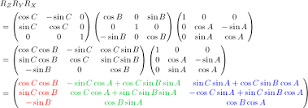
Rotation und Translation von homogenen Koordinaten | Denavit Hartenberg Transformation
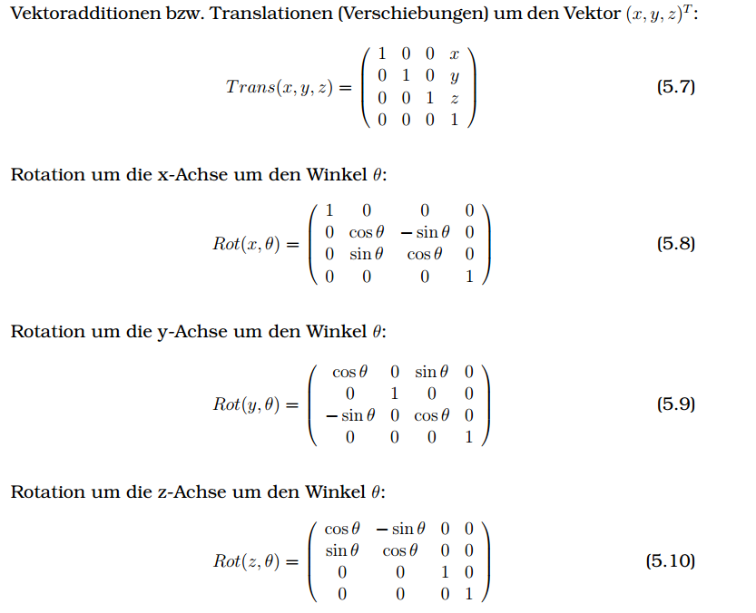

 | https://de.wikipedia.org/wiki/Roll-Nick-Gier-Winkel
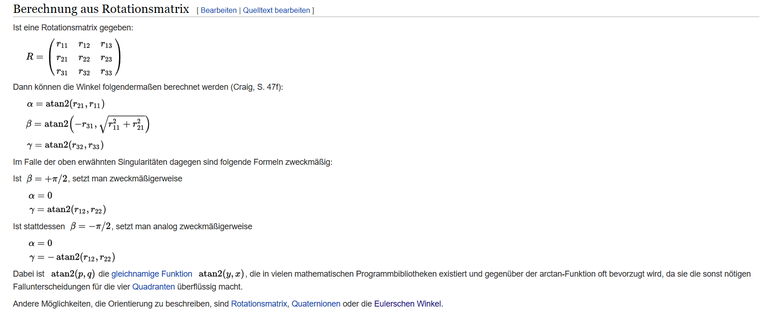

 | a | Gier
http://kos.informatik.uni-osnabrueck.de/download/diplom/node26.html | b | Nick
 | g | Roll
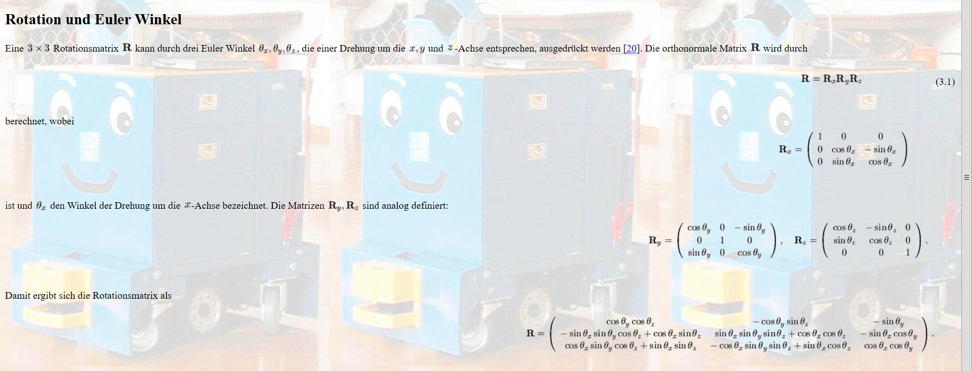

http://www-home.htwg-konstanz.de/~bittel/ain_robo/Vorlesung/02_PositionUndOrientierung.pdf

Trajectory Speed profile
Speed Profile
Speed Profile v(t)
v0 | 0.1 | [mm/ms]
v1 | 0.6 | [mm/ms]
distance | 1000 | [mm]
tges | 5000 | [ms]
a | 0.0005 | [mm/ms2]

vaverage | 0.2 | [mm/ms]
u |  |  |  | -1000 | -1000 | -1000 | -1000
c |  |  |  | -750.00 | -250 | -1350 | -650 |  |  |  | -0.505
b |  |  |  | 3 | 2 | 0.2 | 0.2 |  |  |  | 0.1
a |  |  |  | -0.0005 | 0.0005 | 0.0005 | -0.0005 |  |  |  | 0.5

 |  |  |  |  |  |  |  |  |  |  | time | 0 | 125.0 | 4125.000 | 5000
Monoton |  |  | pos Trapez |  | neg Trapez | peak | peakdown | Ramp-Up |  |  | v monotron | 0.1 | 0.163 | 0.163 | 0.6
t0 | 125.00 | [ms] | t0 | 261.387 | 121.320 | 1455.295 | #NUM! | 1000.00 |  |  | time | 0 | 261.4 | 4261.387 | 5000
t1 | 875.000 | [ms] | t1 | 738.613 | 878.680 | -455.29 | #NUM! | 0.00 |  |  | v Trapez | 0.1 | 0.231 | 0.231 | 0.6
tges |  |  |  |  |  | 1910.59 | #NUM!
vs | 0.163 | [mm/ms] | vs | 0.231 | 0.161 | 0.82764726786 | #NUM! | 0.600 |  |  | time | 0 | 1000.0 | 5000.000 | 5000
d = | 1000.00 | [mm] | d = | 1272.77 | 992.64 | 1000.00 | #NUM! | 2750 | rampup tges | 2083.3333333 | v ramp up | 0.1 | 0.600 | 0.600 | 0.600
v1 | 0.6 | [mm/ms] | v1 | 0.600 | 0.600 | 0.600 | #NUM! | 0.600 | max v rampup | 1.005
min tg |  |  |  | 12500 |  |  |  |  | min v ramp up | #NUM!

tabs,0 | 125.00 | [ms] |  | 261.39 | 121.32 | 1455.29 | #NUM! | 1000.00
tabs,1 | 4125.00 | [ms] |  | 4261.39 | 4121.32 | 1455.29 | #NUM! | 5000.00
s0 (t) | `v0*t + 0,5*a*t*t |  |  |  |  |  |  |  | t | 0 | 100 | 200 | 300 | 400 | 500 | 600 | 700 | 800 | 900 | 1000 | 1100 | 1200 | 1300 | 1400 | 1500 | 1600 | 1700 | 1800 | 1900 | 2000 | 2100 | 2200 | 2300 | 2400 | 2500 | 2600 | 2700 | 2800 | 2900 | 3000 | 3100 | 3200 | 3300 | 3400 | 3500 | 3600 | 3700 | 3800 | 3900 | 4000 | 4100 | 4200 | 4300 | 4400 | 4500 | 4600 | 4700 | 4800 | 4900
s1 (t) | (t-t0)*vs + s0(t0) |  |  |  |  |  |  | v(t) | 0.10 | 0.15 | 0.15 | 0.16 | 0.16 | 0.16 | 0.16 | 0.16 | 0.16 | 0.16 | 0.16 | 0.16 | 0.16 | 0.16 | 0.16 | 0.16 | 0.16 | 0.16 | 0.16 | 0.16 | 0.16 | 0.16 | 0.16 | 0.16 | 0.16 | 0.16 | 0.16 | 0.16 | 0.16 | 0.16 | 0.16 | 0.16 | 0.16 | 0.16 | 0.16 | 0.16 | 0.16 | 0.16 | 0.16 | 0.16 | 0.16 | 0.16 | 0.16 | 0.20 | 0.25 | 0.30 | 0.35 | 0.40 | 0.45 | 0.50 | 0.55
s2 (t) | s1(t-(tg-t2)) + 0,5*a*(t-(tg-t2))*(t-(tg-t2)) |  |  |  |  |  |  | x(t) | 0 | 12.5 | 28.59375 | 28.59375 | 44.84375 | 61.09375 | 77.34375 | 93.59375 | 109.84375 | 126.09375 | 142.34375 | 158.59375 | 174.84375 | 191.09375 | 207.34375 | 223.59375 | 239.84375 | 256.09375 | 272.34375 | 288.59375 | 304.84375 | 321.09375 | 337.34375 | 353.59375 | 369.84375 | 386.09375 | 402.34375 | 418.59375 | 434.84375 | 451.09375 | 467.34375 | 483.59375 | 499.84375 | 516.09375 | 532.34375 | 548.59375 | 564.84375 | 581.09375 | 597.34375 | 613.59375 | 629.84375 | 646.09375 | 662.34375 | 680 | 702.5 | 730 | 762.5 | 800 | 842.5 | 890 | 942.5
 |  |  |  |  |  |  |  | vTrapez(t)
 |  |  |  |  |  |  |  | xMonoton(t)
Speed Profile v(t)
Position Profile x(t)

