Kinematik
Vorwärts Kinematik
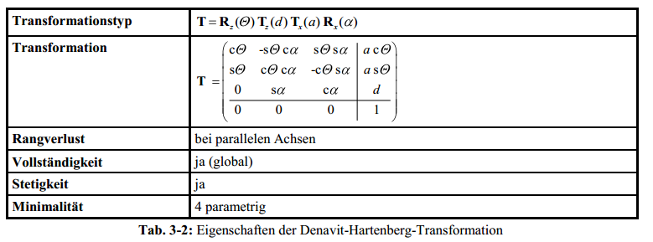
Top view WCP
 |  |  |  |  | WCP | 185.9
 |  |  |  |  |  | -32.8
 |  |  |  |  |  | 617.2

 |  |  |  |  | TCP | 234.3 | -44.7
 |  |  |  |  |  | -41.6 | -75.9
 |  |  |  |  |  | 625.9 | -144.7
 |  |  |  |  |  |  |  |  |  |  |  |  |  |  |  |  | Achtung: in Excel ARCTAN2(x;y) entspricht ARCTAN(y/x) (falschrum!)

Joint Angles |  |  | Inverse Kinematics
 |  |  | looking forward |  |  |  | looking backward
q0 | -10.0 ° | -0.17 RAD |  | -10.0 ° |  |  |  | 170.0 ° | switch direction when necessary to make it stetig
q1 | -2.0 ° | -0.03 RAD | -2.0 ° | 63.5 ° |  |  | -63.5 ° | 2.0 ° |  |  |  |  |  |  |  |  |  |  |  |  | Ursprung
q2 | -3.0 ° | -0.05 RAD | -3.0 ° | -177.0 ° |  |  | -3.0 ° | -177.0 ° |  |  |  |  |  |  |  |  |  |  |  |  | 0
q3 | 4.0 ° | 0.07 RAD |  |  | -176.0 ° | 176.0 ° |  |  |  |  |  |  |  |  |  |  |  |  |  |  | 0
q4 | -5.0 ° | -0.09 RAD |  |  | 5.0 ° | -5.0 ° |  |  |  |  |  |  |  |  |  |  |  |  |  |  | 0
q5 | 6.0 ° | 0.10 RAD |  |  | -174.0 ° | 174.0 ° |  |  |  |  |  |  |  |  |  |  |  |  |  |  | 1

$$T_{0}^{1}=\left(\begin{matrix}\cos{θ_{0}} & 0 & −\sin{θ_{0}} & 0 \\ \sin{θ_{0}} & 0 & \cos{θ_{0}} & 0 \\ 0 & −1 & 0 & d_{5} \\ 0 & 0 & 0 & 1\end{matrix}\right)$$
 |  | a[°] | a[RAD] | a[mm] | d[mm] | q[°] | q[RAD] |  |  |  |  |  | Transformationsmatrixi i+1 |  |  |  | Transformationsmatrix0 n |  |  |  | Gelenkpunkt | RAD | Euler ° (zyx Konvention)
Hüfte (T0-1) |  | -90 | -1.571 | 0 | 300 | -10 | -0.175 |  |  |  |  |  | 0.98481 | 0.00000 | 0.17365 | 0.00000 | 0.9848 | 0.0000 | 0.1736 | - | - | -1.57 RAD | -90.0 °
 |  |  |  |  |  |  |  |  |  |  |  |  | -0.17365 | 0.00000 | 0.98481 | 0.00000 | -0.1736 | 0.0000 | 0.9848 | - | - | 0.00 RAD | 0.0 °
 |  |  |  |  |  |  |  |  |  |  |  |  | 0.00000 | -1.00000 | 0.00000 | 300.00000 | - | -1.0000 | 0.0000 | 300.0000 | 300.0 | -0.17 RAD | -10.0 °
 |  |  |  |  |  |  |  |  |  |  |  |  | 0.00000 | 0.00000 | 0.00000 | 1.00000 | - | - | - | 1.0000 | 1.0

$$T_{1}^{2}=\left(\begin{matrix}\cos{θ_{1}} & −\sin{θ_{1}} & 0 & a_{1} \cos{θ_{1}} \\ \sin{θ_{1}} & \cos{θ_{1}} & 0 & a_{1} \sin{θ_{1}} \\ 0 & 1 & 0 & 0 \\ 0 & 0 & 0 & 1\end{matrix}\right)$$
Oberarm (T1-2) |  | 0 | 0.000 | 300 | 0 | -92 | -1.606 |  |  |  |  |  | -0.0349 | 0.9994 | 0.0000 | -10.4698 | -0.0344 | 0.9842 | 0.1736 | -10.3108 | -10.3 | 1.57 RAD | 90.0 °
 |  |  |  |  |  |  |  |  |  |  |  |  | -0.9994 | -0.0349 | 0.0000 | -299.8172 | 0.0061 | -0.1735 | 0.9848 | 1.8181 | 1.8 | -1.54 RAD | -88.0 °
 |  |  |  |  |  |  |  |  |  |  |  |  | 0.0000 | 0.0000 | 1.0000 | 0.0000 | 0.9994 | 0.0349 | 0.0000 | 599.8172 | 599.8 | 2.97 RAD | 170.0 °
 |  |  |  |  |  |  |  |  |  |  |  |  | 0.0000 | 0.0000 | 0.0000 | 1.0000 | - | - | - | 1.0000 | 1.0
$$T_{2}^{3}=\left(\begin{matrix}\cos{θ_{2}} & 0 & −\sin{θ_{2}} & 0 \\ \sin{θ_{2}} & 0 & \cos{θ_{2}} & 0 \\ 0 & −1 & 0 & 0 \\ 0 & 0 & 0 & 1\end{matrix}\right)$$
Ellbogen (T2-3) |  | -90 | -1.571 | 0 | 0 | -3 | -0.052 |  |  |  |  |  | 1.00 | 0.00 | 0.05 | 0.00 | -0.086 | -0.174 | 0.981 | -10.311 | -10.3 | 0.00 RAD | 0.0 °
 |  |  |  |  |  |  |  |  |  |  |  |  | -0.05 | 0.00 | 1.00 | 0.00 | 0.015 | -0.985 | -0.173 | 1.818 | 1.8 | -1.48 RAD | -85.0 °
 |  |  |  |  |  |  |  |  |  |  |  |  | 0.00 | -1.00 | 0.00 | 0.00 | 0.996 | -0.000 | 0.087 | 599.817 | 599.8 | 2.97 RAD | 170.0 °
 |  |  |  |  |  |  |  |  |  |  |  |  | 0.00 | 0.00 | 0.00 | 1.00 | - | - | - | 1.000 | 1.0

$$T_{3}^{4}=\left(\begin{matrix}\cos{θ_{3}} & 0 & \sin{θ_{3}} & 0 \\ \sin{θ_{3}} & 0 & −cos{θ_{3}} & 0 \\ 0 & 1 & 0 & d_{3} \\ 0 & 0 & 0 & 1\end{matrix}\right)$$
Unterarm (T3-4) |  | 90 | 1.571 | 0 | 200 | 4 | 0.070 |  |  |  |  |  | 1.00 | 0.00 | 0.07 | 0.00 | -0.1 | 1.0 | 0.2 | 185.9 | 185.9 | 0.90 RAD | 51.4
 |  |  |  |  |  |  |  |  |  |  |  |  | 0.07 | 0.00 | -1.00 | 0.00 | -0.1 | -0.2 | 1.0 | -32.8 | -32.8 | -1.46 RAD | -83.6
 |  |  |  |  |  |  |  |  |  |  |  |  | 0.00 | 1.00 | 0.00 | 200.00 | 1.0 | 0.1 | 0.1 | 617.2 | 617.2 | -2.64 RAD | -151.3 °
 |  |  |  |  |  |  |  |  |  |  |  |  | 0.00 | 0.00 | 0.00 | 1.00 | - | - | - | 1.0 | 1
$$T_{4}^{5}=\left(\begin{matrix}\cos{θ_{4}} & 0 & −sin{θ_{4}} & 0 \\ \sin{θ_{4}} & 0 & \cos{θ_{4}} & 0 \\ 0 & −1 & 0 & 0 \\ 0 & 0 & 0 & 1\end{matrix}\right)$$
Handgelenk (T4-5) |  | -90 | -1.571 | 0 | 0 | -5 | -0.087 |  |  |  |  |  | 1.00 | 0.00 | 0.09 | 0.00 | -0.2 | -0.2 | 1.0 | 185.9 | 185.9 | -0.38 RAD | -21.8
 |  |  |  |  |  |  |  |  |  |  |  |  | -0.09 | 0.00 | 1.00 | 0.00 | -0.0 | -1.0 | -0.2 | -32.8 | -32.8 | -1.38 RAD | -79.2
 |  |  |  |  |  |  |  |  |  |  |  |  | 0.00 | -1.00 | 0.00 | 0.00 | 1.0 | -0.1 | 0.2 | 617.2 | 617.2 | -2.94 RAD | -168.2 °
 |  |  |  |  |  |  |  |  |  |  |  |  | 0.00 | 0.00 | 0.00 | 1.00 | - | - | - | 1.0 | 1
$$T_{5}^{6}=\left(\begin{matrix}\cos{θ_{5}} & −\sin{θ_{5}} & 0 & 0 \\ \sin{θ_{5}} & \cos{θ_{5}} & 0 & 0 \\ 0 & 0 & 1 & d_{5} \\ 0 & 0 & 0 & 1\end{matrix}\right)$$
Hand (T5-6) |  | 0 | 0.000 | 0 | 50 | 6 | 0.105 |  |  |  |  |  | 0.99 | -0.10 | 0.00 | 0.00 | -0.19935 | -0.14721 | 0.96881 | 234.3417 | 234.3 | -0.781 RAD | -44.7
 |  |  |  |  |  |  |  |  |  |  |  |  | 0.10 | 0.99 | 0.00 | 0.00 | -0.14091 | -0.97407 | -0.17700 | -41.6294 | -41.6 | -1.324 RAD | -75.9
 |  |  |  |  |  |  |  |  |  |  |  |  | 0.00 | 0.00 | 1.00 | 50.00 | 0.96974 | -0.17180 | 0.17344 | 625.9202 | 625.9 | -2.526 RAD | -144.7 °
 |  |  |  |  |  |  |  |  |  |  |  |  | 0.00 | 0.00 | 0.00 | 1.00 | - | - | - | 1.0000 | 1.0

Inverse Kinematik

 |  | Punkt | Orientierung aus Sicht TCP |  |  | Orientierung aus Sicht World
TCP |  | 234.3 | -0.78 RAD | -44.7 ° | 2.36 RAD | 2.36 RAD | 135.3 °
 |  | -41.6 | -1.32 RAD | -75.9 ° | 0.25 RAD | 0.25 RAD | 14.1 °
 |  | 625.9 | -2.53 RAD | -144.7 ° | -2.53 RAD | -2.53 RAD | -144.7 °
 |  | 1.0

$\left(T_{0}^{6}\right)$=
Modell zy'x'' |  |  |  |  | Orientierung aus Sicht TCP |  |  | Orientierung aus Sicht World
 | -0.1993 | -0.1472 | 0.9688 | 234.3417 | -0.781 RAD | -44.7 | 2.36 RAD | 2.36 RAD | 135.3 °
 | -0.14091 | -0.97407 | -0.1770 | -41.6294 | -1.324 RAD | -75.9 | 0.25 RAD | 0.25 RAD | 14.1 °
 | 0.96974 | -0.1718 | 0.1734 | 625.9202 | -2.526 RAD | -144.7 | -2.53 RAD | -2.53 RAD | -144.7 °
 | - | - | - | 1.0000
Berechnung WCP
WCP und TCP unterscheiden sich nur durch Translation von d5. Also kann aus TCP WCP direkt errechnet werden

$\left(\begin{matrix}0 \\ 0 \\ d_{5} \\ 1\end{matrix}\right)$ =
$\left(T_{0}^{6}\right) {WCP}_{TCP}$=
WCPTCP (WCP aus Perspektive von TCP) = |  |  |  |  | 0 |  |  | 185.9 | 185.9 | 185.9 | 185.9
 |  |  |  |  | 0 |  |  | -32.8 | -32.8 | -32.8 | -32.8
 |  |  |  |  | -50 |  |  | 617.2 | 617.2 | 617.2 | 617.2
 |  |  |  |  | 1 |  |  | 1.0 | 1.0 | 1.0 | 1.0
WCP = TCP+WCPTCP=T0-6*WCPTCP
TCP = T0-6 | => | WCP = T0-6 * WCPTCP

${\left(T_{5}^{6}\right)}^{I}$=

Berechnung q0
two variants, look forward and look backward
$θ_{0}=atan2({WCP}_{x};{WCP}_{y})$ =
 | 185.9 |  |  | => |  |  | -0.17 RAD | -10.0 °
WCP | -32.779408584 |  |  |  |  |  | 2.97 RAD | 170.0 °
 | 617.24839666 |  |  | Look forward |  | -0.17 RAD | -10.0 ° | OK
 | 1 |  |  | Look backward |  | 2.97 RAD | 170.0 ° | NOT OK!
forward/back | 1

Berechnung q1,q2
$$a^{2}=b^{2}+c^{2}−2b c cos{a}$$
Build Triangle of joint 1,2/3,WCP, compute angles with cosine sentence

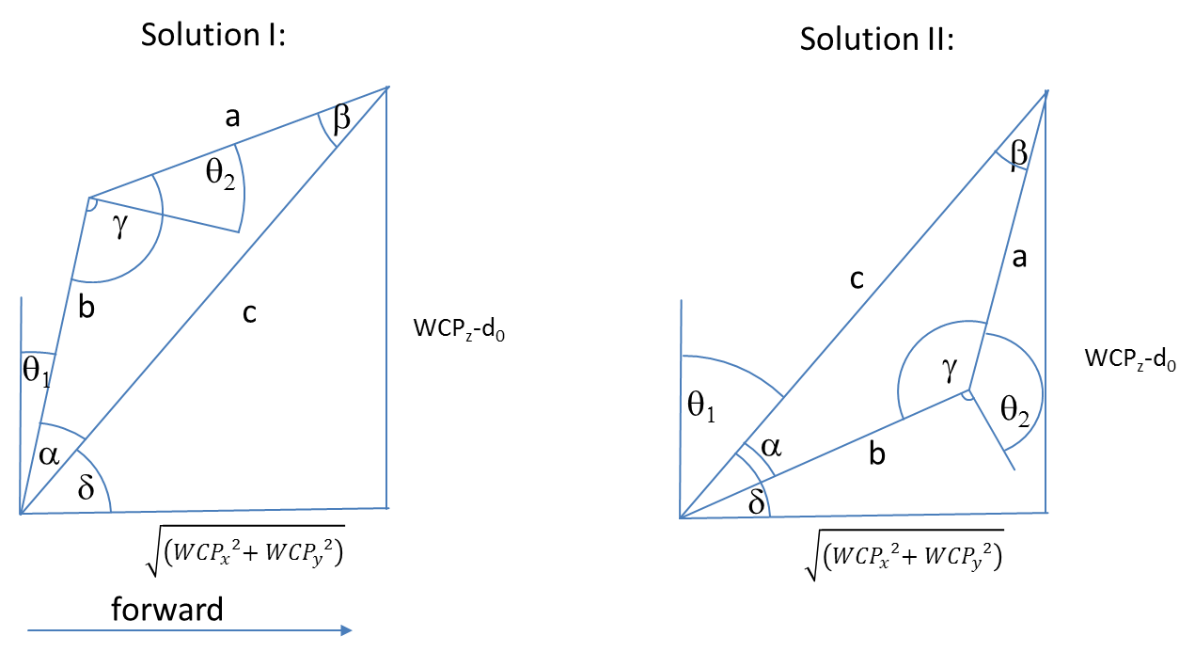

 |  |  |  |  |  |  |  |  | Diagramm | 0 | 188.76909061
 |  |  |  |  |  |  |  |  |  | 0 | 317.2

$${WCP}_{z}−d_{0}$$

$$a= \cos^{−1}\left(\frac{a^{2}−b^{2}−c^{2}}{−2bc}\right)=$$
 |  |  |  | 317.2 |  |  |  |  |  |  |  | 0.57 RAD | 32.8 °
$$\sqrt{\left({{WCP}_{x}}^{2}{{+ WCP}_{y}}^{2}\right)}$$
$c^{2}=a^{2}+b^{2}−2a b cos{γ} \underset{⇒}{} γ=\cos^{−1}\left(\frac{c^{2}−a^{2}−b^{2}}{−2ab}\right)=$
 |  |  |  | 188.8 |  |  |  |  |  |  |  | 1.62 RAD | 93.0 °

$$δ=ARCTAN2\left(WCPz,\sqrt{\left({{WCP}_{x}}^{2}{{+ WCP}_{y}}^{2}\right)}\right)=$$
 |  |  |  |  |  |  |  |  |  |  |  | Look Forward |  |  |  | Look Backward
 | triangle side c |  |  | 369.2 |  |  |  |  |  |  | RolloverFlag | 1 |  |  |  | -1
 | triangle side b |  |  | 300.0 |  |  |  |  |  |  | choose between solution I and II | 1.03 RAD | 59.2 ° |  |  | 2.11 RAD | 120.8 °
 | triangle side a |  |  | 200.0

$$θ_{1}=90° −(γ+ a)=$$
$$θ_{2}=90° −γ=$$
 |  |  |  | Solution I |  |  |  |  |  |  |  | -0.03 RAD | -2.0 ° | OK |  | -1.11 RAD | -63.5 ° | OK
 |  |  |  |  |  |  |  |  |  |  |  | -0.05 RAD | -3.0 ° | OK |  | -0.05 RAD | -3.0 ° | OK

$$θ_{1}=90° −(γ−a)=$$
$$θ_{2}= 270° −γ =$$
 |  |  |  | Solution II |  |  |  |  |  |  |  | 1.11 RAD | 63.5 ° | NOT OK! |  | 0.03 RAD | 2.0 ° | NOT OK!
 |  |  |  |  |  |  |  |  |  |  |  | -3.09 RAD | -177.0 ° | NOT OK! |  | -3.09 RAD | -177.0 ° | NOT OK!

$$R_{3}^{6}=\left(\begin{matrix}\cos{θ_{3}\cos{θ_{4}}\cos{θ_{4}−}}\sin{θ_{3}\sin{θ_{5}}} & −\cos{θ_{3}\cos{θ_{4}}\sin{θ_{5}}}−\sin{θ_{3}}\cos{θ_{5}} & −cos{θ_{3}}sin{θ_{4}} \\ \sin{θ_{3}\cos{θ_{4}}\cos{θ_{5}+}}\cos{θ_{3}}\sin{θ_{5}} & −\sin{θ_{3}}\cos{θ_{4}}\sin{θ_{5}}+\cos{θ_{3}\cos{θ_{5}}} & −{\sin{θ_{3}}\sin{θ_{4}}} \\ \sin{θ_{4}}\cos{θ_{5}} & −\sin{θ_{4}}\sin{θ_{5}} & \cos{θ_{4}}\end{matrix}\right)$$
Berechnung q3,q4,q5
 |  |  |  |  |  |  |  |  | Ist |  |  | Soll
 |  |  |  |  |  |  |  |  | 0.98103 | -0.17325 | 0.08694 | 0.98103 | -0.17325 | 0.08694
 |  |  |  |  |  |  |  |  | 0.17338 | 0.98484 | 0.00608 | 0.17338 | 0.98484 | 0.00608
 |  |  |  |  |  |  |  |  | -0.08668 | 0.00911 | 0.99619 | -0.08668 | 0.00911 | 0.99619

$R_{0}^{3}=$
${\left(R_{0}^{3}\right)}^{−1}={\left(R_{0}^{3}\right)}^{T}=$
$R_{0}^{6}=$
$\left(R_{3}^{6}\right)={\left(R_{0}^{3}\right)}^{−1}R_{0}^{6}=$
 | -0.0858 | -0.1736 | 0.9811 |  |  |  | -0.0858 | 0.0151 | 0.9962 |  |  | -0.19935 | -0.14721 | 0.96881 |  |  |  | 0.98103 | -0.17325 | 0.08694
 | 0.0151 | -0.9848 | -0.1730 |  |  |  | -0.1736 | -0.9848 | 0.0000 |  |  | -0.14091 | -0.97407 | -0.17700 |  |  |  | 0.17338 | 0.98484 | 0.00608
 | 0.9962 | 0.0000 | 0.0872 |  |  |  | 0.9811 | -0.1730 | 0.0872 |  |  | 0.96974 | -0.17180 | 0.17344 |  |  |  | -0.08668 | 0.00911 | 0.99619
$\left(R_{3}^{6}\right)={\left(R_{0}^{3}\right)}^{−1}R_{0}^{6}$

$\cos{θ_{4}}={\left(R_{0}^{3}\right) }_{33}$=
$$θ_{4}=$$
$$θ_{5}=$$
$$θ_{3}=$$
$$−\sin{θ_{4}}\sin{θ_{5}}= {\left(R_{0}^{3}\right) }_{32}$$
 |  |  | 0.9962 |  |  | 0.09 RAD | 5.0 ° |  | -3.037 RAD | -174.0 ° |  |  | -3.072 | -176.0 °
 |  |  |  |  |  | -0.09 RAD | -5.0 ° |  | 3.04 RAD | 174.0 ° |  |  | 3.072 | 176.0 °
 |  |  | 0.00911
$$\sin{θ_{4}}\cos{θ_{5}}= {\left(R_{0}^{3}\right) }_{31}$$
 |  |  | -0.08668
$$−{\sin{θ_{3}}\sin{θ_{4}}}= {\left(R_{0}^{3}\right) }_{23}$$
 |  |  | 0.006080
$$−cos{θ_{3}}sin{θ_{4}}= {\left(R_{0}^{3}\right) }_{13}$$
 |  |  | 0.08694

 |  |  | =

Theorie
Rotation und Translation von homogenen Koordinaten | Denavit Hartenberg Transformation
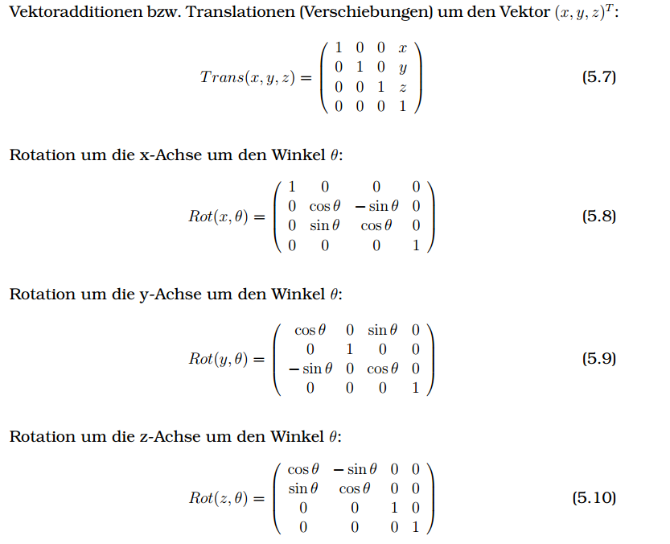

 | https://de.wikipedia.org/wiki/Roll-Nick-Gier-Winkel
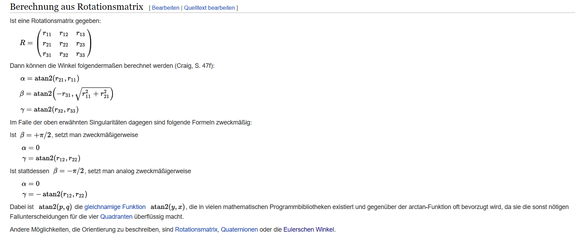

http://kos.informatik.uni-osnabrueck.de/download/diplom/node26.html

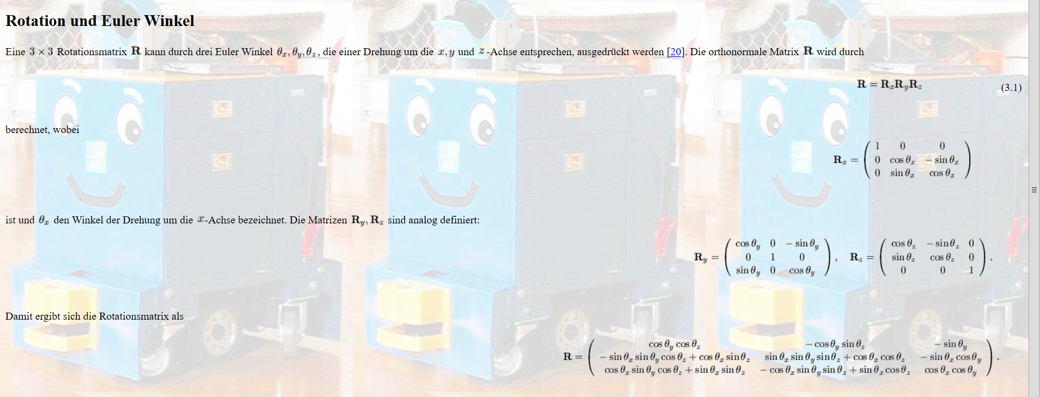

http://www-home.htwg-konstanz.de/~bittel/ain_robo/Vorlesung/02_PositionUndOrientierung.pdf

