CrimeApplication
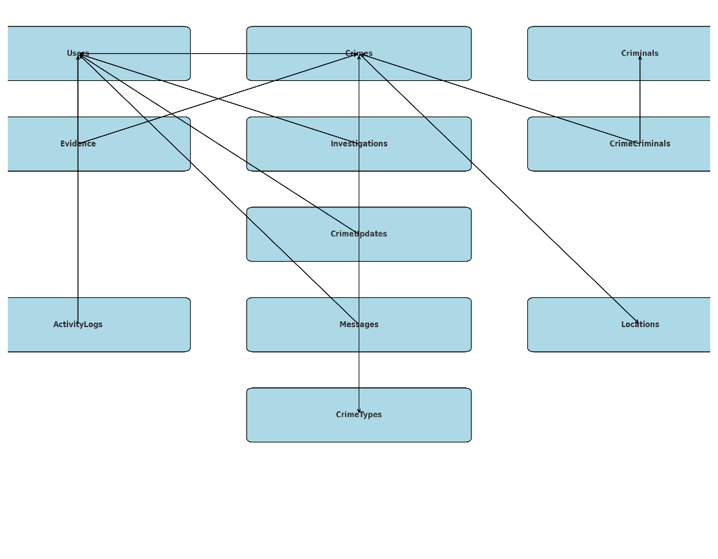
Crime Management Application

Module | Description
User Management | Handles roles: Admin, Police, Citizen
Crime Reporting | Citizens file reports with description, time, location
Investigation Workflow | Assign officers, track progress
Evidence Management | Attachments, files, photos, video links
Criminal Records | Maintain criminal profiles
Live Case Status | Realtime update on cases
Analytics/Dashboard | Crime hotspots, solved vs. unsolved

