Sheet
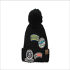
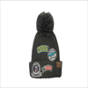
picture | Supplier's reference | Supplier's designation | PRODUCT RANGE | Colour(s) | Measure units | Brand/License | BIUB or BBD* (dd/mm/yyyy) | Untaxed (Wine) | Qty available | Wholesale Price | Clearance Price | Retail price | Packing details | Nb packets / pallet | Number of pallets
 | DA-201 | KNIT PATCH HAT WITH POM - BLACK | ACCESSORIES | BLK | One size fits most | C.C. |  |  | 27
 | DA-201 | KNIT PATCH HAT WITH POM - GREY | ACCESSORIES | GRY | One size fits most | C.C. |  |  | 17
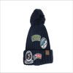
 | DA-201 | KNIT PATCH HAT WITH POM - NAVY | ACCESSORIES | NVY | One size fits most | C.C. |  |  | 33
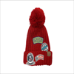
 | DA-201 | KNIT PATCH HAT WITH POM - RED | ACCESSORIES | RED | One size fits most | C.C. |  |  | 28
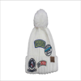
 | DA-201 | KNIT PATCH HAT WITH POM - WHITE | ACCESSORIES | WHT | One size fits most | C.C. |  |  | 27
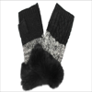
 | G-303 | KNIT MITTEN WITH REAL FUR CUFF | ACCESSORIES | BLACK | One size fits most | C.C. |  |  | 120
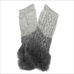
 | DA-201 | KNIT PATCH HAT WITH POM - BLACK | ACCESSORIES | BLK | One size fits most | C.C. |  |  | 27
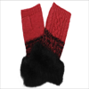
 | DA-201 | KNIT PATCH HAT WITH POM - GREY | ACCESSORIES | GRY | One size fits most | C.C. |  |  | 17
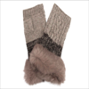
 | DA-201 | KNIT PATCH HAT WITH POM - NAVY | ACCESSORIES | NVY | One size fits most | C.C. |  |  | 33

 | DA-201 | KNIT PATCH HAT WITH POM - RED | ACCESSORIES | RED | One size fits most | C.C. |  |  | 28

 | DA-201 | KNIT PATCH HAT WITH POM - WHITE | ACCESSORIES | WHT | One size fits most | C.C. |  |  | 27

 | G-303 | KNIT MITTEN WITH REAL FUR CUFF | ACCESSORIES | BLACK | One size fits most | C.C. |  |  | 120

 | DA-201 | KNIT PATCH HAT WITH POM - BLACK | ACCESSORIES | BLK | One size fits most | C.C. |  |  | 27

 | DA-201 | KNIT PATCH HAT WITH POM - GREY | ACCESSORIES | GRY | One size fits most | C.C. |  |  | 17

 | DA-201 | KNIT PATCH HAT WITH POM - NAVY | ACCESSORIES | NVY | One size fits most | C.C. |  |  | 33
 | DA-201 | KNIT PATCH HAT WITH POM - RED | ACCESSORIES | RED | One size fits most | C.C. |  |  | 28
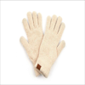
 | DA-201 | KNIT PATCH HAT WITH POM - WHITE | ACCESSORIES | WHT | One size fits most | C.C. |  |  | 27
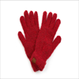
 | G-303 | KNIT MITTEN WITH REAL FUR CUFF | ACCESSORIES | BLACK | One size fits most | C.C. |  |  | 120
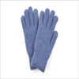
 | DA-201 | KNIT PATCH HAT WITH POM - BLACK | ACCESSORIES | BLK | One size fits most | C.C. |  |  | 27
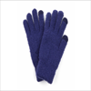
 | DA-201 | KNIT PATCH HAT WITH POM - GREY | ACCESSORIES | GRY | One size fits most | C.C. |  |  | 17
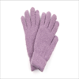
 | DA-201 | KNIT PATCH HAT WITH POM - NAVY | ACCESSORIES | NVY | One size fits most | C.C. |  |  | 33
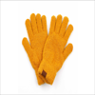
 | DA-201 | KNIT PATCH HAT WITH POM - RED | ACCESSORIES | RED | One size fits most | C.C. |  |  | 28
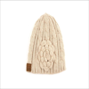
 | DA-201 | KNIT PATCH HAT WITH POM - WHITE | ACCESSORIES | WHT | One size fits most | C.C. |  |  | 27
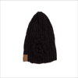
 | G-303 | KNIT MITTEN WITH REAL FUR CUFF | ACCESSORIES | BLACK | One size fits most | C.C. |  |  | 120
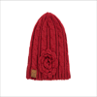
 | DA-201 | KNIT PATCH HAT WITH POM - BLACK | ACCESSORIES | BLK | One size fits most | C.C. |  |  | 27
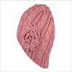
 | DA-201 | KNIT PATCH HAT WITH POM - GREY | ACCESSORIES | GRY | One size fits most | C.C. |  |  | 17
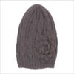
 | DA-201 | KNIT PATCH HAT WITH POM - NAVY | ACCESSORIES | NVY | One size fits most | C.C. |  |  | 33
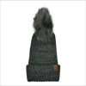
 | DA-201 | KNIT PATCH HAT WITH POM - RED | ACCESSORIES | RED | One size fits most | C.C. |  |  | 28
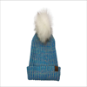
 | DA-201 | KNIT PATCH HAT WITH POM - WHITE | ACCESSORIES | WHT | One size fits most | C.C. |  |  | 27
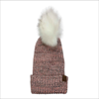
 | G-303 | KNIT MITTEN WITH REAL FUR CUFF | ACCESSORIES | BLACK | One size fits most | C.C. |  |  | 120
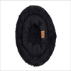
 | DA-201 | KNIT PATCH HAT WITH POM - BLACK | ACCESSORIES | BLK | One size fits most | C.C. |  |  | 27
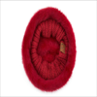
 | DA-201 | KNIT PATCH HAT WITH POM - GREY | ACCESSORIES | GRY | One size fits most | C.C. |  |  | 17
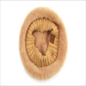
 | DA-201 | KNIT PATCH HAT WITH POM - NAVY | ACCESSORIES | NVY | One size fits most | C.C. |  |  | 33
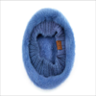
 | DA-201 | KNIT PATCH HAT WITH POM - RED | ACCESSORIES | RED | One size fits most | C.C. |  |  | 28
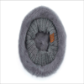
 | DA-201 | KNIT PATCH HAT WITH POM - WHITE | ACCESSORIES | WHT | One size fits most | C.C. |  |  | 27
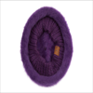
 | G-303 | KNIT MITTEN WITH REAL FUR CUFF | ACCESSORIES | BLACK | One size fits most | C.C. |  |  | 120
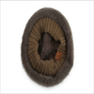
 | DA-201 | KNIT PATCH HAT WITH POM - BLACK | ACCESSORIES | BLK | One size fits most | C.C. |  |  | 27
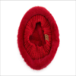
 | DA-201 | KNIT PATCH HAT WITH POM - GREY | ACCESSORIES | GRY | One size fits most | C.C. |  |  | 17
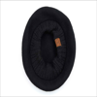
 | DA-201 | KNIT PATCH HAT WITH POM - NAVY | ACCESSORIES | NVY | One size fits most | C.C. |  |  | 33
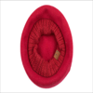
 | DA-201 | KNIT PATCH HAT WITH POM - RED | ACCESSORIES | RED | One size fits most | C.C. |  |  | 28
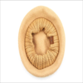
 | DA-201 | KNIT PATCH HAT WITH POM - WHITE | ACCESSORIES | WHT | One size fits most | C.C. |  |  | 27
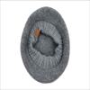
 | G-303 | KNIT MITTEN WITH REAL FUR CUFF | ACCESSORIES | BLACK | One size fits most | C.C. |  |  | 120
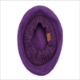
 | DA-201 | KNIT PATCH HAT WITH POM - BLACK | ACCESSORIES | BLK | One size fits most | C.C. |  |  | 27
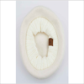
 | DA-201 | KNIT PATCH HAT WITH POM - GREY | ACCESSORIES | GRY | One size fits most | C.C. |  |  | 17
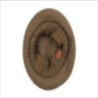
 | DA-201 | KNIT PATCH HAT WITH POM - NAVY | ACCESSORIES | NVY | One size fits most | C.C. |  |  | 33
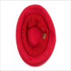
 | DA-201 | KNIT PATCH HAT WITH POM - RED | ACCESSORIES | RED | One size fits most | C.C. |  |  | 28
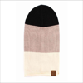
 | DA-201 | KNIT PATCH HAT WITH POM - WHITE | ACCESSORIES | WHT | One size fits most | C.C. |  |  | 27
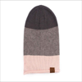
 | G-303 | KNIT MITTEN WITH REAL FUR CUFF | ACCESSORIES | BLACK | One size fits most | C.C. |  |  | 120
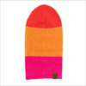
 | DA-201 | KNIT PATCH HAT WITH POM - BLACK | ACCESSORIES | BLK | One size fits most | C.C. |  |  | 27
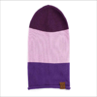
 | DA-201 | KNIT PATCH HAT WITH POM - GREY | ACCESSORIES | GRY | One size fits most | C.C. |  |  | 17
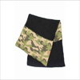
 | DA-201 | KNIT PATCH HAT WITH POM - NAVY | ACCESSORIES | NVY | One size fits most | C.C. |  |  | 33
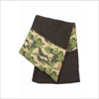
 | DA-201 | KNIT PATCH HAT WITH POM - RED | ACCESSORIES | RED | One size fits most | C.C. |  |  | 28
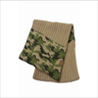
 | DA-201 | KNIT PATCH HAT WITH POM - WHITE | ACCESSORIES | WHT | One size fits most | C.C. |  |  | 27
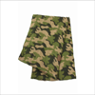
 | G-303 | KNIT MITTEN WITH REAL FUR CUFF | ACCESSORIES | BLACK | One size fits most | C.C. |  |  | 120
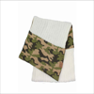
 | DA-201 | KNIT PATCH HAT WITH POM - BLACK | ACCESSORIES | BLK | One size fits most | C.C. |  |  | 27
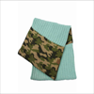
 | DA-201 | KNIT PATCH HAT WITH POM - GREY | ACCESSORIES | GRY | One size fits most | C.C. |  |  | 17
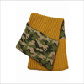
 | DA-201 | KNIT PATCH HAT WITH POM - NAVY | ACCESSORIES | NVY | One size fits most | C.C. |  |  | 33

 | DA-201 | KNIT PATCH HAT WITH POM - RED | ACCESSORIES | RED | One size fits most | C.C. |  |  | 28

 | DA-201 | KNIT PATCH HAT WITH POM - WHITE | ACCESSORIES | WHT | One size fits most | C.C. |  |  | 27

 | G-303 | KNIT MITTEN WITH REAL FUR CUFF | ACCESSORIES | BLACK | One size fits most | C.C. |  |  | 120

 | DA-201 | KNIT PATCH HAT WITH POM - BLACK | ACCESSORIES | BLK | One size fits most | C.C. |  |  | 27

 | DA-201 | KNIT PATCH HAT WITH POM - GREY | ACCESSORIES | GRY | One size fits most | C.C. |  |  | 17

 | DA-201 | KNIT PATCH HAT WITH POM - NAVY | ACCESSORIES | NVY | One size fits most | C.C. |  |  | 33

 | DA-201 | KNIT PATCH HAT WITH POM - RED | ACCESSORIES | RED | One size fits most | C.C. |  |  | 28

 | DA-201 | KNIT PATCH HAT WITH POM - WHITE | ACCESSORIES | WHT | One size fits most | C.C. |  |  | 27
 | G-303 | KNIT MITTEN WITH REAL FUR CUFF | ACCESSORIES | BLACK | One size fits most | C.C. |  |  | 120
 | DA-201 | KNIT PATCH HAT WITH POM - BLACK | ACCESSORIES | BLK | One size fits most | C.C. |  |  | 27
 | DA-201 | KNIT PATCH HAT WITH POM - GREY | ACCESSORIES | GRY | One size fits most | C.C. |  |  | 17

 | DA-201 | KNIT PATCH HAT WITH POM - NAVY | ACCESSORIES | NVY | One size fits most | C.C. |  |  | 33

 | DA-201 | KNIT PATCH HAT WITH POM - RED | ACCESSORIES | RED | One size fits most | C.C. |  |  | 28

 | DA-201 | KNIT PATCH HAT WITH POM - WHITE | ACCESSORIES | WHT | One size fits most | C.C. |  |  | 27

 | G-303 | KNIT MITTEN WITH REAL FUR CUFF | ACCESSORIES | BLACK | One size fits most | C.C. |  |  | 120

 | DA-201 | KNIT PATCH HAT WITH POM - BLACK | ACCESSORIES | BLK | One size fits most | C.C. |  |  | 27

 | DA-201 | KNIT PATCH HAT WITH POM - GREY | ACCESSORIES | GRY | One size fits most | C.C. |  |  | 17

 | DA-201 | KNIT PATCH HAT WITH POM - NAVY | ACCESSORIES | NVY | One size fits most | C.C. |  |  | 33

 | DA-201 | KNIT PATCH HAT WITH POM - RED | ACCESSORIES | RED | One size fits most | C.C. |  |  | 28
 | DA-201 | KNIT PATCH HAT WITH POM - WHITE | ACCESSORIES | WHT | One size fits most | C.C. |  |  | 27
 | G-303 | KNIT MITTEN WITH REAL FUR CUFF | ACCESSORIES | BLACK | One size fits most | C.C. |  |  | 120

 | DA-201 | KNIT PATCH HAT WITH POM - BLACK | ACCESSORIES | BLK | One size fits most | C.C. |  |  | 27

 | DA-201 | KNIT PATCH HAT WITH POM - GREY | ACCESSORIES | GRY | One size fits most | C.C. |  |  | 17

 | DA-201 | KNIT PATCH HAT WITH POM - NAVY | ACCESSORIES | NVY | One size fits most | C.C. |  |  | 33

 | DA-201 | KNIT PATCH HAT WITH POM - RED | ACCESSORIES | RED | One size fits most | C.C. |  |  | 28

 | DA-201 | KNIT PATCH HAT WITH POM - WHITE | ACCESSORIES | WHT | One size fits most | C.C. |  |  | 27

 | G-303 | KNIT MITTEN WITH REAL FUR CUFF | ACCESSORIES | BLACK | One size fits most | C.C. |  |  | 120

 | DA-201 | KNIT PATCH HAT WITH POM - BLACK | ACCESSORIES | BLK | One size fits most | C.C. |  |  | 27

 | DA-201 | KNIT PATCH HAT WITH POM - GREY | ACCESSORIES | GRY | One size fits most | C.C. |  |  | 17

 | DA-201 | KNIT PATCH HAT WITH POM - NAVY | ACCESSORIES | NVY | One size fits most | C.C. |  |  | 33

 | DA-201 | KNIT PATCH HAT WITH POM - RED | ACCESSORIES | RED | One size fits most | C.C. |  |  | 28

 | DA-201 | KNIT PATCH HAT WITH POM - WHITE | ACCESSORIES | WHT | One size fits most | C.C. |  |  | 27

 | G-303 | KNIT MITTEN WITH REAL FUR CUFF | ACCESSORIES | BLACK | One size fits most | C.C. |  |  | 120

 | DA-201 | KNIT PATCH HAT WITH POM - BLACK | ACCESSORIES | BLK | One size fits most | C.C. |  |  | 27

 | DA-201 | KNIT PATCH HAT WITH POM - GREY | ACCESSORIES | GRY | One size fits most | C.C. |  |  | 17

 | DA-201 | KNIT PATCH HAT WITH POM - NAVY | ACCESSORIES | NVY | One size fits most | C.C. |  |  | 33

 | DA-201 | KNIT PATCH HAT WITH POM - RED | ACCESSORIES | RED | One size fits most | C.C. |  |  | 28

 | DA-201 | KNIT PATCH HAT WITH POM - WHITE | ACCESSORIES | WHT | One size fits most | C.C. |  |  | 27

 | G-303 | KNIT MITTEN WITH REAL FUR CUFF | ACCESSORIES | BLACK | One size fits most | C.C. |  |  | 120

 | DA-201 | KNIT PATCH HAT WITH POM - BLACK | ACCESSORIES | BLK | One size fits most | C.C. |  |  | 27

 | DA-201 | KNIT PATCH HAT WITH POM - GREY | ACCESSORIES | GRY | One size fits most | C.C. |  |  | 17

 | DA-201 | KNIT PATCH HAT WITH POM - NAVY | ACCESSORIES | NVY | One size fits most | C.C. |  |  | 33

 | DA-201 | KNIT PATCH HAT WITH POM - RED | ACCESSORIES | RED | One size fits most | C.C. |  |  | 28

 | DA-201 | KNIT PATCH HAT WITH POM - WHITE | ACCESSORIES | WHT | One size fits most | C.C. |  |  | 27

 | G-303 | KNIT MITTEN WITH REAL FUR CUFF | ACCESSORIES | BLACK | One size fits most | C.C. |  |  | 120

