Hoja1
Name | Role | Photo
Chris Talline | Architecture | 
Dave Elopper | Development | 
Justin Possible | Program Management | 
Phil Ament | Product Management | 
Michael Ement | Testing | 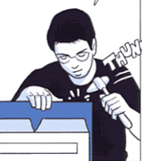
Megan Tisystem | User Experience | 

