Cost of Capital Calculation
Big Books Company
 | Cost of Capital Calculations

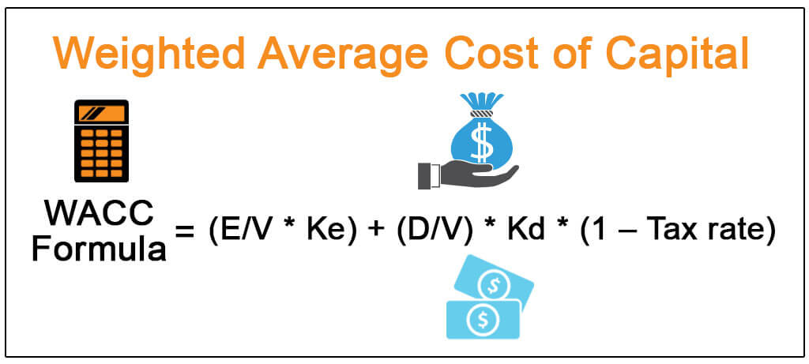
 |  |  | E = Market Value of Equity
 |  |  | V = Total market value of equity & debt
 |  |  | Ke = Cost of Equity
 |  |  | D = Market Value of Debt
 |  |  | Kd = Cost of Debt
 |  |  | Tax Rate = Corporate Tax Rate

 | Step 1 - Find the Cost of Equity using CAPM Model

 | Cost of Equity = Risk-Free Rate of Return + Beta * (Market Rate of Return – Risk-free Rate of Return)

 | Risk-Free Rate of Return
 | Visit - https://www.bankrate.com/rates/interest-rates/10-year-treasury-bill.aspx
 | Take the rate of return mentioned in the table

 | Risk-Free Rate of Return | 0.68%

 | Risk Premium (Market Rate of Return - Risk Free Rate of Return)
 | Visit - http://pages.stern.nyu.edu/~adamodar/New_Home_Page/datafile/ctryprem.html
 | take the Risk Premium of United States | 5.23%

 | Debt | 1,736.0 |  | WACC of ABC company
 | Equity | 1,419.4 |  | Risk Free rate | 0.68%
 | Total | 3,155.41 |  | Market risk premium | 5.23%
 |  |  |  | Levered beta of ABC | 1.74
 |  |  |  | Cost of equity | 9.80%
 | % Equity - Equity / (Debt + Equity) | 45.0% |  | Pre-tax cost of debt | 3.29%
 | % Debt - Debt/ (Debt + Equity) | 55.02% |  | Tax rate | 25.62%
 |  |  |  | After tax cost of debt | 2.45%
 | Average Debt | 1938 |  | WACC | 5.75%
 | Interest expense | 63.8
 | Pre-tax Cost of Debt | 3.29%

