Paper List
 | Comprehensive Heart Health Monitoring System
Paper id | Paper Title | Journal | Publisher | Rank | Paper Link | What | How | Result | GAPs | Diagram | Researcher Name
R1 | Real-time machine learning for early detection of heart disease using big data approach | 2019 International Conference on Wireless Technologies, Embedded and Intelligent Systems (WITS) | IEEE | Q1 | https://doi.org/10.1109/WITS.2019.8723839 | 1. a scalable system for monitoring heart disease using Apache Spark and Cassandra frameworks 2. The paper emphasizes the prevalence of heart disease as a leading cause of global mortality and highlights the importance of early detection | Type: Real-time machine learning for healthcare. 2. What Data to Collect: Health data such as age, sex, chest pain type, blood pressure, cholesterol levels, heart rate, and other relevant medical indicators. 3. How to Collect Data: From wearable sensors, healthcare systems (EHRs), IoT devices, and real-time data streams. 4. Target: Early detection of heart disease and continuous health monitoring. 5. Method: Using Apache Spark for real-time data processing and Random Forest algorithm via Spark MLlib for predictions. 6. Data Analysis: Training the model on historical data, applying it to real-time streams, evaluating performance with metrics like accuracy (87.50%), and storing results in Apache Cassandra for visualization and further analysis. | 1. The Random Forest model is used for real-time heart disease prediction. 2. Implemented using Apache Spark MLlib. 3. potential for integrating additional big data technologies to enhance the system's efficiency​ | Model Limitations: The Random Forest model, while effective, might have limitations in handling very high-dimensional data without further optimization or tuning. Data Source Integration: Integrating data from diverse sources like different wearable devices and EHR systems can be challenging due to data heterogeneity and interoperability issues |  | ISHRAK
R2 | Real-time monitoring system for early prediction of heart disease using Internet of Things | Soft Computing (springer.com) | Soft Computing | Springer Link | Q2 | https://doi.org/10.1007/s00500-021-05865-4 | 1. framework for predicting heart disease using an IoT-based real-time monitoring system 2. proposing a hybrid fuzzy-based decision tree algorithm for early heart disease prediction using IoT-based real-time monitoring | 1. Type: Real-time monitoring system for early prediction of heart disease. 2. What data to collect: The system collects data on various health parameters, including: Respiratory rate Oxygen level Temperature Blood glucose levels 3. How to collect data: Wearable sensors are utilized to continuously collect medical data. This data is transmitted via wireless networks and stored in the cloud for analysis. 4. Target: The primary goal is to predict heart disease at an early stage by monitoring the collected health parameters. This aids in providing timely interventions and treatments, ultimately improving patient outcomes. 5. Method: Data Preprocessing: Clean and prepare data by removing noise and irrelevant information. Feature Selection: Choose the most relevant data features using the MRMR algorithm. Classification: Utilize the HFDT algorithm, combining decision tree logic with fuzzy clustering, for accurate prediction. 6. Data Analysis: Evaluation Metrics: Assess model performance using accuracy, sensitivity, specificity, and precision. Results: The HFDT algorithm achieved 98.30% accuracy, demonstrating the effectiveness of the model in early heart disease prediction. | 1. The HFDT algorithm showed superior performance compared to other classifier algorithms, achieving an accuracy of 98.30% which indicates it is effective in predicting heart disease at an early stage​ 2.the document outlines an advanced IoT-based system for early heart disease prediction, leveraging real-time data collection, robust preprocessing, and a sophisticated classification algorithm to achieve high accuracy and reliability in remote patient monitoring | Data Security and Privacy: While the document mentions data transmission and storage in the cloud, it does not detail the security measures in place to protect sensitive patient data. Ensuring data privacy and security is crucial in healthcare applications
R3 | Smart Healthcare Monitoring System | Wireless Personal Communications | Springer Link | Q2 | https://doi.org/10.1007/s11277-018-5699-0 | 1. aims to enhance patient monitoring by integrating IoT technologies 2. enables remote supervision of patients’ vital signs and providing a cost-effective, flexible solution | 1. Type: Smart Healthcare Monitoring System 2. What Data to Collect: Temperature Heart rate (pulse) Live video feed of the patient 3. How to Collect Data: Temperature Sensor (DS18B20): Measures and collects the patient's body temperature. Heart Beat Sensor: Measures and collects the patient's heart rate using the principle of photoplethysmography. Web Camera: Captures live video feed for visual monitoring of the patient. 4.Target: Patients requiring continuous health monitoring, especially those recovering from illnesses who need consistent and hassle-free health supervision. 5. Method: Raspberry Pi 3 acts Central hub for sensor data processing. Displays data on an LCD. Transmits data to a cloud server via Wi-Fi. Data Transmission: Processes and sends sensor data to a server using HTTP. Accessible through a web app and Android app for remote monitoring. 6. Data Analysis: Real-time Monitoring: Continuous monitoring of the patient's health parameters through the web and mobile applications. Visual inspection of the patient via live video feed. Historical Data Analysis: Collected sensor data stored on the cloud server can be analyzed to track the patient's health trends over time. Enables predictive analytics to forecast potential health issues based on historical data.. | 1. collects and processes sensor data, which is then transmitted to a server for continuous monitoring 2. Performance comparison between Raspberry Pi and Arduino Uno showed that Raspberry Pi had better capabilities in terms of data handling and processing speed, though some limitations in wireless communication were noted | Data Security and Privacy: The document mentions that sensor data is sent to a server and can be accessed by authorized personnel. However, it does not detail the security measures in place to protect patient data during transmission and storage. Ensuring HIPAA compliance and implementing strong encryption protocols are essential to safeguard patient information.
R4 | IoT-Cloud-Based Smart Healthcare Monitoring System for Heart Disease Prediction via Deep Learning | Electronics | MDPI | Q2 | https://doi.org/10.3390/electronics11152292 | 1. IoT-based smart healthcare system designed for heart disease risk prediction 2. aims to demonstrate the effectiveness of combining fuzzy logic with deep learning models | 1. Type: Smart Healthcare Monitoring System for Heart Disease Prediction via Deep Learning 2. What data to collect: Blood pressure (BP), Heart rate,Blood sugar/glucose level,Respiration rate Blood oxygen level,Cholesterol level,Physical activity,Electrocardiogram (ECG),Electromyogram (EMG) Electroencephalogram (EEG) 3. How to collect data: Wearable Devices and Sensors,Blood Pressure Monitors,Heart Rate Monitors,Blood Sugar Monitors,Respiration and Oxygen Monitors,Cholesterol Monitors,Activity Trackers,ECG Monitors ,EMG and EEG 4. Targer: The primary target for data collection is patients, especially those at risk of heart disease. This includes individuals with a history of cardiovascular conditions, those exhibiting symptoms of heart disease, and patients under routine health monitoring for preventive care. 5. method: Data Transmission: Data from these sensors is transmitted via Bluetooth or Zigbee to a remote gateway device. The gateway device then sends the data to the cloud for storage and processing. 6. Data Analysis: utilizes pre-processing techniques including data cleaning and filtering | 1. underscores the potential of combining fuzzy systems with advanced neural network architectures 2. improves accuracy of heart disease risk prediction using IoT and big data technologies | There is no detailed approach for handling missing or incomplete data from IoT devices. Impact: Missing data can reduce the model’s accuracy and reliability
R5 | Network Modeling and Internet of Things for Smart and Connected Health Systems — A Case Study for Smart Heart Health Monitoring and Management | IISE Transactions on Healthcare Systems Engineering | Taylor and Francis | Q2 | https://doi.org/10.1080/24725579.2020.1741738 | 1. goal of enabling real-time monitoring and early detection of cardiac abnormalities 2. focuses on creating a parallel computing framework to handle the large volumes of data generated by IoT devices | 1. Type: 2. What data to collect: - Cardiac signals: Specifically electrocardiogram (ECG) signals from patients. - Beat-to-beat (B2B) variations: Temporal variations in heartbeats for individual patients. - Patient-to-patient (P2P) variations: Cross-sectional variations in heartbeats among different patients. 3. How to collect data: Wearable sensor and IOT devices 4. Target: - Individual patients' ECG data for personalized monitoring. - Large populations for cross-sectional analysis. 5. method: - Wearable sensors: Collect long-term ECG data from patients. - IoT devices: These sensors and devices transmit data wirelessly to cloud servers. - Cloud computing: Data is stored and processed in the cloud, allowing health institutions to access and analyze it. 6. Data Analysis: Network mapping: Tracks heartbeat variations by connecting similar beats in a network. Parallel processing: Speeds up analysis of large datasets from many heartbeats. Real-time anomaly detection: Monitors network changes to identify potential heart problems. | 1. demonstrates that IoT-enabled systems combined with advanced network modeling and parallel computing, have strong potential for improving cardiac health monitoring and management 2. enables real-time, data-driven decision-making, enhancing the ability to detect and respond to cardiac events promptly | Data Integration: Difficulty in integrating data from various IoT devices and platforms due to lack of standardization. Ensuring interoperability between different devices and systems can be problematic.
R6 | Predicting need for intervention in individuals with congestive heart failure using a home-based telecare system | Journal of Telemedicine and Telecare | Sage Journals Home | Q1 | https://doi.org/10.1258/jtt.2009.081203 | 1.aims to determine how well a home-based telecare system can predict the need for medical interventions in elderly patients with CH | 1. Type: telecare monitoring system in predicting the need for medical intervention in patients with congestive heart failure (CHF) 2. What data to collect: Symptoms and Health Status,Physiological Measurements, Health-Related Quality of Life (HRQoL) 3. How to collect data: home health monitor to enter daily information about their symptoms and health status 4. Target: Elderly individuals with congestive heart failure (CHF) 5. method: Home Health Monitor,Wireless Monitors,Data were transmitted at night through telephone lines,Health-Related Quality of Life Measure 6. Data Analysis: Data Analysis Approach: Utilized SPSS 14.0 for logistic regression to predict medical events. Employed stepwise, forward selection for model fitting and assessed interactions via likelihood ratio test. Evaluated goodness of fit using changes in deviance and employed K-fold cross-validation (K=10) | 1. he model correctly predicted key medical events in 75% of cases with a specificity of 74% and an overall accuracy of 74% 2. Subjective measures (self-rated symptoms) were found to be useful in addition to physiological measures for predicting health status | Limited Sample Size: The study included only 45 participants, which may not provide a sufficiently diverse dataset to generalize the findings. Single Condition Focus: The study focused solely on patients with CHF, limiting the applicability of the findings to other chronic conditions or broader patient populations.
R7 | A Personal Health System for Self-Management of Congestive Heart Failure (HeartMan): Development, Technical Evaluation, and Proof-of-Concept Randomized Controlled Trial | JMIR Medical Informatics home page | JMIR Publications | Q1 | https://doi.org/10.2196/24501 | 1. aims to develop a personal health system that would comprehensively address CHF self-management by using sensing devices and artificial intelligence methods | 1. Type: Data Collection Plan for the HeartMan Project 2. What data to collect: Clinical data like Blood Pressure (BP),Heart Rate,Physical Activity,Psychological Profiles and user engagement data and health outcome 3. How to collected data: using things like wristband sensors 4. Target: Patients diagnosed with congestive heart failure (CHF) 5. method: Clinical Assessments,Self-Reported Data,Device-Based Data Collection 6. Data Analysis: Accuracy of Monitoring Methods, Impact on Self-Care and Psychological Health,User Engagement and Feedback | 1. high accuracy of the patient-monitoring methods was observed. | Longitudinal Data Collection: The duration for which patient data will be collected is not specified. Long-term data is crucial for understanding the progression of heart disease and the effectiveness of interventions. Comprehensive Health Data: Other health parameters that could impact heart disease (e.g., lifestyle factors, family history, comorbid conditions) are not included.
R8 | A Healthcare Monitoring System for the Diagnosis of Heart Disease in the IoMT Cloud Environment Using MSSO-ANFIS | IEEE Access | IEEE | Q1 | https://doi.org/10.1109/ACCESS.2020.3006424 | 1. a framework for predicting heart disease using an Internet of Medical Things (IoMT)-based system | 1. Type The document discusses an IoMT (Internet of Medical Things)-based framework for predicting heart disease 2. What Data to Collect:Patient health parameters related to heart conditions. Sensor data before and after the onset of heart disease. Data from the UCI data repository 3. How to Collect Data: Using IoMT devices to collect patient information in real-time. Remote monitoring and constant tracking of health parameters. Data storage and transmission to a data center or cloud. 4. Target Patients at risk of heart disease. Medical professionals aiming to diagnose and monitor heart conditions. 5. Data Collection: IoMT devices collect and transmit patient data. Preprocessing: Noise removal and replacement of missing data using median studentized residual approach. Data normalization within a range of 0 to 1. Feature Selection: Using the Levy crow search algorithm. Classification: Utilizing MSSO-ANFIS (Multi-Swarm Spider Monkey Optimization Adaptive Neuro-Fuzzy Inference System) for classifying heart conditions as normal or abnormal 6. Data Analysis Training and Testing: Using data from the UCI repository to train and test the predictive model. Performance Metrics: Evaluating the model using metrics such as accuracy, precision, recall, F1-score, and classification error. Comparative Analysis: Comparing the proposed MSSO-ANFIS model with existing models (e.g., RFNN, GA-RFNN, ANN-FuzzyAHP) to demonstrate superior performance | 1. The proposed IoMT-based healthcare monitoring system for predicting heart disease using the MSSO-ANFIS algorithm achieved superior performance compared to existing techniques | Feature Selection and Optimization Future studies should explore other feature-selection and optimization techniques to enhance the predictive accuracy and efficiency of the classifiers for cardiovascular disease diagnosis. - Wearable Technology Integration: There is a need to realize the proposed research using wearable technologies and available market products to ensure practical applicability and real-world effectiveness
R9 | IoT Based Health Monitoring System | 2020 6th International Conference on Advanced Computing and Communication Systems (ICACCS) | IEEE | Q1 | https://doi.org/10.1109/ICACCS48705.2020.9074192 | 1. IoT-based system for real-time monitoring of coma patients' health parameters | 1. What Data to Collect Body Temperature Heartbeat Rate Eye Movement Oxygen Saturation (SPO2) Body Movement 2. How to Collect Data Target Coma Patients: The primary subjects for data collection are patients in a coma, requiring continuous monitoring of their vital signs. 3. Method Temperature Sensor (Maxim Integrated MAX30205),Heartbeat Sensor,Eye Blink Sensor,SPO2 Sensor,Body Movement Sensor (Accelerometer) 4. Data Collection Process Sensor Integration,Data Transmission,Data Storage 5. Data AnalysisReal-Time Monitoring,Threshold Alerts,Historical Data,Graphical Representation, Decision Making, | 1. The IoT-based system provides effective and continuous healthcare monitoring for coma patients. 2. By leveraging cloud services, healthcare providers can access patient data remotely and make informed decisions. | Data Accuracy and Reliability Sensor Accuracy: The accuracy of sensors can be affected by various factors such as placement, environmental conditions, and sensor quality. Ensuring consistent and reliable readings is crucial for effective monitoring. Signal Interference: The system relies on wireless communication (WiFi and GSM), which can be prone to interference, potentially leading to data loss or inaccuracies.
R10 | Real-Time Smart-Digital Stethoscope System for Heart Diseases Monitoring | Sensors | MDPI | Q1 | https://doi.org/10.3390/s19122781 | 1.innovative solution for early detection and management of cardiovascular anomalies through advanced machine learning techniques and portable health monitoring devices. | 1. Type: 2. What data to collect: Analog Heart Sound Signals Digitized Heart Sound Data Mel-Frequency Cepstral Coefficients (MFCC) 3. How to collect data: Data can be effectively collected and processed to detect anomalies in heart sounds, facilitating early diagnosis and intervention in cardiovascular diseases by following hardware setup, signal acquisition, wireless transmission, data reception and processing, machine learning classification, testing, and validation. 4. Target: It aims to detect anomalies in heart sounds (HS) for heart patients 5. method: Acoustic Sensor, Analog Front End (AFE), Signal-to-Noise Ratio (SNR), RFduino microcontroller and designing, implementing, and testing a portable heart sound classification system, focusing on both hardware and software components to achieve reliable real-time anomaly detection in heart sound . | 1. The smart digital stethoscope system developed in this study is highly effective for real-time heart disease monitoring, offering high classification accuracy and robust real-time processing capabilities. | The current system relies on a PC-based host for processing, making it less compact and more dependent on external computing resources. The microcontroller used (RFduino) has limited computational capability, preventing on-board classification and necessitating reliance on the host PC. Future improvements aim to embed the decision-making unit within the stethoscope itself, enhancing portability and usability for real-time, on-board classification. |  | Dipra
R11 | Heart Failure Management through Telehealth: Expanding Care and Connecting Hearts | Journal Of Clinical Medicine | MDPI | Q1 | https://doi.org/10.3390/jcm13092592 | 1.telehealth in medication management, invasive hemodynamic monitoring, rehabilitation, and the integration of artificial intelligence for predicting HF relapses​. | 1. What data to collect Heart Sound (HS) Recordings,Patient Demographics,Recording Locations(aortic, pulmonic, tricuspid, and mitral areas.) 2. How to collect data: stethoscope-copecope wan ith Acoustic Sensor, Analog Front-End (AFE), and Data Acquisition System also collects heart sound data involves careful planning, ethical considerations, the right equipment, a clear protocol, and rigorous data management practices. 3. method: Patient Selection, Device Implementation, and Training, Medication Management, Invasive Monitoring, Rehabilitative Telehealth, AI, and DataIntegration demonstrates a robust methodology for heart sound classification. | 1.Improved patient management and outcomes. 2.Reduction in unnecessary outpatient visits and hospitalizations. 3.Enhanced patient adherence to treatment regimens through telemonitoring. 4.Effective communication between patients and healthcare providers, and among different healthcare professionals, facilitated by advanced communication technologies. 5.Positive impact of tailored telehealth programs on patient rehabilitation and overall care. | Lack of Longitudinal Data, Limited Generalizability, The use of invasive hemodynamic monitoring raises concerns about patient safety, acceptance, and the potential for procedural risks.Additionally, expanding the demographic representation and addressing procedural risks are critical for broader applicability and acceptance of these technologies.
R12 | Integrated care for optimizing the management of stroke and associated heart disease: a position paper of the European Society of Cardiology Council on Stroke | European Heart Journal | Oxford Academic | Q1 | https://doi.org/10.1093/eurheartj/ehac245 | 1. Integrated care for optimizing the management of stroke and associated heart disease: the post-stroke ABC pathway. | 1. Type: 2. What data to collect: Clinical trials, Cohort studies, Systematic reviews, Patient functional and psychological status assessments, Cardiovascular risk factor management strategies 3. How to collect data: Clinical Data, Surveys and Questionnaires, Interviews, Monitoring Devices(heart rate, blood pressure) 4. Target: Stroke and Associated Heart Disease Patients 5. method: A multidisciplinary approach to optimizing the management of stroke patients with heart disease. By integrating evidence from the literature, expert consensus, and pilot testing, the study aims to develop a robust, holistic care pathway that improves patient outcomes and quality of life. | 1. Improved clinical outcomes are associated with adherence to the ABC pathway. 2. Multidisciplinary care models can reduce the risk of recurrent strokes and improve patient quality of life. 3. Integrated care approaches have been validated in other cardiovascular conditions, suggesting potential benefits for stroke management. | Lack of Longitudinal Data, Limited Generalizability and Uncertainty about which patients would benefit the most from integrated care approaches, highlighting the need for further research to refine patient selection criteria.
R13 | An Efficient IoT-Based Patient Monitoring and Heart Disease Prediction System Using Deep Learning Modified Neural Network | IEEE Access | IEEE | Q1 | https://doi.org/10.1109/ACCESS.2020.3007561 | 1. IoT-based system for continuous patient monitoring and heart disease prediction using a deep learning modified neural network (DLMNN) | 1. Type: 2. What data to collect: Physiological Data from IoT Sensors(Heart Rate, Blood Pressure, Electrocardiogram (ECG) Signals, Blood Oxygen Levels (SpO2), Temperature, Other Relevant Vital Signs,) Patient Demographics, Clinical Data, Diagnostic Information. 3. How to collect data: The data collection involves selecting appropriate sensors, continuous monitoring, secure data transmission and storage, authentication, data decryption and analysis, and an alert system for healthcare providers. The collected data is crucial for real-time patient monitoring and accurate heart disease prediction. 4. Target: Heart Patients 5. Method: IoT Devices, Data Encryption, Ciphertext-Centered Hashing, Data Compression, Data Decryption, Disease Prediction, Cuttlefish Optimization Algorithm (CFOA) demonstrates a robust methodology for heart disease prediction. | Here the system demonstrates high efficiency in secure data transmission and accurate heart disease prediction. The PDH-AES encryption method showed improved encryption and decryption times compared to the standard AES method, and the DLMNN classifier achieved high accuracy in disease prediction. | The system needs to be tested for scalability to handle a larger number of patients and data volume.Further real-world implementation and testing is required to validate the system's performance in diverse healthcare settings. Continuous improvement in data encryption techniques to further secure patient data against evolving cyber threats.
R14 | An Effective Heart Disease Prediction Model for a Clinical Decision Support System | IEEE Access | IEEE | Q1 | https://doi.org/10.1109/ACCESS.2020.3010511 | 1. An effective prediction model for heart disease that can be integrated into a CDSS | 1. Type: 2. What data to collect: Statlog Heart Disease Dataset, Cleveland Heart Disease Dataset 3. How to collect data: The data was sourced from the UCI Repository. 4. method: Data Collection, Data Preprocessing(Synthetic Minority Over-sampling Technique (SMOTE),DBSCAN), Feature Selection(Fisher score and Matthews correlation coefficient), Model Development(XGBoost), Performance Evaluation | 1. The HDPM achieved a high accuracy rate, demonstrating its effectiveness in correctly predicting heart disease cases. 2. The model showed high sensitivity (true positive rate) and specificity (true negative rate), indicating its reliability in both detecting heart disease and ruling it out when not present. | Data Imbalance, Outlier Impact, Feature Selection, Performance Comparison, Model Generalizability, Integration into Clinical Decision Support Systems (CDSS)
R15 | Using Adaptive Wireless Transmission of Wearable Sensor Device for Target Heart Rate Monitoring of Sports Information | IEEE Sensors Journal | IEEE | Q1 | https://doi.org/10.1109/JSEN.2020.3034434 | 1.An enhanced method for monitoring target heart rates using wearable sensors | 1. Type: 2. What data to collect Heart Rate Signals, Sampling Rate and Data Length, ECG Signals, EMG (Electromyogram) noise data, 3. How to collect data: Data is collected using wearable sensors that monitor heart rate. The sensors transmit data via Bluetooth to a mobile the application then processes the data in real-time using the described algorithms. 4. method: Adaptive Wireless Transmission Algorithm, Data Acquisition and Processing, Signal Denoising and Extraction, target Heart Rate Extraction Algorithm, Experimental Setup, System Architecture, Bluetooth Integration integrates adaptive filtering, real-time processing, and a combination of signal extraction techniques to create a robust and efficient target heart rate detection system. | 1.the new algorithm significantly reduces false detections and missed detections, achieving more stable and accurate heart rate readings. 2.The exponentially weighted average further refines the output, ensuring the system meets real-time requirements. | Reducing inaccuracies caused by noise in direct calculation methods.Overcoming the limitations of windowing methods that result in unstable output.Integrating adaptive algorithms to ensure stable real-time performance.
R16 | The Heart and Artificial Intelligence—How Can We Improve Medicine Without Causing Harm | Current Heart Failure Reports | SpringerLink | Q1 | https://doi.org/10.1007/s11897-023-00606-0 | 1. Integration of Artificial Intelligence (AI) into the healthcare system, particularly in cardiology | 1. Type: 2. What data to collect Demographic Data, Medical Reports, Laboratory Findings, Imaging Data(ECGs, MRIs, CT Scans) 3. How to collect data: Clinical Trials, Electronic Health Records (EHRs), Mobile Devices, Federated Learning, Swarm Learning 4. method: AI in clinical settings and its effects on medical practice and patient outcomes. It also examines the legal and ethical guidelines surrounding AI data use, focusing on GDPR principles. The review delves into specific AI techniques like deep learning, machine learning, and natural language processing, particularly in cardiovascular medicine. | AI has significant potential in cardiology for tasks such as enhancing ECG interpretation, improving imaging analysis, and aiding in risk analysis and personalized treatment plans. 2. It also identifies a growing gap between technological capabilities and privacy legislation, which can hinder AI development and application. It suggests that incorporating legal and ethical principles can mitigate the risks associated with AI in healthcare, thus maximizing its benefits while ensuring data protection. | The use of AI in healthcare, specifically in cardiology, is being hindered by strict privacy regulations. It is important to find a balance between innovation and following ethical and legal guidelines. Developing strong data protection strategies is crucial to allow for the safe and effective implementation of AI in cardiology.
R17 | A decision support system for heart disease prediction based upon machine learning | Journal of Reliable Intelligent Environments | SpringerLink | Q1 | https://doi.org/10.1007/s40860-021-00133-6 | 1. Investigation of the use of machine learning classifiers to predict heart disease. | 1. Type: 2. What data to collect Age (AG), Type of Chest Pain (CP), Resting Blood Pressure (RBP), Serum Cholesterol (SER),Fasting Blood Sugar (FBS), Resting ECG (RECG), Maximum Heart Rate Achieved (MHR), Exercise Induced Angina (EIAG), ST Depression Induced by Exercise Relative to Rest (STD), Slope of the Peak Exercise ST Segment (SPE), Number of Major Vessels Colored by Fluoroscopy (NMVCF), Thalassemia (THALM) 3. How to collect data: Patient Selection, Data Sources, Data Acquisition Techniques, Data Management, Imputation Techniques, 4. Method: Dataset, Handling Missing Values, Classifiers Used, Performance Metrics, Validation, Preprocessing Techniques and a Hybrid GARFE algorithm were applied to select significant features. | 1. Naive Bayes showed the highest accuracy on the full feature set. 2. SVM showed the lowest performance initially. 3. SVM's performance significantly improved, while other classifiers showed mixed results. 4. Improved accuracy, sensitivity, specificity, precision, and F-measure across all classifiers. 5. Notable improvements in classifiers' performance metrics. 6. Feature selection improved the performance of all classifiers except Naive Bayes. | The study uses data from a specific Cleveland population, limiting its applicability to diverse populations. Further research is needed to understand how different features work together for predictions and to use advanced algorithms like deep learning for more insights. The study primarily evaluates computational performance, but more research is needed to apply these models in real-world clinical setting
R18 | Continuous Wearable Monitoring Analytics Predict Heart Failure Hospitalization | Circulation: Heart Failure | AHA Journals | Q1 | https://doi.org/10.1161/CIRCHEARTFAILURE.119.006513 | The aim of this research is to determine the accuracy of machine learning analytics using continuous remote monitoring data from a wearable sensor to predict heart failure rehospitalization. The study also aims to assess subject compliance with the study procedures. | 1. Type: - Continuous wearable monitoring for predicting heart failure (HF) hospitalization. 2. What data to collect: - Physiological parameters: heart rate, respiratory rate, activity levels, posture, and skin temperature. 3. How to collect data: - Using a wearable sensor patch that continuously records data and uploads it via smartphone to a cloud analytics platform. 4. Target: - Heart failure patients, predominantly older males. 5. Method: - Machine learning analytics on data from wearable sensors to predict HF rehospitalization. 6. Data Analysis: - Evaluated predictive performance with sensitivity (76%-88%) and specificity (85%) using receiver operating characteristic (ROC) curves. | 1. Accuracy: High accuracy in predicting hospitalization (sensitivity 76%-88%, specificity 85%). 2. Detection Time: Median alert-to-readmission time: 6.5 days. 3. Compliance: Strong adherence to sensor use (87% completed 30 days, 74% completed 90 days). 4. Data Coverage: 74.1% data upload success. 5. Hospitalizations: 35 unplanned events, 24 due to heart failure worsening. | 1. Limited sample size and diversity, potentially affecting generalizability. 2. Uncertainty about long-term efficacy and patient adherence beyond the study period. 3. Lack of validation in larger, independent cohorts to confirm predictive accuracy. 4. Need to assess the clinical impact on patient outcomes and healthcare utilization. 5. Understanding patient experiences and acceptance of wearable technology for heart failure monitoring is necessary.
R19 | Enabling Heart Self-Monitoring for All and for AAL—Portable Device within a Complete Telemedicine System | Sensors | MDPI | Q1 | https://doi.org/10.3390/s19183969 | The goal of the research is to develop and validate a novel telemedicine system, VitalMob, for remote heart self-monitoring. This system aims to provide a user-friendly, clinically validated solution that allows elderly individuals to measure arterial blood pressure (ABP) and electrocardiogram (ECG) signals simultaneously in an ambulatory environment, with real-time data analysis and remote medical review capabilities . | 1. Type: - Telemedicine system for heart self-monitoring. 2. What Data to Collect: - Arterial Blood Pressure (ABP) - Electrocardiogram (ECG) signals.. 3. How to Collect Data: - Using a portable device (VM1) that measures ABP and ECG simultaneously. - The device connects via Bluetooth to a smartphone app. - The app guides users through the measurement process and uploads the data to the cloud. 4. Target: - Elderly individuals, especially those with chronic heart diseases like congestive heart failure or arrhythmias. 5. Method: - Users place their hands on the device's electrodes to measure ECG, and an ABP cuff measures blood pressure. - The smartphone app provides real-time visualization and data upload to the cloud.. 6. Data Analysis: - Cloud-based algorithms analyze the data to detect potential problems and anomalies, such as arrhythmias. - Detected issues are reported to doctors for remote review and confirmation. | 1. Development: Successfully created the VM1 device for high-quality ECG and ABP measurements. 2. User-Friendly: Designed for easy use by elderly individuals, with real-time ECG visualization and cloud data upload. 3. Cloud Analysis: Data analyzed by algorithms to detect anomalies, with alerts sent to doctors for review. 4. Clinical Validation: Proven effective in both lab and real-world settings, accurately detecting arrhythmias. 5. Versatility: Three modes of operation to ensure reliable monitoring under various conditions. 6. Telemedicine Impact: Provides a comprehensive, cost-effective telemedicine solution for regular heart self-monitoring. | 1. Medical Device Certification: The VM1 device is not yet certified as a medical device. 2. Algorithm Enhancements: Improvements are needed in signal processing algorithms, especially for Atrial Fibrillation (AF) detection. 3. Monitoring Limitations: The system supports extended but not continuous long-term monitoring. 4. Diagnosis Delays: There can be delays in diagnosis due to integration and communication issues. 5. Usability Issues: The device may not be suitable for patients with tremors or who have difficulty standing still during measurements. | 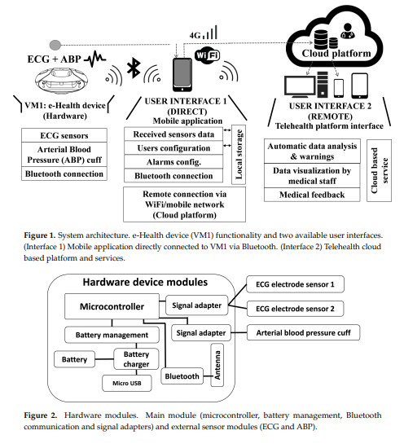 | Rifat
R20 | Heart patient health monitoring system using invasive and non‑invasive measurement | Scientific reports | Nature | Q1 | https://doi.org/10.1038/s41598-024-60500-0 | The goal of this research is to preprocess the MIT-BIH Arrhythmia Dataset (DB-1) and Cleveland Heart Disease Dataset (DB-2), extract relevant features, and use these to diagnose cardiac health conditions such as arrhythmia, abnormal beats, and heart disease. Additionally, the research introduces a novel experiment to analyze the average uncertainty level of the classifier using Information Entropy, a unique factor not previously explored in cardiac abnormality detection | 1. Type: Scientific report on a machine learning framework for diagnosing cardiac health conditions. 2. What data to collect: ECG signals from MIT-BIH Arrhythmia Dataset (DB-1) and Cleveland Heart Disease Dataset (DB-2). 3. How to collect data: Public datasets with recordings from MIT-BIH (48 half-hour records) and UCI Repository (270 instances). 4. Target: Predict cardiac health conditions by analyzing heartbeat behavior using machine learning algorithms. 5. Method: Feature engineering, data preprocessing, algorithm development, and performance evaluation using information entropy. 6. Data Analysis: Preprocessing ECG signals, extracting clinical markers, and using machine learning for classification; performance metrics include accuracy, sensitivity, and detection error rate. | 1. High Classification Accuracy: The proposed machine learning framework demonstrated high classification accuracy on cardiac health datasets, with the Neural Network classifier achieving up to 99.74% accuracy for arrhythmia detection and 80.6% accuracy for heart disease prediction. 2. Effective Feature Extraction: The study employed extensive feature engineering to extract key ECG features, achieving high sensitivity, accuracy, and low detection error rates for features such as R-R interval, QRS complex, and QT interval. 3. Novel Use of Information Entropy: A unique aspect of the study was the use of information entropy to measure the uncertainty and effectiveness of machine learning models, ensuring unbiased and reliable cardiac health diagnosis. | 1. Lack of a Unified Framework: The research highlights the absence of a comprehensive framework that integrates feature preprocessing using both the MIT-BIH arrhythmia dataset (DB-1) and the Cleveland heart disease dataset (DB-2) for a complete analysis of cardiac health conditions. 2. Need for Improved Preprocessing for Heart Disease Detection: The study found that the classification accuracy and sensitivity for heart disease detection were lower than desired due to the need for further preprocessing steps. Specifically, the current preprocessing focused only on feature selection and outlier removal, suggesting that additional preprocessing methods are necessary to enhance performance. 3. Challenges in Comparative Analysis: The innovative use of information entropy to assess the uncertainty in classifier performance represents a novel contribution, but it also posed challenges in comparing the results with existing state-of-the-art methods due to the lack of similar studies in the literature. | 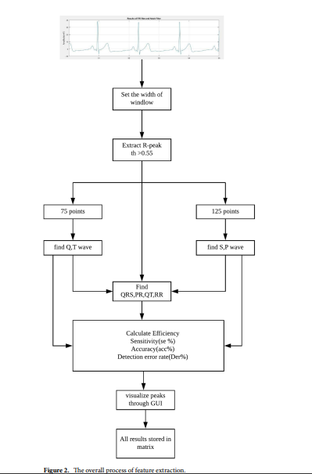
R21 | A comprehensive accuracy assessment of Samsung smartwatch heart rate and heart rate variability | Electronics | MDPI | Q2 | https://doi.org/10.3390/electronics11152292 | Area of Research: The research focuses on the development of an IoT-Cloud-based smart healthcare system aimed at predicting the risk of heart disease. This involves the use of fuzzy inference systems (FIS) and bidirectional long short-term memory (Bi-LSTM) neural networks for predictive analytics. Aim of the Research: The aim of the research is to improve the predictive accuracy, precision, sensitivity, specificity, and F1-score for heart disease risk prediction by utilizing deep learning techniques in combination with IoT data acquisition. Key Points: 1. Data Pre-processing: - Data collected from IoT sensors are subjected to data cleaning and filtering at the Cloud layer. - The data is then processed through a fuzzy information system (FIS) for initial classification tasks. 2. Proposed Model: - The proposed model integrates FIS with a Bi-LSTM neural network to predict heart disease risk accurately. - This model was trained and tested using an expanded heart disease dataset, which included 100,000 records generated from the Cleveland and Hungarian heart disease datasets using the Mockaroo tool. 3. Performance Metrics: - The proposed system achieved superior performance metrics with an accuracy of 98.85%, precision of 98.9%, sensitivity of 98.8%, specificity of 98.89%, and an F1-score of 98.85%. - These results outperformed other state-of-the-art heart disease prediction models. 4. Future Work: - The research suggests enhancing the system to include automatic personalized diet and exercise recommendations. - Future extensions could involve integrating fog/edge computing to handle time-critical analytical tasks and mitigate the limitations of cloud computing, such as latency and bandwidth utilization. | Type: Heart disease risk prediction using IoT and cloud computing. What data to collect: -Physiological Data: BP, heart rate, glucose level, respiration rate, blood oxygen, cholesterol, activity, ECG, EMG, EEG. -Clinical Data: Medical history, smoking and diabetes history, observation and lab reports. How to collect data: -Physiological Data: Collected via wearable sensors, transmitted to cloud via Bluetooth/Zigbee. -Clinical Data: Gathered from medical records and stored in the cloud. Target: Accurately predict heart disease risk using datasets like the Cleveland and Hungarian datasets. Method: -Pre-processing: Data cleaning and filtering. -Initial Classification: Fuzzy Inference System (FIS). -Prediction Model: Bi-LSTM combined with FIS. Data Analysis: Quantitative and qualitative analysis using FIS and Bi-LSTM, achieving high accuracy and precision . | The proposed FIS with Bi-LSTM model outperforms the standard LSTM and FLSTM models in terms of accuracy, precision, recall, specificity, and F1 score. | 1. Data Limitations: - Limited to Cleveland and Hungarian datasets. 2. Real-Time Processing: - Latency issues with cloud computing. 3. Scalability: - Performance with large-scale data not addressed. 4. Personalization: - Lacks personalized health recommendations. 5. Generalization: - Focuses only on heart disease, not other diseases. 6. Validation: - Needs real-world validation and clinical trials. 7. Data Privacy: - Insufficient focus on data privacy and security.

R22 | Flexible Wearable Sensors for Cardiovascular Health Monitoring | Advanced Healthcare Materials | Wiley Online Library | Q1 | https://doi.org/10.1002/adhm.202100116 | The aim or goal of the research is to develop and enhance flexible wearable sensors for continuous, real-time monitoring of cardiovascular vital signs, providing early detection and personalized management of cardiovascular diseases | 1. Type: It discusses the advances, materials, mechanisms, configurations, and applications of flexible wearable sensors for cardiovascular health monitoring. 2. Data to Collect: Heart rate, blood pressure, blood oxygen saturation, blood glucose levels. 3. How to Collect Data: Using flexible wearable sensors via bioelectric, mechano-electric, optoelectric, and ultrasonic mechanisms. 4. Target: Continuous, real-time monitoring for early detection and intervention of cardiovascular diseases. 5. Method: Employ advanced flexible materials to create wearable sensors that adhere to various body parts and measure cardiovascular parameters. 6. Data Analysis: Analyze real-time data for accurate insights into cardiovascular health, focusing on early diagnosis and disease management. | 1. Advantages of Flexible Sensors: - Flexible sensors offer benefits over traditional rigid sensors, including portability, comfort, low cost, and convenient accessibility. 2. Effective Monitoring: - The sensors effectively monitor cardiovascular vital signs such as heart rate, blood pressure, blood oxygen saturation, and blood glucose. 3. Materials and Mechanisms: - The review discusses advanced flexible materials, underlying sensing principles, and device configurations used for these sensors. 4. Future Potential: - With improvements in flexible sensors, IoT, power supply devices, data communication techniques, and related technologies, wearable biomedical systems have great potential for clinical diagnosis and personalized healthcare. | 1. Signal Deterioration: - Reliable signal recording is challenging during motion, long-term use, or extreme conditions. Issues such as sliding and detachment due to the mismatch between the skin and device's Young’s modulus, as well as low adherence, are significant challenges. 2. Wireless Data Transmission and Power Supply: - Wireless data transmission modules are energy-intensive, and current power supply solutions, such as thin-film batteries and nanogenerators, are insufficient. Advanced strategies for signal acquisition, processing, data transmission, and power supply are needed. 3. Limitations in Medical Diagnosis: - The diagnostic ability of current sensors is underdeveloped. Most sensors provide limited data without comprehensive medical interpretation, which is insufficient for precise medical diagnosis. There is a need for sensors that can monitor multiple cardiovascular parameters and integrate AI for accurate and comprehensive diagnostics. | 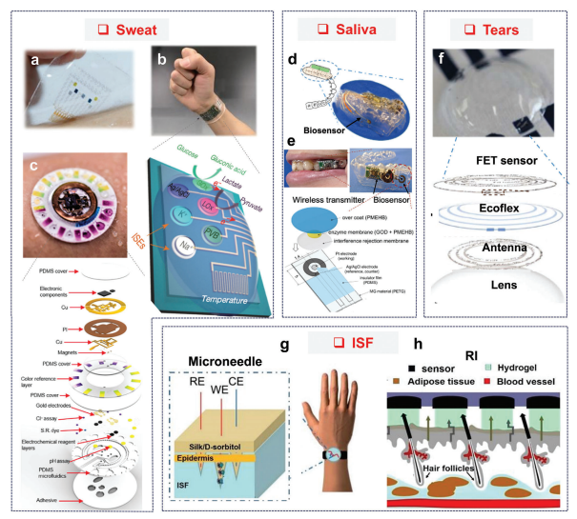
R23 | Network modeling and Internet of things for smart and connected health systems—a case study for smart heart health monitoring and management | IISE Transactions on Healthcare Systems Engineering | Taylor and Francis | Q2 | https://doi.org/10.1080/24725579.2020.1741738 | The aim of this research is to develop and validate a network-based monitoring method for detecting variations in multivariate ECG data, aiming to enhance early detection of cardiac disorders by leveraging dissimilarity measures and network modeling techniques​ | 1. Type: - IoT-based smart heart health monitoring and management. 2. What data to collect: - ECG signals and other cardiac health metrics. 3. How to collect data: - Using IoT-enabled wearable sensors and continuous monitoring. 4. Target: - Patients at high risk of heart disease and for preventive health management. 5. Method: - Network modeling, stochastic optimization, and machine learning for data analysis. 6. Data Analysis: - Advanced techniques like parallel computing and dynamic network inference for pattern detection and anomaly identification. | 1. Improved computational efficiency with parallel computing. 2. Effective detection of cardiac activity changes using network monitoring. 3. Assessment of various dissimilarity measures impacts detection performance. 4. Successful implementation of network-T2 and benchmark control charts for early detection. 5. Demonstrated practical applicability in real-world ECG data monitoring. | 1. Scalability issues with existing ECG recognition methods. 2. High computational complexity for large-scale network modeling. 3. Need for real-time analytics in IoT-based cardiac monitoring. 4. Limited development of statistical monitoring methods for IoH systems.
R24 | Comprehensive Cardiovascular Risk Factor Control With a Mobile Health Cardiovascular Risk Self‐Management Program | AHA Journals | Journal of the American Heart Association | Q1 | https://doi.org/10.1161/JAHA.123.033328 | The aim of the research is to evaluate the effectiveness of an mHealth application in reducing blood pressure, total cholesterol, LDL-C, and weight in adults with hypertension and/or dyslipidemia, and to assess the impact of digital coaching engagement on these outcomes. | 1. Type: - Real-world evaluation of an mHealth cardiovascular risk self-management program. 2. What data to collect: - Blood pressure (BP) - Total cholesterol (TC) - Low-density lipoprotein cholesterol (LDL-C) - Weight 3. How to collect data: - Through the mHealth app using self-reported metrics and data from connected devices. 4. Target: - Individuals with hypertension, dyslipidemia, and/or obesity. 5. Method: - Automated digital coaching for lifestyle modifications, including diet, exercise, and medication adherence. 6. Data Analysis: - Assess changes in BP, TC, LDL-C, and weight over time to determine the program's effectiveness. | 1. Clinical Improvements: - Significant reductions in blood pressure (BP), total cholesterol (TC), low-density lipoprotein cholesterol (LDL-C), and weight were observed among participants. 2. Impact of Digital Coaching: - Greater engagement with the automated digital coaching was associated with more substantial reductions in BP, TC, LDL-C, and weight. | 1. Lack of Long-term Data: - The study calls for further research to examine the long-term effectiveness of mHealth platforms on clinical outcomes beyond BP, TC, LDL-C, and weight. 2. Limited Population Diversity: - More research is needed to evaluate the effectiveness of the mHealth intervention in additional and more diverse populations to ensure broader applicability. 3. Single Risk Factor Focus: - While the study addresses multiple cardiovascular risk factors, many mHealth interventions are still limited to single risk factor or condition management, which the study aims to improve upon.
R25 | Natriuretic Peptides: Role in the Diagnosis and Management of Heart Failure: A Scientific Statement From the Heart Failure Association of the European Society of Cardiology, Heart Failure Society of America and Japanese Heart Failure Society | American Heart JournaJournal of Cardiac Failure | Elsevier B.V. | Q1 | https://doi.org/10.1016/j.cardfail.2023.02.009 | 1.Role of Natriuretic Peptides in Heart Failure 2.Diagnostic and Prognostic Utility of BNP and NT-proBNP in Heart Failure Patients | 1.Type: Clinical Study 2.What data to collect: - Levels of natriuretic peptides (BNP and NT-proBNP) - Patient demographics (age, sex, medical history) -Heart failure symptoms and severity (e.g., NYHA class) -Cardiovascular health metrics (e.g., ejection fraction, blood pressure, heart rate) -Outcomes (e.g., hospitalization, mortality rates) 3.How to collect data: -Blood samples to measure BNP and NT-proBNP levels -Patient surveys and clinical evaluations to record symptoms and severity -Echocardiograms and other diagnostic tests to assess cardiovascular health metrics -Electronic health records (EHR) to track patient outcomes and history 4.Target:Patients diagnosed with heart failure, both in ambulatory settings and emergency departments 5.Method: -A quantitative approach involving routine clinical assessments and laboratory testing -Prospective cohort design where patients are followed over time to collect data at regular intervals -Use of standardized protocols for blood sample collection and peptide level measurement 6.Data Analysis: -Descriptive statistics (mean, median, standard deviation) to summarize the collected data -Logistic regression and Cox proportional hazards models to identify predictors of adverse outcomes -Kaplan-Meier survival analysis to estimate time-to-event data such as readmission and mortality rates -Multivariate analysis to adjust for confounders and identify independent predictors of prognosis -Visualization of data using software like SPSS or R to create accessible charts and graphs for clinical review | 1.Use of BNP and NT-proBNP levels significantly enhances the accuracy of heart failure diagnosis in both ambulatory and emergency settings. 2.The implementation of natriuretic peptide testing is linked with better risk stratification and targeted therapeutic interventions, leading to improved clinical outcomes. 3.Patients experience higher satisfaction due to more accurate diagnoses, personalized treatment plans, and better management of heart failure symptoms. 4.Enhanced diagnosis and management of heart failure through natriuretic peptide testing can lead to reductions in healthcare utilization and overall medical costs. | 1.Many studies on natriuretic peptides are observational or nonrandomized, which can lead to potential biases and unidentified group differences. 2.There is inconsistency in the methods and standards used for measuring BNP and NT-proBNP levels across different laboratories, affecting the comparability of results. 3.There is a need for more long-term studies to fully understand the prognostic value of natriuretic peptides over extended periods and in diverse populations. | 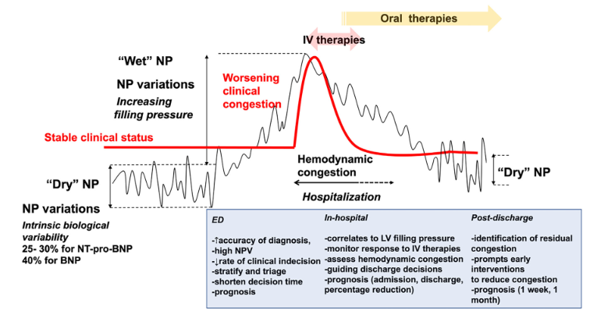 | Shrabon
R26 | Healthcare and patient monitoring using IoT | Internet of Things | Elsevier B.V. | Q1 | https://doi.org/10.1016/j.iot.2020.100173 | Continuous patient monitoring via IoT devices. IoT supports elderly care by tracking health and safety. Real-time IoT data prepares hospitals for emergencies. | 1. Type: Field Study 2. What data to collect: Patient health metrics (heart rate, blood pressure, glucose levels, oxygen saturation) 3. How to collect data: The data will be collected through IoT-enabled wearable devices and home medical equipment that transmit data wirelessly to a centralized system. 4. Target: Patients with chronic conditions (example: diabetes, hypertension) 5. method: The method involves a quantitative approach that includes continuous monitoring using IoT devices. The data is collected in real-time and stored in a cloud-based system. 6. Data Analysis: - Descriptive statistics (mean, median, standard deviation) to summarize health metrics - Time-series analysis to track changes and trends in patient health over time - Machine learning algorithms to predict potential health issues based on collected data - Use of data visualization tools (example: Tableau) to present findings in an accessible format for healthcare providers | 1. Continuous monitoring of patient vitals through IoT technology has led to fewer hospital visits and an enhanced quality of life for patients. 2. The creation of IoT applications for tailored prescriptions and medication regimens, which may include pills equipped with tiny sensors for accurate dosing and administration. 3. GE Healthcare's "AutoBed" and similar systems have notably decreased wait times in emergency rooms by streamlining patient flow using up-to-the-minute information. 4. Hospitals have seen improved efficiency and safety in managing resources, staff, and equipment thanks to IoT-based systems. | 1. Robust mitigation strategies are necessary to address potential vulnerabilities in data security and privacy. 2. Challenges may arise when trying to seamlessly integrate with existing healthcare systems and devices. 3. Effectively handling increased data volume and device connections is a requirement for the system.
R27 | Improving an Intelligent Detection System for Coronary Heart Disease Using a Two-Tier Classifier Ensemble | BioMed Research International | Hidaw | Q2 | https://doi.org/10.1155/2020/9816142 | 1.Optimizing Heart Disease Detection 2.With Two-Tier Ensemble Methods 3.Predicting Heart Disease 4.Machine Learning in Healthcare | 1.Type: Computational Experiment 2.What data to collect: Patient health metrics relevant to coronary heart disease, including demographic information, symptoms and examination results, electrocardiography data, laboratory test results, and angiographic data. 3.How to collect data:Data is collected from publicly available datasets in the UCI Machine Learning Repository, specifically the Z-Alizadeh Sani, Statlog, Cleveland, and Hungarian datasets, which include various clinical and diagnostic variables. 4.Target: Patients who are at risk of or suspected to have coronary heart disease, based on their clinical and diagnostic data. 5.method: -Development of a two-tier classifier ensemble for detecting coronary heart disease, involving: -Ensemble classifiers (random forest, gradient boosting machine, and extreme gradient boosting) as base classifiers. - Particle swarm optimization (PSO) for selecting the most relevant features. -A stacked architecture to blend the predictions of the ensemble learners. -10-fold cross-validation for model validation. 6.Data Analysis: -Descriptive statistics: Compute mean, median, and standard deviation to summarize the health metrics from the datasets. -Feature selection: Apply particle swarm optimization (PSO) to select significant features. -Model training and evaluation: Train the two-tier classifier ensemble using the selected features and evaluate its performance using metrics such as accuracy, F1 score, and AUC. -Statistical testing: Perform a two-step statistical significance test to ensure that performance differences among classifiers are not due to random chance. -Comparison with existing methods: Benchmark the performance of the proposed model against existing coronary heart disease detection models to demonstrate its effectiveness. | 1.Comparative performance results, including accuracy, F1 score, and AUC for different classifiers, were presented in tabular format. 2.Feature selection was performed using Particle Swarm Optimization (PSO) to identify the most significant features. 3.The performance of the model was evaluated using various statistical metrics including accuracy, F1 score, and AUC. 4.Feature selection results and the number of selected features for each dataset were also summarized in tables. 5.A two-step statistical significance test was conducted to compare the performance among different classifiers. | 1.Different algorithms perform variably across different datasets. No single algorithm consistently outperforms others in all scenarios 2.The quality of the data, including the presence of noise and missing values, can significantly impact the results. Handling these data issues requires robust preprocessing techniques. 3.Heart disease datasets are often imbalanced, with a majority of negative cases and a minority of positive cases. This imbalance can bias the model towards predicting the majority class | 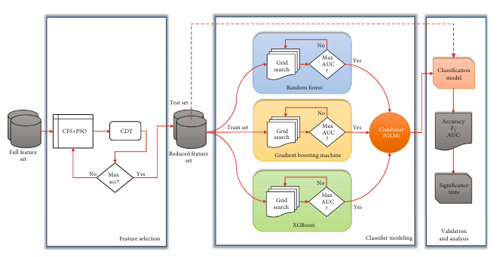
R28 | Patient-centered mobile health technology intervention to improve self-care in patients with chronic heart failure: Protocol for a feasibility randomized controlled trial Prob | Contemporary Clinical Trials | Elsevier B.V. | Q1 | https://www.sciencedirect.com/science/article/abs/pii/S1551714421001695?via%3Dihub | 1. Patient Self-Care in Heart Failure 2. Recruitment and Retention Strategies 3. Data Collection Methods and Schedules | 1.Type: Randomized Controlled Trial (RCT). 2.What Data to Collect:The data collected includes health-related quality of life (HRQoL), objective health metrics such as weight, blood pressure, and physical activity, as well as the number of hospitalizations and emergency room visits. 3.How to Collect Data:Data collection methods involve using the Heart Failure Storylines app for self-reports and feedback, connected health devices like the Withings weight scale, blood pressure monitor, and Fitbit activity tracker for objective health metrics, tailored text messages for additional support and data collection on health behaviors, and surveys and questionnaires to assess self-care and HRQoL. 4.Target:Patients with chronic heart failure (HF). 5.method:Participants are randomly assigned to either the intervention group, which receives the full mHealth intervention (including the Heart Failure Storylines app, connected health devices, and tailored text messages), or the control group, which uses the connected devices without the app or text message support. 6.Data Analysis: Data analysis involves using descriptive statistics to summarize baseline characteristics and outcomes, comparing the intervention and control groups with appropriate statistical tests (such as t-tests and chi-square tests), and employing analysis of variance (ANOVA) to evaluate changes in self-care behaviors and HRQoL over time. | 1. The study outlined the statistical analysis techniques used and provided an overview of participant demographics. 2. The analysis demonstrated enhanced compliance with medication and self-monitoring among the intervention group. 3. A decrease in hospital readmissions and emergency room visits was noted. 4. Feedback from patients showed a high level of satisfaction with the iCardia4HF intervention | 1.Many mHealth apps with empirical data are not commercially available. 2.Traditional interventions are not scalable and have limited reach, necessitating the development of novel, cost-effective, and scalable self-care interventions. 3.Although commercially available mHealth technologies offer opportunities for improving adherence to HF self-care, their utility in HF management remains underexplored. 4.There is a lack of research involving minority populations, despite their high incidence of HF and poor adherence to self-care. | 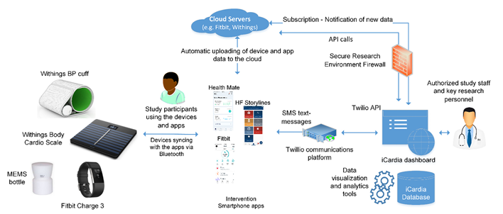
R29 | Digital Health Innovations to Improve Cardiovascular Disease Care | Current Atherosclerosis Reports | SpringerLink | Q1 | https://doi.org/10.1007/s11883-020-00889-x | 1. Continuous health monitoring using digital technology. 2. Tracking health and activity with wearable devices. | 1.Type: Randomized Controlled Trial (RCT) 2.What data to collect: Data from various studies, including RCTs, that evaluate the impact of digital health technologies on physical activity, smoking cessation, medication adherence, blood pressure, cholesterol control, weight management, and arrhythmia detection. 3.How to collected data: The data is collected through a comprehensive review of scientific literature, including peer-reviewed articles and clinical trial results. 4.Target: The target population includes patients with cardiovascular disease or those at risk of developing CVD care. 5.Method:The methodology involves conducting a systematic review and meta-analysis of studies. This includes identifying relevant studies, extracting data, and synthesizing the results to determine the overall effectiveness of the digital health interventions. 6.Data Analysis: The analysis includes pooling data from multiple studies to perform meta-analyses. Outcomes are assessed using statistical measures such as mean differences and SMDs with 95% confidence intervals to quantify the effects of interventions like text messaging, smartphone apps, and wearable devices on various health outcomes | 1. Meta-analyses were conducted to synthesize data from multiple studies, with results presented as mean differences and standardized mean differences (SMD) with confidence intervals (CI). 2. Text messaging programs were shown to significantly improve medication adherence, increase physical activity, and aid in smoking cessation. 3. Smartphone applications demonstrated potential in improving lifestyle behaviors and cardiovascular risk factors, although the quality of evidence varied. 4. Wearable devices were effective in monitoring physical activity and detecting arrhythmias, contributing to better health management. 5. Comparisons across studies indicated that multifactorial interventions targeting several behaviors simultaneously were more effective than single-component interventions. | 1.There is not enough strong evidence to support the effectiveness of smartphone apps for CVD prevention. Recent studies have shown mixed results. 2.Many studies have small sample sizes, short follow-up periods, and lack rigorous control groups, which makes their findings less reliable. 3.Digital health tools are often not well integrated into existing healthcare systems, limiting their effectiveness. 4.Not everyone has equal access to digital health technologies due to issues like digital literacy and socioeconomic disparities | 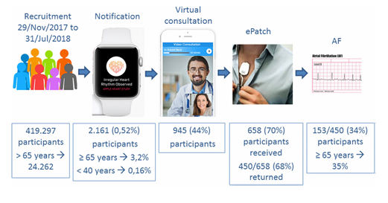
R30 | An intelligent Medical Cyber–Physical System to support heart valve disease screening and diagnosis | Expert Systems with Applications | Elsevier | Q1 | https://doi.org/10.1016/j.eswa.2023.121772 | 1.Heart valve diseases 2. Heart diagnosis | 1. Type: a survey of machine learning 2. What data to collect: The heart sound audio of healthy individuals and patients with valvular disease 3. How to collect data: Through Texas Instruments digital stethoscope and the medical development kit (MDK) based on the digital signal processor (DSP) TMS320C5515 4. Target: Patients with valvular disease 5. method: The paper proposes an intelligent Medical Cyber-Physical System for heart valve disease screening and diagnosis1. It combines different neural network models trained on a new Italian dataset of 132 adult patients covering 9 heart sound categories2. The system can diagnose four kinds of heart valve diseases. 6. Data Analysis: Extracted 40 MFCC for each heart-sound file, corresponding to the three listening points, by using a hop length of 512 with an FFT window length of 2048 samples. | 1.Classification analysis was presented 2.The trained models were validated using separate datasets 3. Developed in-silico cardiac computational models that integrate multiple modalities and scales 4. Computational methods allows to simulate in vivo conditions and predict disease progression over time. 5. Reviews both experimental and computational simulation | 1. Optimization techniques, real-world deployment challenges 2. Anonymized and stripped of identifying meta data 3. The misclassification rate fails to identify the mild cases | 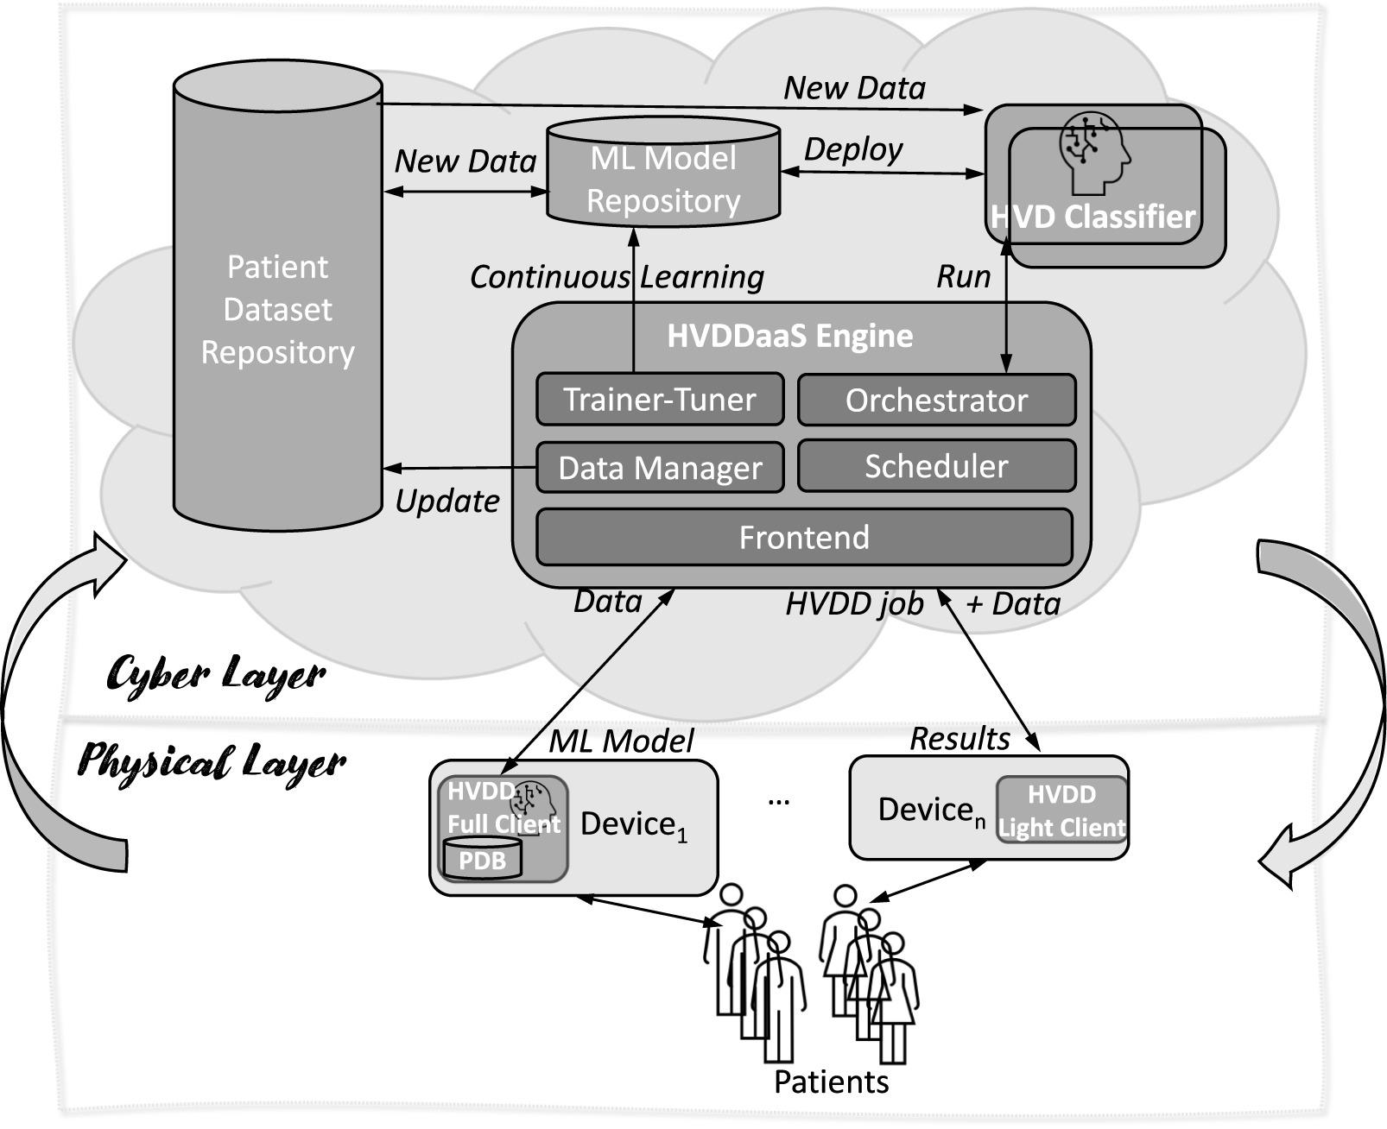
R31 | Heart patient health monitoring system using invasive and non-invasive measurement | Scientific Reports | Nature | Q1 | https://doi.org/10.1038/s41598-024-60500-0 | 1. Heart health conditions 2. Identifying cardiac morbidity and arrhythmia | 1. Type: 2. What data to collect: arrhythmia, abnormal beats, and heart disease 3. How to collect data: MIT-BIH-arrhythmia (DB-1), Cleveland heart disease (DB-2) for the complete analysis of cardiac health conditions 4.Target: Arrhythmia and heart disease datasets collected from Massachusetts Institute of Technology-Berth Israel Hospital-arrhythmia. 5. Method: Data acquisition, Feature preprocessing approach, Implementation of learning algorithms, and Information Entropy. 6. Data Analysis : Cleaning any noise or inconsistencies. Implementing various machine learning algorithms such as Neural Networks, K-Nearest Neighbor, Support Vector Machines, Random Forest, and Naïve Bayes. | 1. A stepwise fit feature selection algorithm to preprocess the DB-2 clinical dataset 2. Used the average classifier performance results 3. The results demonstrate impressive accuracy achieved by various classification algorithms | 1.Efficient preprocessing in (DB-2) 2.atrial fbrillation 3. Ventricular fbrillation 4. Cardiomyopathy | 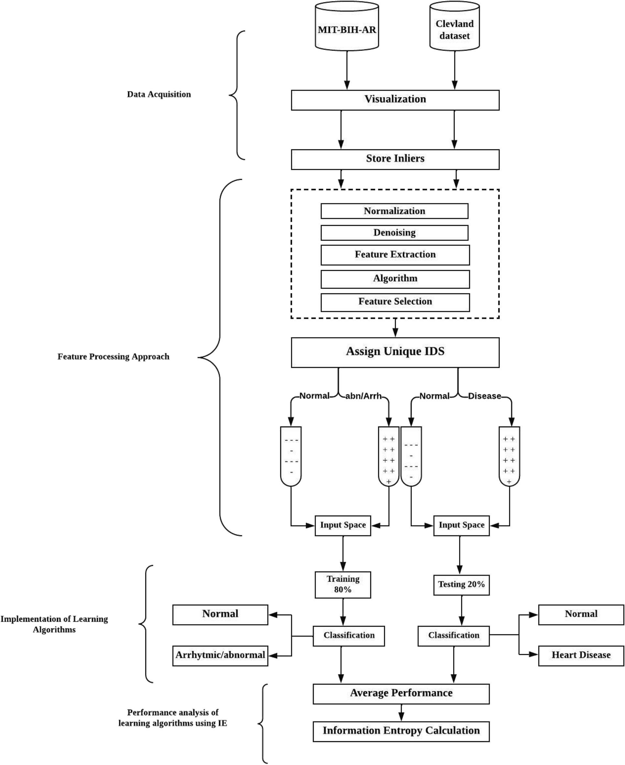
R32 | HealthFog: An ensemble deep learning based Smart Healthcare System for Automatic Diagnosis of Heart Diseases in integrated IoT and fog computing environments | Future Generation Computer Systems | Elsevier | Q1 | https://doi.org/10.1016/j.future.2019.10.043 | 1. Heart Disease analysis | 1. Type: 2. What data to collect: Blood Oxygen, Heart Rate, Respiration Rate, EEG, ECG, EMG,Blood pressure 3. How to collect data: IoT Devices, file input data 4. Target: Heart patients 5. Method: 1.Ensemble Deep Learning.FogBus Modules:Broker node, Worker node. HealthFog operates within the fog computing paradigm. HealthFog utilizes the FogBus framework for deployment and testing. 6. Data Analysis: HealthFog integrates ensemble deep learning within edge computing devices. Fog-empowered framework for real-time analysis in heart patients using ENsemble Deep learning | 1. HealthFog delivers healthcare as a fog service using IoT devices 2.Efficiently manages heart patient data 3.Performance is evaluated in terms of: i.Power consumption ii.Network bandwidth iii.Latency iv.Jitter v.Accuracy vi.Execution time | 1. Ensemble Deep Learning 2. Fog Model Limitations 3. Quality of Service (QoS) 4. Evaluation Metrics | 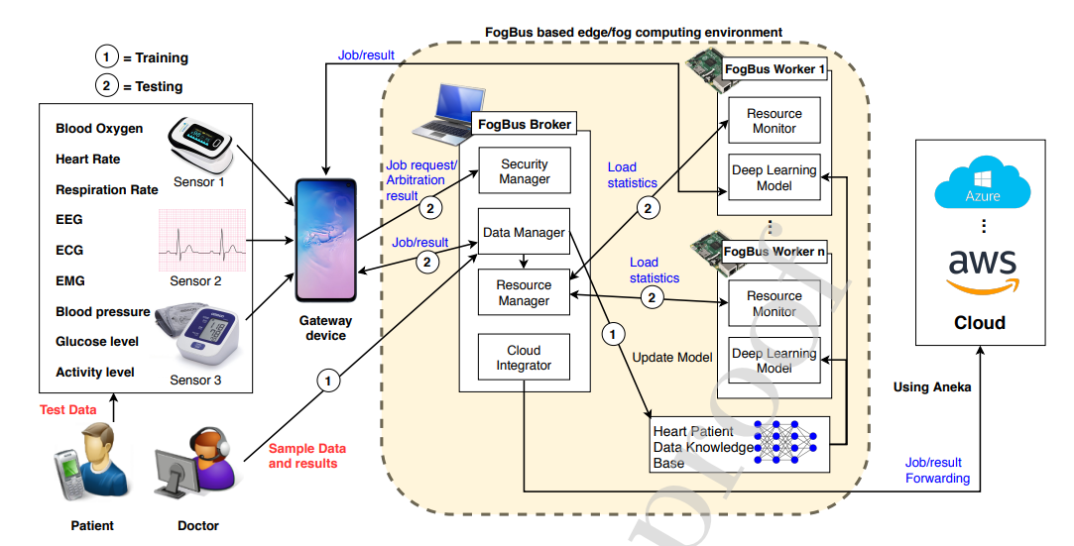
R33 | Early prediction of heart disease with data analysis using supervised learning with stochastic gradient boosting | Journal of Engineering and Applied Science | Springer Open | Q1 | https://jeas.springeropen.com/articles/10.1186/s44147-023-00280-y | How does the proposed HDP-DTRF approach improve heart disease prediction accuracy compared to traditional methods? What are the key features extracted during data preprocessing that contribute significantly to the heart disease prediction model's performance? | 1. Type: machine learning approach for heart disease prediction (HDP) using a decision tree-based random forest (DTRF) classifier with loss optimization. 2. What data to collect 3. How to collected data: 4. Target: enhance heart disease prediction using a machine learning approach with a decision tree-based random forest classifier and stochastic gradient boosting for loss optimization. 5. method 6. Data Analysis: data preprocessing, normalization, exploratory data analysis (EDA), data visualization, and extracting top correlated features for accurate heart disease prediction. | The HDP-DTRF approach demonstrated significant improvements in precision, recall, and accuracy compared to traditional methods, achieving 86% precision, 86% recall, and 96% accuracy in predicting heart disease.Utilizing decision tree-based random forest classifiers with stochastic gradient boosting optimization resulted in enhanced performance, showcasing the potential of machine learning in early prediction and management of heart diseases. |  |  | Shajalal Sojib
R34 | A Review of Recent Innovations in Remote Health Monitoring | Biomedical based Journal | MDPI | Q2 | https://doi.org/10.3390/mi14122157 |  | 1. Use a range of sensors and wearable devices to monitor patients' health. 2. Provide real-time feedback to healthcare providers. |  | 1. Integration and Interoperability: Challenges in seamless integration and interoperability among devices and healthcare systems. 2. Data Privacy and Security: Insufficient protection measures for patient data, requiring robust encryption and security protocols. 3. User Adoption and Usability: Usability issues, especially for the elderly, and the need for comfortable, non-intrusive wearable devices. 4. Accuracy and Reliability: Inconsistencies in data accuracy and reliability, necessitating continuous improvement in sensing and imaging techniques. |  | Sudipto Saha
R35 | ECG Monitoring Systems: Review, Architecture, Processes, and Key Challenges | Biomedical based Journal | MDPI | Q2 | https://doi.org/10.3390/s20061796 |  | The system will work by continuously monitoring heart activity through ECG sensors, transmitting the data via IoT connectivity to a centralized platform for real-time analysis. Advanced algorithms, including AI and deep learning, will process the data to detect abnormalities and provide instant feedback to healthcare professionals. This integration ensures efficient, cost-effective, and comprehensive cardiovascular monitoring. |  | Identify key challenges in the development and implementation of ECG monitoring systems.

