Sheet1
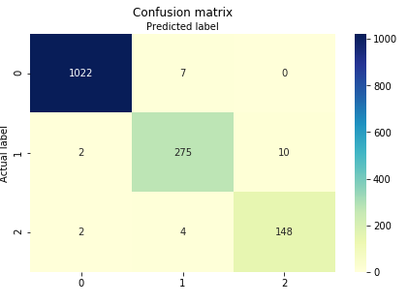
decision tree

 |  | precision recall f1-score support

 |  | 0 1.00 0.99 0.99 1029
 |  | 1 0.96 0.96 0.96 287
 |  | 2 0.94 0.96 0.95 154

 |  | micro avg 0.98 0.98 0.98 1470
 |  | macro avg 0.96 0.97 0.97 1470
 |  | weighted avg 0.98 0.98 0.98 1470

 |  | Accuracy: 0.9829931972789115

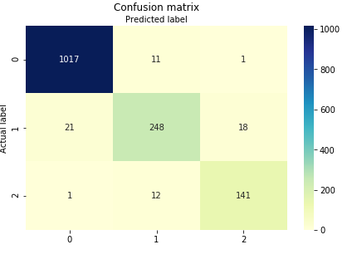
SVM
 | precision recall f1-score support

 | 0 0.98 0.99 0.98 1029
 | 1 0.92 0.86 0.89 287
 | 2 0.88 0.92 0.90 154

 | micro avg 0.96 0.96 0.96 1470
 | macro avg 0.93 0.92 0.92 1470
 | weighted avg 0.96 0.96 0.96 1470

 | Accuracy: 0.9564625850340136

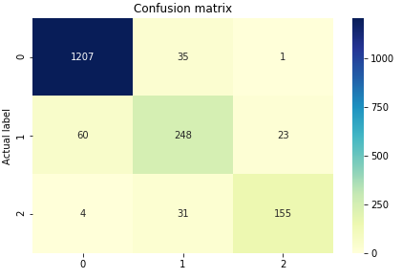
KNN

precision recall f1-score support

0 0.95 0.97 0.96 1243
1 0.79 0.75 0.77 331
2 0.87 0.82 0.84 190

micro avg 0.91 0.91 0.91 1764
macro avg 0.87 0.85 0.86 1764
weighted avg 0.91 0.91 0.91 1764

Accuracy: | 0.9126984127

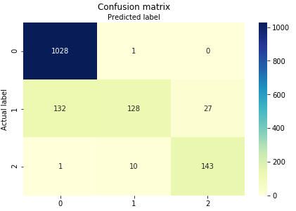
Logistic

Accuracy: 0.8836734693877552
precision recall f1-score support

0 0.89 1.00 0.94 1029
1 0.92 0.45 0.60 287
2 0.84 0.93 0.88 154

micro avg 0.88 0.88 0.88 1470
macro avg 0.88 0.79 0.81 1470
weighted avg 0.89 0.88 0.87 1470

Naïve Bayes
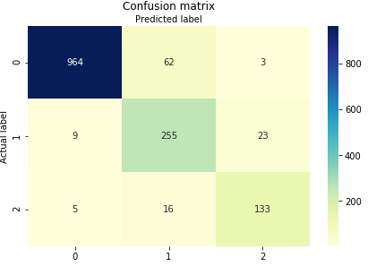
precision recall f1-score support

0 0.99 0.94 0.96 1029
1 0.77 0.89 0.82 287
2 0.84 0.86 0.85 154

micro avg 0.92 0.92 0.92 1470
macro avg 0.86 0.90 0.88 1470
weighted avg 0.93 0.92 0.92 1470

Accuracy: 0.9197278911564626

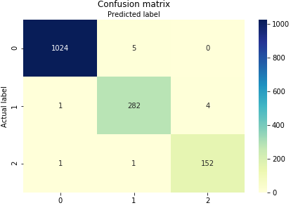
Random Forest

 | 0 1.00 1.00 1.00 1029
 | 1 0.98 0.98 0.98 287
 | 2 0.97 0.99 0.98 154

 | micro avg 0.99 0.99 0.99 1470
 | macro avg 0.98 0.99 0.99 1470
 | weighted avg 0.99 0.99 0.99 1470

 | Accuracy: 0.9918367346938776

