Notes
Requirements | Files | Version Date | Instructions
Python 3.9 | PolarionTracker.py | 2023-06-23 | 1 | Install Python on your computer hard drive. Use version 3.9 or greater. Also installl a python editor.
PIP library | PolarionTracker.xlsm | 2023-06-23 | 2 | Ensure Python is correctly added to you path. In Windows, in Settings -> System -> About -> Advanced System Settings -> Environmental Variables, you should see python in your path like below:
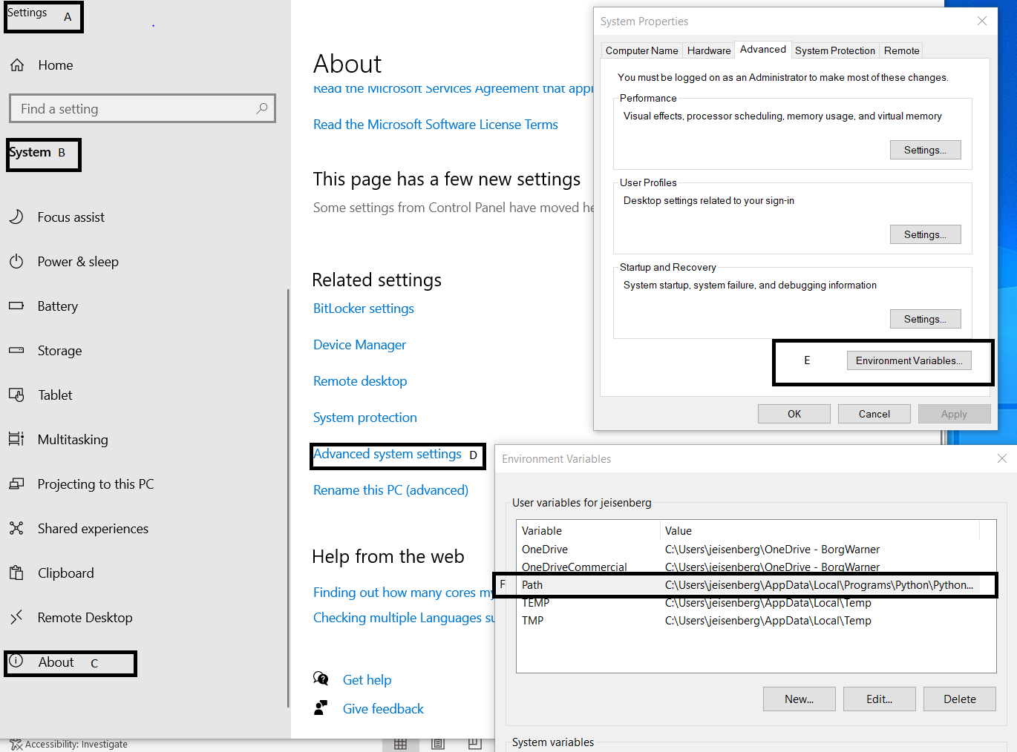
Polarion library
LOGURU library
XLWINGS library
time library
DATETIME library
Excel
XLWINGS Add-in
SharePoint
PMT access
Microsoft Teams
PDS_PMT_Metrics

type:(externalRequirement) AND status:approved AND systemFeature.KEY:(sysFeature1 sysFeature2 sysFeature3 sysFeature4 sysFeature5 sysFeature6 sysFeature16 sysFeature17 sysFeature20 sysFeature24 sysFeature26) AND NOT flagField:duplicate

 |  |  | 3 | Load PolarionTracker.py and PolarionTracker.xlsm on your device.
 |  |  | 4 | Install all Python libraries listed in the yellow section of column A of this sheet.
 |  |  | 5 | Installing the XLWINGS library should include an Excel add-in. Open Excel and install the Excel Add-in XLWINGS to your version of Excel options. The add in may not appear at first, and it may be necessary to locate the xlwings.xlam file and add it to the list of add ins.

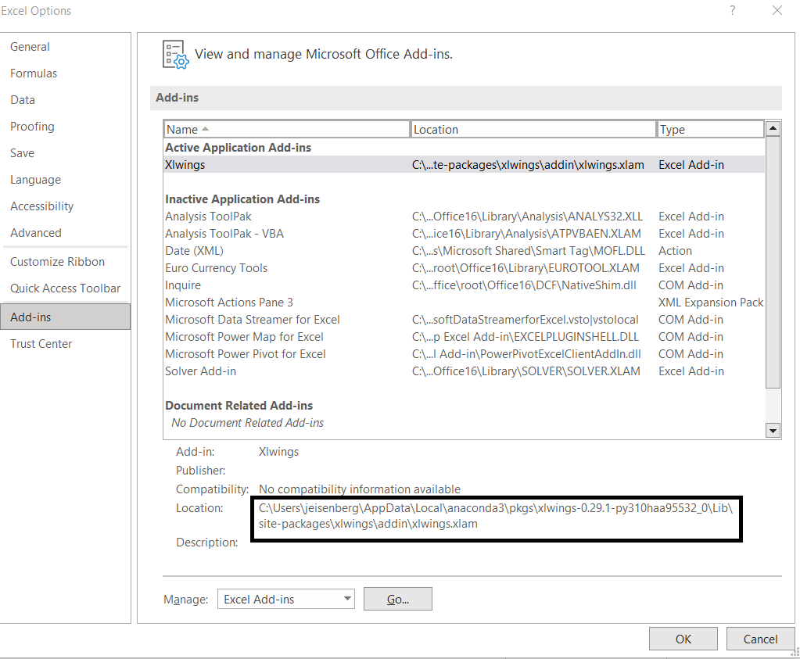

 |  |  | 6 | This should give you the XLWINGS ribbon in your version of Excel. Change the interpreter path to your hard drive path.

 |  |  | 7 | Obtain required permission for relevant Polarion Projects
 |  |  | 8 | Open PolarionTracker.py with your Python Editor, and edit the Excel file to math your hard drive location of this PolarionTracker.xlsm Excel file.

 |  |  | 9 | Enter the query information into the Excel parameters sheet
 |  |  | 10 | Run through the XLWINGS Excel ribbon or your Python Editor, you must be onsite or connected via VPN

