Datasets
Paper 1: | A Robust Speaking Rate Estimator Using a CNN-BLSTM Network
 | Name | Speakers | Sentences | Speach rate (vowel/sec) | Speech Rate Calculation | dialects | Phonetic transcriptions with time alligned boundaries | Syllable transcriptions with time alligned boundaries | Other details
 | TIMIT(native) | 630 | 6300 phonetically balanced | 1.44-8 | #vowels/duration | 8 American English | yes | No | Audio was collected through cell phone channel under various noisy condition
 | Switchboard(native) | 370 | 7300 speach segments(>=200ms) | 1.26-9.2 |  |  | No | Yes | Audio was collected through the telephone channel
 | CTIMIT(native) | 630 | 3370 | 1.87-8 |  |  | Yes | No
 | ISLE(non native) | 46 non-native(23 German, 23 Italian) | approx. 160 sentecne each speaker | 0.64-7.81 |  |  | Yes | No

 | Noises | STN ratio (db)
 | NOISEX-92 | 0
 | White | 10
 | volvo | 20
 | hfc
 | f16
 | babble

 | LibriSpeech
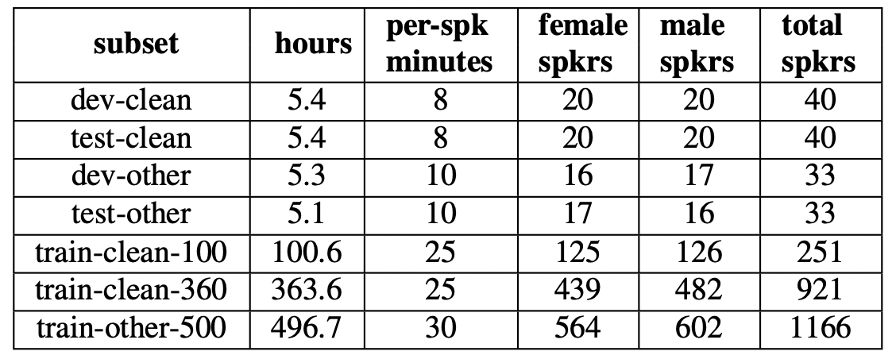

 | Noises dataset for data augmentation | ESC-50
 | LibriSpeech
 | LibriSpeech word allignments

SRE_report
 |  |  | Dataset
LibriSpeechChuncked_sil_removed | chunk count | max_syl_count | chunck_len
train-clean-100-fast-augmented (train-100clean + fast2x+fast1.5x) | 222453 | 38 | 0.02-2.19 | Whole stat is computed and saved
val-clean | 10044 | 21 | 0.18-2.02 | Whole stat is computed and saved
test-clean | 10102 | 22 | 0.22-2.02 | Whole stat is computed and saved

 |  |  | Regression models
 | input | loss | Metric | Optimizer | batch_size | epochs | noise_augm | #params (K)
rLSTM128 | wav, 35ms, 10ms | MSE | PCC | Adam(lr=1e-3) | 200 | 200 | ESC50 (0,20) db prob=0.5 | 353 (1414MB)
rMatchBoxNet-3x2x64 | MFCC(64,147) n_fft=25, hope_length=10 n_mels =64 | MSE | PCC | Adam(lr=1e-3) | 200 | 200 | ESC50 (0,20) db prob=0.5 | 399(1597MB)
rMatchBoxNet-6x2x64 | MFCC(64,147) n_fft=25, hope_length=10 n_mels =64 | MSE | PCC | Adam(lr=1e-3) | 200 | 200 | ESC50 (0,20) db prob=0.5 | 446(1785MB)
rMatchBoxNet-3x2x112 | MFCC(64,147) n_fft=25, hope_length=10 n_mels =64 | MSE | PCC | Adam(lr=1e-3) | 200 | 200 | ESC50 (0,20) db prob=0.5 | 654(2616MB)

 |  |  | Regression Model Results
Model | avg_train_loss | avg_val_loss | avg_test_loss | avg_train_pcc | avg_val_pcc | avg_test_pcc | checkpoint
rLSTM128 | 3.3475 | 2.9432 | 3.3339 | 0.9549 | 0.8631 | 0.8473 | best-epoch=188-val_loss=2.94-val_pcc=0.86.ckpt
rMatchBoxNet-3x2x64 | 1.4284 | 1.6337 | 1.7051 | 0.9793 | 0.9219 | 0.917 | best-epoch=142-val_loss=1.63-val_pcc=0.92.ckpt
rMatchBoxNet-6x2x64 | 1.495 | 1.6138 | 1.7092 | 0.9793 | 0.923 | 0.9188 | best-epoch=194-val_loss=1.61-val_pcc=0.92.ckpt
rMatchBoxNet-3x2x112 | 1.2143 | 1.5032 | 1.5885 | 0.9827 | 0.9278 | 0.924 | best-epoch=194-val_loss=1.50-val_pcc=0.93.ckpt

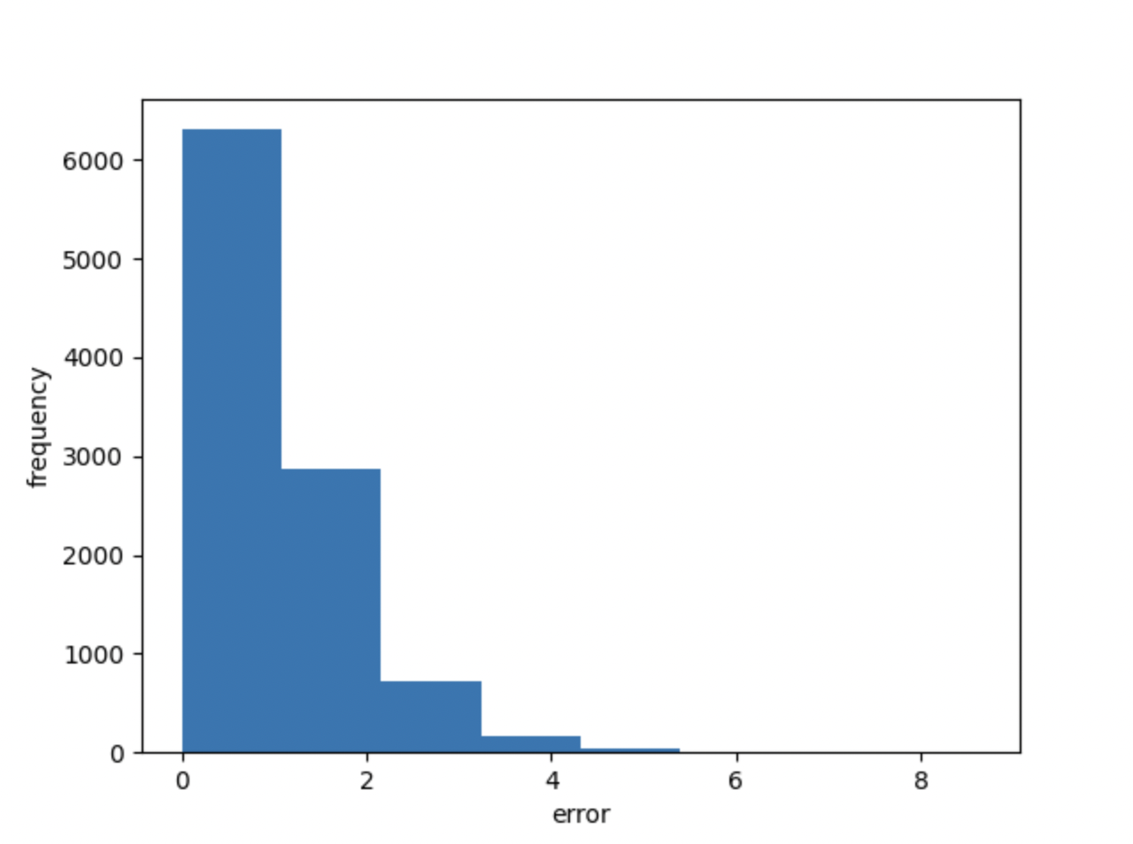
 |  |  | Errors distribution of Regression Models
rLSTM128 |  | rMatchBoxNet-3x2x64 |  |  | rMatchBoxNet-6x2x64 |  |  | rMatchBoxNet-3x2x112
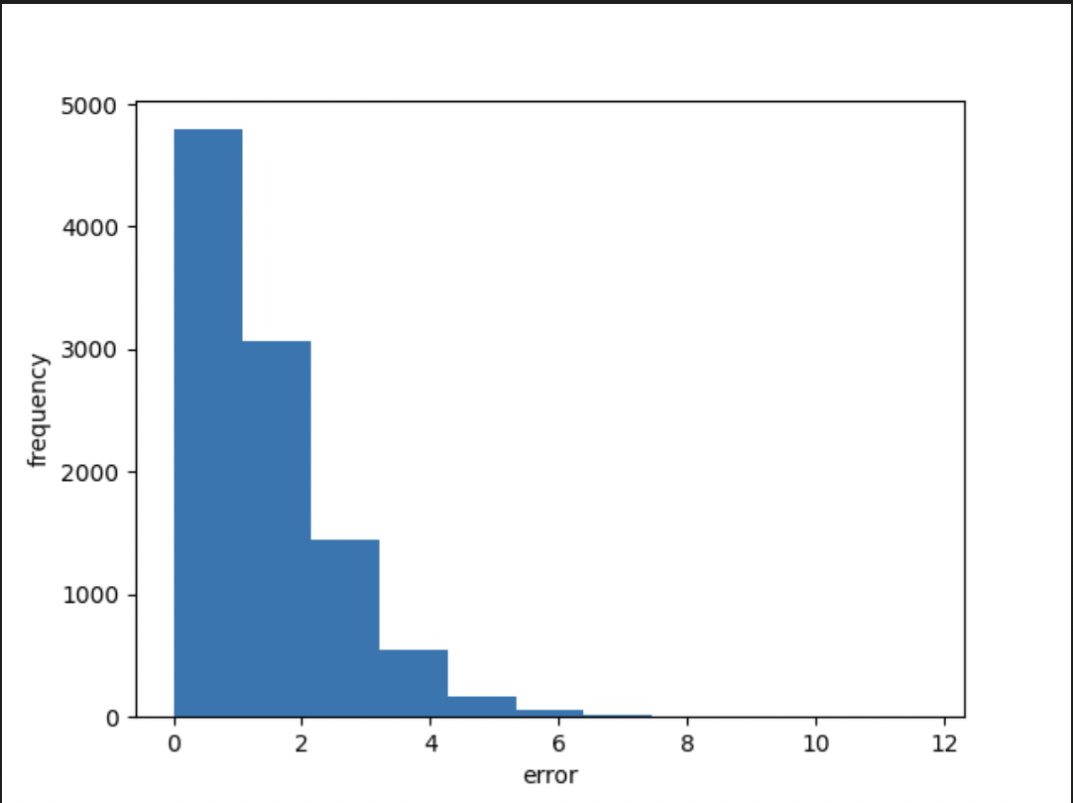
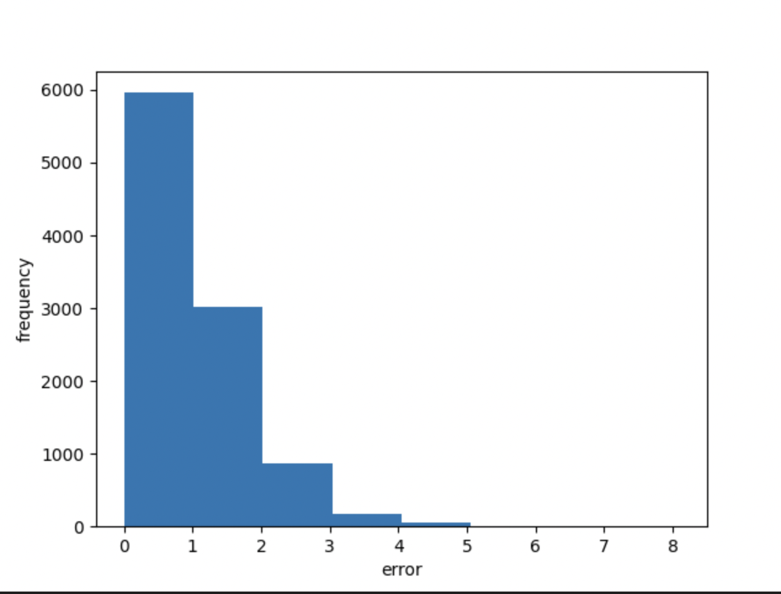
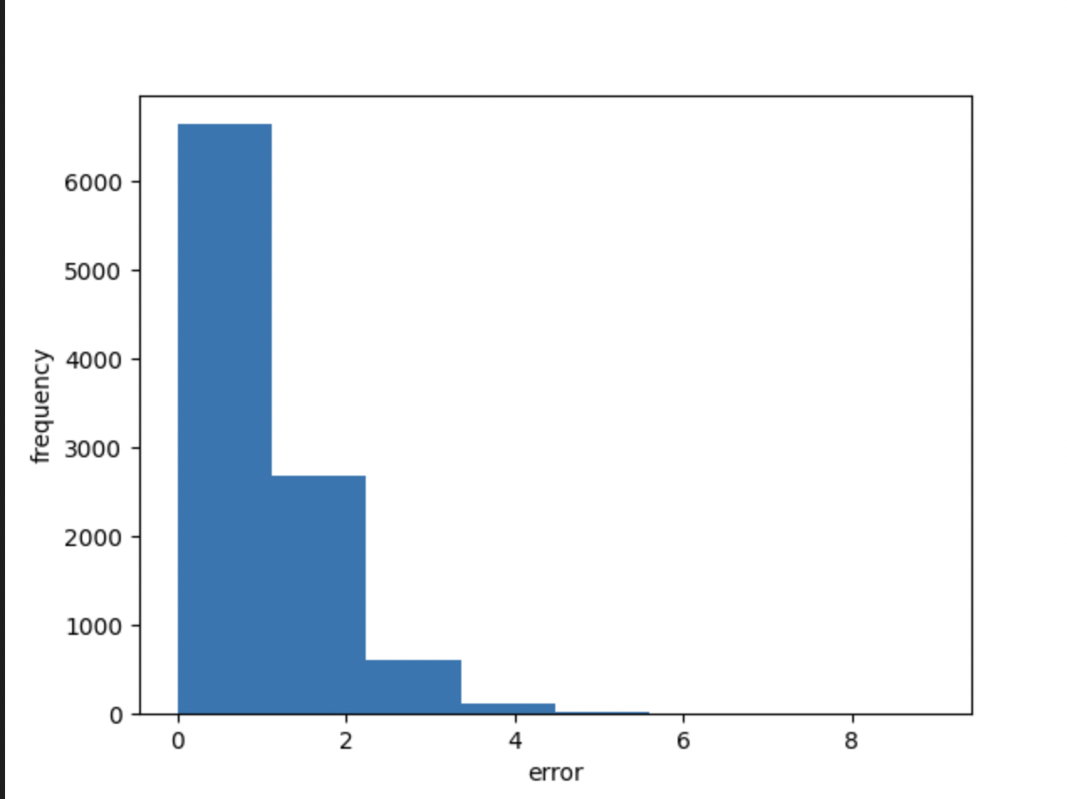

 |  |  | Classification Models
 | input | loss | Metric | Optimizer | batch_size | epochs | noise_augm | #params (K) | #classes
cLSTM128 | wav, 35ms, 10ms | CrossEntropyLoss | accuracy, top3_accuracy | Adam (lr=1e-3) | 200 | 200 | ESC50 (0,20) db prob=0.5 | 353 (1433MB) | 38
cMatchBoxNet-3x2x64 | MFCC(64,147) n_fft=25, hope_length=10 n_mels =64 | CrossEntropyLoss | accuracy, top3_accuracy | Adam (lr=1e-3) | 200 | 200 | ESC50 (0,20) db prob=0.5 | 404 (1616MB) | 38
cMatchBoxNet-6x2x64 | MFCC(64,147) n_fft=25, hope_length=10 n_mels =64 | CrossEntropyLoss | accuracy, top3_accuracy | Adam (lr=1e-3) | 200 | 200 | ESC50 (0,20) db prob=0.5 | 451 (1804MB) | 38
cMatchBoxNet-3x2x112 | MFCC(64,147) n_fft=25, hope_length=10 n_mels =64 | CrossEntropyLoss | accuracy, top3_accuracy | Adam (lr=1e-3) | 200 | 200 | ESC50 (0,20) db prob=0.5 | 658 (2636MB) | 38

 |  |  | Classification Models Results

 | CrossEntropyLoss |  |  | Accuracy |  |  | top3_accuracy
Model | train | val | test | train | val | test | train | val | test | checkpoint
cLSTM128 | 1.8852 | 1.9097 | 1.9952 | 0.2686 | 0.2517 | 0.2354 | 0.6675 | 0.6479 | 0.6216 | best-epoch=28-val_loss=1.91-val_accuracy=0.25-val_top3_accuracy=0.65.ckpt
cMatchBoxNet-3x2x64 | 1.572 | 1.5794 | 1.6045 | 0.3484 | 0.336 | 0.3329 | 0.7937 | 0.7905 | 0.7819 | best-epoch=79-val_loss=1.58-val_accuracy=0.34-val_top3_accuracy=0.79.ckpt
cMatchBoxNet-6x2x64 | 1.5833 | 1.582 | 1.5878 | 0.3443 | 0.3335 | 0.3429 | 0.7877 | 0.7876 | 0.7889 | best-epoch=67-val_loss=1.58-val_accuracy=0.33-val_top3_accuracy=0.79.ckpt
cMatchBoxNet-3x2x112 | 1.4946 | 1.5544 | 1.5687 | 0.3747 | 0.3425 | 0.3508 | 0.8239 | 0.8003 | 0.8048 | best-epoch=101-val_loss=1.55-val_accuracy=0.34-val_top3_accuracy=0.80.ckpt'

 |  |  | Resgression vs Classification
 | MSE
 | train | val | test | Best model
rMatchBoxNet-3x2x112 | 1.2143 | 1.5032 | 1.5885 | best-epoch=194-val_loss=1.50-val_pcc=0.93.ckpt
cMatchBoxNet-3x2x112 | 1.5839 | 1.6021 | 1.6193

SRE_report-ysu
 |  |  | Dataset
LibriSpeechChuncked_sil_removed
split 2 sec |  | chunk count | max_syl_count | chunck_len
 | train-clean-100-fast-augmented (train-100clean + fast2x+fast1.5x) | 222453 | 38 | 0.02-2.19 | Whole stat is computed and saved
 | val-clean | 10044 | 21 | 0.18-2.02 | Whole stat is computed and saved
 | test-clean | 10102 | 22 | 0.22-2.02 | Whole stat is computed and saved
split 4 sec
 | train-clean-100-fast-augmented (train-100clean + fast2x+fast1.5x) | 107317 | 73 | 0.13-4.12 | Whole stat is computed and saved
 | val-clean-fast-augmented | 6039 | 63 | 0.22-4.12 | Whole stat is computed and saved
 | test-clean | 5400 | 36 | 0.2-4.02 | Whole stat is computed and saved
split 6 sec
 | train-clean-100-fast-augmented (train-100clean + fast2x+fast1.5x) | 73843 | 99 | 0.14-6.13 | Whole stat is computed and saved
 | val-clean-fast-augmented | 4269 | 94 | 0.17-6.13 | Whole stat is computed and saved
 | test-clean | 4043 | 48 | 0.12-6.02 | Whole stat is computed and saved
split 8 sec
 | train-clean-100-fast-augmented (train-100clean + train-clean-100-fast-augmented\split_12secx1_5_16khz ) +train-clean-100-fast-augmented\split_16secx2_16khz | 54207 | 122 | 0.16-8.127 | Whole stat is computed and saved
 | dev-clean-fast-augmented | 3512 | 105 | 0.28-8.127 | Whole stat is computed and saved
 | test-clean | 3424 | 63 | 0.23-8.02 | Whole stat is computed and saved

 |  |  | Regression models
 | input | loss | Metric | Optimizer | batch_size | epochs | noise_augm | #params (K)
rLSTM128 | wav, 35ms, 10ms | MSE | PCC | Adam(lr=1e-3) | 200 | 200 | ESC50 (0,20) db prob=0.5 | 353 (1414MB)
rMatchBoxNet-3x2x64 | MFCC(64,147) n_fft=25, hope_length=10 n_mels =64 | MSE | PCC | Adam(lr=1e-3) | 200 | 200 | ESC50 (0,20) db prob=0.5 | 399(1597MB)
rMatchBoxNet-6x2x64 | MFCC(64,147) n_fft=25, hope_length=10 n_mels =64 | MSE | PCC | Adam(lr=1e-3) | 200 | 200 | ESC50 (0,20) db prob=0.5 | 446(1785MB)
rMatchBoxNet-3x2x112 | MFCC(64,147) n_fft=25, hope_length=10 n_mels =64 | MSE | PCC | Adam(lr=1e-3) | 200 | 200 | ESC50 (0,20) db prob=0.5 | 654(2616MB)

 |  |  | Regression Model Results
Model | avg_train_loss | avg_val_loss | avg_test_loss | avg_train_pcc | avg_val_pcc | avg_test_pcc | checkpoint
rLSTM128 | 3.3475 | 2.9432 | 3.3339 | 0.9549 | 0.8631 | 0.8473 | best-epoch=188-val_loss=2.94-val_pcc=0.86.ckpt
rMatchBoxNet-3x2x64 | 1.4284 | 1.6337 | 1.7051 | 0.9793 | 0.9219 | 0.917 | best-epoch=142-val_loss=1.63-val_pcc=0.92.ckpt
rMatchBoxNet-6x2x64 | 1.495 | 1.6138 | 1.7092 | 0.9793 | 0.923 | 0.9188 | best-epoch=194-val_loss=1.61-val_pcc=0.92.ckpt
rMatchBoxNet-3x2x112 | 1.2125 | 1.5131 | 1.5698 | 0.9826 | 0.9277 | 0.9236 | best-epoch=198-val_loss=1.50-val_pcc=0.93.ckpt

 |  |  | Errors distribution of Regression Models
rLSTM128 |  | rMatchBoxNet-3x2x64 |  |  | rMatchBoxNet-6x2x64 |  |  | rMatchBoxNet-3x2x112
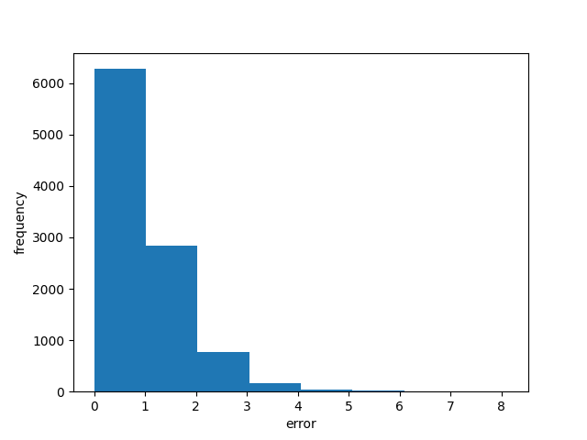

 |  |  | Classification Models
 | input | loss | Metric | Optimizer | batch_size | epochs | noise_augm | #params (K) | #classes
cLSTM128 | wav, 35ms, 10ms | CrossEntropyLoss | accuracy, top3_accuracy | Adam (lr=1e-3) | 200 | 200 | ESC50 (0,20) db prob=0.5 | 353 (1433MB) | 38
cMatchBoxNet-3x2x64 | MFCC(64,147) n_fft=25, hope_length=10 n_mels =64 | CrossEntropyLoss | accuracy, top3_accuracy | Adam (lr=1e-3) | 200 | 200 | ESC50 (0,20) db prob=0.5 | 404 (1616MB) | 38
cMatchBoxNet-6x2x64 | MFCC(64,147) n_fft=25, hope_length=10 n_mels =64 | CrossEntropyLoss | accuracy, top3_accuracy | Adam (lr=1e-3) | 200 | 200 | ESC50 (0,20) db prob=0.5 | 451 (1804MB) | 38
cMatchBoxNet-3x2x112 | MFCC(64,147) n_fft=25, hope_length=10 n_mels =64 | CrossEntropyLoss | accuracy, top3_accuracy | Adam (lr=1e-3) | 200 | 200 | ESC50 (0,20) db prob=0.5 | 658 (2636MB) | 38

 |  |  | Classification Models Results

 | CrossEntropyLoss |  |  | Accuracy |  |  | top3_accuracy
Model | train | val | test | train | val | test | train | val | test | checkpoint
cLSTM128 | 1.8852 | 1.9097 | 1.9952 | 0.2686 | 0.2517 | 0.2354 | 0.6675 | 0.6479 | 0.6216 | best-epoch=28-val_loss=1.91-val_accuracy=0.25-val_top3_accuracy=0.65.ckpt
cMatchBoxNet-3x2x64 | 1.572 | 1.5794 | 1.6045 | 0.3484 | 0.336 | 0.3329 | 0.7937 | 0.7905 | 0.7819 | best-epoch=79-val_loss=1.58-val_accuracy=0.34-val_top3_accuracy=0.79.ckpt
cMatchBoxNet-6x2x64 | 1.5833 | 1.582 | 1.5878 | 0.3443 | 0.3335 | 0.3429 | 0.7877 | 0.7876 | 0.7889 | best-epoch=67-val_loss=1.58-val_accuracy=0.33-val_top3_accuracy=0.79.ckpt
cMatchBoxNet-3x2x112 | 1.4946 | 1.5544 | 1.5687 | 0.3747 | 0.3425 | 0.3508 | 0.8239 | 0.8003 | 0.8048 | best-epoch=101-val_loss=1.55-val_accuracy=0.34-val_top3_accuracy=0.80.ckpt'

 |  |  | Resgression vs Classification
 | MSE
 | train | val | test | Best model
rMatchBoxNet-3x2x112 | 1.2125 | 1.5131 | 1.5698 | best-epoch=198-val_loss=1.50-val_pcc=0.93.ckpt
cMatchBoxNet-3x2x112 | 1.5839 | 1.6021 | 1.6193

 |  | rMatchBoxNet-3x2x112 with different input size
input_size | avg_train_loss(mse) | avg_val_loss(mse) | avg_test_loss(mse) | avg_train_pcc | avg_val_pcc | avg_test_pcc | checkpoint
model 2-sec (35098) | 1.2125 | 1.5131 | 1.5698 | 0.9826 | 0.9277 | 0.9236 | best-epoch=198-val_loss=1.50-val_pcc=0.93.ckpt
model 4-sec (66032) | 2.0069 | 4.7042 | 3.6897 | 0.9923 | 0.9458 | 0.9642 | best-epoch=194-val_loss=4.60-val_pcc=0.95.ckpt
model 6-sec(98034) | 3.5339 | 7.5141 | 6.5086 | 0.9942 | 0.9768 | 0.9742 | best-epoch=91-val_loss=6.92-val_pcc=0.98.ckpt
model 8sec(130035) | 5.0568 | 10.266 | 8.1429 | 0.9897 | 0.9842 | 0.9802 | best-epoch=66-val_loss=8.65-val_pcc=0.98.ckpt

 |  | rMatchBoxNet-3x2x112 models evalaluation on LibriSpeech test corpus and Common Voice several languages
Model | corpus | dataset/language | #audios | MAE(#syl) | MSE(#syl) | PCC(#syl) | MAE(#syl/sec) | PCC(#syl/sec) | checkpoint
model 2-sec (35098) | LibriSpeech | test-clean | 2620 | 2.9064 | 16.8507 | 0.9918 | 0.4371 | 0.8632 | best-epoch=198-val_loss=1.50-val_pcc=0.93.ckpt
 | Common Voice Corpus 17.0 | Armenian | 14,813 | 3.5323 | 18.4633 | 0.9399 | 0.6511 | 0.8106
 | Common Voice Corpus 5.1 | English | 200000 | 1.8699 | 6.7212 | 0.9341 | 0.4721 | 0.8351
 | Common Voice Corpus 17.0 | Italian | 236600 | 2.492 | 104.0783 | 0.659 | 0.495 | 0.2781
 | Common Voice Corpus 10.0 | Spanish | 293025 | 2.7852 | 14.2167 | 0.9197 | 0.5707 | 0.8386
 | Common Voice Corpus 17.0 | Russian | 163387 | 2.4799 | 10.765 | 0.9593 | 0.4969 | 0.8721
 |  | dataset/language | #audios | MAE(#syl) | MSE(#syl) | PCC(#syl) | MAE(#syl/sec) | PCC(#syl/sec) | checkpoint
model 4-sec (66032) | LibriSpeech | test-clean | 2620 | 2.3262 | 10.2358 | 0.9918 | 0.3699 | 0.8626 | best-epoch=194-val_loss=4.60-val_pcc=0.95.ckpt
 | Common Voice Corpus 17.0 | Armenian | 14,813 | 5.0302 | 33.452 | 0.935 | 0.9353 | 0.7916
 | Common Voice Corpus 5.1 | English | 200000 | 2.0027 | 7.1674 | 0.9306 | 0.5002 | 0.8227
 | Common Voice Corpus 17.0 | Italian | 236600 | 2.5793 | 104.4411 | 0.6539 | 0.5086 | 0.2743
 | Common Voice Corpus 10.0 | Spanish | 293025 | 2.9121 | 14.4631 | 0.9164 | 0.5878 | 0.8356
 | Common Voice Corpus 17.0 | Russian | 163387 | 2.9687 | 14.1642 | 0.9575 | 0.6063 | 0.8655
 |  | dataset/language | #audios | MAE(#syl) | MSE(#syl) | PCC(#syl) | MAE(#syl/sec) | PCC(#syl/sec) | checkpoint
model 6-sec(98034) | LibriSpeech | test-clean | 2620 | 3.4083 | 22.8551 | 0.9863 | 0.5092 | 0.7817 | best-epoch=91-val_loss=6.92-val_pcc=0.98.ckpt
 | Common Voice Corpus 17.0 | Armenian | 14,813 | 7.8095 | 84.0063 | 0.8973 | 1.3931 | 0.6787
 | Common Voice Corpus 5.1 | English | 200000 | 3.5414 | 24.4789 | 0.8746 | 0.8012 | 0.7179
 | Common Voice Corpus 17.0 | Italian | 236600 | 4.3752 | 126.2447 | 0.6254 | 0.8007 | 0.2409
 | Common Voice Corpus 10.0 | Spanish | 293025 | 4.9101 | 40.6034 | 0.871 | 0.9311 | 0.7228
 | Common Voice Corpus 17.0 | Russian | 163387 | 4.8014 | 37.7396 | 0.9375 | 0.9336 | 0.8155
 |  | dataset/language | #audios | MAE(#syl) | MSE(#syl) | PCC(#syl) | MAE(#syl/sec) | PCC(#syl/sec) | checkpoint
model 8sec(130035) | LibriSpeech | test-clean | 2620 | 2.8446 | 16.5376 | 0.9878 | 0.4298 | 0.8158 | best-epoch=66-val_loss=8.65-val_pcc=0.98.ckpt
 | Common Voice Corpus 17.0 | Armenian | 14,813 | 7.5331 | 75.5705 | 0.9053 | 1.3639 | 0.6889
 | Common Voice Corpus 5.1 | English | 200000 | 3.516 | 22.4177 | 0.8738 | 0.828 | 0.6545
 | Common Voice Corpus 17.0 | Italian | 236600 | 3.9662 | 120.5579 | 0.6321 | 0.7346 | 0.2492
 | Common Voice Corpus 10.0 | Spanish | 293025 | 4.5136 | 33.9345 | 0.878 | 0.8709 | 0.7393
 | Common Voice Corpus 17.0 | Russian | 163387 | 4.4341 | 31.9641 | 0.9442 | 0.8667 | 0.8215

NVIDIA/nemo/asr/checkpoint |  | dataset/language | #audios | MAE(#syl) | MSE(#syl) | PCC(#syl) | MAE(#syl/sec) | PCC(#syl/sec)
stt_en_conformer_transducer_small | LibriSpeech | test-clean | 2620 | 0.2092 | 0.3794 | 0.9997 | 0.0322 | 0.993
- | Common Voice Corpus 17.0 | Armenian | 14,813 | - | - | - | - | -
stt_en_conformer_transducer_small | Common Voice Corpus 5.1 | English | 200000 | 0.1262 | 0.3635 | 0.9963 | 0.0308 | 0.988
stt_it_quartznet15x5 | Common Voice Corpus 17.0 | Italian | 236600 | 0.3264 | 94.1831 | 0.6949 | 0.07 | 0.3168
stt_es_quartznet15x5 | Common Voice Corpus 10.0 | Spanish | 293025 | 0.1307 | 0.2358 | 0.9987 | 0.0243 | 0.9975
stt_ru_quartznet15x5 | Common Voice Corpus 17.0 | Russian | 163387 | 0.2985 | 0.7278 | 0.9973 | 0.0627 | 0.9862

 |  | Best Model evaluation on noisy corpora and comparision with nemo results
Model | corpus | noise_data | snr(db) | MAE(#syl) | MSE(#syl) | PCC(#syl) | MAE(#syl/sec) | PCC(#syl/sec)
model 2 sec(rMatchBoxNet-3x2x112) | LibriSpeech | ESC-50 | 10
 | Common Voice Corpus 17.0 | ESC-50 | 10
 | Common Voice Corpus 5.1 | ESC-50 | 10
 | Common Voice Corpus 17.0 | ESC-50 | 10
 | Common Voice Corpus 10.0 | ESC-50 | 10
 | Common Voice Corpus 17.0 | ESC-50 | 10

ysu , nemo eval on all languages data
push report to github

model 4-sec (66032) | LibriSpeech, test-clean | 2620 | 2.3262 | 10.2358 | 0.9918 | 0.3699 | 0.8626 | best-epoch=194-val_loss=4.60-val_pcc=0.95.ckpt
model 6-sec(98034) | LibriSpeech, test-clean | 2620 | 3.4083 | 22.8551 | 0.9863 | 0.5092 | 0.7817 | best-epoch=91-val_loss=6.92-val_pcc=0.98.ckpt
model 8sec(130035) | LibriSpeech, test-clean | 2620 | 2.8446 | 16.5376 | 0.9878 | 0.4298 | 0.8158 | best-epoch=66-val_loss=8.65-val_pcc=0.98.ckpt

