Screen print
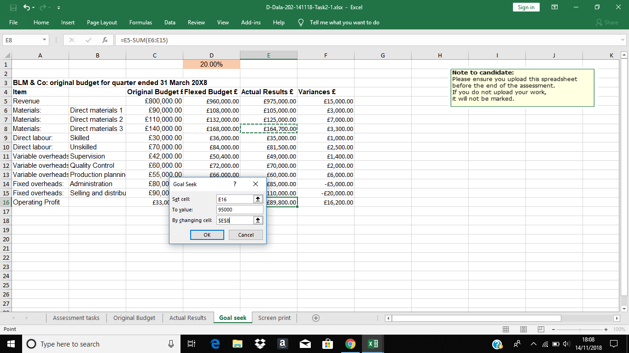
Paste your Goal Seek screen print/snip here

