Diamnod sinks sold
Type | Diamond

Diamond sink sales
Row Labels | Sum of Quantity Sold
July | 227
August | 197
September | 253
October | 243
November | 220
December | 219
Grand Total | 1359

Screen Print
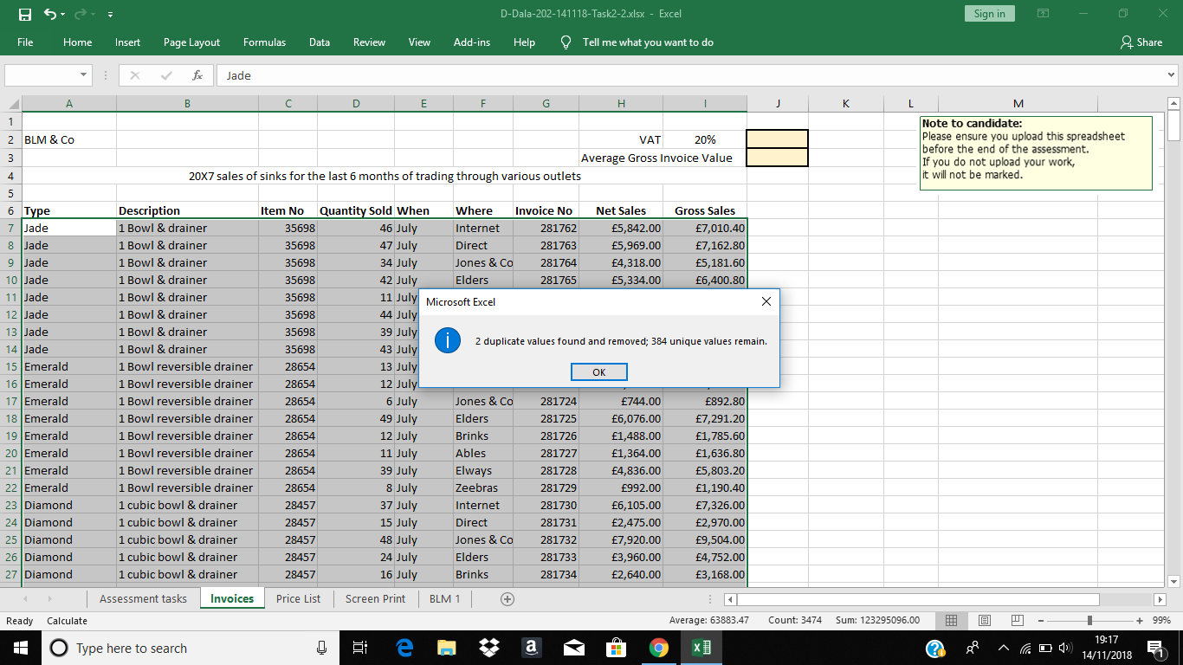
Place your screen print/snip of Duplicate Removal here

