2D
model | baseline_5000 | 5000S+1000D | 5000S+3000D
test data | 2000S | 2000S | 2000S
average test loss | 0.002103 | 0.001982 | 0.002236
test figure | 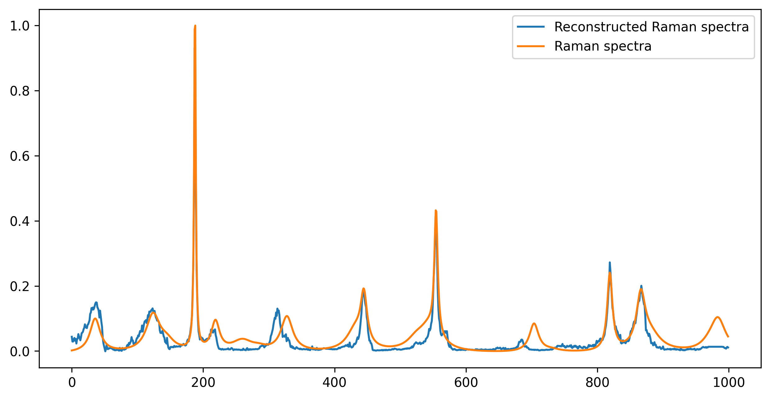 | 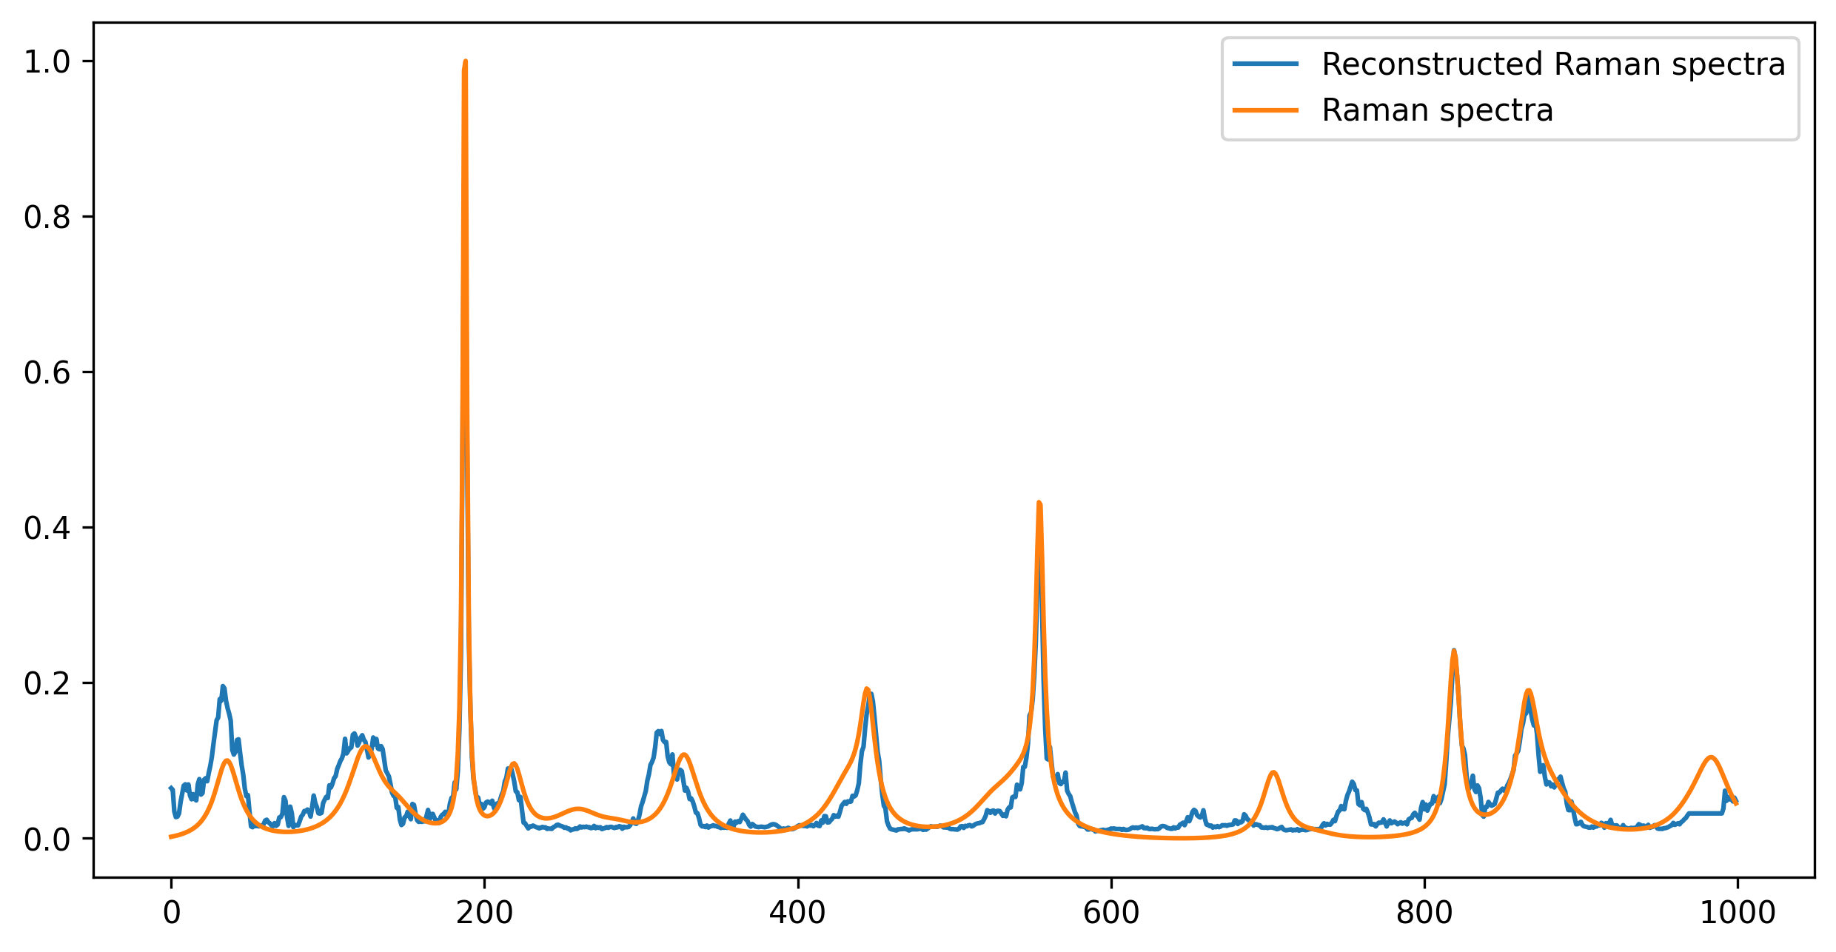 | 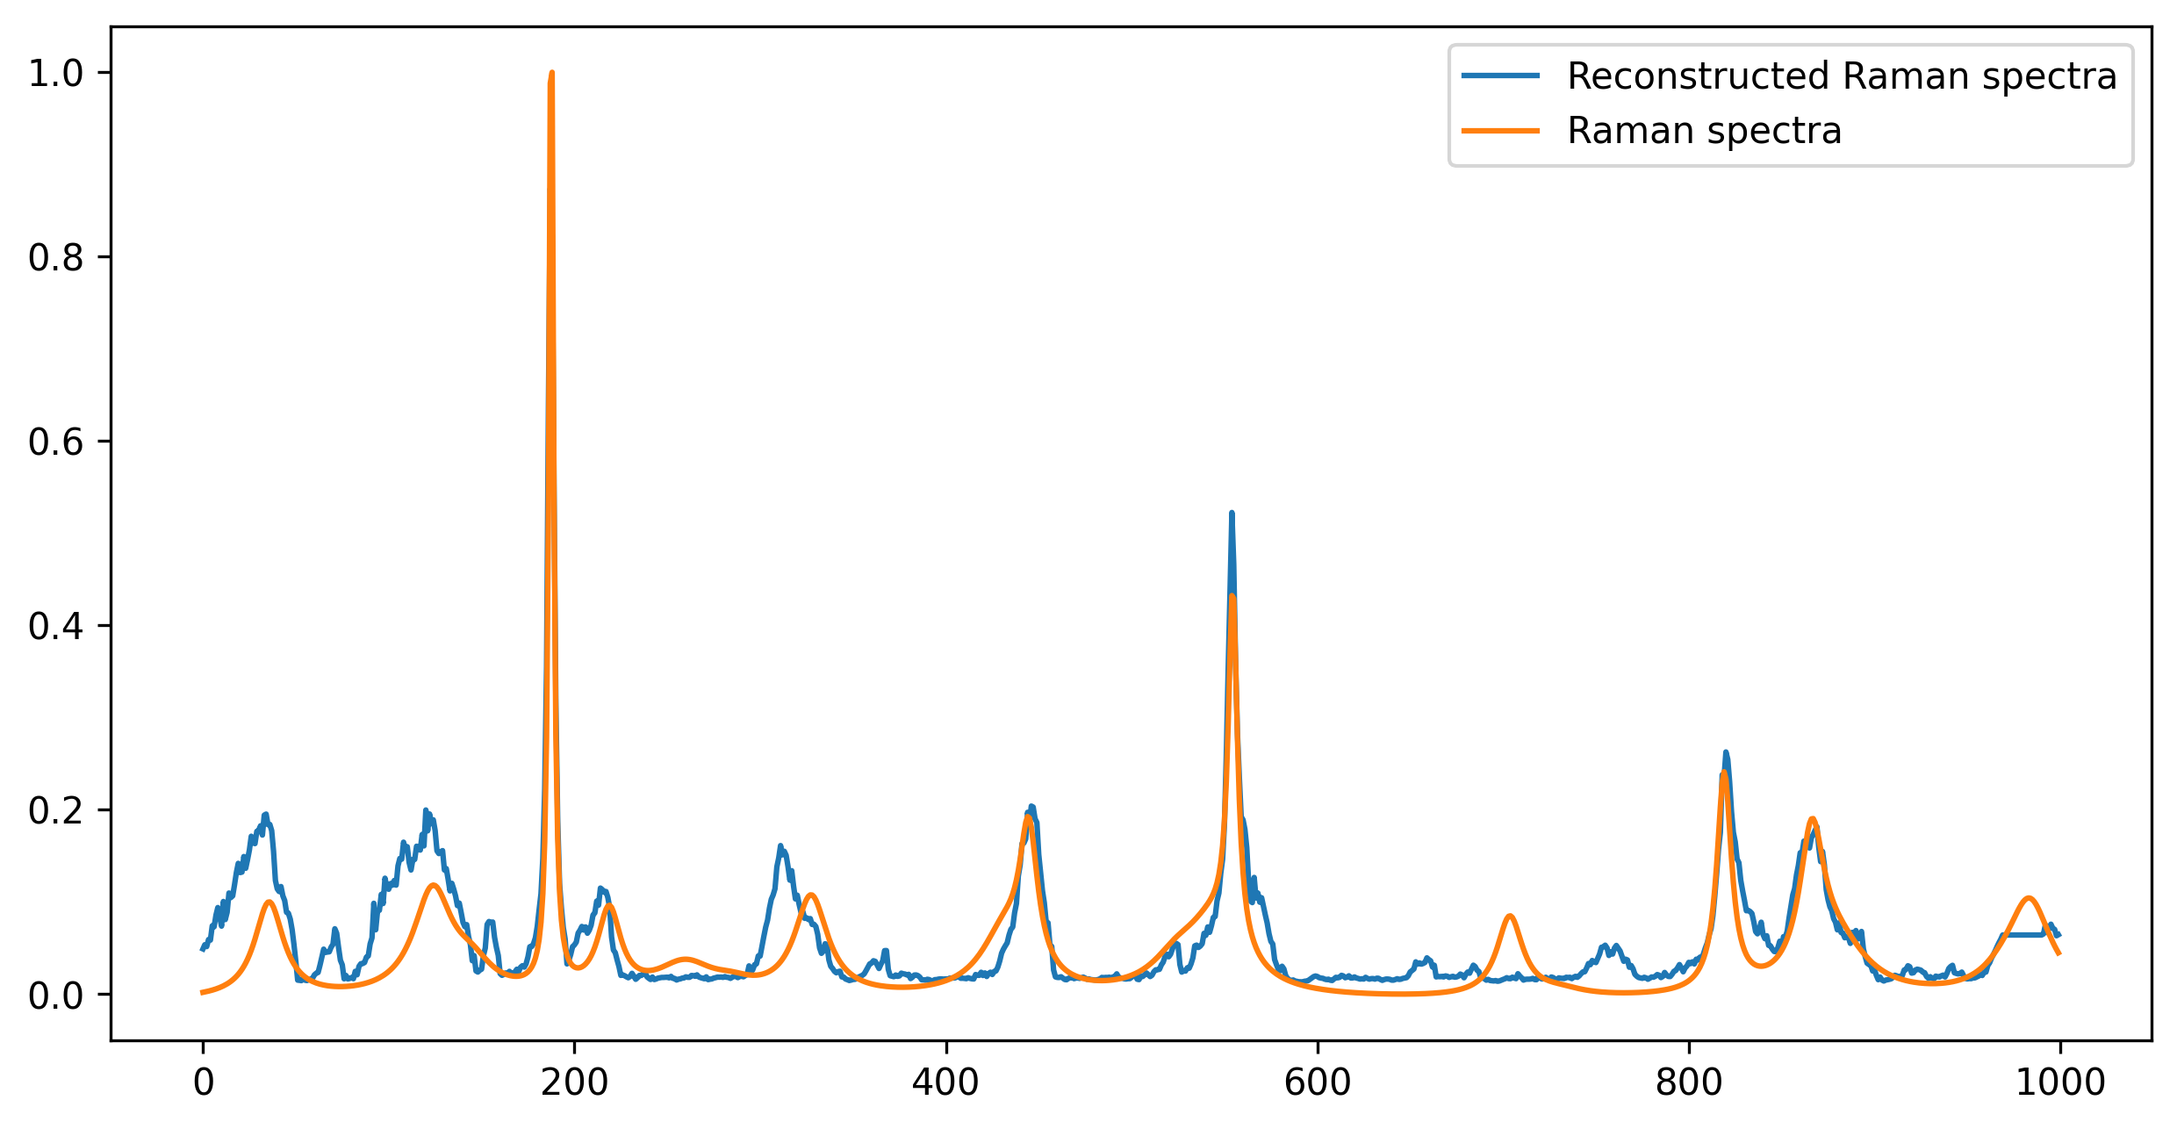 | `
model | baseline_1700 | 1700S+500D | 1700S+1700D
test data | 300S | 300S | 300S
average test loss | 0.000625 | 0.000667 | 0.000876
test figure | 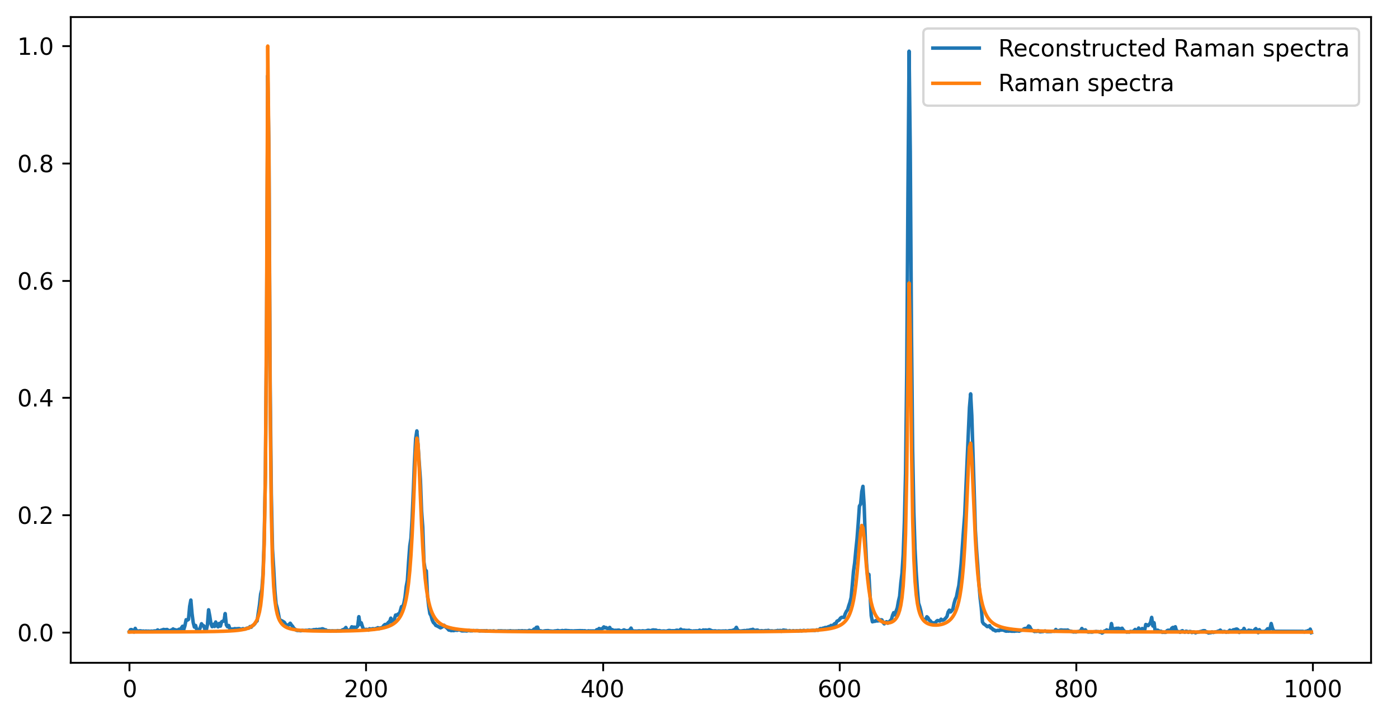 | 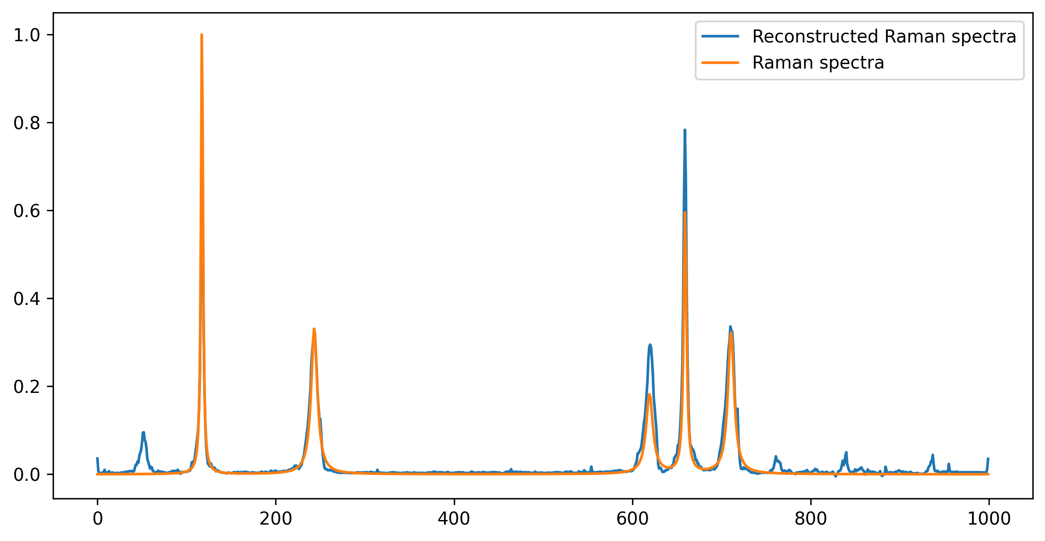 | 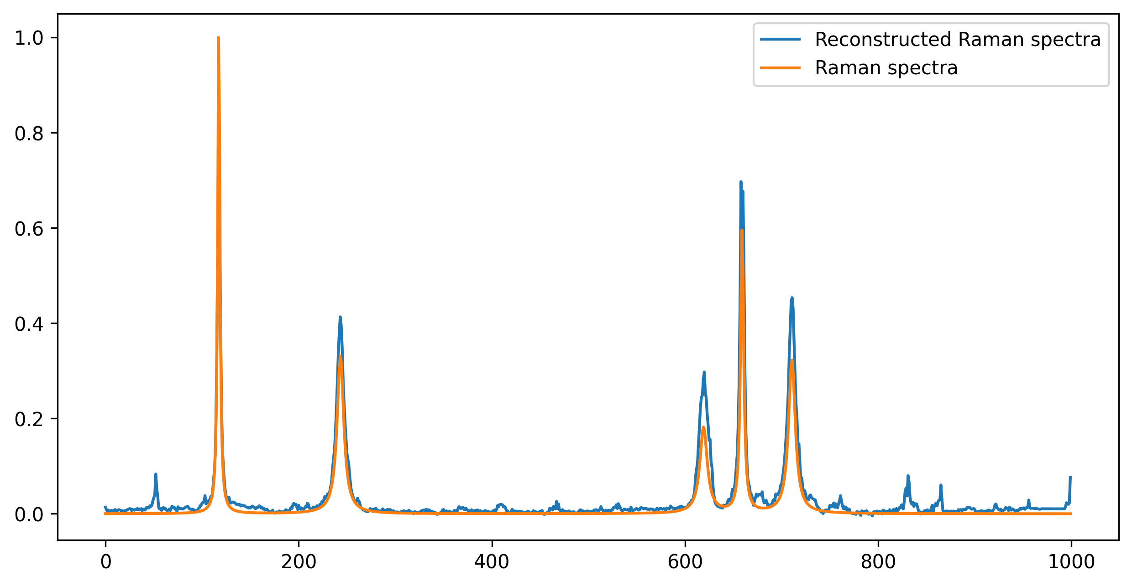

1D
model | baseline_5000 | 5000S+1000D | 5000S+3000D
test data | 2000S | 2000S | 2000S
average test loss | 0.002103 | 0.002203 | 0.001943
test figure |  | 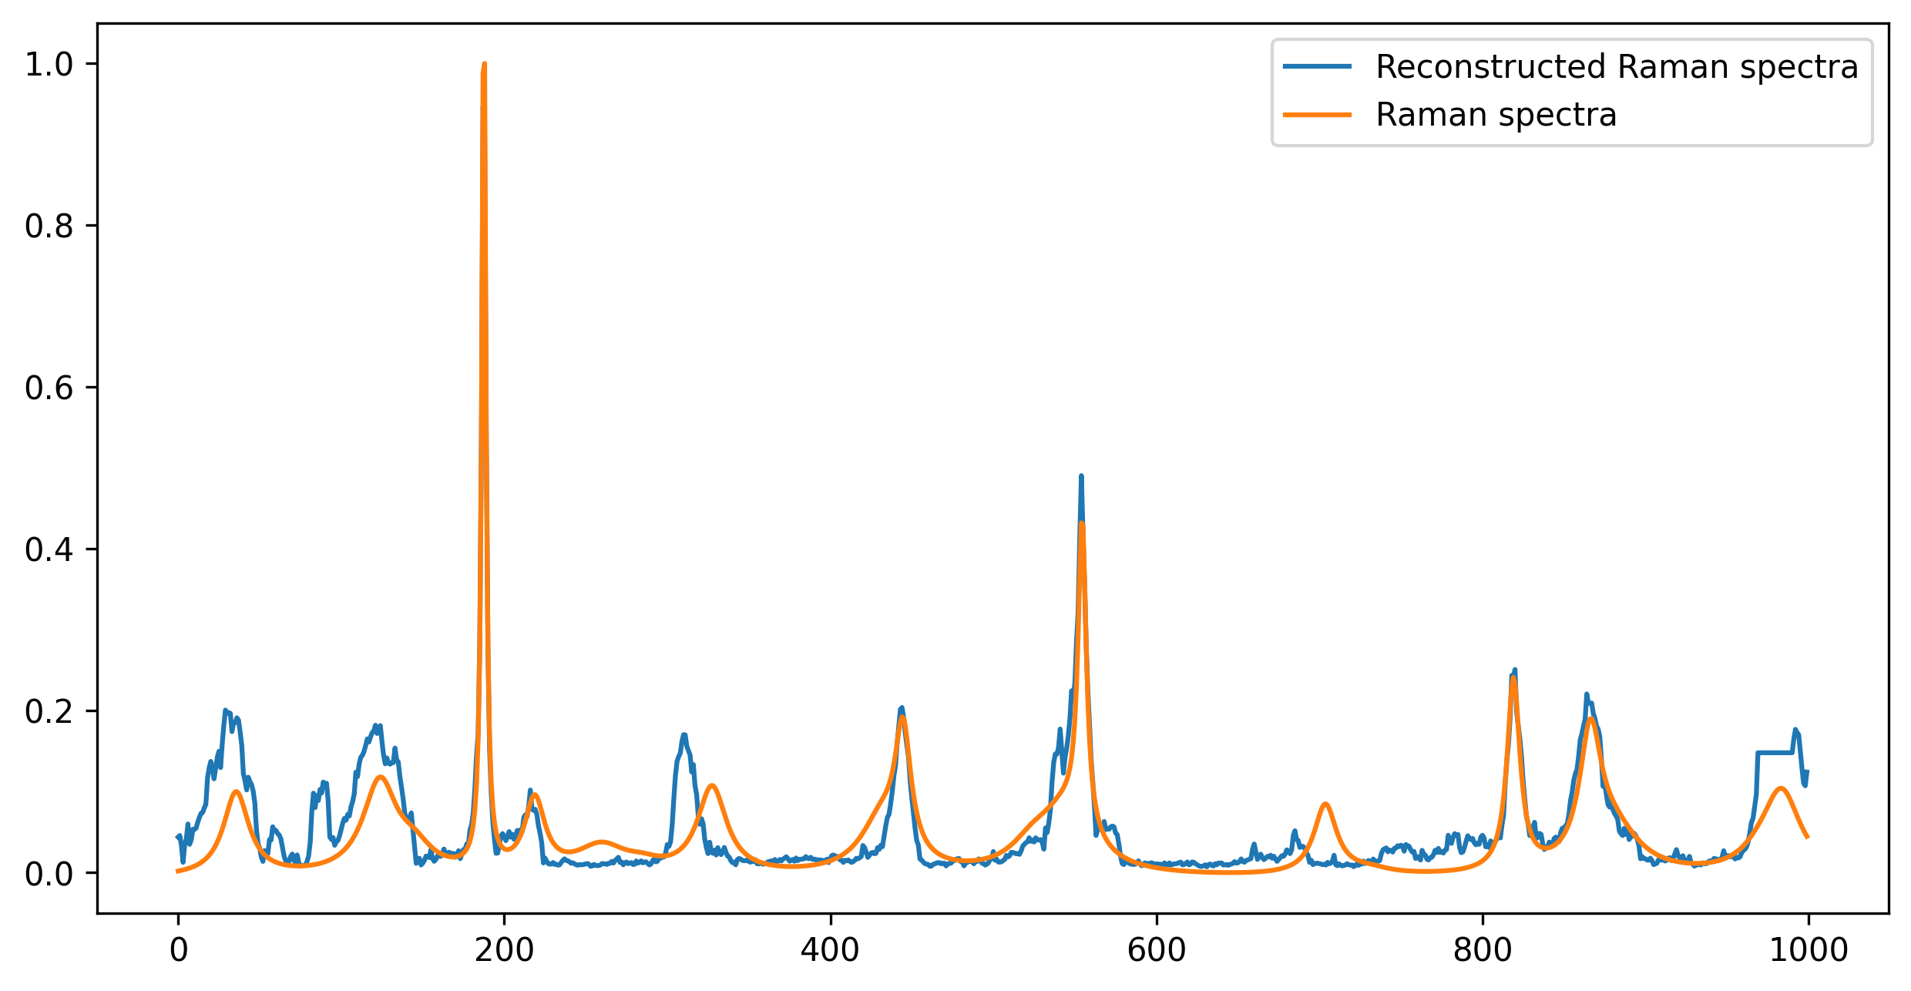 | 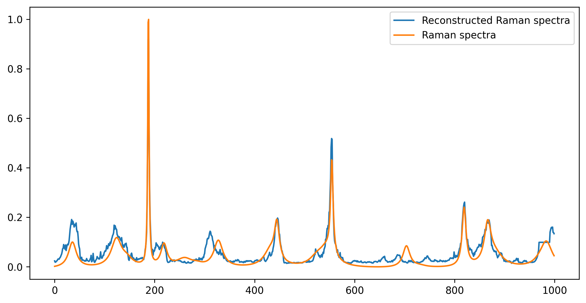
model | baseline_1700 | 1700S+500D | 1700S+1700D
test data | 300S | 300S | 300S
average test loss | 0.000625 | 0.000708 | 0.001032
test figure |  | 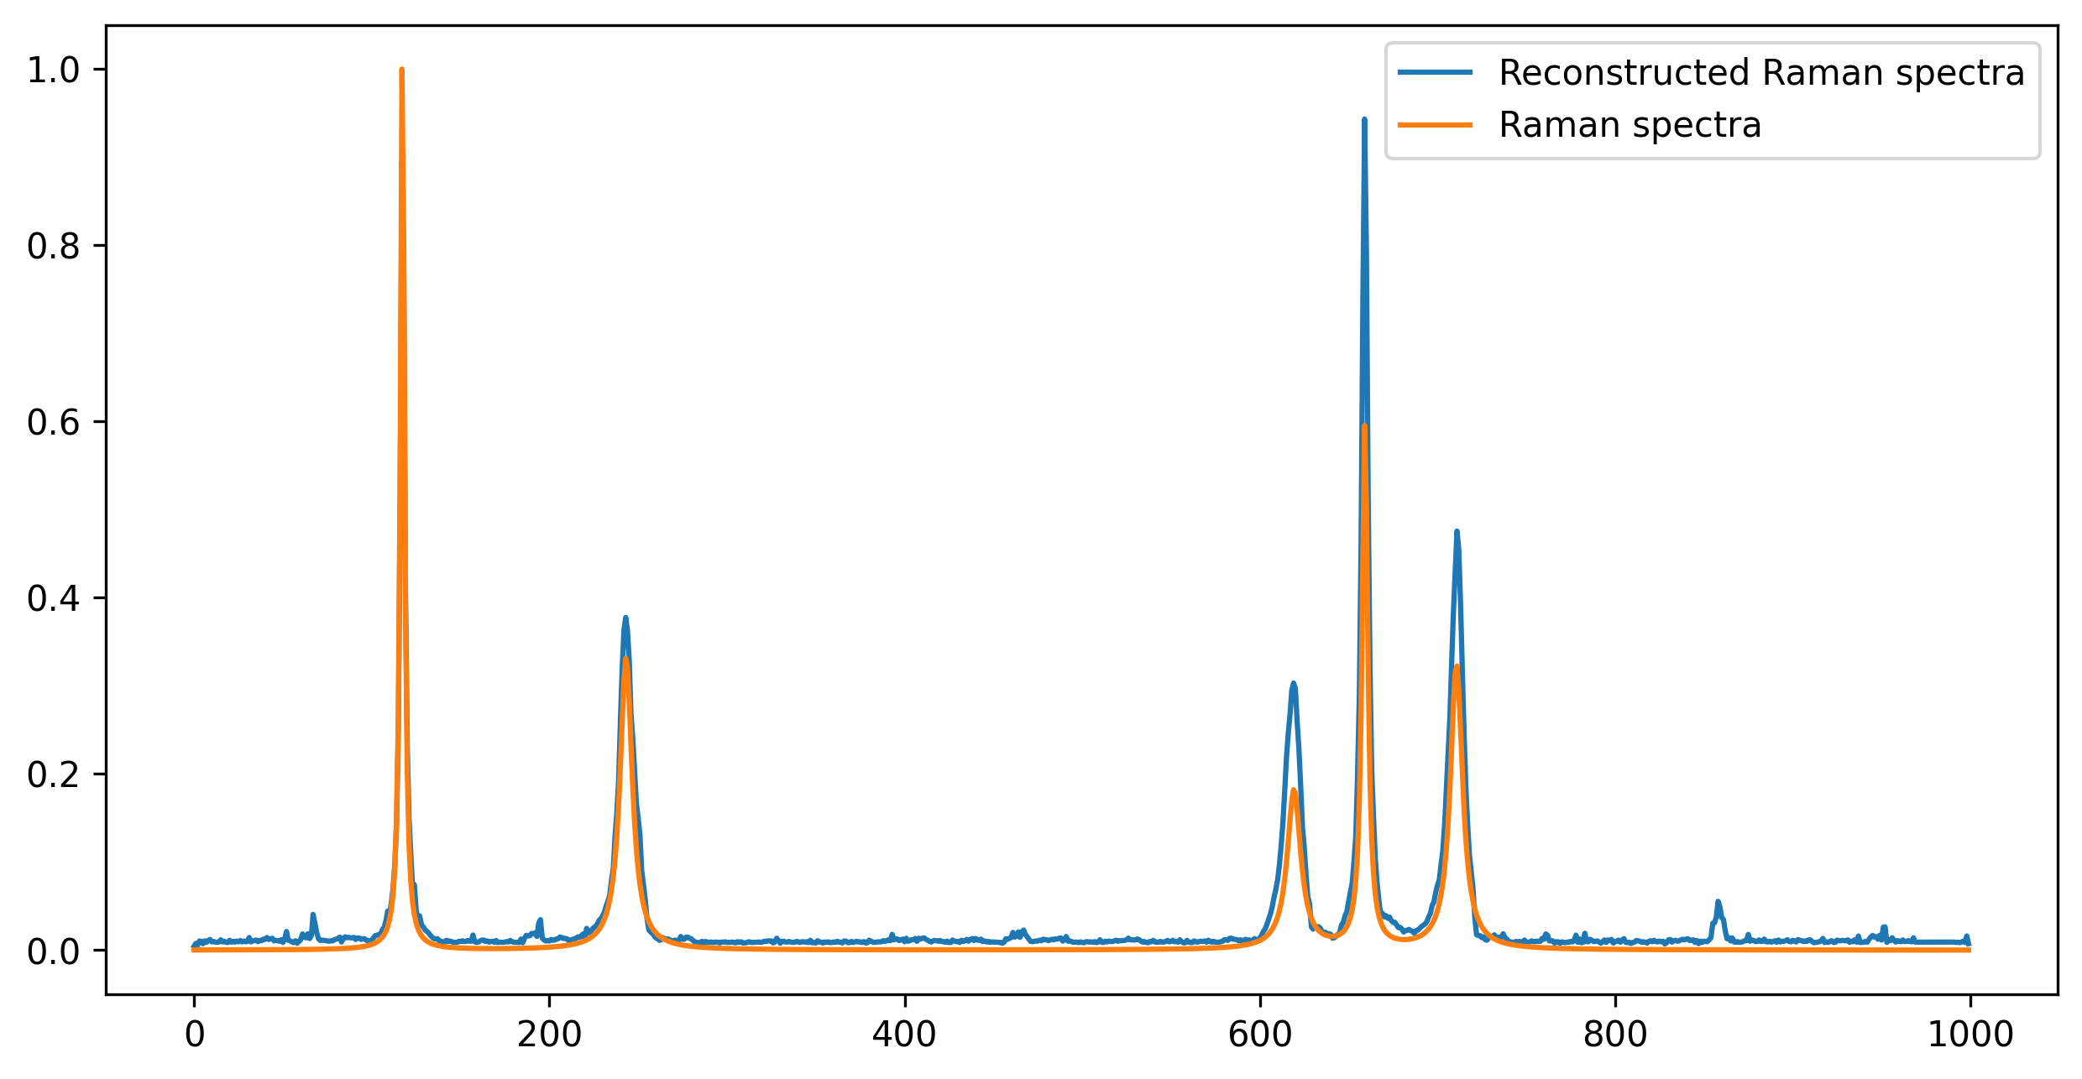 | 