Cover
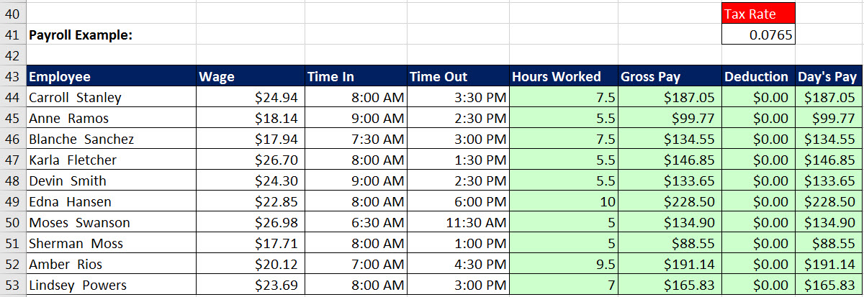

Excel Basics 10: Date & Time Number Formatting, Formulas, Functions & Calculations
Excel Basics 10: What is Under Date & Time Number Formatting? And How to Make Date & Time Formulas!

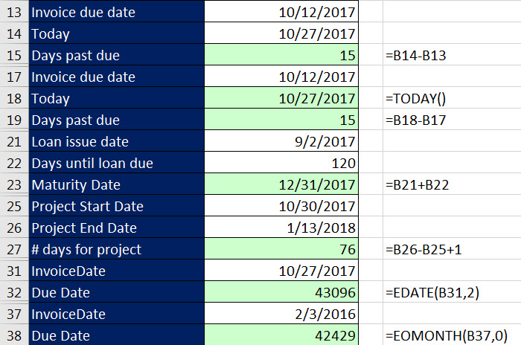
 |  | Office 2016 Video #22

 | Topics:
 | 1) Date Number Formatting
 | 2) Number Days Invoice Late Calc
 | 3) Number Days in Project Calc
 | 4) Loan Maturity Date Calc
 | 5) EDATE Function
 | 6) EOMONTH Function
 | 7) Time Number Formatting
 | 8) Hours Worked Calc
 | 9) Hours Worked Before and After Lunch Calc
 | 10) Full Payroll Time Sheet Net Pay Template

