Cover
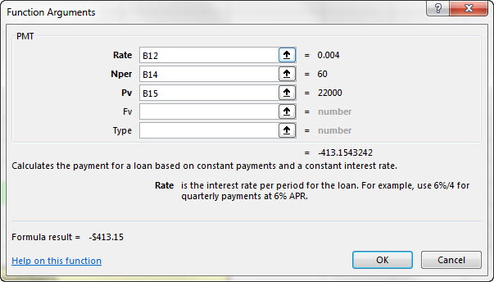

Excel Basics 10: Insert Function Dialog Box to Search for Functions & get help with Function Arguments |  |  | Alternative Video Titles:
 |  |  | Excel Basics 10: PMT Function for Loan Payment & MEDIAN to Calculate Median
 |  | Office 2016 Video #23 | Excel Basics 10: Search for Excel Functions & get help with Function Arguments

 | Topics:
 | Insert Function Dialog Box
 | Keyboard Shift + F3
 | Search for Functions
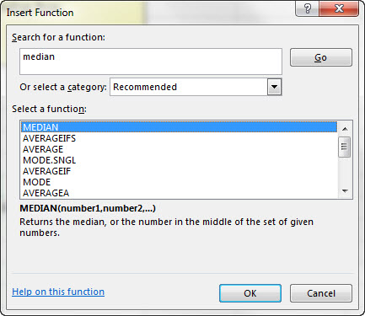
 | Help with Argumnets
 | PMT Function to calc Loan Payment
 | MEDIAN Function

