Sheet1
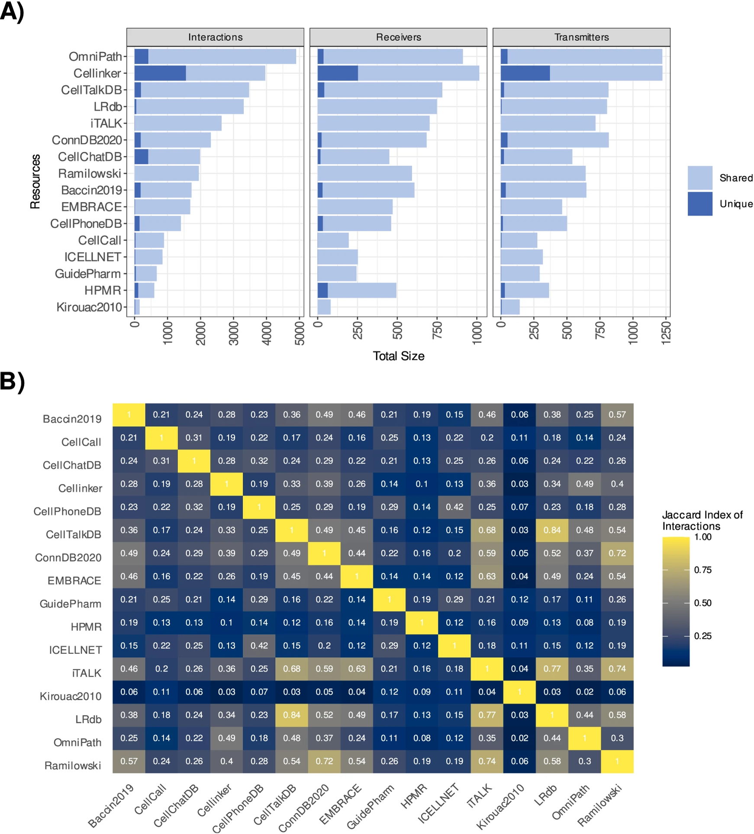
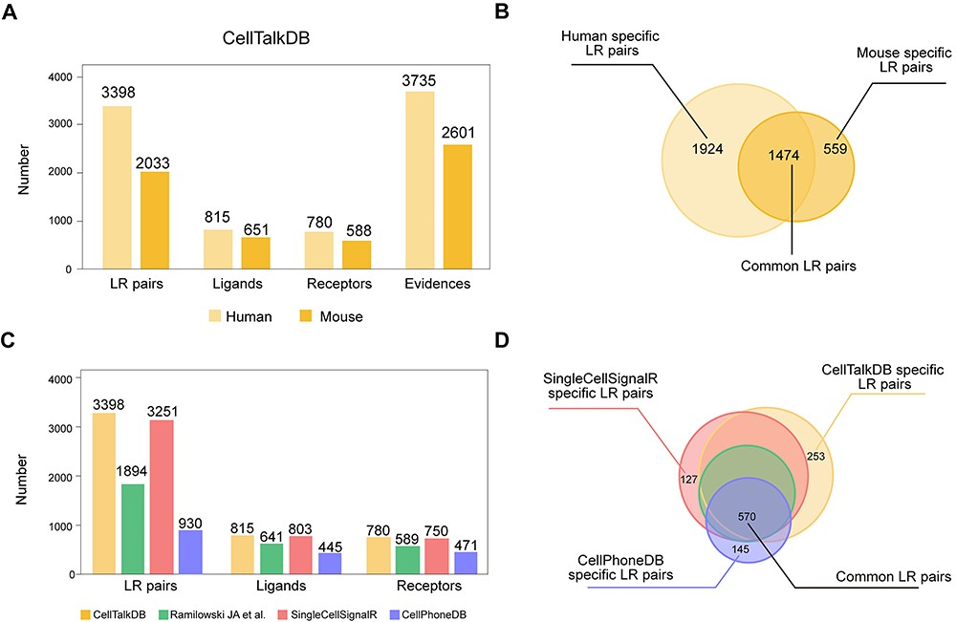
N° | DB | File v1 | methods v1 | new name v1 | File v2 | new name v2 | info | cleaning | methods v1 | methods v2 | Overlap | Source v1 | Source v2 | Journal v1 | Journal v2
1 |  | Human-2010-Kirouac-LR-pairs.xlsx | Literature curated. A list of 270 ligand–receptor (I HAVE ONLY 232) interactions was manually curated, largely based on the COPE database | Human-2010-Kirouac-LR-pairs_new.xlsx |  |  | receptor-ligand pairs | Only gene symbols kept | Literature curated. A list of 270 ligand–receptor (I HAVE ONLY 232) interactions was manually curated, largely based on the COPE database |  |  | https://github.com/LewisLabUCSD/Ligand-Receptor-Pairs |  | Molecular Systems Biology (2010) 6: 417 https://doi.org/10.1038/msb.2010.71
2 |  | Human-2014-Qiao-LR-pairs.xlsx | Using gene ontology terms “cytokine activity,” “growth factor activity,” “hormone activity,” and “receptor activity,” 417 genes with ligand activity and 1,723 genes with receptor activity were compiled from BioMart. igand–receptor interaction pairs documented in public domains were compiled using the iRefWeb. Additional 38 ligand–receptor interaction pairs from literatures (as on 2013‐02‐04) were included. |  |  |  | receptor-ligand pairs | Converted to .xlsx | Using gene ontology terms “cytokine activity,” “growth factor activity,” “hormone activity,” and “receptor activity,” 417 genes with ligand activity and 1,723 genes with receptor activity were compiled from BioMart. igand–receptor interaction pairs documented in public domains were compiled using the iRefWeb. Additional 38 ligand–receptor interaction pairs from literatures (as on 2013‐02‐04) were included. |  | Mostly included in newer dbs | https://github.com/LewisLabUCSD/Ligand-Receptor-Pairs |  | Mol Syst Biol (2014) 10: 741 https://doi.org/10.15252/msb.20145141
3 |  | Human-2015-Choi-LR-pairs.txt | RNA-seq data: Find all upregulated ligands in stromal cells, denoted by L, and all expressed receptors in tumor cells, denoted by R. All LR interactions with ligands in L and receptors in R are selected as potential crosstalks between stromal and tumor cells. For CCCExplorer analysis, RNA-seq reads were analyzed using the computational pipeline from the S.T.C.W. lab at Houston Methodist hospital for crosstalk analysis |  |  |  | ligand-receptor interactions and downstream signaling networks | Converted Uniprot IDs to gene symbols; kept only ligand-receptor interactions | RNA-seq data: Find all upregulated ligands in stromal cells, denoted by L, and all expressed receptors in tumor cells, denoted by R. All LR interactions with ligands in L and receptors in R are selected as potential crosstalks between stromal and tumor cells. For CCCExplorer analysis, RNA-seq reads were analyzed using the computational pipeline from the S.T.C.W. lab at Houston Methodist hospital for crosstalk analysis |  | Mostly included in newer dbs | https://github.com/LewisLabUCSD/Ligand-Receptor-Pairs |  | Cell Reports 10, 1187–1201 (2015) https://doi.org/10.1016/j.celrep.2015.01.040
4 | Ramilowski | Human-2015-Ramilowski-LR-pairs.txt | Databases: Only in part is literature curated. Data resource: DLRP, HPMR, IUPHAR, HPRD, STRING, Literature. systematically reviewed the expression profiles of 642 ligands and their 589 cognate receptors in our 1,894 literature-supported interacting pairs across a panel of 144 human primary cell types. downloaded the set of 19,074 HGNC18 protein-coding genes (03 April 2014) and used the subset of 19,053 genes with an existing UniProt ID. Computationally inferred ligand–receptor pairs (2,117) were obtained by searching for experimentally validated PPIs (HPRD and STRING) | Human-2015-Ramilowski-LR-pairs.xlsx |  |  | receptor-ligand pairs | Converted to .xlsx | Databases: Only in part is literature curated. Data resource: DLRP, HPMR, IUPHAR, HPRD, STRING, Literature. systematically reviewed the expression profiles of 642 ligands and their 589 cognate receptors in our 1,894 literature-supported interacting pairs across a panel of 144 human primary cell types. downloaded the set of 19,074 HGNC18 protein-coding genes (03 April 2014) and used the subset of 19,053 genes with an existing UniProt ID. Computationally inferred ligand–receptor pairs (2,117) were obtained by searching for experimentally validated PPIs (HPRD and STRING) |  | Mostly included in newer dbs | https://github.com/LewisLabUCSD/Ligand-Receptor-Pairs |  | Nature Communications volume 6, Article number: 7866 (2015) https://doi.org/10.1038/ncomms8866
5 |  | Human-2017-Pavlicev-LR-pairs.xlsx | Identification of cell-cell crosstalk requires examining maternal and fetal cells jointly. inferred the cell-cell interactome by assessing the gene expression of receptor-ligand pairs across cell types. Ligands and receptors above the cut-off threshold of 10 TPM were used to construct lists of putative interactions. we approach this question by inferring the cell interactome of trophoblast cells and maternal decidua from single-cell transcriptomes, complemented with laser microdissected syncytiotrophoblast and cell culture of endometrial stromal cells. While the inferred cell communication network remains hypothetical, the coexpression of ligands and receptors in adjacent cells is stronger evidence for functional importance than the gene expression of a single cell type |  |  |  | receptor-ligand pairs |  | Identification of cell-cell crosstalk requires examining maternal and fetal cells jointly. inferred the cell-cell interactome by assessing the gene expression of receptor-ligand pairs across cell types. Ligands and receptors above the cut-off threshold of 10 TPM were used to construct lists of putative interactions. we approach this question by inferring the cell interactome of trophoblast cells and maternal decidua from single-cell transcriptomes, complemented with laser microdissected syncytiotrophoblast and cell culture of endometrial stromal cells. While the inferred cell communication network remains hypothetical, the coexpression of ligands and receptors in adjacent cells is stronger evidence for functional importance than the gene expression of a single cell type |  | Mostly included in newer dbs | https://github.com/LewisLabUCSD/Ligand-Receptor-Pairs |  | Genome Res. 2017. 27: 349-361 http://www.genome.org/cgi/doi/10.1101/gr.207597.116.
6 | Cellphone | Human-2018-Vento-Tormo-LR-pairs.csv | manually curated (PubMed, PMC); 103 literatures. Literatures + databases. Data resources: Uniprot, I2D, IMEx, InnateDB, IntAct, MINT, MatrixDB, guidetopharmacology, Literature. use of public resources to annotate receptors and ligands, as well as manual curation of specific families of proteins involved in cell–cell communication | Human-2018-Vento-Tormo-LR-pairs_new.csv | interaction_input_Vento_Cellphonedbv5.csv | interaction_input_Vento_Cellphonedbv5_new.csv | CHECKed DIRECTIONALITY, takes into account the subunit architecture of both ligands and receptors, representing heteromeric complexes accurately | Ligand-receptor only | manually curated (PubMed, PMC); 103 literatures. Literatures + databases. Data resources: Uniprot, I2D, IMEx, InnateDB, IntAct, MINT, MatrixDB, guidetopharmacology, Literature. use of public resources to annotate receptors and ligands, as well as manual curation of specific families of proteins involved in cell–cell communication | more manually curated interactions, making up to a total of ~3,000 interaction: Integrates new manually reviewed interactions with evidenced roles in cell-cell communication. Includes non-protein molecules acting as ligands. For interactions with a demonstrated signalling directionality, partners have been ordered according (ligand is partner A, receptor partner B). Interactions have been classified within signaling pathways. CellphoneDB no longer imports interactions from external resources. This is to avoid the inclusion of low-confidence interactions. Interaction_input from IMEx interactions + Guide to Pharmacology | SingleCellSignalR + Ramilowski | https://github.com/LewisLabUCSD/Ligand-Receptor-Pairs | https://github.com/ventolab/cellphonedb-data/blob/master/data/interaction_input.csv | Nature volume 563, pages347–353 (2018) https://doi.org/10.1038/s41586-018-0698-6 | Nature Protocols volume 15, pages1484–1506 (2020) https://doi.org/10.1038/s41596-020-0292-x
7 | NicheNet | Human-2019-Browaeys-LR-pairs.zip | method that predicts ligand–target links between interacting cells by combining their expression data with prior knowledge on signaling and gene regulatory networks. Ligand–receptor interactions were collected from KEGG20, Ramilowski et al.21 and IUPHAR Guide to Pharmacology22 (via Harmonizome23). All ligands in the NicheNet ligand-receptor data sources were ranked according to the number of PubMed publications in which they are described | NicheNet-LR-pairs.csv |  |  | only LR pairs |  | method that predicts ligand–target links between interacting cells by combining their expression data with prior knowledge on signaling and gene regulatory networks. Ligand–receptor interactions were collected from KEGG20, Ramilowski et al.21 and IUPHAR Guide to Pharmacology22 (via Harmonizome23). All ligands in the NicheNet ligand-receptor data sources were ranked according to the number of PubMed publications in which they are described |  | Ramilowski, Omnipath, 51 unique ligands | https://github.com/LewisLabUCSD/Ligand-Receptor-Pairs |  | Nature Methods volume 17, pages159–162 (2020) https://doi.org/10.1038/s41592-019-0667-5
8 | iTALK | Human-2019-Wang-LR-pairs.csv | Only in part is literature curated. manually curated a unique list of ligand-receptor gene pairs based on previous efforts |  |  |  | intercellular communication signals in the multicellular tumor ecosystem |  | Only in part is literature curated. manually curated a unique list of ligand-receptor gene pairs based on previous efforts |  | Ramilowski | https://github.com/LewisLabUCSD/Ligand-Receptor-Pairs |  | bioRxiv 2019 doi: https://doi.org/10.1101/507871
9 | BaderDB | Human-2019-Ximerakis-BaderLab-2017.txt | literature data mining (PubMed); 105 751 literatures. Cell-cell interaction database by filtering existing curated protein-protein interaction (PPI) data: GO terms to define receptors (also Uniprot), ligands (also Secretome dataset) and ECM. ECM, Receptor and ligand lists were manually curated - genes that were neither receptors or ligands were removed - misclassified genes were moved to the correct list (i.e. receptors found on the ligand list or vice versa) After curation, the resulting sets consisted of: Receptors - 1851 genes; Ligands - 1593 genes; ECM - 433 genes. The set of protein interactions were downloaded from: iRefIndex, Pathway Commons, BioGRID. | Human-2019-Ximerakis-BaderLab-2017_new2.xlsx |  |  | only ligand-receptor kept | Added protein_type, selected (ECM)ligand-(ECM)receptor only, removed duplicates | literature data mining (PubMed); 105 751 literatures. Cell-cell interaction database by filtering existing curated protein-protein interaction (PPI) data: GO terms to define receptors (also Uniprot), ligands (also Secretome dataset) and ECM. ECM, Receptor and ligand lists were manually curated - genes that were neither receptors or ligands were removed - misclassified genes were moved to the correct list (i.e. receptors found on the ligand list or vice versa) After curation, the resulting sets consisted of: Receptors - 1851 genes; Ligands - 1593 genes; ECM - 433 genes. The set of protein interactions were downloaded from: iRefIndex, Pathway Commons, BioGRID. |  | The resulting Receptor-Ligand network contained 2,593 unique proteins and 38,446 unique interactions (115,900 interaction total): Qiao, Kirouac, Ramilowski, Rieckmann | https://github.com/LewisLabUCSD/Ligand-Receptor-Pairs | https://baderlab.org/CellCellInteractions; https://zenodo.org/records/7589953 | Nature Neuroscience volume 22, pages1696–1708 (2019) https://doi.org/10.1038/s41593-019-0491-3
10 | SingleCellSignalIR | Human-2020-Cabello-Aguilar-LR-pairs.csv | literature data mining (PubMed); 2508 literatures. Literatures + databases: Only in part is literature curated. Data resource: FANTOM5, HPMR, HPRD, Reactome, GO, IUPHAR/BPS, Uniprot, CellSignaling, UniProtKB/Swissprot, Literature. Partial manual literature extraction. |  | LRdb_122019_SingleCellSignalIR.xlsx |  | ligand-receptor INTERACTIONS | .xlsx | literature data mining (PubMed); 2508 literatures. Literatures + databases: Only in part is literature curated. Data resource: FANTOM5, HPMR, HPRD, Reactome, GO, IUPHAR/BPS, Uniprot, CellSignaling, UniProtKB/Swissprot, Literature. Partial manual literature extraction. |  | CellphoneDB + Ramilowski (FANTOM5) | https://github.com/LewisLabUCSD/Ligand-Receptor-Pairs | https://github.com/SCA-IRCM/LRdb/blob/master/LRdb_122019.txt | Nucleic Acids Research, Volume 48, Issue 10, 04 June 2020 https://doi.org/10.1093/nar/gkaa183
11 | NATMI/ConnectomeDB | Human-2020-Hou-LR-pairs.xlsx | NATMI uses connectomeDB2020 (a database of 2293 manually curated ligand-receptor pairs with literature support) to predict and visualise cell-to-cell communication networks from single-cell (or bulk) expression data. connectomeDB2020, an updated set of 2293 ligand–receptor pairs with primary literature support |  |  |  | ligand-receptor pairs |  | NATMI uses connectomeDB2020 (a database of 2293 manually curated ligand-receptor pairs with literature support) to predict and visualise cell-to-cell communication networks from single-cell (or bulk) expression data. connectomeDB2020, an updated set of 2293 ligand–receptor pairs with primary literature support |  | 1751 pairs from Ramilowski, 121 pairs from CellphoneDB v2.018, 50 pairs from RNA-Magnet19, 22 pairs from SingleCellSignalR20, 9 pairs from ICELLNET21, and 340 new manually curated pairs predominantly reported since the original publication | https://github.com/LewisLabUCSD/Ligand-Receptor-Pairs |  | Nature Communications volume 11, Article number: 5011 (2020) https://doi.org/10.1038/s41467-020-18873-z
12 | Cellchat | Human-2020-Jin-LR-pairs.csv | manually curated (PubMed, PM, KEGG); 176 literatures. CellChat quantifies the signaling communication probability between two cell groups using a simplified mass action-based model, which incorporates the core interaction between ligands and receptors with multi-subunit structure along with modulation by cofactors |  | CellChatDB.humanv2-2023-Jin-LR-pairs.xlsx | CellChatDB.humanv2-2023-Jin-LR-pairs_new.xlsx | ligand-receptor pairs | Modified name column: select ligand.symbol & receptor | manually curated (PubMed, PM, KEGG); 176 literatures. CellChat quantifies the signaling communication probability between two cell groups using a simplified mass action-based model, which incorporates the core interaction between ligands and receptors with multi-subunit structure along with modulation by cofactors | manually curated a literature-supported signaling molecule interaction database called CellChatDB. includes direct incorporation of spatial locations of cells, if available, to infer spatially proximal cell-cell communication, additional comparison functionalities, expanded database of ligand-receptor pairs along with rich annotations, and an Interactive CellChat Explorer | CellPhoneDB, CellTalkDB | https://github.com/LewisLabUCSD/Ligand-Receptor-Pairs | https://github.com/jinworks/CellChat/blob/main/data/CellChatDB.human.rda | Nature Communications volume 12, Article number: 1088 (2021) https://doi.org/10.1038/s41467-021-21246-9 | bioRvix 2023 doi: https://doi.org/10.1101/2023.11.05.565674
13 | ICELLNET | Human-2020-Noël-LR-pairs.xlsx | Literature curated. computes communication scores between cells from their transcriptomic profiles relying on a manually curated database of ligand–receptor interactions. Interactions included in ICELLNET are demonstrated experimentally in human systems and encompass the multiple subunits of protein complexes | Human-2020-Noël-LR-pairs_new.xlsx | ICELLNETdb_v2.xlsx | ICELLNETdb_v2_new.xlsx | LR PAIRS | Re-organize ligand1/2/3 with receptor1/2/3/4/5 | Literature curated. computes communication scores between cells from their transcriptomic profiles relying on a manually curated database of ligand–receptor interactions. Interactions included in ICELLNET are demonstrated experimentally in human systems and encompass the multiple subunits of protein complexes | manually curated additional ligand–receptor interactions experimentally demonstrated in human systems, with the help of recent ligand–receptor interaction screening studies, NATMI, CellPhoneDB | CellChat and CellPhoneDB showed around 72% overlap between ICELLNET and at least one other resource, but also 468 interactions uniquely described in ICELLNET | https://github.com/LewisLabUCSD/Ligand-Receptor-Pairs | https://github.com/soumelis-lab/ICELLNET/blob/master/data/ICELLNETdb.tsv | Nature Communications doi: 10.1038/s41467-021-21244-x https://doi.org/10.1038/s41467-021-21244-x | Bioinformatics. 2024 Mar 4;40(3):btae089. doi: 10.1093/bioinformatics/btae089.
14 | CelltalkDB | Human-2020-Shao-LR-pairs.txt | manually curated through text mining and manual verification of known protein–protein interactions using the STRING database, with literature-supported evidence for each pair. Data resource: STRING, Literature. |  |  |  | LR PAIRS |  | manually curated through text mining and manual verification of known protein–protein interactions using the STRING database, with literature-supported evidence for each pair. Data resource: STRING, Literature. |  | SingleCellSignalR + CellPhoneDB + Ramilowski + 377 unique human LRp | https://github.com/LewisLabUCSD/Ligand-Receptor-Pairs | http://tcm.zju.edu.cn/celltalkdb/download.php | Briefings in Bioinformatics, Volume 22, Issue 4, July 2021 https://doi.org/10.1093/bib/bbaa269
15 | OmniPath | Human-2021-OmniPath-Turei.zip | Only in part is literature curated. It combines 103 resources to build an integrated database of molecular interactions, enzyme‐PTM (post‐translational modification) relationships, protein complexes and annotations about intercellular communication, and other functional attributes of proteins. In OmniPath, we included nine network datasets built from 61 resources: dbPTM, DEPOD, DOMINO, ELM for PPI | OmniPathPPIs_new.tsv |  |  | ONLY LRP KEPT | Uniprot IDs to gene symbol, only ligand-receptor pairs kept | Only in part is literature curated. It combines 103 resources to build an integrated database of molecular interactions, enzyme‐PTM (post‐translational modification) relationships, protein complexes and annotations about intercellular communication, and other functional attributes of proteins. In OmniPath, we included nine network datasets built from 61 resources: dbPTM, DEPOD, DOMINO, ELM for PPI |  | CellPhoneDB, NicheNet, CellChat, ICELLNET, NATMI, cell2cell, CARNIVAL | https://github.com/LewisLabUCSD/Ligand-Receptor-Pairs |  | Mol Syst Biol (2021) 17: e9923 https://doi.org/10.15252/msb.20209923
16 | Liana | Human-2022-Dimitrov-LR-pairs.csv | The connections between resources shown in the dependency plot were manually gathered from the publications and the web pages of each CCC resource. OmniPath’s version used in this work was filtered according to the following criteria: (i) we only retained interactions with literature references, (ii) we kept interactions only where the receiver protein was plasma membrane transmembrane or peripheral according to the 51st consensus percentile of the localisation annotations, and (iii) we only considered interactions between single proteins (interactions between complexes are also available in OmniPath). To compare the overlap between the interactions predicted by each method-resource combination, we kept the 1,000 highest ranked interactions by default, including ties. We also considered the highest ranked 1% of interactions for each method, including ties. |  |  |  | Cell cell comunication CCC Comparison, in create_db.R removed all unique "A_B" |  | The connections between resources shown in the dependency plot were manually gathered from the publications and the web pages of each CCC resource. OmniPath’s version used in this work was filtered according to the following criteria: (i) we only retained interactions with literature references, (ii) we kept interactions only where the receiver protein was plasma membrane transmembrane or peripheral according to the 51st consensus percentile of the localisation annotations, and (iii) we only considered interactions between single proteins (interactions between complexes are also available in OmniPath). To compare the overlap between the interactions predicted by each method-resource combination, we kept the 1,000 highest ranked interactions by default, including ties. We also considered the highest ranked 1% of interactions for each method, including ties. |  | Comparison of tools that typically use gene expression information obtained by scRNA-Seq: CellChatDB, CellPhoneDB, Ramilowski (Connectome), ConnectomeDB, LRdb | https://github.com/LewisLabUCSD/Ligand-Receptor-Pairs |  | Nature Communications volume 13, Article number: 3224 (2022) https://doi.org/10.1038/s41467-022-30755-0
17 | MEBOCOST | Human-2022-Zheng-MetSensor-pairs.tsv | text-mining + manual: 157 and 2,597 unique metabolites covered by scFEA and COMPASS. 1,240 metabolites with unique accession number from the HMDB. Narrowed down to 910 metabolites annotated as could be in extracellular space, blood, or cerebrospinal fluid |  |  |  | USES METABOLITES: DO NOT USE |  | text-mining + manual: 157 and 2,597 unique metabolites covered by scFEA and COMPASS. 1,240 metabolites with unique accession number from the HMDB. Narrowed down to 910 metabolites annotated as could be in extracellular space, blood, or cerebrospinal fluid |  | NicheNet | https://github.com/LewisLabUCSD/Ligand-Receptor-Pairs | https://github.com/zhengrongbin/MEBOCOST/blob/master/data/mebocost_db/human/met_sen_October-25-2022_14-52-47.tsv | bioRvix 2022 doi: https://doi.org/10.1101/2022.05.30.494067
18 |  | Human-2023-Zhao-LR-pairs.tsv | manual curation of a new neural-specific Neurochat database containing 373 entries of intercellular molecular interactions for both human (190). NeuronChatDB is manually curated from existing databases (including KEGG and IUPHAR/BPS Guide to PHARMACOLOGY) and literature (Smith, S. J. et al. Single-cell transcriptomic evidence for dense intracortical neuropeptide networks. eLife 8, e47889 (2019).) . | Human-2023-Zhao-LR-pairs_new.tsv |  |  | REMOVED NON LIGAND-RECEPTOR INTERACTIONS, still neuronal: decided to keep them | Split ligand_receptor interaction, only ligand-receptor interactions kept, only valid gene symbols kept (removed non-protein ligands) | manual curation of a new neural-specific Neurochat database containing 373 entries of intercellular molecular interactions for both human (190). NeuronChatDB is manually curated from existing databases (including KEGG and IUPHAR/BPS Guide to PHARMACOLOGY) and literature (Smith, S. J. et al. Single-cell transcriptomic evidence for dense intracortical neuropeptide networks. eLife 8, e47889 (2019).) . |  |  | https://github.com/LewisLabUCSD/Ligand-Receptor-Pairs |  | Nature Communications volume 14, Article number: 1128 (2023) https://doi.org/10.1038/s41467-023-36800-w
19 | CCIDB | CCIDB_Human.xlsx | CCIs were manually retrieved from 272 studies from biomedical journals with an impact factor higher than 5 and published within the past 6 years (PubMed); | CCIDB_Human_new.xlsx |  |  | REMOVED NON LIGAND-RECEPTOR INTERACTIONS | Kept only ligand-receptor interactions | CCIs were manually retrieved from 272 studies from biomedical journals with an impact factor higher than 5 and published within the past 6 years (PubMed); |  | 213 of 520 CCIs are unique (38.65%): CellChatDB, LRDB, CellPhoneDB, BaderLabDB | https://ccidb.sysmed.kr/download |  | Database, Volume 2023, 2023, baad057, https://doi.org/10.1093/database/baad057
20 | CELLINKER | Cellinker_Homos_2021.txt | manually curated literature-supported L–R interactions (PubMed, Web of Science, Scopus and MEDLINE) + DLRP, HPMR, IUPHAR/BPS, CellPhoneDB |  |  |  | Homo sapiens ligand-receptor interactions and annotations |  | manually curated literature-supported L–R interactions (PubMed, Web of Science, Scopus and MEDLINE) + DLRP, HPMR, IUPHAR/BPS, CellPhoneDB |  | CellPhoneDB | https://www.rna-society.org/cellinker/Download.html |  | Bioinformatics, Volume 37, Issue 14, July 2021, Pages 2025–2032, https://doi.org/10.1093/bioinformatics/btab036
21 | RANA-Magnet | Baccin2019.xlsx | RNA-Magnet algorithm to soluble signalling mediators (for example cytokines, growth factors and so on) and their receptors to gain a systems-level overview of potential intercellular signalling interactions. RNA-Magnet incorporates information on surface receptors with low messenger RNA expression, is based on a highly curated list of ligand–receptor pairs. RNA-Magnet predicts the potential physical interactions between single cells and selected attractor populations (anchors) based on the expression patterns of the cell-surface receptors and their cognate surface-expressed binding partners |  |  |  | Mouse? |  | RNA-Magnet algorithm to soluble signalling mediators (for example cytokines, growth factors and so on) and their receptors to gain a systems-level overview of potential intercellular signalling interactions. RNA-Magnet incorporates information on surface receptors with low messenger RNA expression, is based on a highly curated list of ligand–receptor pairs. RNA-Magnet predicts the potential physical interactions between single cells and selected attractor populations (anchors) based on the expression patterns of the cell-surface receptors and their cognate surface-expressed binding partners |  | Ramilowski |  |  | Nature Cell Biology volume 22, pages38–48 (2020) https://doi.org/10.1038/s41556-019-0439-6
22 | CellCall |  | CellCall collects ligand–receptor–transcript factor (L–R–TF) axis datasets based on KEGG pathways. (ii) According to prior knowledge of L–R–TF interactions, CellCall infers intercellular communication by combining the expression of ligands/receptors and downstream TF activities for certain L–R pairs. (iii) CellCall embeds a pathway activity analysis method to identify the crucial pathways involved in communications between certain cell types. We collected human L–R interactions from the NATMI (14), Cellinker (25), CellTalkDB (26), CellChat (15) and STRING v11 databases (only literature or experimental supported data were collected) (27); ligand/receptor complexes were included among the L–R interactions. (2) We extracted the TFs downstream of the L–R interaction from the KEGG pathway. |  |  |  | only LR pairs from L-R-TF triplets |  | CellCall collects ligand–receptor–transcript factor (L–R–TF) axis datasets based on KEGG pathways. (ii) According to prior knowledge of L–R–TF interactions, CellCall infers intercellular communication by combining the expression of ligands/receptors and downstream TF activities for certain L–R pairs. (iii) CellCall embeds a pathway activity analysis method to identify the crucial pathways involved in communications between certain cell types. We collected human L–R interactions from the NATMI (14), Cellinker (25), CellTalkDB (26), CellChat (15) and STRING v11 databases (only literature or experimental supported data were collected) (27); ligand/receptor complexes were included among the L–R interactions. (2) We extracted the TFs downstream of the L–R interaction from the KEGG pathway. |  | NATMI (14), Cellinker (25), CellTalkDB (26), CellChat (15) |  |  | Nucleic Acids Research, Volume 49, Issue 15, 7 September 2021, Pages 8520–8534, https://doi.org/10.1093/nar/gkab638
TOT = 20

