Marine Forecast
 |  | DIRECTION DE LA PREVISION ET DU RESEAU D'OBSERVATION METEOROLOGIQUE |  |  |  |  |  |  |  |  |  |  |  |  |  | AGENCE NATIONALE DE LA METEOROLOGIE
 |  |  |  |  |  |  |  |  |  |  |  |  |  |  |  | TEL : 00 229 01 94 17 41 57
 |  | SERVICE DE LA PREVISION ET DE L'ASSISTANCE METEOROLOGIQUE |  |  |  |  |  |  |  |  |  |  |  |  |  | 01 BP : 379 COTONOU
 |  | MARINE FORECAST FOR SEME |  |  |  |  |  |  |  |  |  |  |  |  |  | Site : www.meteobenin.bj
 |  |  |  |  |  |  |  |  |  |  |  |  |  |  |  | E-mail : meteobenin@meteobenin.bj

From Friday, 15th May 2026 at 07:00 pm to Monday, 18th May 2026 at 07:00 pm (local time)

Warning: Significant wave heights are expected to be relatively stable, reaching a peak of 1.6 meters around Friday, 15th May at 7:00 PM (local time).
Met Situation:
[ Met situation — enter text here ]

Weather:
[ Weather description — enter text here ]

Table 1: Weather and Ocean parameters
Date & Time |  | Wind at 10m |  |  | Wind at 100m |  | MSLP (hPa) | T (°C) | Vis. (km) | Weather condition | Chance of rain | SST (°C) | Swell 1 |  |  | Swell 2 |  |  | S.W (m) | Currents |  | Confidence of forecast | SWH Source
Date | Time | Dir. | Spd. (kts) | Gust (kts) | Dir. | Spd. (kts) | MSLP | T (°C) | Vis. (km) | Weather condition | Rain (%) | SST (°C) | Dir. | Per. (s) | Ht. (m) | Dir. | Per. (s) | Ht. (m) | S.W (m) | Dir. | Spd. (kts) | Confidence | Src
Fri. 15 May | 19:00 | SSW | 12 | 16 | SSW | 12 | 1010 | 28 | 8 |  | 20 | 30 | S | 9 | 1.6 | S | 10 | 0.1 | 1.6 | E | 1.0 |  | ECMWF
 | 22:00 | SSW | 10 | 13 | SSW | 10 | 1012 | 28 | 7 |  | 10 | 30 | S | 8 | 1.5 | S | 10 | 0.1 | 1.6 | E | 1.0 |  | ECMWF
Sat. 16 May | 01:00 | SW | 9 | 12 | SW | 9 | 1012 | 29 | 7 |  | 20 | 30 | S | 8 | 1.4 | SSW | 14 | 0.1 | 1.6 | E | 1.0 |  | ECMWF
 | 04:00 | WSW | 9 | 13 | WSW | 10 | 1011 | 28 | 8 |  | 30 | 30 | S | 8 | 1.4 | SW | 16 | 0.2 | 1.6 | E | 1.0 |  | ECMWF
 | 07:00 | WNW | 7 | 11 | WNW | 7 | 1011 | 27 | 9 |  | 40 | 30 | S | 8 | 1.3 | SW | 16 | 0.2 | 1.6 | E | 1.0 |  | ECMWF
 | 10:00 | W | 3 | 10 | W | 4 | 1014 | 27 | 8 |  | 90 | 30 | S | 8 | 1.3 | SW | 16 | 0.2 | 1.6 | E | 1.0 |  | ECMWF
 | 13:00 | WSW | 9 | 12 | WSW | 9 | 1012 | 27 | 9 |  | 100 | 30 | S | 8 | 1.2 | SW | 16 | 0.3 | 1.6 | E | 1.0 |  | ECMWF
 | 16:00 | SW | 9 | 13 | SW | 10 | 1010 | 28 | 8 |  | 10 | 30 | S | 8 | 1.2 | SSW | 14 | 0.4 | 1.6 | E | 1.0 |  | ECMWF
 | 19:00 | SW | 12 | 15 | SW | 12 | 1010 | 29 | 8 |  | 10 | 30 | S | 8 | 1.1 | SW | 15 | 0.4 | 1.6 | ESE | 1.0 |  | ECMWF
 | 22:00 | SW | 12 | 17 | SW | 13 | 1012 | 29 | 7 |  | 10 | 30 | S | 8 | 1.1 | SW | 14 | 0.4 | 1.6 | ESE | 0.0 |  | ECMWF
Sun. 17 May | 01:00 | WSW | 12 | 16 | WSW | 12 | 1012 | 29 | 6 |  | 10 | 30 | S | 9 | 0.9 | SW | 14 | 0.5 | 1.6 | ESE | 0.0 |  | ECMWF
 | 04:00 | WSW | 10 | 14 | WSW | 10 | 1011 | 29 | 9 |  | 20 | 30 | S | 8 | 1.1 | SW | 13 | 0.5 | 1.6 | SE | 0.0 |  | ECMWF
 | 07:00 | WSW | 7 | 10 | WSW | 7 | 1013 | 26 | 9 |  | 100 | 30 | S | 7 | 1.1 | SW | 12 | 0.5 | 1.6 | SE | 0.0 |  | ECMWF
 | 10:00 | WSW | 10 | 13 | WSW | 10 | 1014 | 27 | 10 |  | 50 | 30 | S | 8 | 1.0 | SW | 12 | 0.6 | 1.6 | SE | 0.0 |  | ECMWF
 | 13:00 | WSW | 12 | 16 | WSW | 12 | 1012 | 27 | 10 |  | 10 | 30 | SSW | 8 | 1.1 | SW | 9 | 0.6 | 1.5 | ESE | 0.0 |  | ECMWF
 | 16:00 | SW | 13 | 17 | SW | 14 | 1010 | 28 | 10 |  | 10 | 30 | SSW | 8 | 1.0 | SW | 10 | 0.6 | 1.6 | ESE | 0.0 |  | ECMWF
 | 19:00 | WSW | 14 | 17 | WSW | 15 | 1010 | 29 | 7 |  | 10 | 30 | S | 7 | 0.8 | SSW | 12 | 0.8 | 1.6 | ESE | 0.0 |  | ECMWF
 | 22:00 | SW | 12 | 17 | SW | 13 | 1012 | 29 | 6 |  | 10 | 30 | SSW | 10 | 0.8 | S | 10 | 0.8 | 1.6 | E | 0.0 |  | ECMWF
Mon. 18 May | 01:00 | WSW | 13 | 17 | WSW | 14 | 1012 | 29 | 6 |  | 10 | 30 | SSW | 10 | 0.8 | S | 10 | 0.7 | 1.6 | ESE | 1.0 |  | ECMWF

✅ Normal 🟡 Warning (SWH≥1.5m or Wind≥15kts) 🔴 Alert (SWH≥2.0m or Wind≥20kts) 🟨 Weather condition: select from dropdown 🟩 Confidence: manual entry
Dir=Direction | Per=Period(s) | Ht=Height(m) | S.W=Significant Wave Height | Sources: ECMWF Open Data + Copernicus Marine

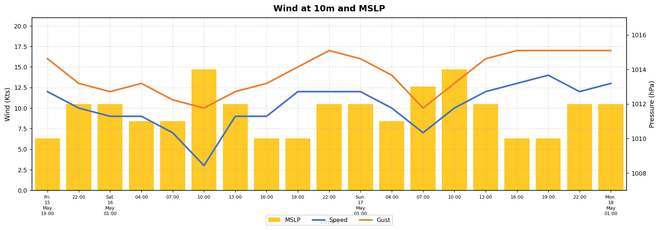

Table 2: Tides predictions for SEME
 | HIGH TIDES |  |  |  | LOW TIDES
Dates | Time | Height | Time | Height | Time | Height | Time | Height

