Fig1 + Tides
Figure 1: Trends of winds and Mean Sea Level Pressure from 15th to 18th May 2026
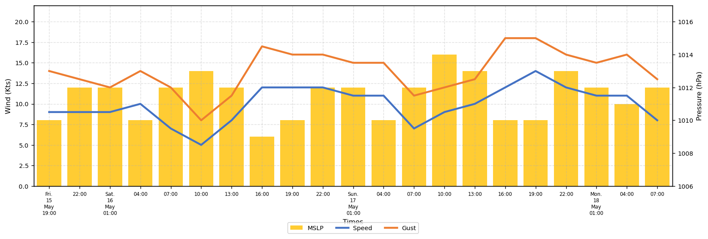

❖ Table 2: Tides predictions for SEME
 | HIGH TIDES |  |  |  | LOW TIDES
Dates | Time | Height | Time | Height | Time | Height | Time | Height

