Planilha1
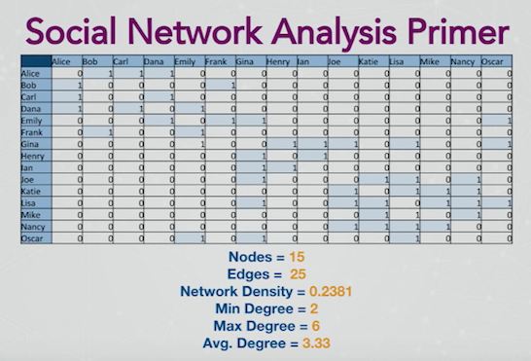
 | Alice | Bob | Carl | Dana | Emily | Frank | Gina | Henry | Ian | Joe | Katie | Lisa | Mike | Nancy | Oscar
Alice | 0 | 1 | 1 | 1 | 0 | 0 | 0 | 0 | 0 | 0 | 0 | 0 | 0 | 0 | 0
Bob | 1 | 0 | 0 | 0 | 0 | 1 | 0 | 0 | 0 | 0 | 0 | 0 | 0 | 0 | 0
Carl | 1 | 0 | 0 | 1 | 0 | 0 | 0 | 0 | 0 | 0 | 0 | 0 | 0 | 0 | 0
Dana | 1 | 0 | 1 | 0 | 1 | 0 | 0 | 0 | 0 | 0 | 0 | 0 | 0 | 0 | 0
Emily | 0 | 0 | 0 | 1 | 0 | 1 | 1 | 0 | 0 | 0 | 0 | 0 | 0 | 0 | 1
Frank | 0 | 1 | 0 | 0 | 1 | 0 | 0 | 0 | 0 | 0 | 0 | 0 | 0 | 0 | 0
Gina | 0 | 0 | 0 | 0 | 0 | 0 | 0 | 1 | 1 | 1 | 0 | 1 | 0 | 0 | 1
Henry | 0 | 0 | 0 | 0 | 0 | 0 | 1 | 0 | 1 | 0 | 0 | 0 | 0 | 0 | 0
Ian | 0 | 0 | 0 | 0 | 0 | 0 | 1 | 1 | 0 | 0 | 0 | 0 | 0 | 0 | 0
Joe | 0 | 0 | 0 | 0 | 0 | 0 | 1 | 0 | 0 | 0 | 1 | 1 | 0 | 1 | 0
Katie | 0 | 0 | 0 | 0 | 0 | 0 | 0 | 0 | 0 | 1 | 0 | 1 | 1 | 1 | 0
Lisa | 0 | 0 | 0 | 0 | 0 | 0 | 1 | 0 | 0 | 1 | 1 | 0 | 1 | 1 | 1
Mike | 0 | 0 | 0 | 0 | 0 | 0 | 0 | 0 | 0 | 0 | 1 | 1 | 0 | 1 | 0
Nancy | 0 | 0 | 0 | 0 | 0 | 0 | 0 | 0 | 0 | 1 | 1 | 1 | 1 | 0 | 0
Oscar | 0 | 0 | 0 | 0 | 1 | 0 | 1 | 0 | 0 | 0 | 0 | 1 | 0 | 0 | 0

