Sheet1
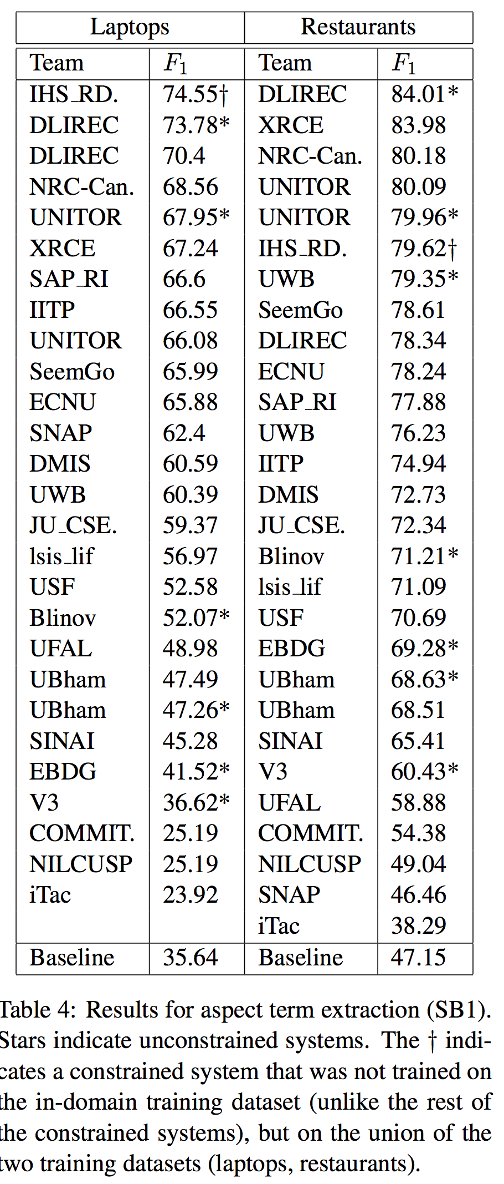
BiLSTM CRF
Laptop |  |  |  |  | Restaurant
 | Epoch | Train | Val | Test | Epoch | Train | Val | Test
Run 1 | 28 | 80.54 | 72.78 | 74.33 | 59 | 89.85 | 84.07 | 84.09
Run 2 | 23 | 80.41 | 71.89 | 74.56 | 40 | 85.12 | 82.93 | 83.91
Run 3 | 65 | 92.28 | 74.71 | 76.48 | 34 | 87.33 | 83.71 | 84.03
Run 4 | 45 | 86.73 | 74.35 | 76.04 | 26 | 84.71 | 82.87 | 83.96
Run 5 | 45 | 87.70 | 74.55 | 74.29 | 48 | 89.65 | 84.50 | 84.83
Mean |  | 85.53 | 73.66 | 75.14 |  | 87.33 | 83.62 | 84.16
Stand |  | 5.07 | 1.25 | 1.04 |  | 2.42 | 0.71 | 0.38
Max |  | 92.28 | 74.71 | 76.48 |  | 89.85 | 84.50 | 84.83
Final Result | 76.48 |  |  |  | 84.83

BiLSTM CRF + POS + NER + WN
Laptop |  |  |  |  | Restaurant
 | Epoch | Train | Val | Test | Epoch | Train | Val | Test
Run 1 | 46 | 89.60 | 76.39 | 75.89 | 49 | 90.90 | 84.50 | 84.28
Run 2 | 29 | 84.29 | 75.73 | 76.52 | 35 | 87.04 | 84.21 | 83.53
Run 3 | 56 | 92.47 | 76.32 | 77.29 | 40 | 89.60 | 84.32 | 84.85
Run 4 | 50 | 89.83 | 75.57 | 76.84 | 44 | 89.31 | 84.05 | 84.73
Run 5 | 46 | 89.09 | 77.34 | 76.50 | 76 | 95.53 | 84.51 | 85.52
Mean |  | 89.06 | 76.27 | 76.61 |  | 90.48 | 84.32 | 84.58
Stand |  | 2.97 | 0.70 | 0.51 |  | 3.15 | 0.20 | 0.74
Max |  | 92.47 | 77.34 | 77.29 |  | 95.53 | 84.51 | 85.52
Final Result | 76.5 |  |  |  | 85.52

