Sheet1
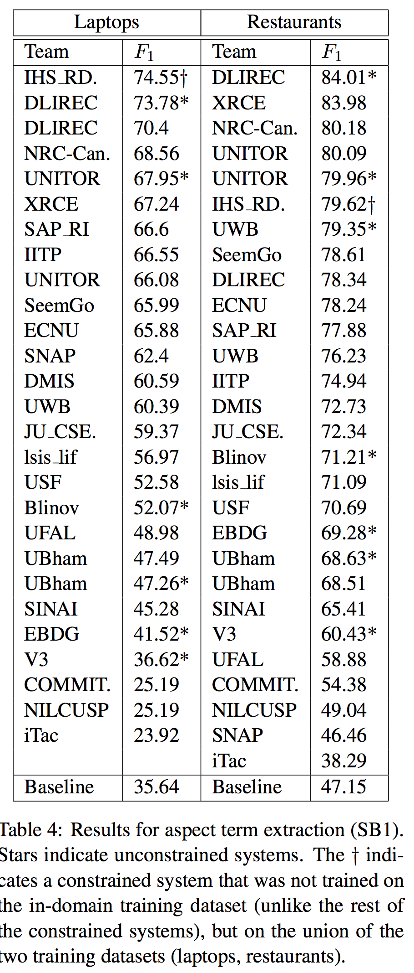
 |  | BiLSTM CRF
Laptop |  |  |  |  |  | Restaurant
 | Epoch | Train | Val | Test | SemEval | Epoch | Train | Val | Test | SemEval
Run 1 | 23 | 85.48 | 82.04 | 80.86 | 71.3 | 43 | 93.88 | 88.02 | 88.68 | 83.33
Run 2 | 19 | 85.32 | 81.55 | 80.3 | 70.36 | 37 | 92.73 | 88.07 | 88.95 | 83.1
Run 3 | 31 | 88.13 | 82.45 | 81.24 | 72.96 | 39 | 93.05 | 87.98 | 88.86 | 83.11
Run 4 | 25 | 87.12 | 82.17 | 81.74 | 71.88 | 25 | 90.7 | 87.41 | 88.54 | 82.75
Run 5 | 24 | 86.31 | 82.49 | 79.84 | 71.02 | 24 | 90.32 | 87.41 | 88.85 | 82.73
Mean |  | 86.472 | 82.14 | 80.796 | 71.504 |  | 92.136 | 87.778 | 88.776 | 83.004
Stand |  | 1.1732731992 | 0.38 | 0.75038656704 | 0.98055086559 |  | 1.5483636524 | 0.33744629202 | 0.1641036258 | 0.25803100589
Max |  | 88.13 | 82.49 | 81.74 | 72.96 |  | 93.88 | 88.07 | 88.95 | 83.33
Final Result |  | 71.02 |  |  |  |  | 83.1

