Tiempos de ejecucion
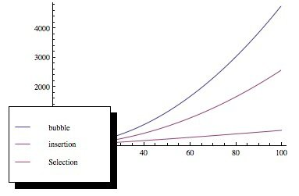
Este trajo utlizando dos arreglos, uno grande de 49,997 elementos y otro de tan solo 20. Se realizron 1000 iteraciones sobre el mismo arreglo para cada algoritmo. y asi obtener su tiempo de ejecucion promedio.
algorithm | Avg time | n | Column1 | Median | Minutos | algorithm | Avg time (ms) | median | n_size | Avg(minutes)
Quick Sort | 10950.874 | 49997 | 0.21903062184 | 10860 | 1.86164858 | quick_sort | 1.209 | 1 | 20 | 2.01903E-05
Heap Sort | 21174.309 | 49997 | 0.4235115907 | 21101.5 | 3.59963253 | insertion_sort | 1.337 | 1 | 20 | 2.23279E-05
Merge Sort | 216861.283 | 49997 | 4.3374859092 | 216530 | 36.86641811 | selection_sort | 1.396 | 1 | 20 | 2.33132E-05
Insertion Sort | 3879193.665 | 49997 | 77.588528612 | 3322767.5 | 659.46292305 | bubble_sort | 1.869 | 2 | 20 | 3.12123E-05
bubble_sort | 7840086.306 | 49997 | 156.81113479 | 7799867 | 1332.814672 | heap_sort | 3.038 | 3 | 20 | 5.07346E-05
selection_sort | 8397266.996 | 49997 | 167.95541725 | 8362376.5 | 1427.5353893 | merge_sort | 82.665 | 81 | 20 | 0.0013805055

BIG N |  |  |  |  |  | SMALL N

Avg time(ms) for big n
 | Avg time
Quick Sort | 10950.874
Heap Sort | 21174.309
Merge Sort | 216861.283
Insertion Sort | 3879193.665
bubble_sort | 7840086.306
selection_sort | 8397266.996
BIG N
Avg time (ms) for small n
 | Avg time (ms)
quick_sort | 1.209
insertion_sort | 1.337
selection_sort | 1.396
bubble_sort | 1.869
heap_sort | 3.038
merge_sort | 82.665
SMALL N

El bubble sort comparado con Insertion Sort y Selection Sort deberia ser peor. Si nos fijamos en el tiempo para un n pequeño eso es cierto, sin embargo, si nos fijamos en el n grande notaremos que por como estaba compuesto el bubble sort fue mas rapido por algunos segundos

Especificaciones del equipo:
Ryzen 7 4700u mobile
16 gb ram DDR5
Windows 11 Professional

