Sheet1
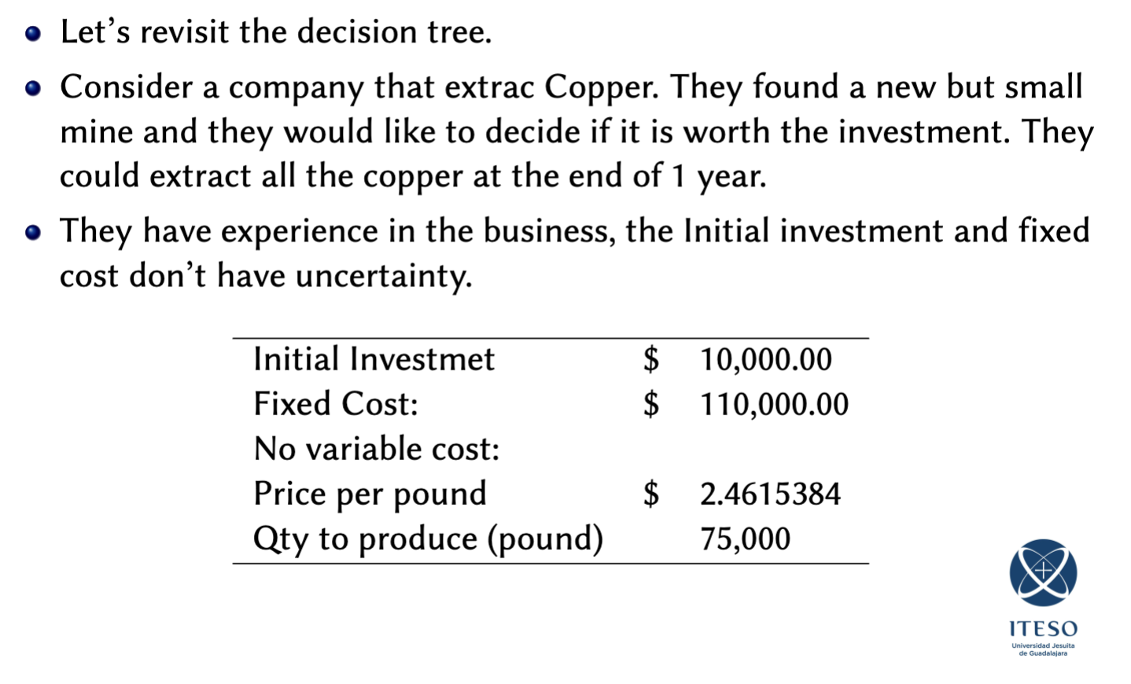
DETERMINISTIC APPROACH
 | 0 |  | 1
 |  | rev | $184,615.38
inv | $(10,000.00) | cost | $(110,000.00)
 |  |  | $74,615.38

NPV | $62,442.12
3%

DECISION TREE APPROACH
 | 0 | 50% | 1
 |  | rev | $184,615.38
inv | $(10,000.00) | cost | $(110,000.00)
 |  |  | $74,615.38

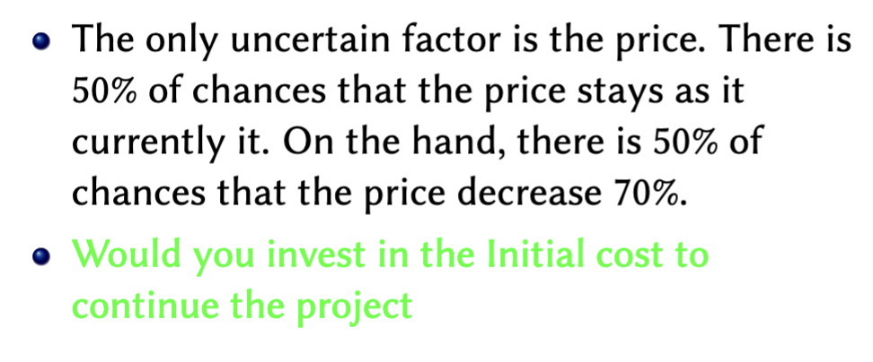
 |  | 50% | 1
 |  | rev | $55,384.61
 |  | cost | $(110,000.00)
 |  |  | $(54,615.39)
E[NPV] | $(291.27)
3%

REAL OPTIONS APPROACH (ROA)
 | 0 | 50% | 1
 |  | rev | $184,615.38
inv | $(10,000.00) | cost | $(110,000.00)
 |  |  | $74,615.38

 |  | 50% | 1
 |  | rev | $55,384.61
 |  | cost | $(110,000.00)
 |  |  | $-
E[NPV] | $26,221.06
3%

