Sheet1
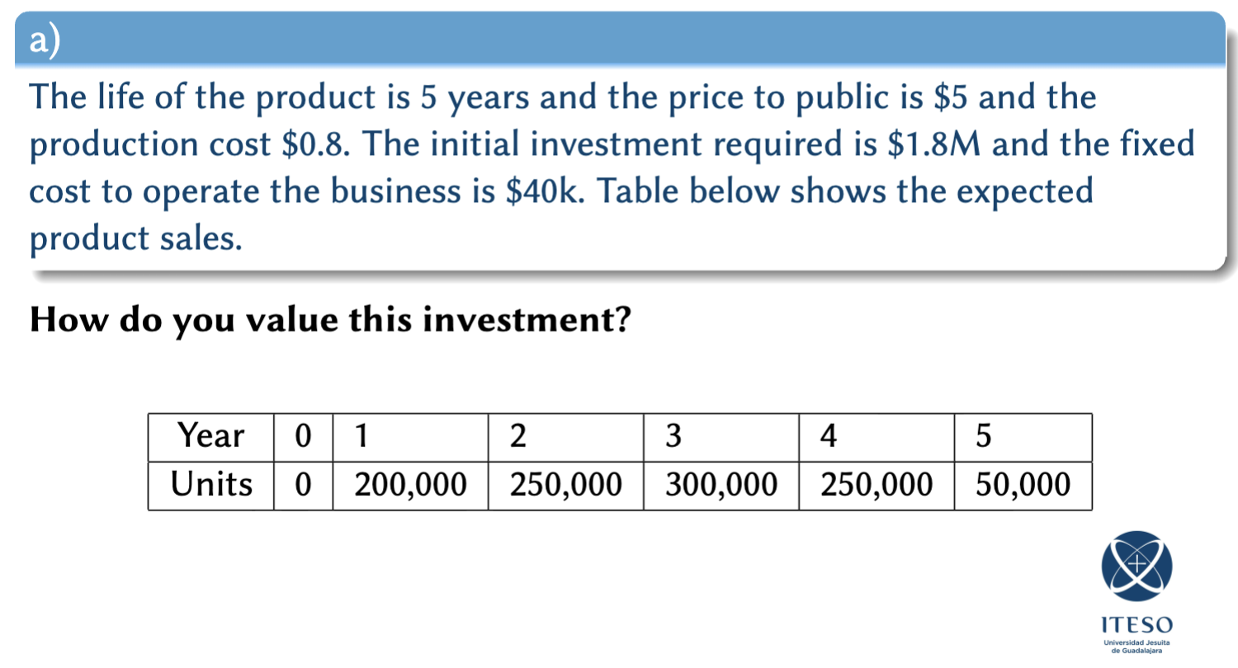
 |  |  |  |  |  | Year | 0 | 1 | 2 | 3 | 4 | 5
 |  |  |  |  |  | Units | 0 | 200,000.00 | 250,000.00 | 300,000.00 | 250,000.00 | 50,000.00

Year | 0 | 1 | 2 | 3 | 4 | 5
Units | 0 | 200,000.00 | 250,000.00 | 300,000.00 | 250,000.00 | 50,000.00
Revenue | $- | $1,000,000.00 | $1,250,000.00 | $1,500,000.00 | $1,250,000.00 | $250,000.00
Cost | $- | $(160,000.00) | $(200,000.00) | $(240,000.00) | $(200,000.00) | $(40,000.00)
Fix cost | $- | $(40,000.00) | $(40,000.00) | $(40,000.00) | $(40,000.00) | $(40,000.00)
Investment | $(1,800,000.00)
Cash flow | $(1,800,000.00) | $800,000.00 | $1,010,000.00 | $1,220,000.00 | $1,010,000.00 | $170,000.00

r = | 3%
PV = | $(1,800,000.00) | $776,699.03 | $952,021.87 | $1,116,472.82 | $897,371.92 | $146,643.49
NPV = | $2,089,209.13
NPV excel = | $2,089,209.13 |  | TIR = | 40.88%

Year | 0 | 1 | 2 | … | 10
Capital | $2,000,000.00 | $2,000,000.00 | $2,000,000.00
Interest |  | $60,000.00 | $60,000.00
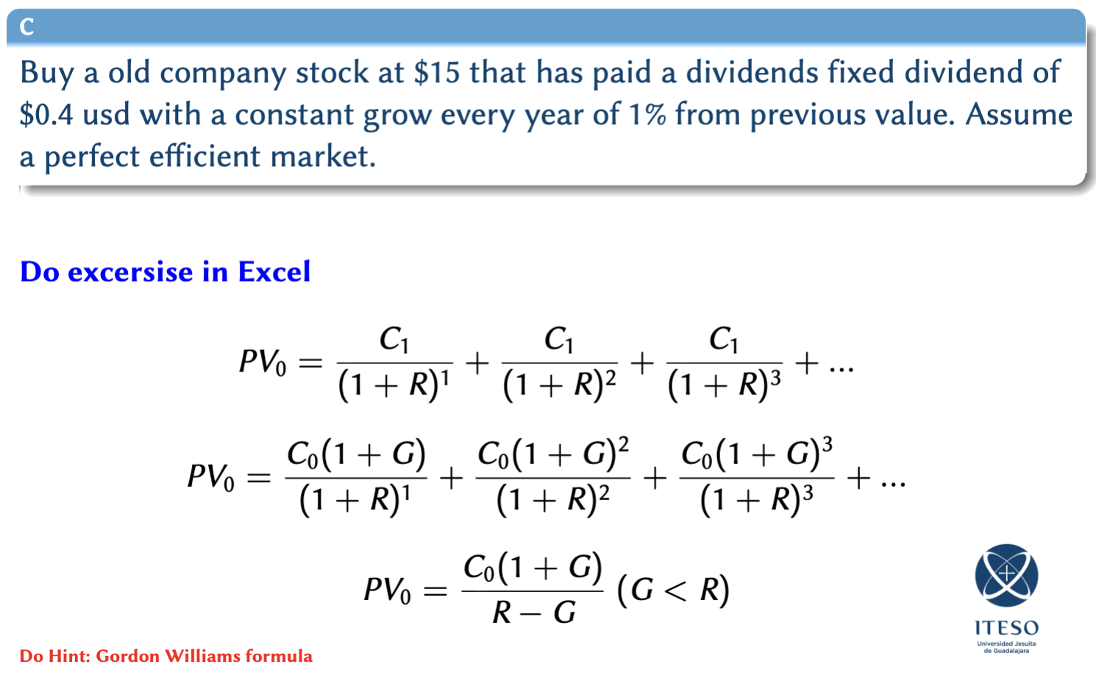

S = | 15 |  | PV = | 20.2
C0 = | 0.4 |  | Valor presente de los dividendos llevados a futuro
G = | 1%
r = | 3% |  | ret = | 34.67%

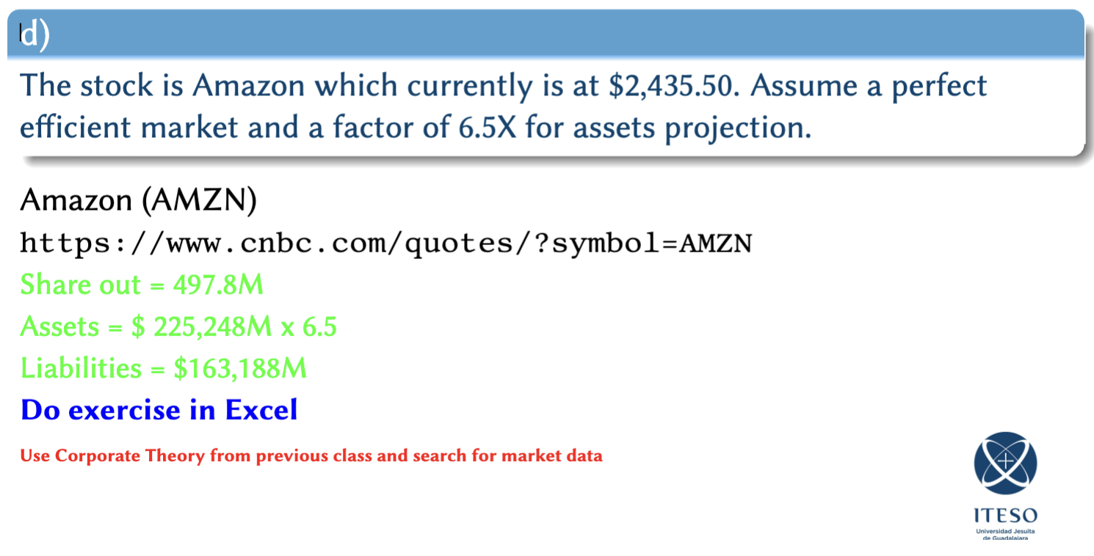

 |  |  |  |  |  |  | INTEL
A = L + E |  | E = S*Q |  |  |  |  | A = L + E |  | E = S*Q
A = L + S*Q |  |  | S0= | 222.29 |  |  | A = L + S*Q |  |  | S0= | $23.50
S = (A-L)/Q |  |  |  |  |  |  | S = (A-L)/Q

A = | 682,170,000 |  | A*Factor = L + E |  |  |  | A = | 192,520,000 |  | A*Factor = L + E
L = | 348,395,000 |  | A*Factor = L + S0*Q |  |  |  | L = | 86,769,000 |  | A*Factor = L + S0*Q
E = | 333,775,000 |  | Factor = (L + S0*Q)/A |  |  |  | E = | 105,751,000 |  | Factor = (L + S0*Q)/A
Q = | 11,175,000 |  | Factor = | 4.15 |  |  | Q = | 4,377,000 |  | Factor = | 0.98
S = | $29.87 |  | Factor de mercado |  |  |  | S = | $24.16 |  | Factor de mercado

ret = | -86.56% | si quiebra en 1 año |  |  |  |  | ret = | 2.81% | si quiebra en 1 año

Factor = | 5 |  | A*Factor = L + E
 |  |  | A*Factor = L + S0*Q
 |  |  | S = (A*Factor - L)/Q
 |  |  | S = | 274.05

ret = | 23.28%
Asumiendo crecimiento de activos 5X en un año

