Excel Gantt Chart Template
Gantt Chart |  |  |  |  | DATE

Diego's Thesis |  |  | DURATION (days)
START DATE | END DATE | DESCRIPTION
1/20/18 | 2/5/18 | INTRODUCTION | 15 |  |  | Collection DATA
 |  |  |  |  |  | Writing | Collection DATA
2/5/18 | 2/28/18 | BACKGROUND | 23 |  |  | Collection DATA | Writing
 |  |  |  |  |  | Writing | Collection DATA
2/5/18 | 2/15/18 | -State of Art in Actuation | 10 |  |  | Collection DATA | Writing
 |  |  |  |  |  | Writing | Collection DATA
2/15/18 | 2/24/18 | -Microstructure of Drawn Polymer Monofilament | 9 |  |  | Collection DATA | Writing
 |  |  |  |  |  | Writing | Collection DATA
2/24/18 | 2/28/18 | -Material modeling | 4 |  |  | Collection DATA | Writing
 |  |  |  |  |  | Writing | Collection DATA
2/28/18 | 5/15/18 | CHARACTERIZATION OF THE PRECURSOR MATERIAL | 75 |  |  | Collection DATA | Writing
 |  |  |  |  |  | Writing | Collection DATA
2/28/18 | 3/2/18 | -Manufacturing, processing and test methods | 2 |  |  | Collection DATA | Writing
 |  |  |  |  |  | Writing | Collection DATA
3/2/18 | 3/18/18 | -Axial Modulus as a Function of temperature | 16 |  |  | Collection DATA | Writing
 |  |  |  |  |  | Writing | Collection DATA
3/18/18 | 3/28/18 | -Radial Modulus as a Function of Temperature | 10 |  |  | Collection DATA | Writing
 |  |  |  |  |  | Writing | Collection DATA
3/28/18 | 4/14/18 | -Shear Modulus as a Function of Temperature | 16 |  |  | Collection DATA | Writing
 |  |  |  |  |  | Writing | Collection DATA
4/14/18 | 4/20/18 | -Poisson Ratio | 6 |  |  | Collection DATA | Writing
 |  |  |  |  |  | Writing | Collection DATA
4/20/18 | 5/2/18 | -Axial Thermal Contraction | 12 |  |  | Collection DATA | Writing
 |  |  |  |  |  | Writing | Collection DATA
5/2/18 | 5/15/18 | -Radial Thermal Expansion | 13 |  |  | Collection DATA | Writing
 |  |  |  |  |  | Writing | Collection DATA
5/15/18 | 6/30/18 | PREDICTION WITH THE FOUND MATERIAL PROPERTIES | 45 |  |  | Collection DATA | Writing
 |  |  |  |  |  | Writing | Collection DATA
5/15/18 | 6/7/18 | -Precursor Fiber under Load and Temperature | 22 |  |  | Collection DATA | Writing
 |  |  |  |  |  | Writing | Collection DATA
6/7/18 | 6/30/18 | -Twisted Fibers under Temperature Changes under no Load. Experiments vs. Model | 23 |  |  | Collection DATA | Writing
 |  |  |  |  |  | Writing | Collection DATA
6/30/18 | 7/5/18 | CONCLUSION | 5 |  |  | Collection DATA | Writing
 |  |  |  |  |  | Writing | Collection DATA
7/5/18 | 7/20/18 | THESIS CORECTIONS | 15 |  |  | Collection DATA | Writing
 |  |  |  |  |  | Writing | Collection DATA
Collecting Data
Writing
Completed Work
7/20/18 | 7/30/18 | PRESENTATION | 10 |  |  | Collection DATA | Writing
 |  |  |  |  |  | Writing | Collection DATA
7/31/18 | 8/1/18 | DEFENSE | 1 |  |  |  | Writing

8/1/18 | 8/12/18 | FINAL THESIS CORRECTIONS | 11 |  |  | Collection DATA
 |  |  |  |  |  | Writing | Collection DATA
 |  |  |  |  |  |  | Writing

 |  |  |  | www.officetimeline.com

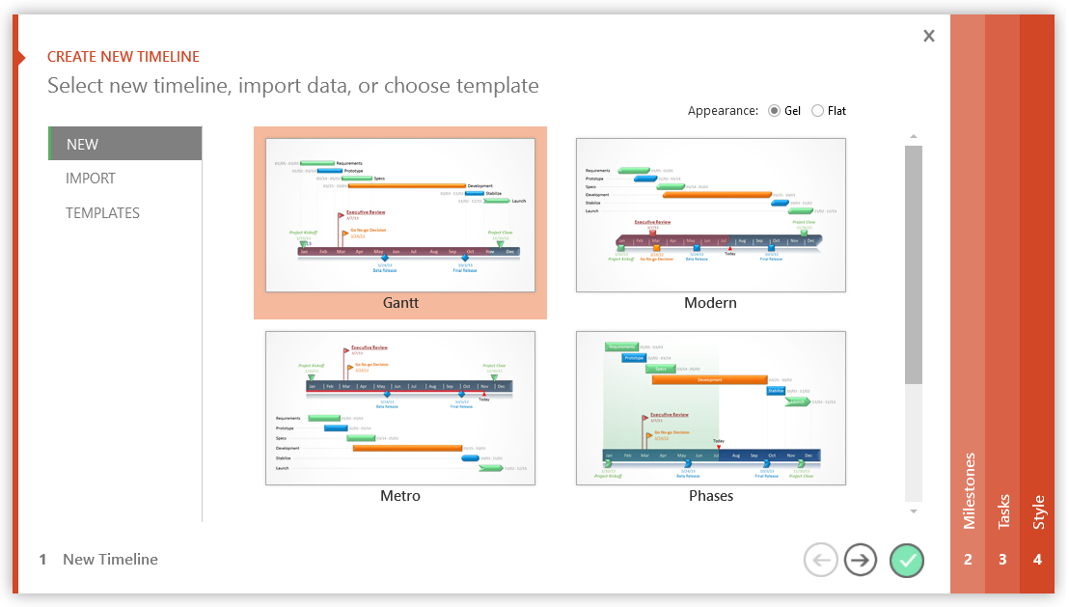

3 Easy steps to instantly turn Excel data into a PowerPoint slide
1. Download Office Timeline Plus Edition for PowerPoint.
2. Open PowerPoint and click on NEW Timeline from the Office Timeline tab inside of PowerPoint. Copy your Excel table paste it into Office Timeline Plus or import it.
3. Click the green check mark to instantly produce you timeline slide.

1/20/18 | 2/5/18 | 15
1/20/18 | 2/5/18 | 15
2/5/18 | 2/28/18 | 23
2/5/18 | 2/28/18 | 23
2/5/18 | 2/15/18 | 10
2/5/18 | 2/15/18 | 10
2/15/18 | 2/24/18 | 9
2/15/18 | 2/24/18 | 9
2/24/18 | 2/28/18 | 4
2/24/18 | 2/28/18 | 4
2/28/18 | 5/15/18 | 75
2/28/18 | 5/15/18 | 75
2/28/18 | 3/2/18 | 2
2/28/18 | 3/2/18 | 2
3/2/18 | 3/18/18 | 16
3/2/18 | 3/18/18 | 16
3/18/18 | 3/28/18 | 10
3/18/18 | 3/28/18 | 10
3/28/18 | 4/14/18 | 16
3/28/18 | 4/14/18 | 16
4/14/18 | 4/20/18 | 6
4/14/18 | 4/20/18 | 6
4/20/18 | 5/2/18 | 12
4/20/18 | 5/2/18 | 12
5/2/18 | 5/15/18 | 13
5/2/18 | 5/15/18 | 13
5/15/18 | 6/30/18 | 45
5/15/18 | 6/30/18 | 45
5/15/18 | 6/7/18 | 22
5/15/18 | 6/7/18 | 22
6/7/18 | 6/30/18 | 23
6/7/18 | 6/30/18 | 23
6/30/18 | 7/5/18 | 5
6/30/18 | 7/5/18 | 5
7/5/18 | 7/20/18 | 15
7/5/18 | 7/20/18 | 15
7/20/18 | 7/30/18 | 10
7/20/18 | 7/30/18 | 10
7/31/18 | 8/1/18 | 1
7/31/18 | 8/1/18 | 1
8/1/18 | 8/12/18 | 11
8/1/18 | 8/12/18 | 11

Excel Timeline Template
Excel Timeline Template

Enter Your Project Details Here
DATE | DESCRIPTION | POSITION
5/10/16 | Kick Off | 1
6/7/16 | Milestone 1 | 2
7/21/16 | Milestone 2 | 1
8/1/16 | Checkpoint A | 4
9/20/16 | Milestone 3 | 3
10/30/16 | Milestone 4 | 2
12/20/16 | Checkpoint B | 3
1/30/17 | Milestone 5 | 4
2/10/17 | Milestone 6 | 1
3/30/17 | Milestone 7 | 2 |  | `
5/20/17 | Checkpoint C | 3
5/30/17 | Sign Off | 1

Make beautiful timelines in PowerPoint for important meetings. |  |  | Download #1 Free timeline add-in for PowerPoint

 |  |  | www.officetimeline.com

3 Easy steps to instantly turn Excel data into a PowerPoint slide
1. Download Office Timeline Plus Edition for PowerPoint.
2. Open PowerPoint and click on NEW Timeline from the Office Timeline tab inside of PowerPoint. Copy your Excel table paste it into Office Timeline Plus or import it.
3. Click the green check mark to instantly produce you timeline slide.

 |  | https://www.officetimeline.com/download

