AFD2
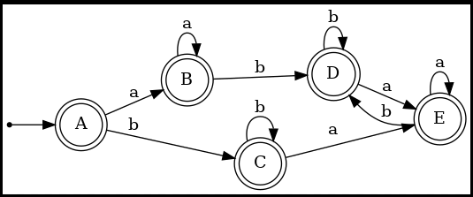
 |  |  |  |  |  | REGEX: | (a*|b*)+

PI | A,B,C,D,E
 | A | B | C | D | E
a | 1 | 1 | 1 | 1 | 1
b | 1 | 1 | 1 | 1 | 1

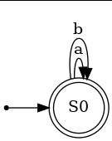
 | A,B,C,D,E
 | s0
 | a | b
s0 | s0 | s0 | aceptacion

AFD3
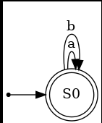
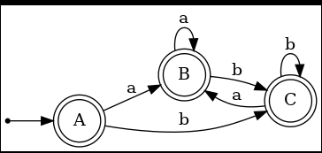
 |  |  |  | REGEX: | ((ε|a)|b*)*

PI | A,B,C
 | A | B | C
a | 1 | 1 | 1
b | 1 | 1 | 1

 | A,B,C
 | s0
 | a | b
s0 | s0 | s0 | aceptacion

AFD4
 |  |  |  |  |  |  |  |  |  |  |  |  |  |  |  |  | REGEX: | (a|b)*abb(a|b)*

PI | A,B,C,D,E,F | G,H,I,J,K,L,M,N,O,P
 | A | B | C | D | E | F | G | H | I | J | K | L | M | N | O | P
a | 0 | 0 | 0 | 0 | 0 | 0 | 1 | 1 | 1 | 1 | 1 | 1 | 1 | 1 | 1 | 1
b | 0 | 0 | 0 | 0 | 1 | 1 | 1 | 1 | 1 | 1 | 1 | 1 | 1 | 1 | 1 | 1

PI | A,B,C,D | E,F | G,H,I,J,K,L,M,N,O,P
 | A | B | C | D | E | F | G | H | I | J | K | L | M | N | O | P
a | 0 | 0 | 0 | 0 | 0 | 0
b | 0 | 2 | 0 | 2 | 2 | 2
PI | A,C | B,D | E,F | G,H,I,J,K,L,M,N,O,P
 | A | B | C | D | E | F | G | H | I | J | K | L | M | N | O | P
a | 1 | 1 | 1 | 1 | 1 | 1
b | 0 | 4 | 0 | 4 | 4 | 4
 | A,C | B,D | E,F | G,H,I,J,K,L,M,N,O,P
 | s0 | s1 | s2 | s3

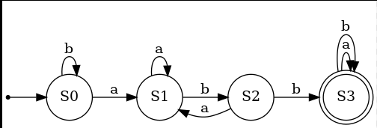
 | a | b
s0 | s1 | s0
s1 | s1 | s2
s2 | s1 | s3
s3 | s3 | s3 | aceptacion

AFD5
 |  |  |  |  |  | REGEX: | 0?(1?)?0*

PI | E | A,B,C,D
 | A | B | C | D | E
0 | 1 | 1 | 1 | 1 | 0
1 | 1 | 1 | 0 | 0 | 0

PI | A,B | C,D | E
 | A | B | C | D | E
0 | 1 | 1 | 1 | 1 | 2
1 | 2 | 2 | 2 | 2 | 2

PI | A,B | C,D | E
 | A | B | C | D | E
0 | 1 | 1 | 1 | 1 | 2
1 | 2 | 2 | 2 | 2 | 2

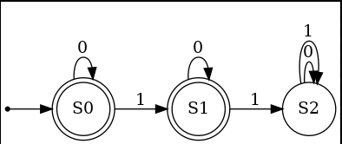
 | A,B | C,D | E
 | s0 | s1 | s2

 | 0 | 1
s0 | s0 | s1 | aceptacion
s1 | s1 | s2 | aceptacion
s2 | s2 | s2

