Pg1-Demographics
Legend: | Response marked in Red
 |  | Task 1: Receive Patient`s Registration | Questions/Prompt | Possible responses

 |  | create user name & password, with email or social media | Hey there. Thank you for starting the proces to register your interest in participating in a potential clinical trial & research among people diagnosed with diabetes. There are 4 sections for you to complete, eaching taking 5 -7 minutes of your time. If you decide to take a break, you can come back & contiune to complete the remaining sections. | click on email sent to activate registration. Consent to data collection and privacy terms. |  | 
 |  |  |  |  | Age range:
 |  | Age (years) | What is your date of birth? | day.day/month/year | 18 - 34 | 35 - 44 | 45 - 54 | 55 - 64 | 65+

 |  | Gender | What is your gender? | Male | Female | Other

 |  | Education | What was your highest level of education achieved? | Did not complete high school | Completed high school | Some college or vocational training | University undergraduate | University post- graduate

 |  | Employment status | What is your current employment status? | Working full time or part time | Unemployed | Retired | Student

 |  | Diabetes App Usage | Do you use any digital apps to help you to manage your Diabetes? | Yes | No

 |  | Social Media Use | Do you use any social media platforms eg Facebook, Twitter or Instagram to help you to manage your Diabetes? | No | Yes

 |  | Member of on line Patient Communities | Do you belong to any on line Patient Communities related to your Diabetes? | No | Yes

 |  | Nutrition as a highly search informaton topic on the internet | On how many of the last SEVEN DAYS did you use recipe search or finders to guide your nutrition? | 0 | 1 | 2 | 3 | 4 | 5 | 6 | 7

 |  | Mobility | Which of the following are your transporation methods? Please check all that are applicable | Not applicable | public transport | car include motor bikes | bicycle | other

Pg 3 -Medical History
 | Task 1: Receive Patient`s Registration | Questions | Possible responses
 | Duration of Diabetes Diagnosis (years) | How long ago (years) was your Diabetes diagnosed by a doctor or nurse? | < 1 | 1 - 2 | 3 - 5 | 6 -10 | > 10

 | Diabetes Diagnosis | Which type of Diabetes have you been diagnosed with? | Type 1 | Type 2 | Other

 | Additional chronic diseases | Which other chronic illness have you also been diagnosed with by your doctor? Please select all that apply | Not applicable | Hypertension | Coronary Heart Disease | Arthrosis or Rheumatoid Arthritis | Chronic back pain | Asthma/chronic obstructive pulmonary disease (COPD) | Chronic kidney disease | Depression | Cancer | Chronic dermatitis/allergy | Chronic gastrointestional disease | Anxiety disorder | Parkinson`s disease or other neurological disorder | other

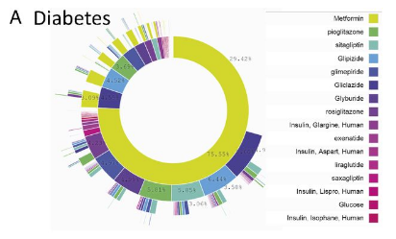
 | Prescribed Insulin for diabetes | Do you use insulin injections to manage your Diabetes? | Yes | No

 | Prescribed oral medicines for diabetes | Which of the following medications for your Diabetes hs your doctor prescribed for you? Please select all that apply | Glucosidade Inhibitor | sulphonylurea | DDP4 Inhibitor | GLP 1 Analogue | Metformin | SGLT2 Inhibitor | PPAR Agonist | other

 | Prescribed medicines for other illness | Which of the following medications inaddition to your Diabetes medications has your doctor prescribed for you? Please select all that apply. | Statins | Blood pressure | Heart disease | Other
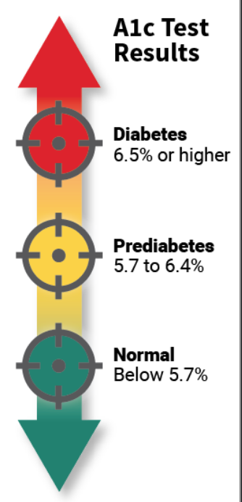
Metabolic Risk Factors | Hemoglobin A1c,% | What was the last reading of your "sugared red blood cells" or hemaoglobin? | < 5.7 % | 5.7 -6.5 % | > 6.5 %

 | Blood Pressure mmHg | What was the last reading of your blood pressure when you were relaxed or sitting down? | < 140/90 | > 140/90

 | Cholestorol Levels (mg/dL) | What was your last laboratory results of your cholestorol levels? | 200 | 200 - 239 | > 240

 | Family member diagnosed with diabetes | As far as you are aware, do you have any family relatives including parents or siblings who have been diagnosed with Diabetes? | Yes | No | Not sure

 | Pregancy Status | If applicable, are you pregnant now? | Not applicable (male responders) | No | yes

Pg 4 -SDSCA Measure
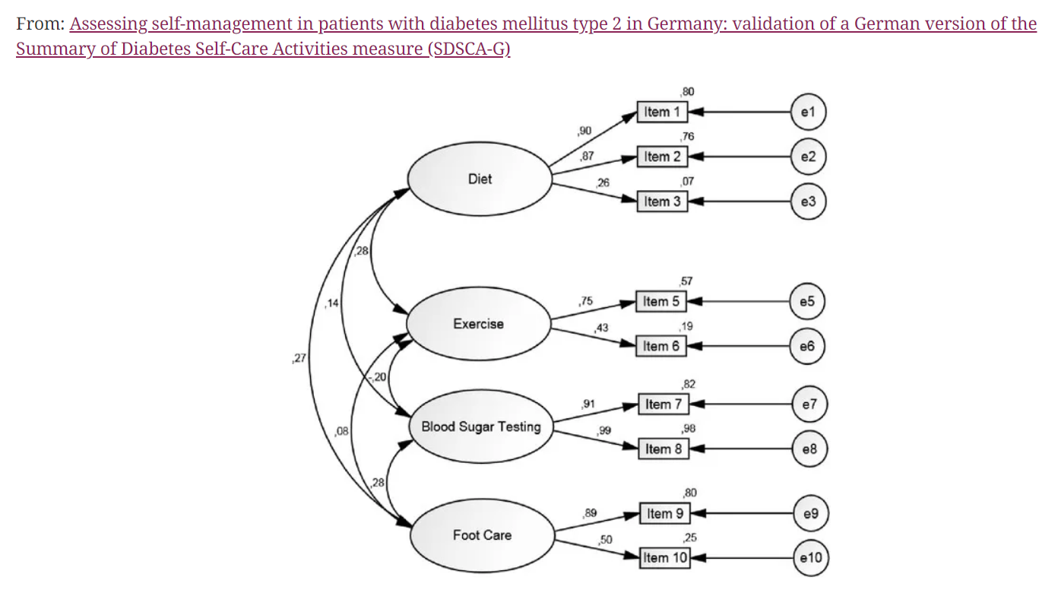
 |  |  | As a chronic disease, diabetes mellitus requires a high level of individual responsibility because the vast majority of daily care is handled by the patient himself. This is a validated psychometric tool (SDSCA) about self management behaviours for diabetes. It can help analyse behavioural problems related to reduced glycaemic control, and possibly retention in clinical trials |  |  |  |  |  |  |  |  | Mean Item Score
 | Task 1: Receive Patient`s Registration | Questions | Possible responses |  |  |  |  |  |  |  | Score | Encourable - Self management Behaviour | Not yet ideal -Self management behaviour
Summary of Diabetes Self -Care Activities Measure SDSCA | Diet | How many of the last 7 days have you followed a healthy eating plan? | 0 | 1 | 2 | 3 | 4 | 5 | 6 | 7 |  | > 4.9 | < 4.9
 |  | On average, over the past month, how many DAYS PER WEEK have you followed your eating plan? | 0 | 1 | 2 | 3 | 4 | 5 | 6 | 7 |  | > 4.9 | < 4.9
 |  | On how many of the last SEVEN DAYS did you eat five or more servings of fruits and vegetables? | 0 | 1 | 2 | 3 | 4 | 5 | 6 | 7 |  | > 4.25 | < 4.25
 |  | On how many of the last SEVEN DAYS did you eat high fat foods such as red meat or full-fat dairy products? | 0 | 1 | 2 | 3 | 4 | 5 | 6 | 7 |  | > 3.0 | < 3.0
 |  | On how many of the last SEVEN DAYS did you space carbohydrates evenly through the day? | 0 | 1 | 2 | 3 | 4 | 5 | 6 | 7 |  | > 4.8 | < 4.8
 |  | On how many of the last SEVEN DAYS did you use plate method (portion size) to help you plan how much you ate? | 0 | 1 | 2 | 3 | 4 | 5 | 6 | 7 |  | > 4.8 | < 4.8
 |  | On how many of the last SEVEN DAYS did you use carbohydrate counting method to help you plan how much you ate? | 0 | 1 | 2 | 3 | 4 | 5 | 6 | 7 |  | > 4.8 | < 4.8
 | Exercise | On how many of the last SEVEN DAYS did you participate in at least 30 minutes of physical activity? (Total minutes of continuous activity, including walking). | 0 | 1 | 2 | 3 | 4 | 5 | 6 | 7 |  | > 4.4 | < 4.4
 |  | On how many of the last SEVEN DAYS did you participate in a specific exercise session (such as swimming, walking, biking) other than what you do around the house or as part of your work? | 0 | 1 | 2 | 3 | 4 | 5 | 6 | 7 |  | > 2.4 | < 2.4
 | Blood Sugar Testing | On how many of the last SEVEN DAYS did you test your blood sugar | 0 | 1 | 2 | 3 | 4 | 5 | 6 | 7 |  | > 2.9 | < 2.9
 |  | On how many of the last SEVEN DAYS did you test your blood sugar the number of times recommended by your health care provider? | 0 | 1 | 2 | 3 | 4 | 5 | 6 | 7 |  | > 2.9 | < 2.9
 | Foot Care | On how many of the last SEVEN DAYS did you check your feet? | 0 | 1 | 2 | 3 | 4 | 5 | 6 | 7 |  | > 3.4 | < 3.4
 |  | On how many of the last SEVEN DAYS did you inspect the inside of your shoes | 0 | 1 | 2 | 3 | 4 | 5 | 6 | 7 |  | > 1.5 | < 1.5
 | Smoking | Have you smoked a cigarette—even one puff—during the past SEVEN DAYS | No | Yes. If yes, how many cigarettes did you smoke on an average day? Number of cigarettes:_____ |  |  |  |  |  |  |  | 0 | > 0
 | Drinking | On average, over the past month, how many units of DRINKS PER DAY inluding NIGHT have you drank? | 0 | 1 | 2 | 3 | 4 | 5 | 6 | 7 |  | < 2 | > 2

