README
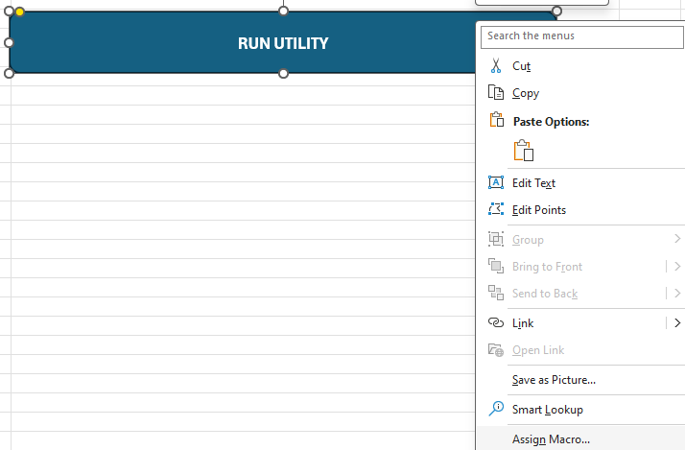
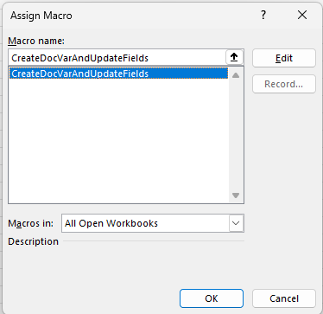
Purpose
Enable templatization of Word documents using DocVariables and Fields
This is achieved using a VBA module to set DocVariables and apply them to a target Word document file
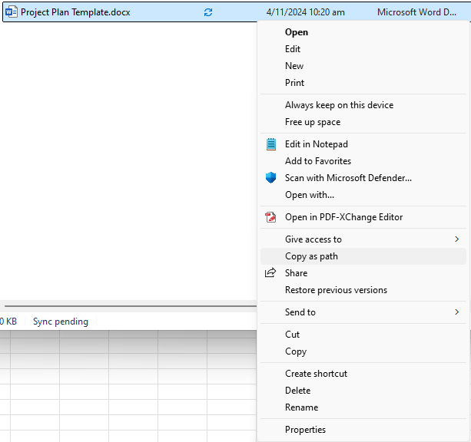
All fields in the target Word document file are then programatically refreshed regardless of location

Using an Existing Word Template File
1 | Make a copy of the template Word file and rename/move as necessary
2 | Make any required changes to the Word file and ENSURE THE FILE IS CLOSED
3 | In this Excel file, go to the "Utility" worksheet
4 | Configure the file using the cells under "Configuration Settings" as follows
5 | Enter the full path of the Word file to be edited in cell D2, with the label "File Path" beside it
6 | To easily obtain this file path, open Windows Explorer, navigate to the Word file to be changed, right click, and select "Copy as path"
7 | Select the preset to be used using the dropdown menu in cell D3, with the label "Preset (Dropdown Menu)" beside it
8 | The "DocVariables" column in the range A:A will be populated based on the template
9 | Add any additional variables required in the column, but note that editing the Preset is encouraged instead (See Adding/Editing Presets)
10 | Fill in the "Value" column in range B:B
11 | Click the "RUN UTILITY" button to activate the script
12 | The script will open the target Word file, apply changes, refresh all fields, and close the Word file
13 | If there is a row where "DocVariables" is empty but "Value" is filled, the row is ignored
14 | If there is a row where "DocVariables" is filled but "Value" is empty, the value of the DocVariable is deleted
15 | If there is a row where "DocVariables" is a name that does not exist in the Word Template file, the value will still be saved under that name in the document and can be inserted like any other DocVariable (See Preparing a Word Template File)
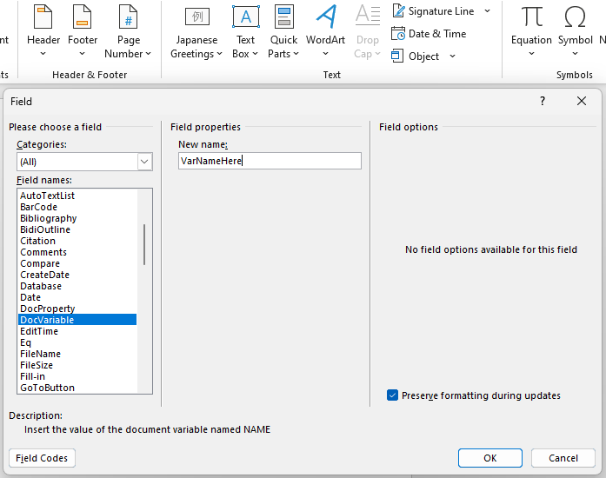
Adding/Editing Presets
1 | Presets are defined in the "Presets" sheet of this Excel file
2 | The mandatory fields in the table are "Preset Name" and "DocVariables (Comma-separated)"
3 | Additional columns are provided for more clarity (disambiguation between presets)
4 | To add DocVariables to a preset, simply list the variable names in the corresponding cell, separated by commas without spaces
5 | Changes in the "Presets" tab are immediately reflected in the "Utility" tab

Preparing a Word Template File
1 | Fields and DocVariables can be used to create a Word Template that is compatible with this utility
2 | Create a sample Word document as per usual
3 | Use dynamic elements such as References > Table of Contents, Insert > Quick Parts > Document Property, Insert > Page Number, etc. to populate straightforward properties
4 | For custom variables to be populated using this Excel file, go to Insert > Quick Parts > Field > Field names: DocVariable
5 | Enter the intended DocVariable name under Field Properties > New name:
6 | This name corresponds with the "DocVariables" columns in this Excel File
7 | Press "OK" to insert the reference into the Word document
8 | It is encouraged to highlight this reference in the Word document to ensure the user of the template double checks the document for mistakes
9 | Remember to add a new preset or update the corresponding preset in this Excel file if any DocVariables are added or changed in the Word document (See Adding/Editing Presets)
10 | The Word document is now ready to be used with this Excel file (See Using an Existing Word Template File)

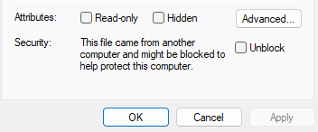
TROUBLESHOOTING
Macros have been Disabled (Red Message Ribbon with no "Enable" Button)
1 | After downloading or copying this file from a nonlocal directory, Excel or IT may prevent the utility from running for security reasons
2 | To enable macros, this Excel file has to be unblocked
3 | Navigate to the location of this file using Windows Explorer
4 | Right click this Excel file and select "Properties"
5 | Tick "Unblock" and reopen this Excel file
6 | Press "Enable" on the yellow message ribbon

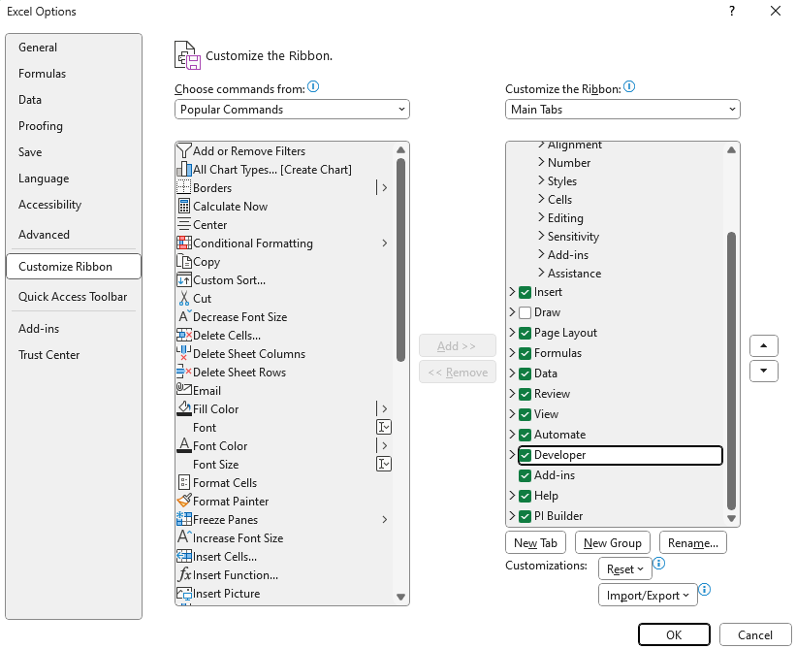
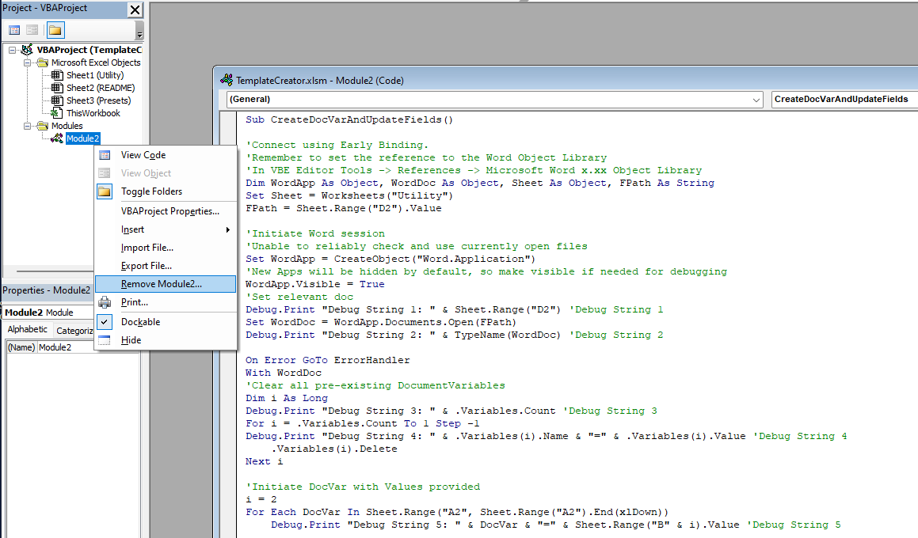
"DocVariables" Column in "Utility" Sheet No Longer Auto-populates from Preset
1 | The formula in cell Utility!A2 may have been overwritten
2 | Insert the following formula in the cell Utility!A2
3 | =IFERROR(TEXTSPLIT(INDEX(PresetTable[DocVariables (Comma-separated)],XMATCH($D$3,PresetTable[Preset Name])),,","),"")

The Excel File is Trusted or Macros have been Enabled but Excel Still Refuses to Run Utility
1 | The Excel file might be out of sync with the the security settings
2 | Try saving, closing, and reopening this Excel file
3 | If the issue persists, the macro may have to be removed and readded to this Excel file
4 | If there is no "Developer" tab in the toolbar above, tick the checkbox to enable it via File > Options > Customize Ribbon > Customize the Ribbon > Developer
5 | Click "OK"
6 | Open VBA editor via Developer > Visual Basic
7 | Export and remove the module with the submodule named "CreateDocVarAndUpdateFields"
8 | Save this Excel file and close it
9 | Reopen this Excel file, open VBA editor, and reimport the module from the exported file in step 7
10 | Add Word references in VBA editor via Tools > References > Available References > Microsoft Word 16.0 Object Library and click "OK"
11 | Close the VBA editor
12 | The macro should be able to run now
13 | See The "RUN UTILITY" Button does nothing if needed

The "RUN UTILITY" Button does nothing
1 | The button might be unassigned from the macro or assigned to an incorrect macro
2 | To assign the button to the right macro, right click on the shape and select "Assign Macro"
3 | Select "CreateDocVarAndUpdateFields" in the list of available macros and click "OK"
4 | The button should be clickable and runs the right utility now

Utility
DocVariables | Value | Configuration Settings
ProjectNumber | XXX24X_SG | File Path | "C:\cleaned.docx"
ProjectName | XXXXXXXX | Preset (Dropdown Menu) | Cleaned
Customer | XXXXXXYY
RUN UTILITY
ProjectProposal

