工作表1
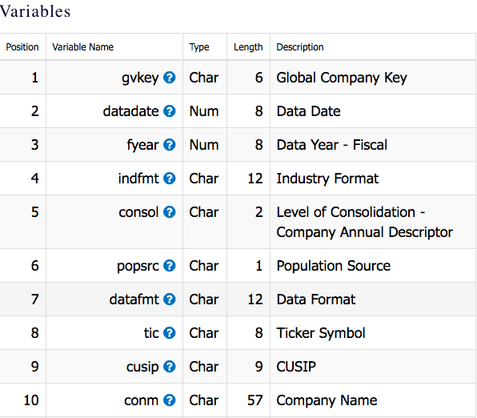
variable | table | file
fyear | comp | CO_ADESIND | Data Year - Fiscal
act | comp | CO_AFND1 | Current Assets - Total | million
GVKEY | comp | CO_AFND1 | Global Company Key
AT | comp | CO_AFND1 | Assets - Total | million
BKVLPS | comp | CO_AFND1 | Book Value Per Share | dollars
CHE | comp | CO_AFND1 | Cash and Short-Term Investments | million
CSTK | comp | CO_AFND1 | Common/Ordinary Stock (Capital) | million
DLC | comp | CO_AFND1 | Debt in Current Liabilities - Total | million
LCT | comp | CO_AFND1 | Current Liabilities - Total | million
EPSPI | comp | CO_AFND1 | Earnings Per Share (Basic) - Including Extraordinary ItemsE | dollars
indfmt | comp | CO_AFND1 | INDL
datafmt | comp | CO_AFND1 | STD
popsrc | comp | CO_AFND1 | D
consol | comp | CO_AFND1 | C
UNIAMI | comp | CO_AFND2 | Net Income before Extraordinary Items and after Noncontrolling Interest | million
DVPSP | comp | CO_AMKT | Dividends per Share - Pay Date | dollars
PRCC | comp | CO_AMKT | Price Close - Annual | dollars
MKVALT | comp | CO_AMKT | Market Value - Total | million
curcd | comp | CO_AMKT | USD
CUSIP | comp | FUNDA

