Intro
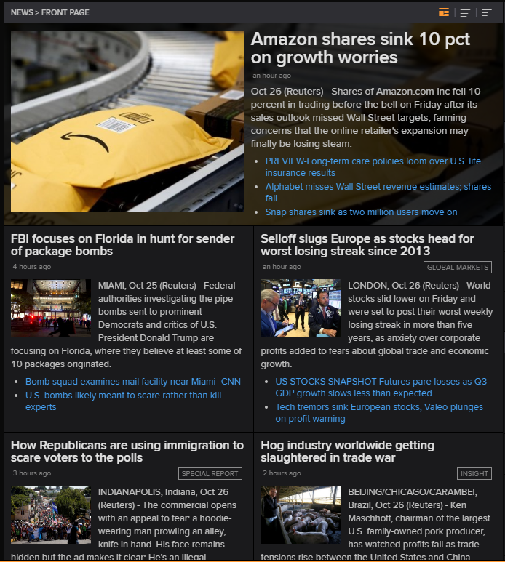
 | 
REFINITIV KNOWLEDGE DIRECT API FOR WEALTH MANAGEMENT
TOPNEWS DATA GUIDE: Version 8, August 2022
Welcome to the Refinitiv Knowledge Direct API for Wealth Management TopNews Data Guide.

Top News presents the biggest business and political stories that are moving markets and making headlines around the world in an easy format. Organized in sector and region, the Top News content is updated 24/7 by dedicated and experienced global and local editors. Every Top News story comes with a small and medium-sized image.

