Interpol_Extrapol_Defaults
~TFM_UPD is used to declare a table in SysSetting (and/or scenario file and/or _Trans files) which is a simple transformation to pre-existing data in a rule-based manner.
In this case case , the 1st block deals with setting the default interpolation rules (indicated by the 0 in the Yr column) for the parameter defined in the column attribute and all the processes defined in the model.
The 2nd block sets default prices (ACTCOST) for the “backstop” options for fuels (dummy IMPort technologies ending with “Z”) and demands (a dummy IMPDEMZ process that can feed any demand).
For more details see www.kanors-emr.com/vedasupport in "templates basic"or the getting started with VEDA-TIMES from pag.22
~TFM_MIG
LimType | Attribute | Year2 | AllRegions | Pset_PN
UP | ACT_BND | 0 | 5

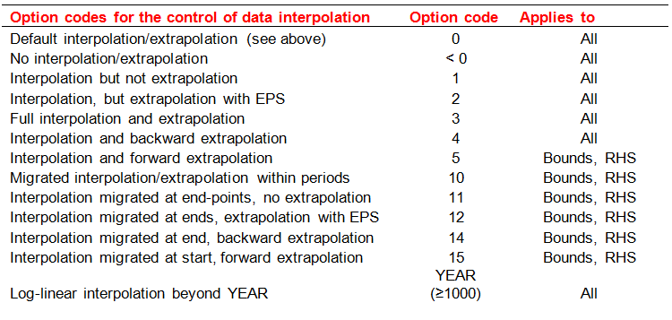

*Set a default price or apply a factor for those IMPorts with "Z" in the name.

Dummy Imp Prices

~TFM_UPD
Attribute | AllRegions | Pset_Set | Pset_PN
ACTCOST | 2222 | IRE | IMP*Z
ACTCOST | 8888 | IRE | IMPDEMZ

~TFM_INS-txt
Attribute | AllRegions | Pset_Set | Pset_PN
PRC_TSL | DAYNITE | IRE | IMP*Z

Defaults
~Currencies is used :
- to define a default currency for the whole model
~DefUnits is used :
- to define default units by activity, capacity and commodity for each sector in the model
~UnitConversion :
- enables unit conversion in the Results module. Use a common unit in to_unit to declare new conversions. For example, for a new energy unit, use PJ in to_unit.
~Currencies |  | ~DefUnits
Currency |  | Option | PRI | ELC
MEuro05 |  | Process_ActUnit | TJ | TJ
 |  | Process_CapUnit | Tja | MW
 |  | Commodity_Unit | TJ | TJ

~UnitConversion
from_unit | to_unit | multiplier
QBtu | PJ | 1055.55
Billion Kwh | PJ | 3.60
Mt | Kt | 1000.00
B Euro | M Euro | 1000.00
TBtu | PJ | 1.06
ktoe | PJ | 0.04
mtoe | PJ | 41.87
Gwh | PJ | 0.0036
Gt | Kt | 1000000.00
bEur | mEur | 1000.00
Eur per bbl | Eur per GJ | 0.15
Eur per ton | mEur per kt | 0.00
EJ | PJ | 1000.00
bcm | PJ | 37.68
mbpd | PJ | 2299.00
Cents per Kwh | Eur per GJ | 2.78
Twh | PJ | 3.60
PJ | PJ | 1.00
TJ | PJ | 0.001

