Unsloth
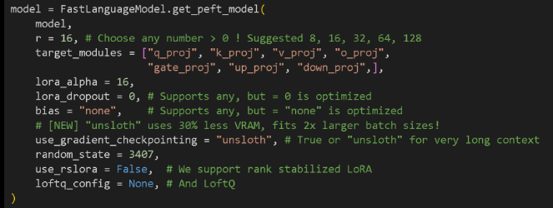
Unsloth enables 2x faster fine-tuning of LLMs with 70% less memory usage — all without sacrificing accuracy. Why unsloth? 1. Supports notebooks for text, vision, TTS, RL. 2. Compatible with all : * Fine-tuning methods `{LORA, QLORA}` * Reasoning methods `{GRPO, DPO, PPO}` * Transformer-based models `{Llama, gemma, mixtral, phi, deepseek}` 3. It makes super easy to train LLM's on platforms such as Google Colab/ Kaggle. 4. It streamlines whole workflow: * Choose Right model + method with parameters * Format Dataset * Model loading + Quantizing * Training + Evaluation * Inferencing + Saving the model * Export & Integration with inference engines `{ollama, huggingface}` 5. Highly customizable to modify: * Chat templates * Data formatting | What is Fine-Tuning? Finetuning is the process of updating the actual "brains" of the language model through some process called back-propagation. By fine-tuning a pre-trained model (e.g. Llama-3.1-8B) on a specialized dataset, you can: 1. Update Knowledge: Introduce new domain-specific information. 2. Customize Behavior: Adjust the model’s tone, personality, or response style. 3. Optimize for Tasks: Improve accuracy and relevance for specific use cases.

 | 2 popular Fine-Tuning techniques that can dramatically cut down the compute and memory requirements: LoRA and QLoRA. Here’s a quick comparison of each: LoRA (Low-Rank Adaptation) Fine-tunes only a small set of additional “adapter” weight matrices (in 16-bit precision), while leaving most of the original model unchanged. This significantly reduces the number of parameters that need updating during training. QLoRA (Quantized LoRA) It Combines LoRA with 4-bit quantization of the model weights, enabling efficient fine-tuning of very large models on minimal hardware. By using 4-bit precision where possible, it dramatically lowers memory usage and compute overhead.

 |  | r = 16, # Choose any number > 0 ! Suggested 8, 16, 32, 64, 128 The rank of the finetuning process. A larger number uses more memory and will be slower, but can increase accuracy on harder tasks. We normally suggest numbers like 8 (for fast finetunes), and up to 128. Too large numbers can causing over-fitting, damaging your model's quality. target_modules = ["q_proj", "k_proj", "v_proj", "o_proj", "gate_proj", "up_proj", "down_proj",], We select all modules to finetune. You can remove some to reduce memory usage and make training faster, but we highly do not suggest this. Just train on all modules! lora_alpha = 16, The scaling factor for finetuning. A larger number will make finetune learn more about your dataset, but can promote over-fitting. We suggest this to equal to the rank r, or double it. lora_dropout = 0, # Supports any, but = 0 is optimized Leave this as 0 for faster training! Can reduce over-fitting, but not that much. bias = "none", # Supports any, but = "none" is optimized Leave this as 0 for faster and less over-fit training! use_gradient_checkpointing = "unsloth", # True or "unsloth" for very long context Options include True, False and "unsloth". We suggest "unsloth" since we reduce memory usage by an extra 30% & support extremely long context finetunes. random_state = 3407, The number to determine deterministic runs. Training and finetuning needs random numbers, so setting this number makes experiments reproducible. use_rslora = False, # We support rank stabilized LoRA Advanced feature to set the lora_alpha = 16 automatically. You can use this if you want! loftq_config = None, # And LoftQ Advanced feature to initialize the LoRA matrices to the top r singular vectors of the weights. Can improve accuracy somewhat, but can make memory usage explode at the start.

 | Instruct Models: Instruct models are pre-trained with built-in instructions, making them ready to use without any fine-tuning. These models, including GGUFs and others, are optimized for direct usage and respond effectively to prompts right out of the box. Base Models: Base models, on the other hand, are the original pre-trained versions without instruction fine-tuning. These are specifically used for customization through fine-tuning, allowing you to adapt them to your unique needs.
Outcome's of Unsloth: 1. How to prepare dataset 2. Which model to use: Instruct vs Base Answer: <300: I, 300-1000:I/B, >1000: B 3. Step-by-step process of fine-tuning 4. What parameters to change during fine-tuning

