Test Execution
Test No | Test Summery | Request type | url | Body | Expected outcome | Actual Result | Status | Defect Summery
1 | Verify Candidate data when request is valid and server is up | GET | http://localhost:3000/candidates | N/A | Status : 200 Sample Response { "id": "222222", "firstName": "Olga", "lastName": "Grytsenko", "vacancyTitle": "QA Engineer", "matchingScore": 67 } |  | Pass
2 | Verify Candidate data when request is invalid and server is up | GET | http://localhost:3000/candidatess | N/A | { "status": 404, "massage": "not found" } | 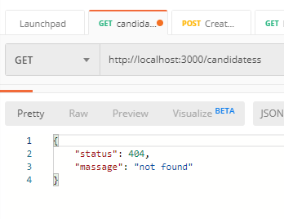 | Pass
3 | Verify Candidate data when request is valid and server is down | GET | http://localhost:3000/candidates | N/A | { "status": 404, "massage": "not found" } |  | Pass
 | Verify create candidate when request is valid with valid data | POST | http://localhost:3000/createCandidate | { "firstName": "Donald", "lastName": "Trump", "matchingScore": 3, "vacancyTitle": 'President'} | 201': description: Provides the newly created candidate resource. |  | Fail | "status": 400, "massage": "Unexpected token ' in JSON at position 82"
 | Verify create candidate when request is valid with invalid data CandidateBody: type: object properties: firstName: type: string lastName: type: string matchingScore: type: integer format: int32 minimum: 0 maximum: 100 vacancyTitle: type: string additionalProperties: false | POST | http://localhost:3000/createCandidate | { "firstName": " spaces", "lastName": "Trump", "matchingScore": text, "vacancyTitle": 'President'} | unexpected error |  | Fail | "status": 400, "massage": "Unexpected token ' in JSON at position 82"

 | Verify Candidate data when request is valid and server is up | GET | http://localhost:3000/candidates/222222 | N/A | Status:200 { "id": "222222", "firstName": "Olga", "lastName": "Grytsenko", "vacancyTitle": "QA Engineer", "matchingScore": 67 } | 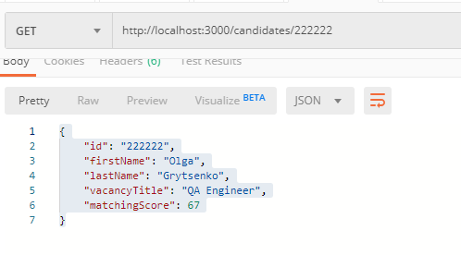 | Pass
 | Verify Candidate data when request id is invalid and server is up | GET | http://localhost:3000/candidates/222223 | N/A | '404': description: Not found | 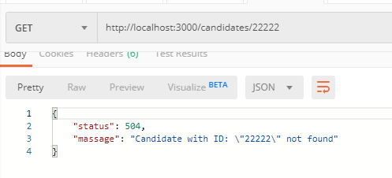 | Fail | Message is correct. But the Status is different from the requirement.
 | Verify create candidate when request is valid with valid data | POST | http://localhost:3000/createCandidate | { "firstName": "Donald", "lastName": "Trump", "matchingScore": 3, "vacancyTitle": 'President'} | 201': description: Provides the newly created candidate resource. | 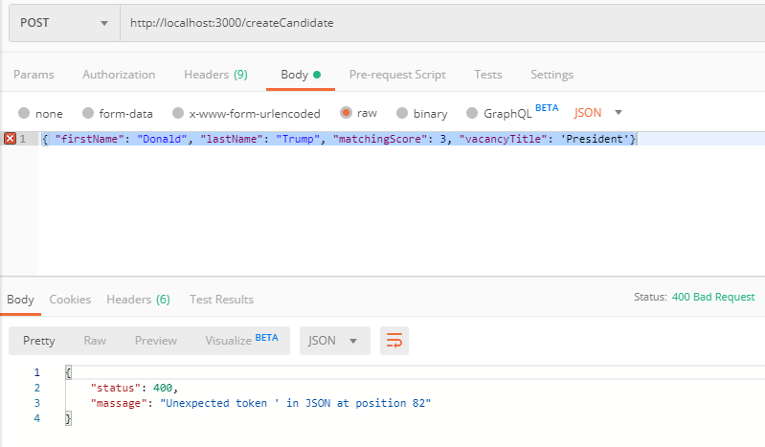 | Fail | "status": 400, "massage": "Unexpected token ' in JSON at position 82"
 | Verify Candidate data when request is valid and server is up | PUT | http://localhost:3000/updateCandidate | { "firstName": "Boris", "lastName": "Johnson", "matchingScore": 2, "vacancyTitle": 'Prime Minister' } | 200': description: Provides the updated candidate resource. | 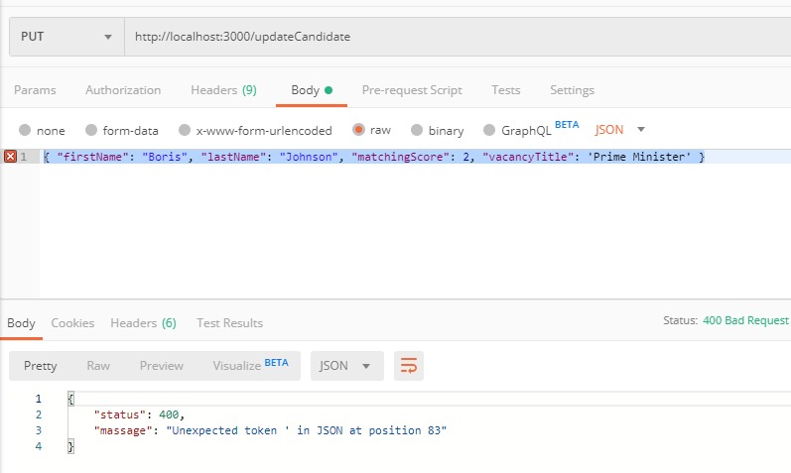 | Fail | { "status": 400, "massage": "Unexpected token ' in JSON at position 83" }
 | Verify Candidate data when request is invalid and server is up | PUT | http://localhost:3000/updateCandidate11 | { "firstName": "Boris", "lastName": "Johnson", "matchingScore": 2, "vacancyTitle": 'Prime Minister' } | 404': description: Provides the updated candidate resource. |  | Fail | { "status": 400, "massage": "Unexpected token ' in JSON at position 83" }
 | Verify Candidate data when request id is valid and server is up | PATCH | http://localhost:3000/patchCandidate | { "vacancyTitle": 'Charlatan' } | 200': description: Provides the updated candidate resource. | 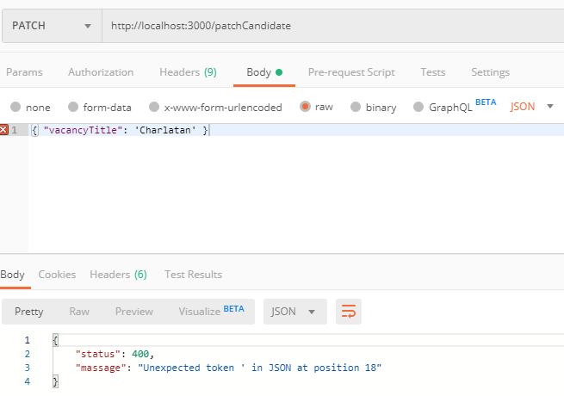 | Fail | { "status": 400, "massage": "Unexpected token ' in JSON at position 18" }
 | Verify Candidate data when request id is invalid and server is up | PATCH | http://localhost:3000/patchCandidate | { "vacancyTitle": 'Charlatan' } | 404 |  | Fail | { "status": 400, "massage": "Unexpected token ' in JSON at position 18" }
 | Verify Candidate data when request id is valid and server is up | DELETE | http://localhost:3000/deleteCandidate | Example not given | 204': description: Candidate deleted | 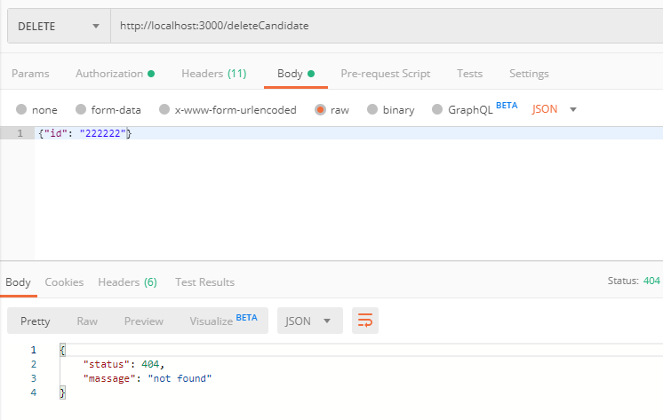 | Fail | "status": 404, "massage": "not found"

 | Verify Candidate data when request id is valid and server is up | DELETE | http://localhost:3000/deleteCandidate | Example not given | 404': description: Not found | 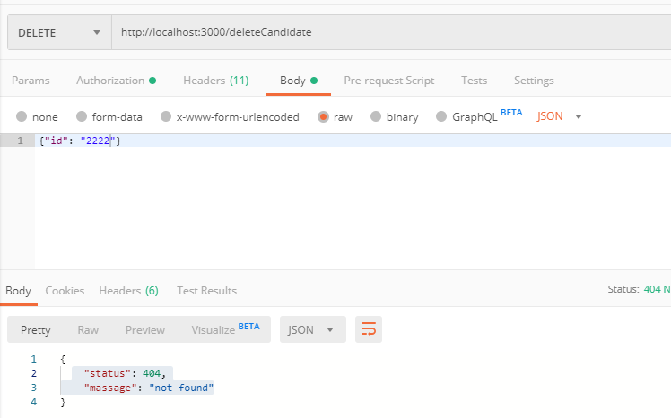 | Pass | Improvent: Message needs to be cutomized for user to undestand that the given id is invalid.

