Sign In - Standard User
Test Case ID | TC_1.1
Test Objective | Check user login with valid credentials.
Test Data | Username: "standard_user" Password: "secret_sauce"
Expected result | User should be able to login succesfully. And page should direct to Dashboard without getting any error.
Actual Result | User can login succesfully. And page directing to Dashboard without getting any error.
Screenshot | 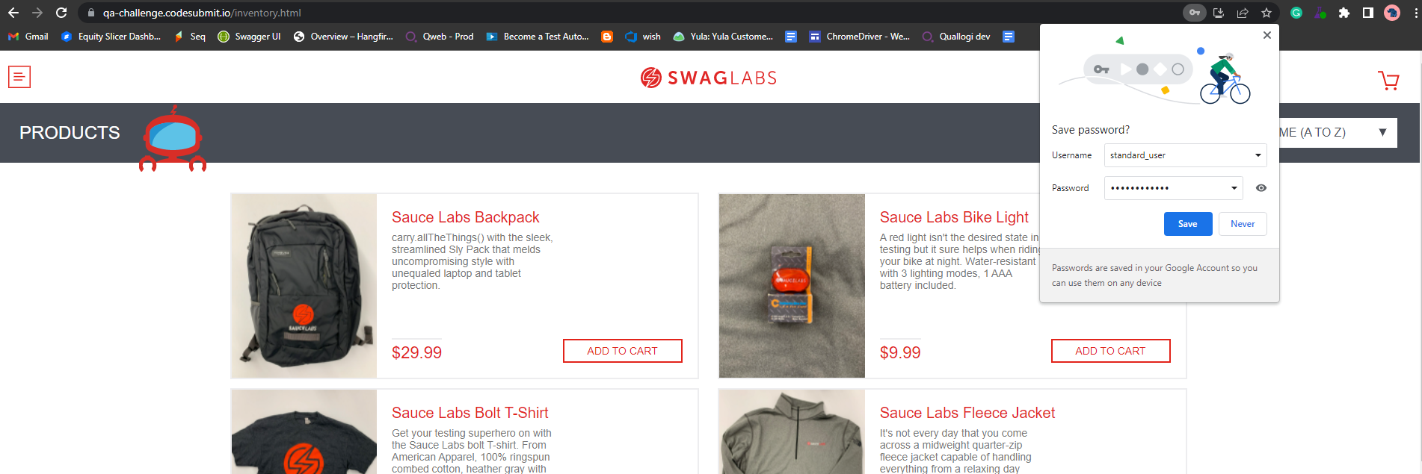

Test Case ID | TC_1.2
Test Objective | Check user login with invalid logins.
Test Data | Username: "abc" Password: "abc"
Expected result | Error message should appear as "Username and password do not match any user in this service"
Actual Result | Error message appears as "Username and password do not match any user in this service"
Screenshots | 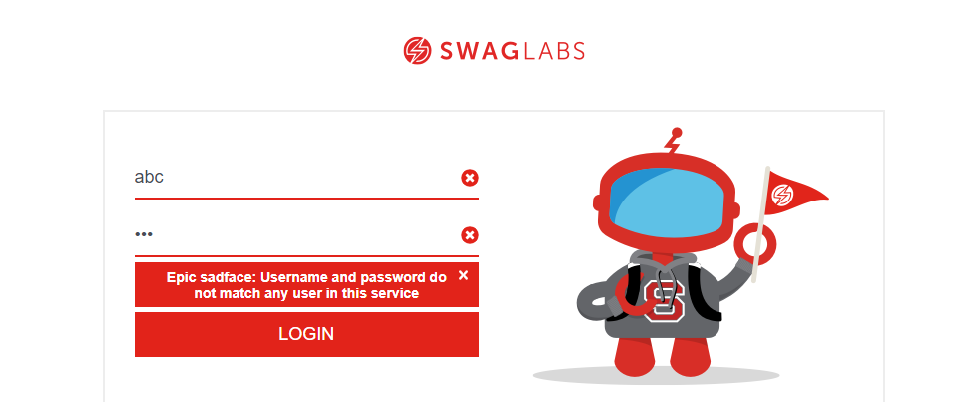

Test Case ID | TC_1.3
Test Objective | Check user login with valid user name and empty Password field.
Test Data | Username: "standard_user" Password: ""
Expected result | Error message should appear as " Password is required"
Actual Result | Error message appears as " Password is required"
Screenshots | 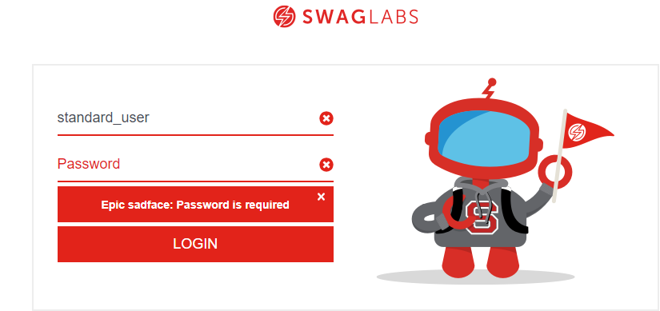

Test Case ID | TC_1.4
Test Objective | Check user login with Empty username and password fields.
Test Data | Username: " " Password: " "
Expected result | Error message should appear as " Username is required"
Actual Result | Error message appears as " Username is required"
Screenshots | 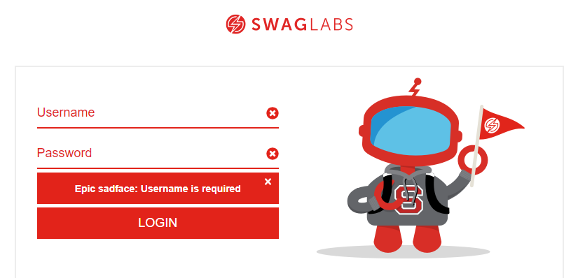

Test Case ID | TC_1.5
Test Objective | Check user login with valid user name and invalid password
Test Data | Username: "admin" Password: "abc"
Expected result | Error message should appear as "Username and password do not match any user in this service"
Actual Result | Error message appears as "Username and password do not match any user in this service"
Screenshots | 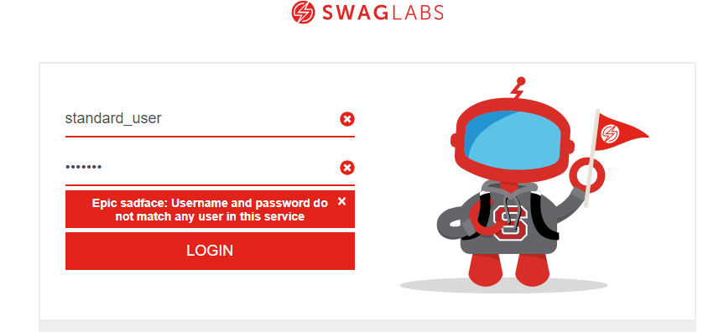

Test Case ID | TC_1.6
Test Objective | Enter first letter of the username in Capital.
Test Data | Username: "Standard_user" Password: "secret_sauce"
Expected result | Error message should appear as "Username and password do not match any user in this service"
Actual Result | Error message appears as "Username and password do not match any user in this service"
Screenshots | 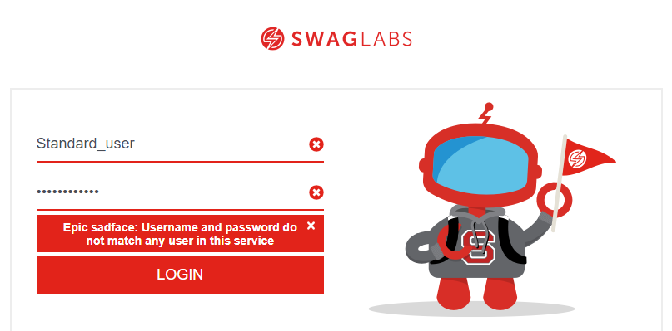

Test Case ID | TC_1.7
Test Objective | Enter first letter of the Password in Capital.
Test Data | Username: "standard_user" Password: "Secret_sauce"
Expected result | Error message should appear as "Username and password do not match any user in this service"
Actual Result | Error message appears as "Username and password do not match any user in this service"
Screenshots | 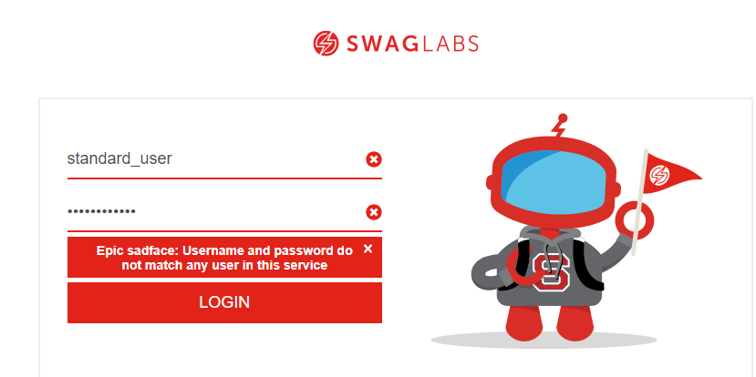

Sign In - locked User
Test Case ID | TC_2.1
Test Objective | Check user login with valid credentials.
Test Data | Username: "locked_out_user" Password: "secret_sauce"
Expected result | User should be able to login succesfully. And page should direct to Dashboard without getting any error.
Actual Result | User can login succesfully. And page directing to Dashboard without getting any error.
Screenshot | 