Visualiser GR
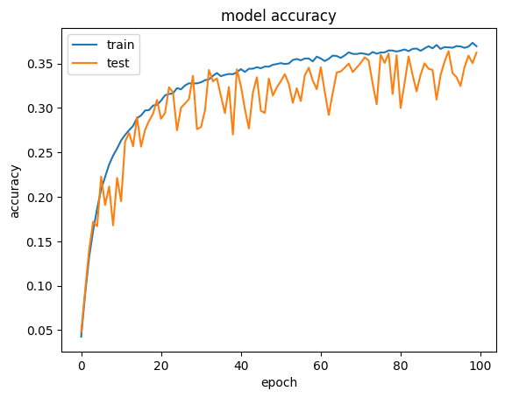
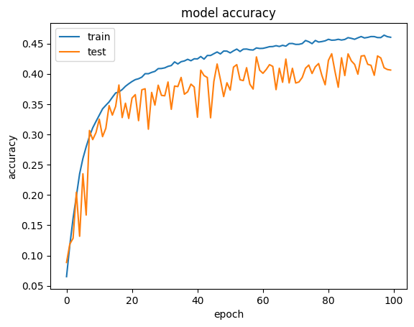
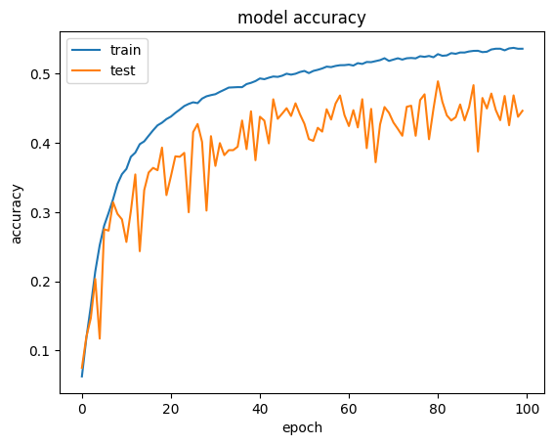
Growth rate 16 | Growth rate 24 | Growth rate 32

Visualiser DR
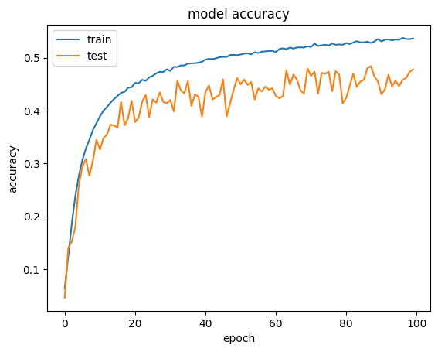
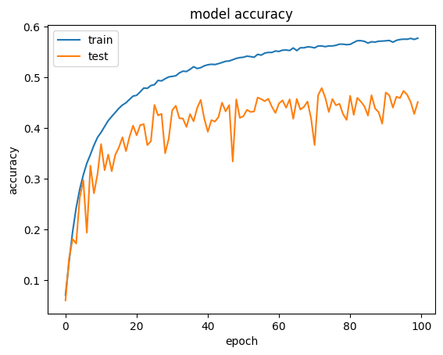
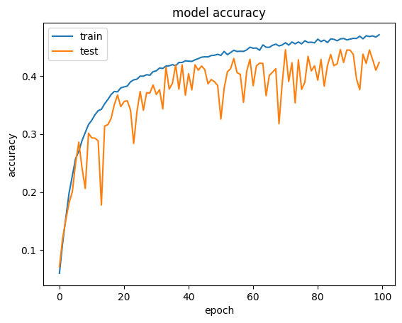
Droput Rate 0.3 | Droput Rate 0.2 | Droput Rate 0.5

Visualiser WD
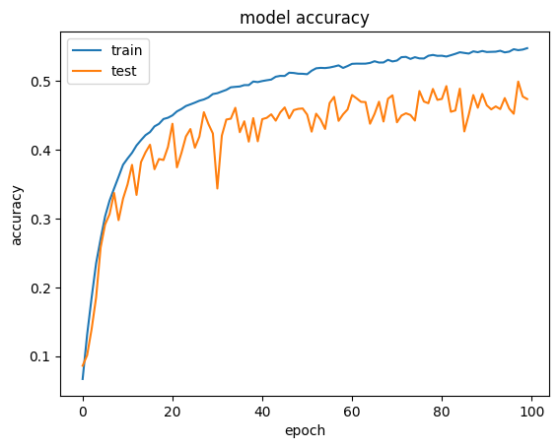
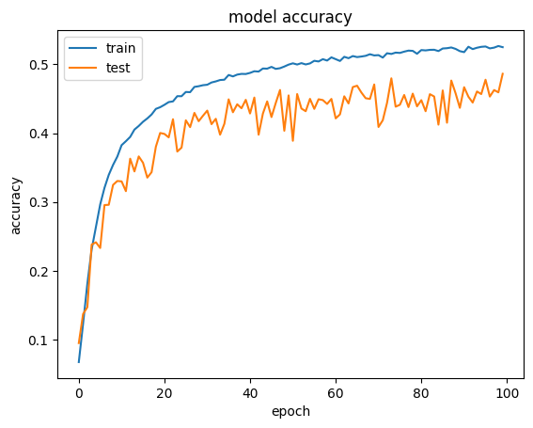
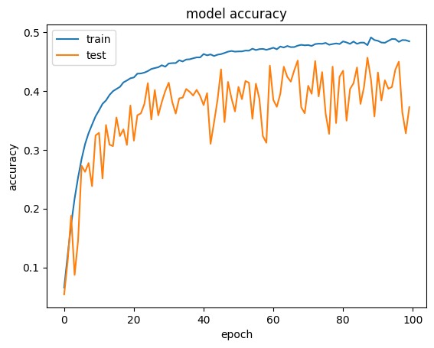
Weight Decay 5e-05 | Weight Decay 1e-04 | Weight Decay 5e-04

Average
Growth Rate |  |  | Dropout Probability |  |  | Weight Decay
Growth Rate | Avg Validation Accuracy | St Deviation for Average | Dropout Probability | Avg Validation Accuracy | St Deviation for Average | Weight Decay | Avg Validation Accuracy | St Deviation for Average
16 | 0.35772 | 0.022219968497 | 0.2 | 0.44852 | 0.017965856506 | 5.00E-05 | 0.47072 | 0.01420763879
24 | 0.42802 | 0.026211295275 | 0.3 | 0.4707 | 0.017941989856 | 1.00E-04 | 0.45974 | 0.030644134838
32 | 0.4736 | 0.020317849296 | 0.5 | 0.37144 | 0.021654399091 | 5.00E-04 | 0.41562 | 0.037600359041
Avg Validation Accuracy for Growth Rate
Avg Validation Accuracy for Dropout Probability
Avg Validation Accuracy for Weight Decay

